Sheet1
 | PROJECTS DETAILS & REQUIREMENT

REQUIREMENT | DESCRIPTION
 |  |  | CODE STATUS COLOR
DML QUERIES IN CODE | DATA MANIPULATION IN PROJECT | ✅ | REMAINING= | #TEXTCODE
 |  |  | DONE= | #TEXTCODE
DQL QUERIES IN CODE | DATA QUERY LANGUAGE IMPLEMENTATION | ✅

SCRIPT.TXT | PRE MADE FILE OF ALL QUERY OF DATABASE | ✅ | TYPE | GUI

STORED PROCEDURES | A group of one or more Transact-SQL statements, or a reference to a Microsoft | ✅

TRIGGERS | A SQL trigger is a database object which fires when an event occurs in a database. | ✅

ENTITIES | Entities = 6 | ✅

ERD | PHYSICAL FULL ERD DRAW

Constraints | SQL constraints are used to specify rules for the data in a table. | ✅

Normalization 3NF | Third Normal Form (3NF)

 | Tables and Columns Sturcture

1. tbl_categories | 3. tbl_products | 5. tbl_transactions

id (int, Primary Key) | id (int, Primary Key) | id (int, Primary Key)
title (varchar(50)) | name (varchar(50)) | type (varchar(50))
description (text) | category (varchar(50)) | dea_cust_id (int, Foreign Key to tbl_dea_cust.id)
added_date (datetime) | description (text) | grandTotal (decimal(18, 2))
added_by (int) | rate (decimal(18, 2)) | transaction_date (datetime)
 | qty (decimal(18, 2)) | tax (decimal(18, 2))
 | added_date (datetime) | discount (decimal(18, 2))
 | added_by (int) | added_by (int)

2. tbl_dea_cust | 4. tbl_transaction_detail | 6. tbl_users

id (int, Primary Key) | id (int, Primary Key) | id (int, Primary Key)
type (varchar(50)) | product_id (int, Foreign Key to tbl_products.id) | first_name (varchar(50))
name (varchar(150)) | rate (decimal(18, 2)) | last_name (varchar(50))
email (varchar(150)) | qty (decimal(18, 2)) | email (varchar(150))
contact (varchar(15)) | total (decimal(18, 2)) | username (varchar(50))
address (text) | dea_cust_id (int, Foreign Key to tbl_dea_cust.id) | password (varchar(50))
added_date (datetime) | added_date (datetime) | contact (varchar(15))
added_by (int) | added_by (int) | address (text)
 |  | gender (varchar(10))
 |  | user_type (varchar(15))
 |  | added_date (datetime)
 |  | added_by (int)

TEMP_QUERY=REQ | Check Base Tables From Schema | USE AnyStore GO SELECT TABLE_NAME FROM INFORMATION_SCHEMA.TABLES WHERE TABLE_TYPE = 'BASE TABLE';

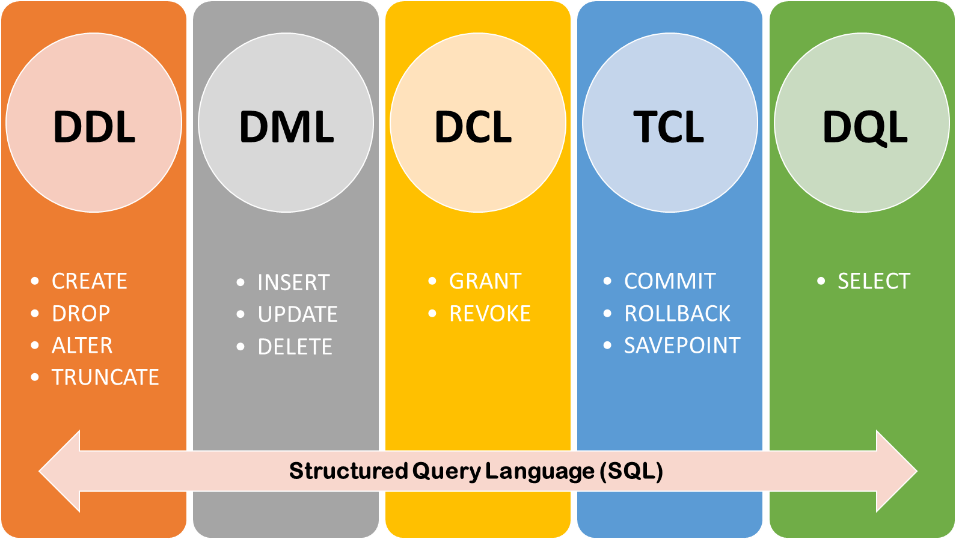

 |  | DDL – Data Definition Language DQL – Data Query Language DML – Data Manipulation Language DCL – Data Control Language TCL – Transaction Control Language

