OPEN Graphical evaluation
Time OPEN trip until 12 mm stroke tsiv (6 bar))
 | Drive A | Drive B | Max. allowed value | Target value
 |  |  | 2 | 1.5
 |  |  | 2 | 1.5
...
Max. back-bounce (OPEN)
 | Drive A | Drive B

Time to 19 mm (first hit) (OPEN)
 | Drive A | Drive B
 | 1
Time to 19 mm
 | Drive A - first hit |  | Drive B - first hit |  | Drive A - stable |  | Drive B - stable |  | Lower voltage limit for T_11mm < 1.5ms |  | Upper time limit for reclose requirement
 | 1 |  |  |  | 1 |  |  | 1150 | 0 | 1000 | 5
 |  |  |  |  |  |  |  | 1150.01 | 12 | 1400 | 5
Opening time for different gas pressures (Uopen ≈ 1150 V)
 | 12mm (Drive A) | 12mm (Drive B) | 19mm (Drive A) | 19mm (Drive B)
 |  |  | 1

Time to 19.5 mm (stable) (OPEN)
 | Drive A | Drive B
 | 1

 | Reference values for charts
 | Chart | OPEN - time to 10 mm stroke
 | width | max | target
 | 1050 | 2 | 1.5 | 1150 | 0
 | 1350 | 2 | 1.5 | 1150.01 | 12

 | Static resistance |  |  | 1000 | 5
1 | #REF! |  |  | 1400 | 5
2 | #REF!
3 | #REF!
4 | #REF!
5 | #REF! |  |  |  |  | Def. contact closing vs. shot number
6 | #REF!
7 | #REF!
8 | #REF!
9 |  | #REF!
10 |  | #REF!
11 |  | #REF!
12 |  | #REF!
13 |  |  | #REF!
14 |  |  | #REF!
15 |  |  | #REF!
16 |  |  | #REF!
17 |  |  | #REF!
18 |  |  | #REF!
19 |  |  | #REF!
20 |  |  | #REF!
21 |  |  | #REF!
22 |  |  | #REF!
23 |  |  | #REF!

CLOSE Graphical evaluation
Time CLOSE trip - definitive contact closing
 | Definitive contact closing | 1st contact closing
Closing time for different gas pressures (time to definitive contact closing; Uclose ≈ 1080 V)

Max. back-bounce (CLOSE)
 | Drive A | Drive B

 | Reference values for charts
 | Chart | OPEN - time to 10 mm stroke
 | width | max | target
 | 1100 | 2 | 1.5 | 1150 | 0
 | 1300 | 2 | 1.5 | 1150.01 | 12

 | Static resistance |  |  | 1000 | 5
1 | #REF! |  |  | 1400 | 5
2 | #REF!
3 | #REF!
4 | #REF!
5 | #REF! |  |  |  |  | Def. contact closing vs. shot number
6 | #REF!
7 | #REF!
8 | #REF!
9 |  | #REF!
10 |  | #REF!
11 |  | #REF!
12 |  | #REF!
13 |  |  | #REF!
14 |  |  | #REF!
15 |  |  | #REF!
16 |  |  | #REF!
17 |  |  | #REF!
18 |  |  | #REF!
19 |  |  | #REF!
20 |  |  | #REF!
21 |  |  | #REF!
22 |  |  | #REF!
23 |  |  | #REF!

GENERAL Graphical Evaluation
OSU charging voltages
 | Open | Close
Current path resistance
 | A6 | A7
1 | 21.62 | 13.77
4 | 16.45
21 |  | 15.12
25 |  | 14.3
33 | 15.28
34 | 18.05
39 |  | 16
49 |  | 17.33
54 |  | 21.97
68 |  | 17.12
116 | 18.27
154 |  | 19.05
255 |  | 29.9
292 | 24.1
700 | 21.5
744 | 22.3
1100 |  | 16.74
1210 |  | 16.92
1296 | 31.8
1308 |  | 16.77
1404 | 34.8
1410 |  | 17.13
1536 |  | 17.17
1546 | 31.94
2368 |  | 17.65
2540 |  | 18.05
2690 |  | 17.32
3654 | 26.05
3890 | 35.99
 |  |  |  |  |  | Shot number | Resistance A6 | Res A7
 |  |  |  |  |  | 1 | 21.62 | 13.77
 |  |  |  |  |  | 4 | 16.45
21 |  |  |  |  |  | 21 |  | 15.12
25 |  |  |  |  |  | 25 |  | 14.3
 |  |  |  |  |  | 33 | 15.28
 |  |  |  |  |  | 34 | 18.05
 |  |  |  |  |  | 39 |  | 16
49 |  |  |  |  |  | 49 |  | 17.33
54 |  |  |  |  |  | 54 |  | 21.97
 |  |  |  |  |  | 68 |  | 17.12
 |  |  |  |  |  | 116 | 18.27
 |  |  |  |  |  | 154 |  | 19.05
 |  |  |  |  |  | 255 |  | 29.9
 |  |  |  |  |  | 292 | 24.1
 |  |  |  |  |  | 700 | 21.5
 |  |  |  |  |  | 744 | 22.3
 |  |  |  |  |  | 1100 |  | 16.74
 |  |  |  |  |  | 1210 |  | 16.92
 |  |  |  |  |  | 1296 | 31.8
 |  |  |  |  |  | 1308 |  | 16.77
 |  |  |  |  |  | 1404 | 34.8
 |  |  |  |  |  | 1410 |  | 17.13
 |  |  |  |  |  | 1536 |  | 17.17
 |  |  |  |  |  | 1546 | 31.94
 |  |  |  |  |  | 2368 |  | 17.65
 |  |  |  |  |  | 2540 |  | 18.05
 |  |  |  |  |  | 2690 |  | 17.32
 |  |  |  |  |  | 3654 | 26.05
 |  |  |  |  |  | 3890 | 35.99

 | Reference values for charts
 | Chart | OPEN - time to 10 mm stroke
 | width | max | target
 | 1100 | 2 | 1.5 | 1150 | 0
 | 1300 | 2 | 1.5 | 1150.01 | 12

 | Static resistance |  |  | 1000 | 5
1 | #REF! |  |  | 1400 | 5
2 | #REF!
3 | #REF!
4 | #REF!
5 | #REF! |  |  |  |  | Def. contact closing vs. shot number
6 | #REF!
7 | #REF!
8 | #REF!
9 |  | #REF!
10 |  | #REF!
11 |  | #REF!
12 |  | #REF!
13 |  |  | #REF!
14 |  |  | #REF!
15 |  |  | #REF!
16 |  |  | #REF!
17 |  |  | #REF!
18 |  |  | #REF!
19 |  |  | #REF!
20 |  |  | #REF!
21 |  |  | #REF!
22 |  |  | #REF!
23 |  |  | #REF!

Typical travel curve
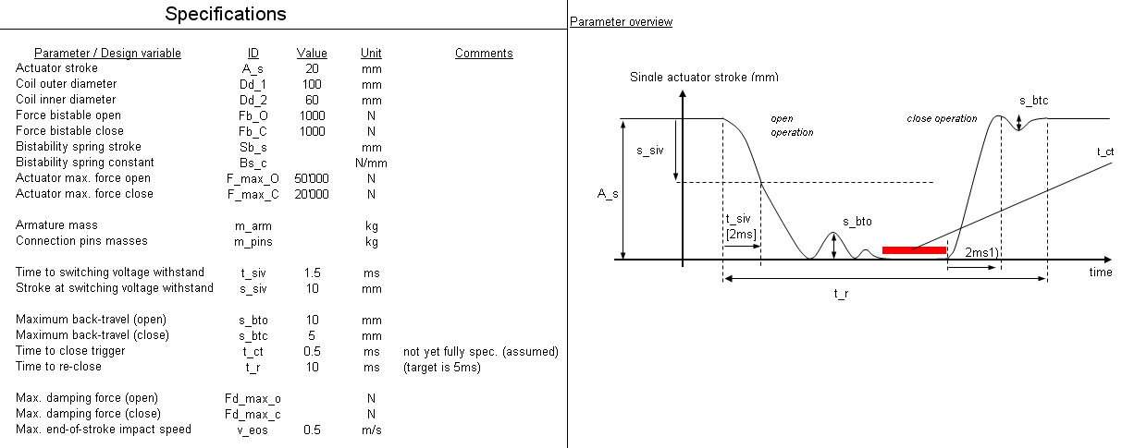
Additional definitions in pink color

t_impo

t_impcl

OSU thyristors triggered

Value in test report

Time to first plunger impact (open) t_impo
Time to first plunger impact (close) t_impcl

