GLMM 1 Predictions
GLM results for the time spent indoors |  |  |  |  |  |  |  | Posterior checks for the GLM predicting time spent indoors

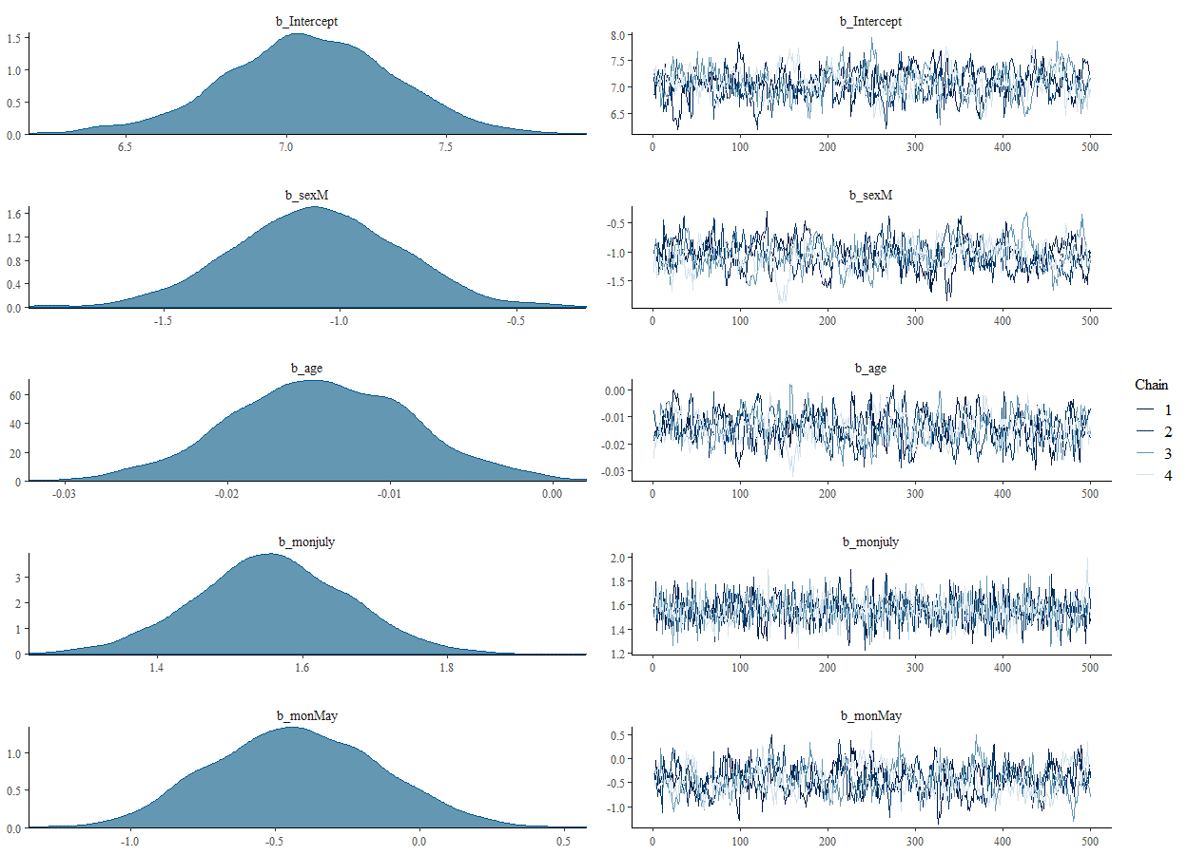
Family: gaussian
Links: mu = identity; sigma = identity
Formula: hum_inside ~ sex + age + mon + (1 | ID2)
Data: indiv_inside (Number of observations: 1399)
Samples: 4 chains, each with iter = 1000; warmup = 500; thin = 1;
total post-warmup samples = 2000

Group-Level Effects:
~ID2 (Number of levels: 101)
Estimate Est.Error l-95% CI u-95% CI Eff.Sample Rhat
sd(Intercept) 1.06 0.09 0.91 1.25 399 1.00

Population-Level Effects:
Estimate Est.Error l-95% CI u-95% CI Eff.Sample Rhat
Intercept 7.07 0.26 6.54 7.56 222 1.01
sexM -1.07 0.24 -1.54 -0.61 207 1.03
age -0.01 0.01 -0.03 -0.00 281 1.01
monjuly 1.56 0.11 1.35 1.77 1234 1.00
monMay -0.43 0.29 -0.97 0.14 256 1.00
monNovember 0.91 0.29 0.39 1.50 266 1.01
monoctober 0.72 0.11 0.51 0.93 1192 1.00

Family Specific Parameters:
Estimate Est.Error l-95% CI u-95% CI Eff.Sample Rhat
sigma 1.25 0.02 1.21 1.30 2024 1.00

Samples were drawn using sampling(NUTS). For each parameter, Eff.Sample
is a crude measure of effective sample size, and Rhat is the potential
scale reduction factor on split chains (at convergence, Rhat = 1).

Model Predictions
sex | age | mon | fit | se | lwr | upr | vil
F | 1 | April | 1.4074978779 | 0.12143053159 | 1.1659842794 | 1.6428833774 | Toma
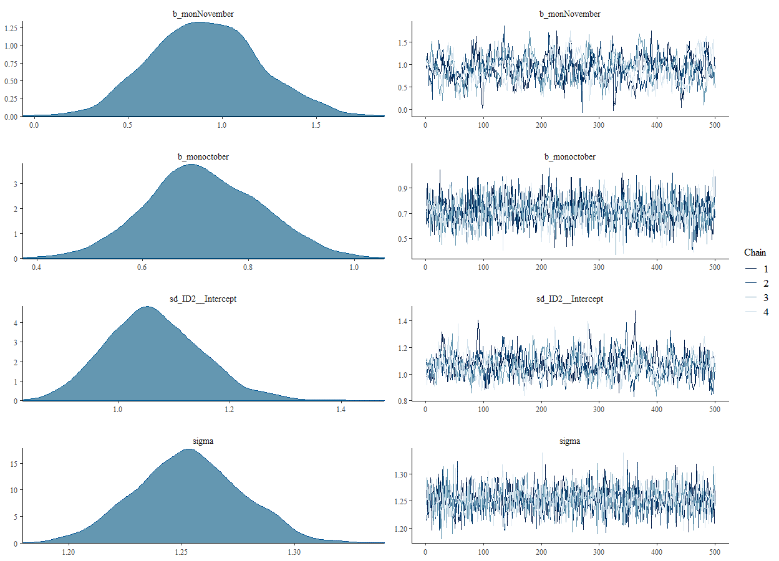
F | 12 | April | 1.5307522814 | 0.10532157132 | 1.3225135251 | 1.7322096161 | Toma
F | 23 | April | 1.6540066849 | 0.09436736974 | 1.4667969709 | 1.8350833022 | Toma
F | 46 | April | 1.9117204376 | 0.095218063837 | 1.7256476278 | 2.0960048907 | Toma
F | 70 | April | 2.1806391362 | 0.12674699334 | 1.9344491788 | 2.4354304543 | Toma
M | 1 | April | 1.4253714288 | 0.13292747151 | 1.166297027 | 1.6848008744 | Toma
M | 12 | April | 1.5486258323 | 0.1220129332 | 1.3113539922 | 1.7897387342 | Toma
M | 23 | April | 1.6718802358 | 0.11648994273 | 1.4466759197 | 1.902230565 | Toma
M | 46 | April | 1.9295939885 | 0.12470229025 | 1.6791231437 | 2.178679384 | Toma
M | 70 | April | 2.198512687 | 0.15635717022 | 1.897021952 | 2.5072919632 | Toma
F | 1 | July | 0.52064185416 | 0.11504257512 | 0.30165978879 | 0.74802980237 | Niakore
F | 12 | July | 0.64389625765 | 0.097666547904 | 0.45519036988 | 0.84315939163 | Niakore
F | 23 | July | 0.76715066114 | 0.085486974285 | 0.60790613087 | 0.94498347367 | Niakore
F | 46 | July | 1.0248644139 | 0.085899755142 | 0.85408988257 | 1.1977656817 | Niakore
F | 70 | July | 1.2937831124 | 0.11950990864 | 1.050909159 | 1.5271844933 | Niakore
M | 1 | July | 1.4228794681 | 0.11572973323 | 1.1936107584 | 1.6389349002 | Niakore
M | 12 | July | 1.5461338716 | 0.10446145445 | 1.3380089432 | 1.7452677936 | Niakore
M | 23 | July | 1.6693882751 | 0.099480286897 | 1.4747958972 | 1.861014112 | Niakore
M | 46 | July | 1.9271020278 | 0.11183578341 | 1.7018605331 | 2.137482344 | Niakore
M | 70 | July | 2.1960207264 | 0.14853183078 | 1.9013782094 | 2.4874672348 | Niakore
F | 1 | May | 0.95105854298 | 0.13930034022 | 0.67535416333 | 1.2263923409 | Niakore
F | 12 | May | 1.0743129465 | 0.13235945275 | 0.81295192422 | 1.3419516079 | Niakore
F | 23 | May | 1.19756735 | 0.1307622743 | 0.94122941129 | 1.4619177576 | Niakore
F | 46 | May | 1.4552811027 | 0.14475864565 | 1.1666334122 | 1.7374553889 | Niakore
F | 70 | May | 1.7241998013 | 0.17835092602 | 1.3695633483 | 2.0658971079 | Niakore
M | 1 | May | 1.1271563366 | 0.18798651748 | 0.76982640754 | 1.5147442532 | Niakore
M | 12 | May | 1.2504107401 | 0.18404343415 | 0.89664403632 | 1.6249918408 | Niakore
M | 23 | May | 1.3736651436 | 0.1840389857 | 1.0141354301 | 1.7554157422 | Niakore
M | 46 | May | 1.6313788964 | 0.19647373155 | 1.2432200463 | 2.0345544896 | Niakore
M | 70 | May | 1.9002975949 | 0.22443096095 | 1.4729710837 | 2.3488482051 | Niakore
F | 1 | November | 0.16846116969 | 0.14067569616 | -0.10731248294 | 0.45319915776 | Niakore
F | 12 | November | 0.29171557318 | 0.13389634589 | 0.033438603119 | 0.5639277544 | Niakore
F | 23 | November | 0.41496997667 | 0.13240890867 | 0.16501194525 | 0.68201517743 | Niakore
F | 46 | November | 0.67268372943 | 0.14642024028 | 0.38378278489 | 0.95790983875 | Niakore
F | 70 | November | 0.94160242796 | 0.17984866747 | 0.59191107521 | 1.2915682721 | Niakore
M | 1 | November | 0.55671972742 | 0.18401781251 | 0.20523188152 | 0.92086567486 | Niakore
M | 12 | November | 0.67997413091 | 0.18045009801 | 0.32245887748 | 1.0350095475 | Niakore
M | 23 | November | 0.80322853441 | 0.18090668348 | 0.45342136366 | 1.1491610347 | Niakore
M | 46 | November | 1.0609422872 | 0.19444076302 | 0.68540439981 | 1.4528016339 | Niakore
M | 70 | November | 1.3298609857 | 0.22346832126 | 0.8837915425 | 1.7690012978 | Niakore
F | 1 | October | 0.71709957258 | 0.12142933361 | 0.48148656348 | 0.94870618803 | Toma
F | 12 | October | 0.84035397608 | 0.1042196661 | 0.63357051855 | 1.0436988435 | Toma
F | 23 | October | 0.96360837957 | 0.091889619893 | 0.78117385111 | 1.1426803888 | Toma
F | 46 | October | 1.2213221323 | 0.090126634245 | 1.0398550653 | 1.3950606316 | Toma
F | 70 | October | 1.4902408309 | 0.12090490321 | 1.2460936996 | 1.7145427828 | Toma
M | 1 | October | 0.96169822757 | 0.12639170326 | 0.71138251251 | 1.2107466719 | Toma
M | 12 | October | 1.0849526311 | 0.11565662843 | 0.85734921426 | 1.3106475319 | Toma
M | 23 | October | 1.2082070346 | 0.11064970153 | 0.98226983153 | 1.4223966136 | Toma
M | 46 | October | 1.4659207873 | 0.12086832298 | 1.2330311899 | 1.7063437084 | Toma
M | 70 | October | 1.7348394858 | 0.1546215913 | 1.4376747627 | 2.0474230681 | Toma

GLMM 2 Predictions Cascades dta
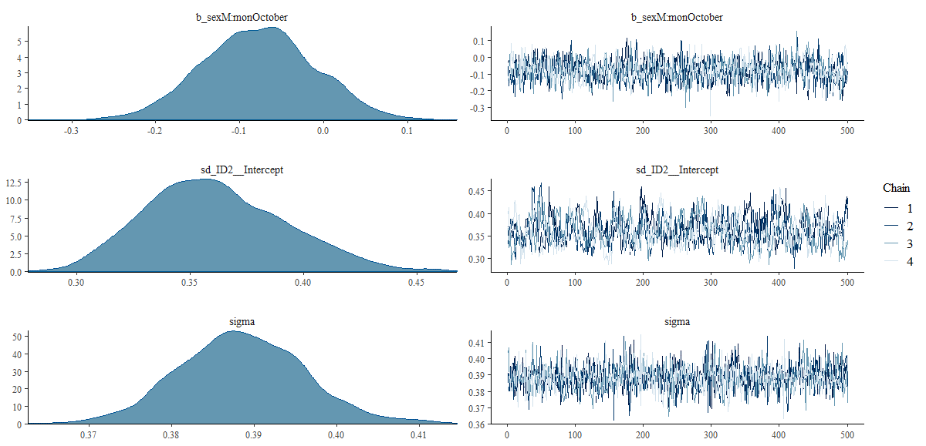
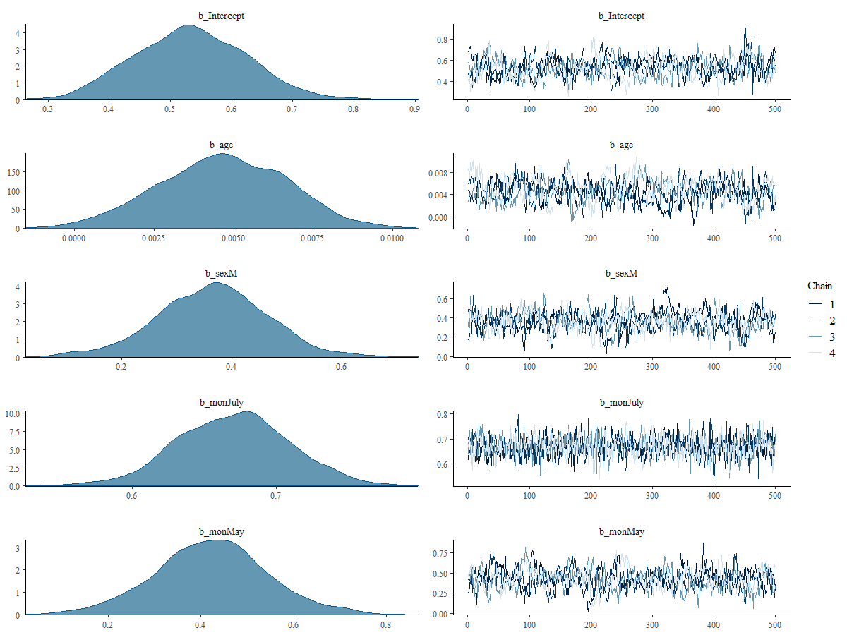
GLM results for the number of bites received per night
Family: gaussian
Links: mu = identity; sigma = identity
Formula: log(hum_bites + 1) ~ age + sex * mon + (1 | ID2)
Data: indiv_bites (Number of observations: 1397)
Samples: 4 chains, each with iter = 1000; warmup = 500; thin = 1;
total post-warmup samples = 2000

Group-Level Effects:
~ID2 (Number of levels: 101)
Estimate Est.Error l-95% CI u-95% CI Eff.Sample Rhat
sd(Intercept) 0.36 0.03 0.31 0.43 362 1.00

Population-Level Effects:
Estimate Est.Error l-95% CI u-95% CI Eff.Sample Rhat
Intercept 0.53 0.09 0.36 0.71 214 1.01
age 0.00 0.00 0.00 0.01 209 1.03
sexM 0.36 0.10 0.16 0.56 195 1.03
monJuly 0.67 0.04 0.59 0.74 1066 1.00
monMay 0.42 0.12 0.18 0.67 230 1.00
monNovember 0.37 0.12 0.13 0.61 224 1.01
monOctober 1.50 0.04 1.42 1.58 1056 1.00
sexM:monJuly 0.24 0.07 0.11 0.37 907 1.01
sexM:monMay -0.27 0.18 -0.63 0.09 293 1.02
sexM:monNovember -0.16 0.18 -0.50 0.21 280 1.03
sexM:monOctober -0.08 0.07 -0.21 0.05 919 1.00

Family Specific Parameters:
Estimate Est.Error l-95% CI u-95% CI Eff.Sample Rhat
sigma 0.39 0.01 0.37 0.40 1512 1.00

Samples were drawn using sampling(NUTS). For each parameter, Eff.Sample
is a crude measure of effective sample size, and Rhat is the potential
scale reduction factor on split chains (at convergence, Rhat = 1).

Model Predictions
sex | age | mon | fit | se | lwr | upr | vil | back_transformed_fits | back_transformed_fits_lwr | back_transformed_fits_upr
F | 0 | May | 0.95646264107 | 0.10603527224 | 0.74838533476 | 1.1663335405 | Nia | 1.6024742863 | 1.1135845284 | 2.210200963
F | 14 | May | 1.021642004 | 0.09793879233 | 0.82809395828 | 1.2118372845 | Nia | 1.7777521014 | 1.2889517422 | 2.3596516215
F | 23 | May | 1.063543023 | 0.096726826476 | 0.87228524146 | 1.258339022 | Nia | 1.8966156058 | 1.3923717585 | 2.5195707004
F | 46 | May | 1.1706234049 | 0.10811609122 | 0.95914520162 | 1.3814080131 | Nia | 2.2240018709 | 1.6094649534 | 2.9805022832
F | 70 | May | 1.2823594557 | 0.13646676533 | 1.0087297451 | 1.5473251923 | Nia | 2.6051358567 | 1.7421156161 | 3.6988847452
M | 0 | May | 1.0503109299 | 0.12604259862 | 0.80414762025 | 1.2946892005 | Nia | 1.8585397854 | 1.2347907963 | 2.6498614226
M | 14 | May | 1.1154902928 | 0.12243974362 | 0.88175160916 | 1.3524268746 | Nia | 2.0510637272 | 1.4151263611 | 2.8667983875
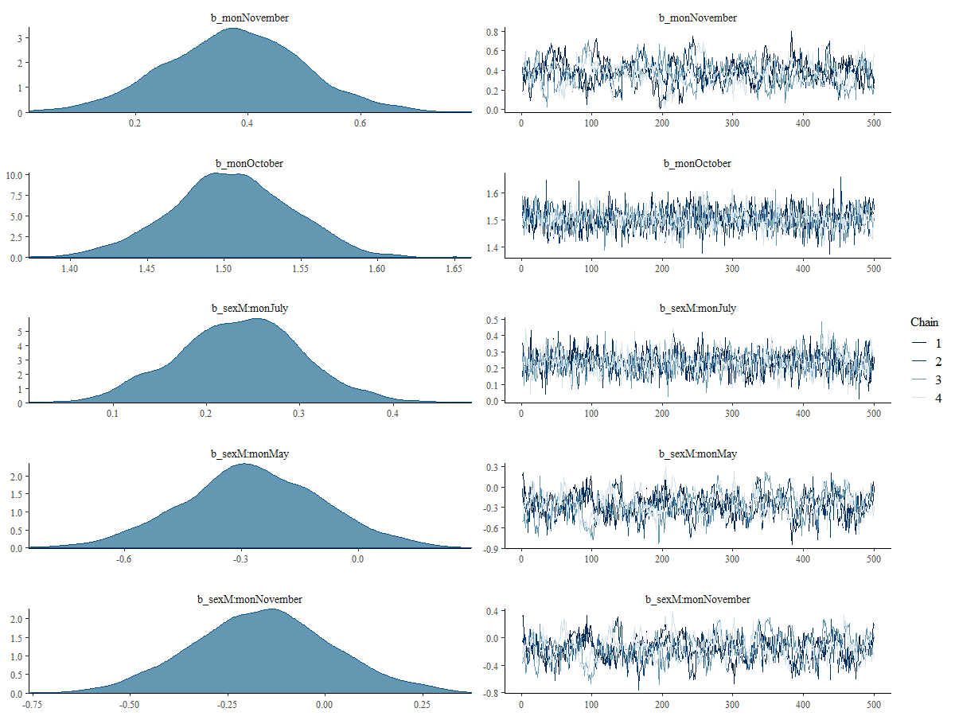
M | 23 | May | 1.1573913118 | 0.12345731271 | 0.92440595596 | 1.3969569669 | Nia | 2.1816225797 | 1.5203706044 | 3.0428786158
M | 46 | May | 1.2644716938 | 0.13717539749 | 1.0099740911 | 1.5421318421 | Nia | 2.5412213925 | 1.7455298805 | 3.6745450481
M | 70 | May | 1.3762077445 | 0.16446144253 | 1.0679602097 | 1.700161436 | Nia | 2.9598563307 | 1.909438798 | 4.4748311553
F | 0 | November | 0.90839401269 | 0.10478468315 | 0.70705791031 | 1.1139380283 | Nia | 1.480335945 | 1.0280158683 | 2.0463313431
F | 14 | November | 0.97357337561 | 0.096422501143 | 0.78484127272 | 1.1582076873 | Nia | 1.6473876878 | 1.1920589736 | 2.1842210387
F | 23 | November | 1.0154743946 | 0.09508629779 | 0.83155854858 | 1.1958853335 | Nia | 1.7606727351 | 1.2968957757 | 2.3064838158
F | 46 | November | 1.1225547766 | 0.10641141128 | 0.9035818452 | 1.3219617968 | Nia | 2.0726942315 | 1.4684288255 | 2.7507724176
F | 70 | November | 1.2342908273 | 0.13492306326 | 0.95636117203 | 1.4899269513 | Nia | 2.4359409808 | 1.6022102291 | 3.436771407
M | 0 | November | 1.1140249639 | 0.12739400361 | 0.86316209255 | 1.3567969482 | Nia | 2.0465961891 | 1.3706450534 | 2.8837335583
M | 14 | November | 1.1792043268 | 0.12390428327 | 0.94438562382 | 1.4297070688 | Nia | 2.2517858143 | 1.5712331888 | 3.1774753
M | 23 | November | 1.2211053458 | 0.12495696606 | 0.98823384536 | 1.4752300538 | Nia | 2.3909338173 | 1.686485531 | 3.3720414622
M | 46 | November | 1.3281857277 | 0.13863500568 | 1.0706961054 | 1.622306553 | Nia | 2.7741897644 | 1.917409618 | 4.0647589894
M | 70 | November | 1.4399217784 | 0.16577541162 | 1.1305718778 | 1.7896949114 | Nia | 3.2203656805 | 2.0974273436 | 4.9876254316
F | 0 | April | 0.53359906707 | 0.090974425573 | 0.36306075099 | 0.71427357556 | TA | 0.70505789653 | 0.4377231997 | 1.0427022743
F | 14 | April | 0.59877842998 | 0.073550682987 | 0.46192658711 | 0.75147780811 | TA | 0.81989431365 | 0.58712878324 | 1.1201308492
F | 23 | April | 0.640679449 | 0.066276642818 | 0.5186697361 | 0.77880937158 | TA | 0.8977698792 | 0.67979159664 | 1.1788764882
F | 46 | April | 0.74775983093 | 0.068769549064 | 0.61650139135 | 0.88547411995 | TA | 1.1122628866 | 0.85243574375 | 1.4241334491
F | 70 | April | 0.85949588165 | 0.097878440254 | 0.66324741599 | 1.0497340265 | TA | 1.3619696813 | 0.94108562289 | 1.8568911596
M | 0 | April | 0.89812468219 | 0.10155802739 | 0.71453926437 | 1.10683758 | TA | 1.4549948959 | 1.0432450696 | 2.0247776361
M | 14 | April | 0.9633040451 | 0.088322841194 | 0.80000144424 | 1.1421669564 | TA | 1.6203399076 | 1.2255441427 | 2.1335512823
M | 23 | April | 1.0052050641 | 0.083732233127 | 0.84902982506 | 1.1737137715 | TA | 1.7324675464 | 1.3373780859 | 2.2339806295
M | 46 | April | 1.1122854461 | 0.089042411369 | 0.93753240763 | 1.2847425029 | TA | 2.0413011875 | 1.5536722152 | 2.6137373107
M | 70 | April | 1.2240214968 | 0.11569593051 | 0.98465738092 | 1.4399001225 | TA | 2.4008367244 | 1.6768945721 | 3.2202742855
F | 0 | July | 1.2036489668 | 0.090549003402 | 1.039969602 | 1.3809511036 | TA | 2.3322540498 | 1.829131013 | 2.978683969
F | 14 | July | 1.2688283298 | 0.072141778028 | 1.1329915054 | 1.413642523 | TA | 2.5566828606 | 2.1049310388 | 3.1109022212
F | 23 | July | 1.3107293488 | 0.064070378202 | 1.1895916881 | 1.4414784329 | TA | 2.7088777915 | 2.2857393271 | 3.2269404474
F | 46 | July | 1.4178097307 | 0.065048558239 | 1.2917333805 | 1.5451955733 | TA | 3.1280689486 | 2.6390890177 | 3.6888885588
F | 70 | July | 1.5295457814 | 0.094142186495 | 1.347651572 | 1.7107730066 | TA | 3.6160796369 | 2.8483772735 | 4.5332370537
M | 0 | July | 1.8036799827 | 0.091605313742 | 1.6330406364 | 1.9965547367 | TA | 5.0719510758 | 4.1194173636 | 6.3636426586
M | 14 | July | 1.8688593456 | 0.077827562834 | 1.7280687101 | 2.0307915769 | TA | 5.480899715 | 4.6297706833 | 6.6201158794
M | 23 | July | 1.9107603647 | 0.073363299444 | 1.7755893365 | 2.0598915074 | TA | 5.7582255612 | 4.903759412 | 6.8451186267
M | 46 | July | 2.0178407466 | 0.081198670711 | 1.8521126743 | 2.1727992608 | TA | 6.5220653404 | 5.3732699528 | 7.7828351083
M | 70 | July | 2.1295767973 | 0.11116012019 | 1.8965912524 | 2.3416696777 | TA | 7.4113063705 | 5.6631427152 | 9.398584361
F | 0 | October | 2.0382240526 | 0.091879682617 | 1.8714032041 | 2.2163854464 | TA | 6.6769632023 | 5.4974071944 | 8.1741105495
F | 14 | October | 2.1034034155 | 0.073696716483 | 1.9676105806 | 2.2522439514 | TA | 7.1940101309 | 6.1535631885 | 8.5090497595
F | 23 | October | 2.1453044345 | 0.06573817539 | 2.0248793738 | 2.2775782138 | TA | 7.5446421254 | 6.5751971226 | 8.7530320274
F | 46 | October | 2.2523848165 | 0.066494733247 | 2.1227412616 | 2.3846424416 | TA | 8.5103893464 | 7.3540066456 | 9.8551806095
F | 70 | October | 2.3641208672 | 0.095003076012 | 2.1755951302 | 2.5471601171 | TA | 9.6346854056 | 7.8074251272 | 11.770784703
M | 0 | October | 2.3251473402 | 0.098645978019 | 2.1402205329 | 2.5318202455 | TA | 9.2281869977 | 7.5013122413 | 11.576377409
M | 14 | October | 2.3903267031 | 0.085320384565 | 2.2326879789 | 2.5684019504 | TA | 9.9170599978 | 8.3248975498 | 12.04496128
M | 23 | October | 2.4322277221 | 0.080804463181 | 2.2825850319 | 2.600690524 | TA | 10.384214719 | 8.8019861347 | 12.473038279
M | 46 | October | 2.539308104 | 0.086879823785 | 2.3654646126 | 2.704226931 | TA | 11.670900992 | 9.6489853209 | 13.94276044
M | 70 | October | 2.6510441548 | 0.11450232685 | 2.4051191764 | 2.8711395588 | TA | 13.168825371 | 10.079750649 | 16.657128075

