FrontEnd
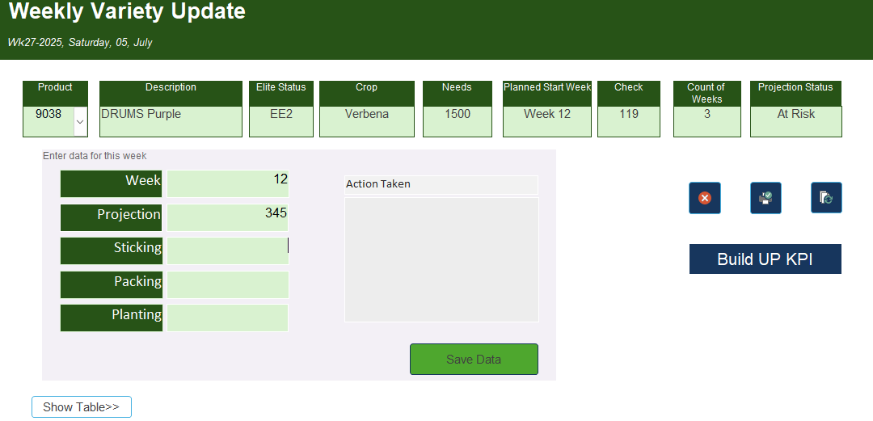 Data Collection Form Design

RoughSheet
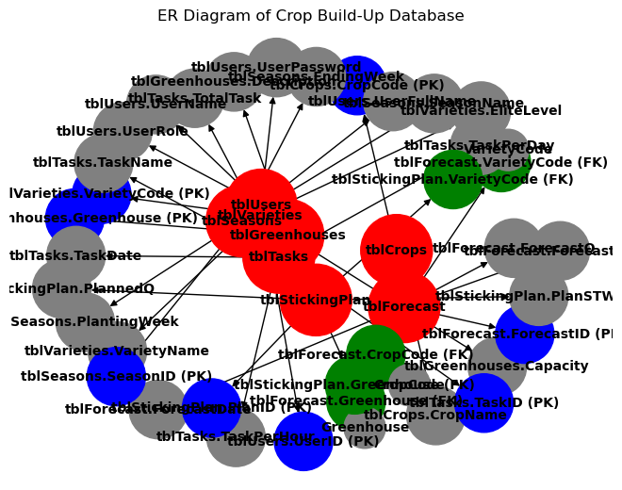

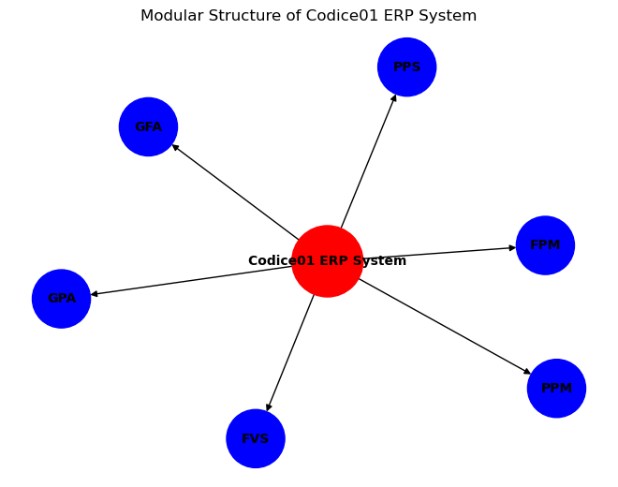
 |  |  |  |  |  |  | Modules Explained: | import matplotlib.pyplot as plt
 |  |  |  |  |  |  | PPS – Plants Production System
 |  |  |  |  |  |  | PPM – Pots Plants Management | import networkx as nx
 |  |  |  |  |  |  | FPM – Flower and Plant Management
 |  |  |  |  |  | Informatica | FVS – Fruit and Vegetables System | # Create a directed graph
 |  |  |  |  |  |  | GPA – General Purpose Application
 |  |  |  |  |  |  | GFA – General and Financial Accounting | G = nx.DiGraph()
 |  |  |  |  |  |  | Each module connects to the core ERP system, allowing businesses to activate only the parts they need.
 |  |  |  |  |  |  |  | # Add nodes for the core ERP system and modules

 |  |  |  |  |  |  |  | G.add_node("Codice01 ERP System", color='red', size=3000)

 |  |  |  |  |  |  |  | modules = ["PPS", "PPM", "FPM", "FVS", "GPA", "GFA"]

 |  |  |  |  |  |  |  | for module in modules:

 |  |  |  |  |  |  |  | G.add_node(module, color='blue', size=2000)

 |  |  |  |  |  |  |  | # Add edges from the core ERP system to each module

 |  |  |  |  |  |  |  | for module in modules:

 |  |  |  |  |  |  |  | G.add_edge("Codice01 ERP System", module)

 |  |  |  |  |  |  |  | # Define node colors and sizes

 |  |  |  |  |  |  |  | node_colors = [G.nodes[node]['color'] for node in G.nodes]

 |  |  |  |  |  |  |  | node_sizes = [G.nodes[node]['size'] for node in G.nodes]
 | API Base URL
 | https://api.cropmanager.com/v1/ |  |  |  | 🔐 Authentication |  |  | # Draw the graph
 |  |  |  |  | Use JWT (JSON Web Tokens) or OAuth2 for secure access to protected endpoints like /users, /forecasts, and /sticking-plans.
 |  |  |  |  |  |  |  | pos = nx.spring_layout(G)
1 | Varieties
 | Method | Endpoint | Description |  |  |  |  | nx.draw(G, pos, with_labels=True, node_color=node_colors, node_size=node_sizes, font_size=10, font_weight='bold', arrows=True)
 | GET | /varieties | List all varieties
 | GET | /varieties/{id} | Get a specific variety |  |  |  |  | # Display the plot
 | POST | /varieties | Create a new variety
 | PUT | /varieties/{id} | Update a variety |  |  |  |  | plt.title("Modular Structure of Codice01 ERP System")
 | DELETE | /varieties/{id} | Delete a variety
 |  |  |  |  |  |  |  | plt.show()
2 | Method | Endpoint | Description | Crops
 | GET | /crops | List all crops
 | POST | /crops | Add a new crop

3 | Method | Endpoint | Description | Greenhouses
 | GET | /greenhouses | List all greenhouses
 | POST | /greenhouses | Add a new greenhouse

 | Method | Endpoint | Description | Forecasts
 | GET | /forecasts | List all forecasts
 | GET | /forecasts/{id} | Get forecast by ID
 | POST | /forecasts | Create a new forecast
 | PUT | /forecasts/{id} | Update forecast
 | DELETE | /forecasts/{id} | Delete forecast

 | Method | Endpoint | Description | StickingPlans
 | GET | /sticking-plans | List all plans
 | POST | /sticking-plans | Create a new plan

 | Method | Endpoint | Description | Tasks
 | GET | /tasks | List all tasks
 | POST | /tasks | Create a new task

 | Method | Endpoint | Description | Users
 | POST | /auth/register | Register a new user
 | POST | /auth/login | Authenticate user
 | GET | /users | List users (admin only)

 | Method | Endpoint | Description | Seasons
 | GET | /seasons | List all seasons
 | POST | /seasons | Add a new season

 | Endpoint | Description | Business Logic Endpoints
 | /analytics/forecast-accuracy | Calculate forecast vs actual
 | /reports/sticking-summary | Generate sticking plan reports
 | /dashboard/overview | Aggregate data for dashboard

