Network
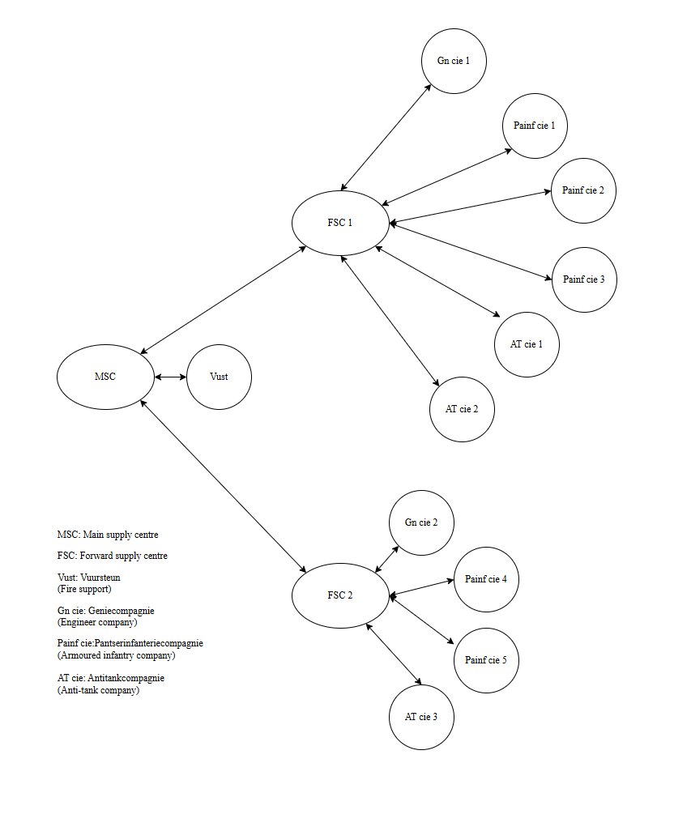
The figure to the right represents the FD concept. Each supply centre is assigned a number of operating units or other supply centres. It has to ensure that they do not experience a stockout. The arrows indicate for which operating units or other supply centres a supply centre is reponsible for.

