Go
Golang sort graph
 | Golang sort graph
n | numbers | strings | Rationals
1000 | 413 | 2944 | 1616
2000 | 1831 | 12824 | 5795
3000 | 4368 | 27706 | 12375
4000 | 7172 | 50792 | 22578
5000 | 11508 | 81635 | 35538
6000 | 16991 | 114438 | 51474
7000 | 26500 | 155494 | 69565
8000 | 30548 | 204016 | 93281
9000 | 37790 | 257467 | 116650
10000 | 47192 | 319920 | 143850

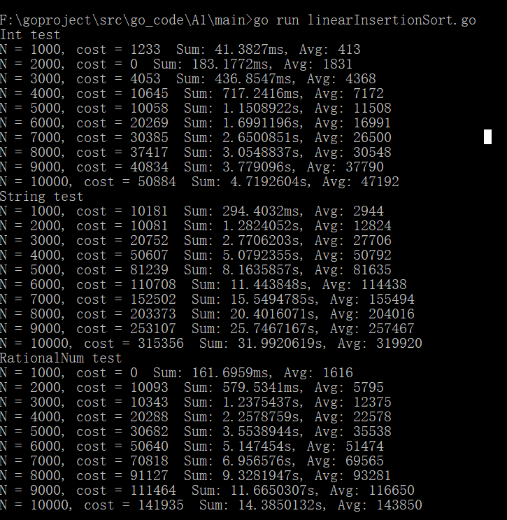

 | unit is microsecond

Ruby
Ruby sorting graph
 | Ruby sorting graph
n | numbers | strings | Rationals
1000 | 35156 | 42462 | 85584
2000 | 109910 | 194982 | 327210
3000 | 246325 | 404881 | 734287
4000 | 426710 | 845861 | 1363378
5000 | 711013 | 1237965 | 2124483
6000 | 987524 | 1661002 | 3002984
7000 | 1427379 | 2532877 | 4270279
8000 | 1822202 | 3035150 | 5697114
9000 | 2257651 | 3919108 | 7052999
10000 | 2919711 | 4822248 | 8607550

 | time in microseconds

Racket
 | Racket Sorting Graph
n | numbers | strings | Rationals
1000 | 200000 | 61000 | 315000
Racket Sorting Graph
2000 | 428000 | 448000 | 831000
3000 | 769000 | 806000 | 1666000
4000 | 1171000 | 1460000 | 2539000
5000 | 3137000 | 1648000 | 4106000
6000 | 2544000 | 3285000 | 7545000
7000 | 4710000 | 3898000 | 8225000
8000 | 5780000 | 4271000 | 11138000
9000 | 5900000 | 5598000 | 12457000
10000 | 8101000 | 6936000 | 15254000

time in microseconds

Haskell
 | Haskell
n | numbers | strings | Rationals
1000 | 770000 | 360000 | 2330000
2000 | 2060000 | 930000 | 6580000
3000 | 3500000 | 1930000 | 14740000
Haskell
4000 | 5870000 | 3200000 | 33540000
5000 | 8350000 | 5150000 | 34490000
6000 | 10530000 | 7560000 | 48630000
7000 | 13900000 | 10050000 | 58190000
8000 | 17650000 | 12430000 | 75110000
9000 | 22320000 | 15310000 | 90360000
10000 | 26300000 | 19090000 | 112520000

 | time in microseconds

Final graph
Plot the data from the previous question on this page on one graph so that the differences are easy to compare.

 | Golang sort graph |  |  | Ruby sorting graph |  |  | Racket Sorting Graph |  |  | Haskell Sorting Graph
n | Go-numbers | Go-strings | Go-Rationals | Ruby-numbers | Ruby-strings | Ruby-Rationals | Racket-numbers | Racket-strings | Racket-Rationals | Haskell-numbers | Haskell-strings | Haskell-Rationals
1000 | 413 | 2944 | 1616 | 35156 | 42462 | 85584 | 200000 | 61000 | 315000 | 770000 | 360000 | 2330000
2000 | 1831 | 12824 | 5795 | 109910 | 194982 | 327210 | 428000 | 448000 | 831000 | 2060000 | 930000 | 6580000
3000 | 4368 | 27706 | 12375 | 246325 | 404881 | 734287 | 769000 | 806000 | 1666000 | 3500000 | 1930000 | 14740000
4000 | 7172 | 50792 | 22578 | 426710 | 845861 | 1363378 | 1171000 | 1460000 | 2539000 | 5870000 | 3200000 | 33540000
5000 | 11508 | 81635 | 35538 | 711013 | 1237965 | 2124483 | 3137000 | 1648000 | 4106000 | 8350000 | 5150000 | 34490000
6000 | 16991 | 114438 | 51474 | 987524 | 1661002 | 3002984 | 2544000 | 3285000 | 7545000 | 10530000 | 7560000 | 48630000
7000 | 26500 | 155494 | 69565 | 1427379 | 2532877 | 4270279 | 4710000 | 3898000 | 8225000 | 13900000 | 10050000 | 58190000
8000 | 30548 | 204016 | 93281 | 1822202 | 3035150 | 5697114 | 5780000 | 4271000 | 11138000 | 17650000 | 12430000 | 75110000
9000 | 37790 | 257467 | 116650 | 2257651 | 3919108 | 7052999 | 5900000 | 5598000 | 12457000 | 22320000 | 15310000 | 90360000
10000 | 47192 | 319920 | 143850 | 2919711 | 4822248 | 8607550 | 8101000 | 6936000 | 15254000 | 26300000 | 19090000 | 112520000

 | time in microseconds
Final Graph

