Sheet2
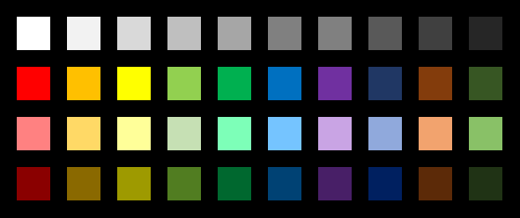



Sheet3


Sheet6


