Sheet2
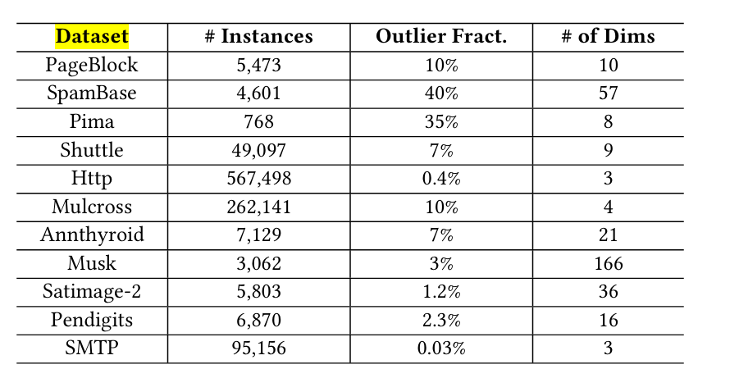
Ten Benchmark Data Sets for Outlier Detection

