ViT Graphs
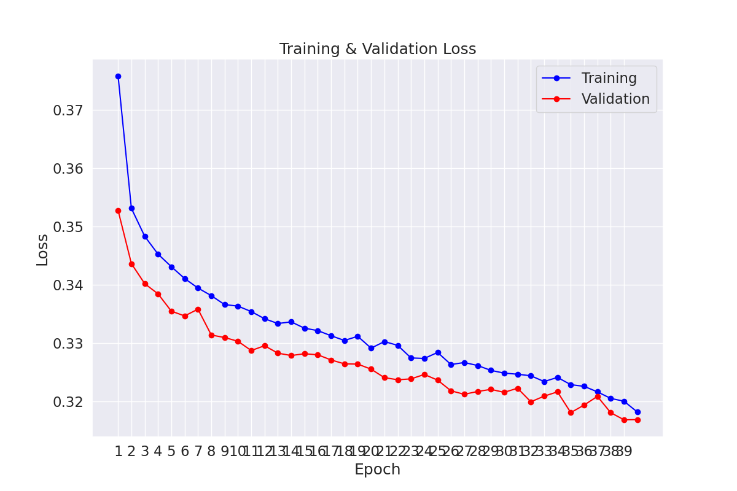
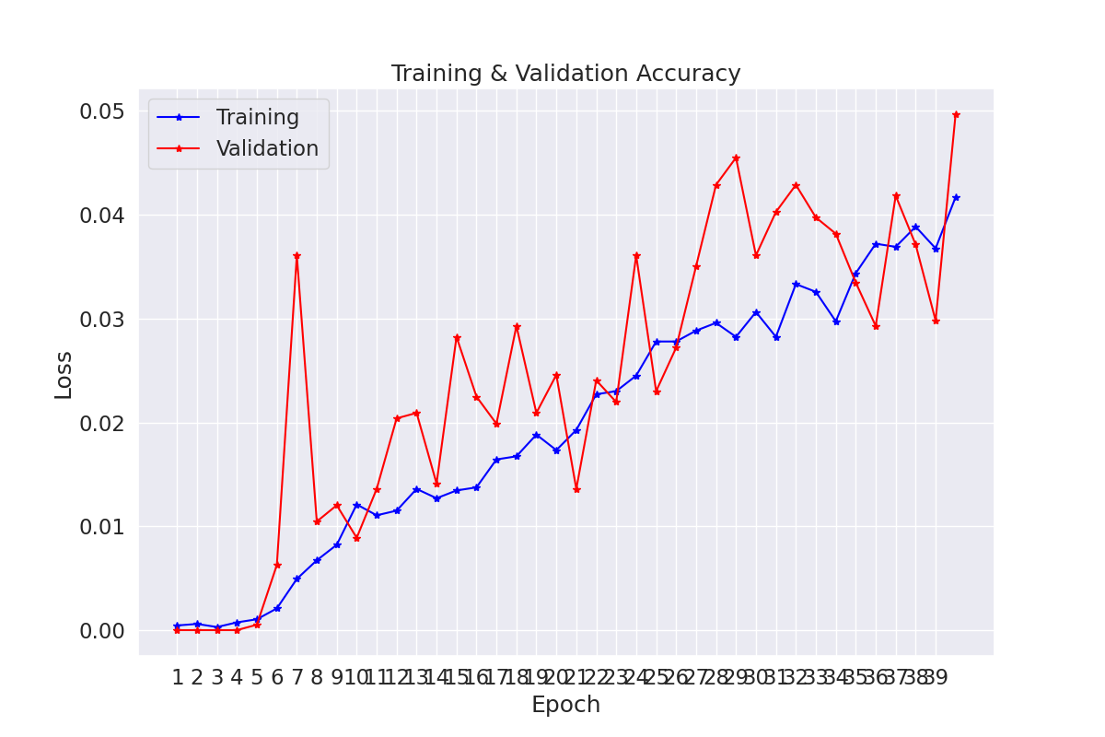

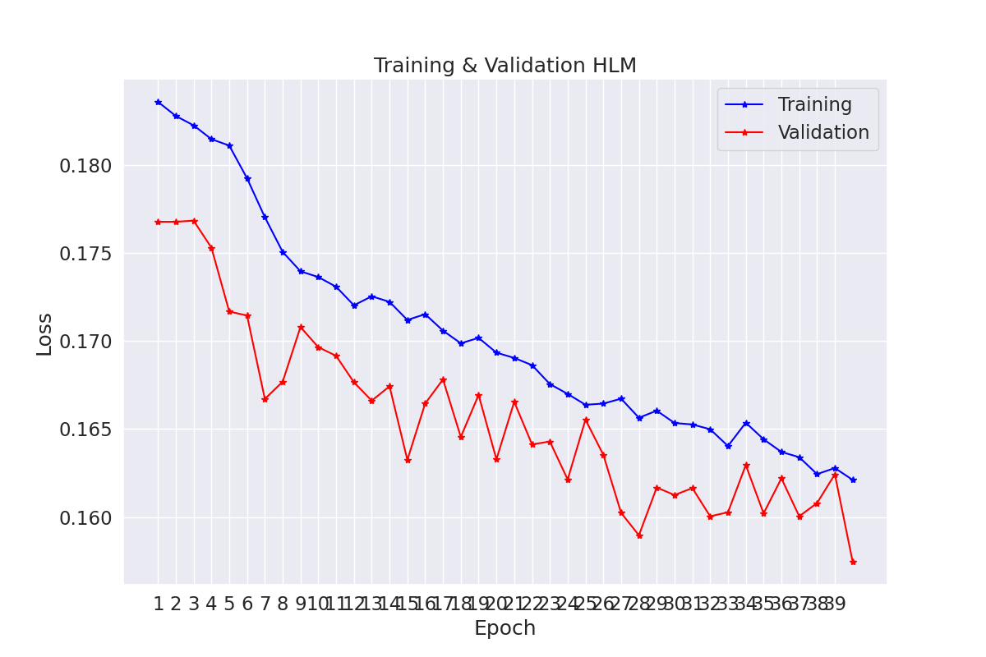

ResNet101_Best
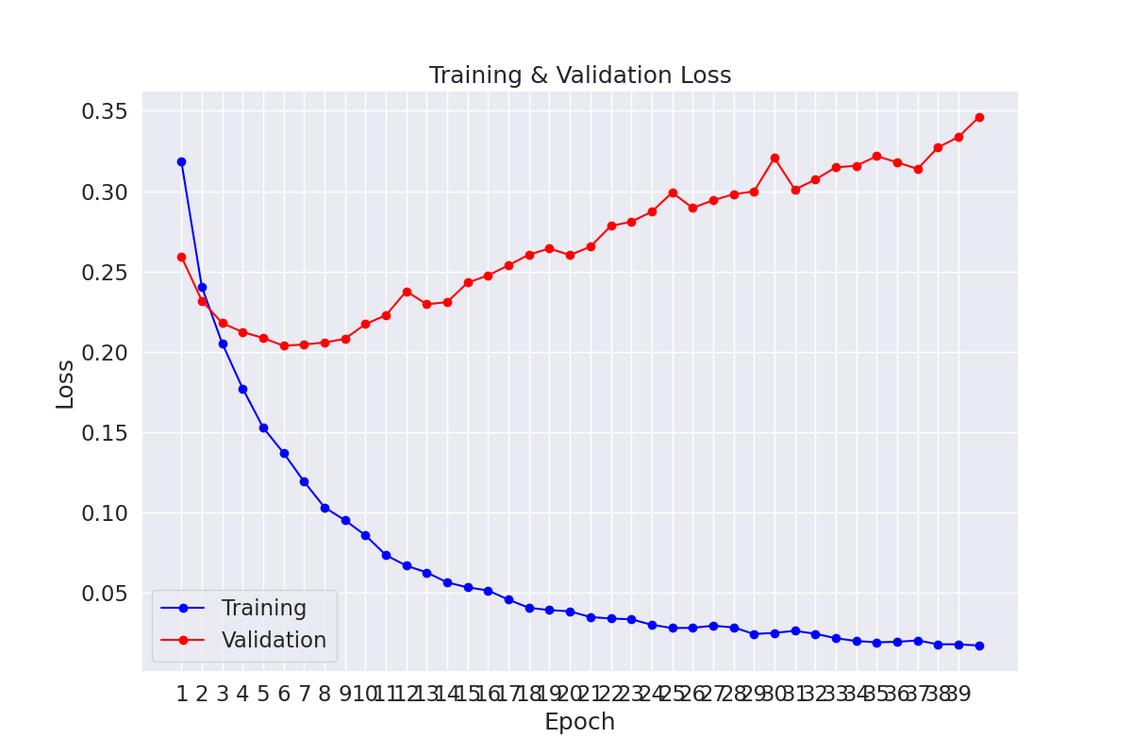
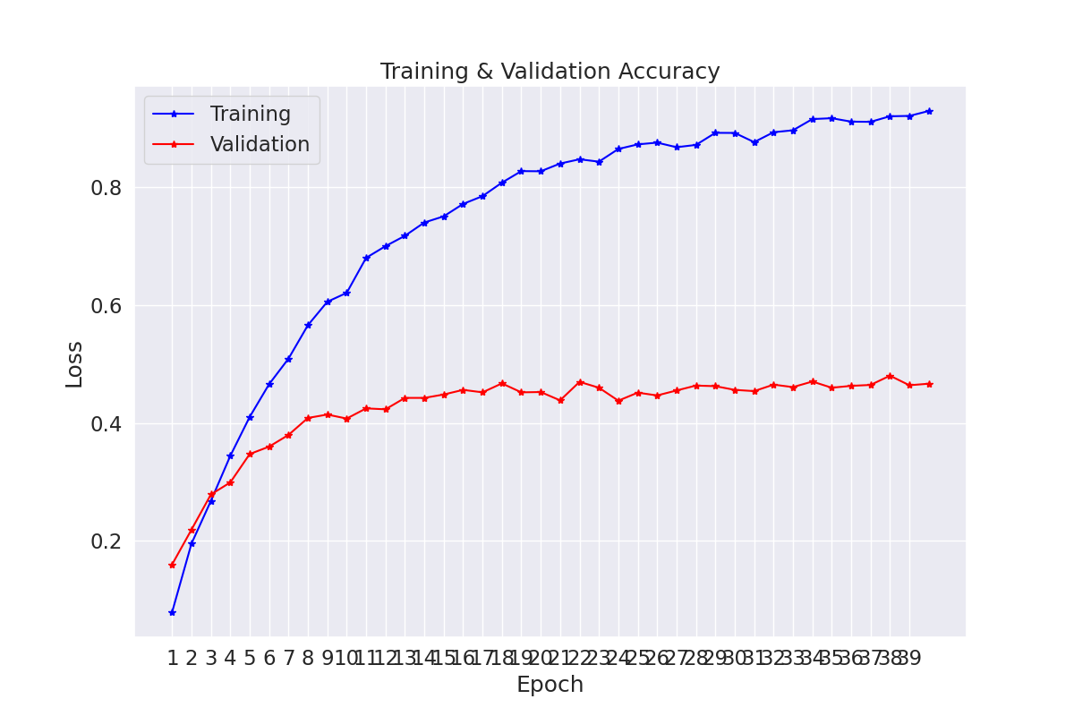

-------------------------------------------------------------
AVG TRAIN LOSS | AVG VAL LOSS | VAL ACCURACY (%) | ELAPSED (s)
-------------------------------------------------------------
0.017101 | 0.346142 | 0.48 | 9940.78
-------------------------------------------------------------

Classification Report for IDD Data :
precision recall f1-score support

unknown 0.00 0.00 0.00 1
animal 0.73 0.62 0.67 64
autorickshaw 0.78 0.59 0.67 141
bicycle 0.71 0.54 0.62 59
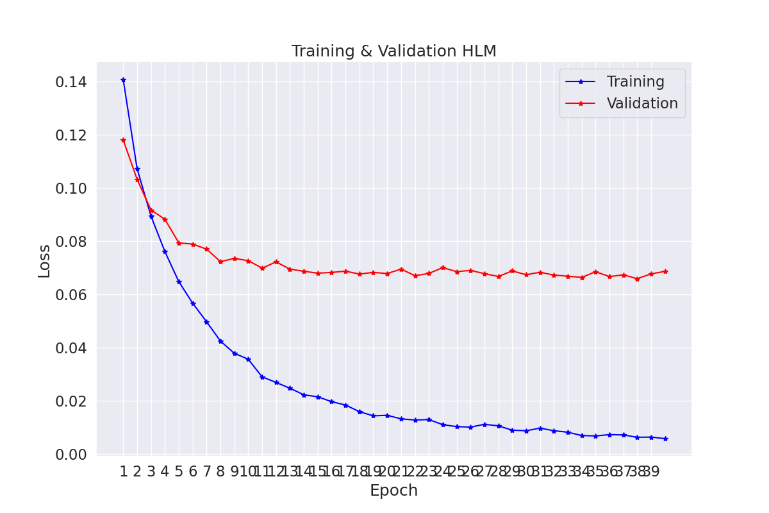
bus 0.87 0.79 0.83 140
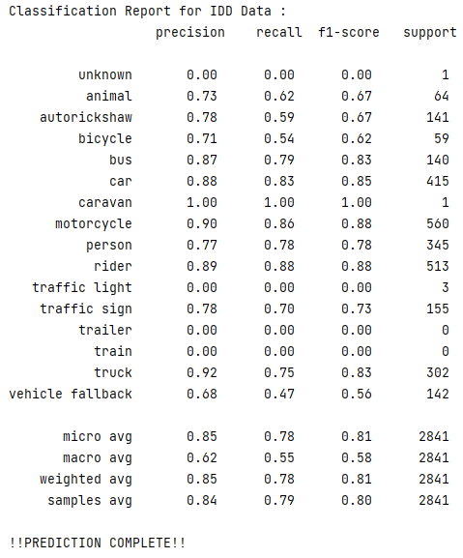
car 0.88 0.83 0.85 415
caravan 1.00 1.00 1.00 1
motorcycle 0.90 0.86 0.88 560
person 0.77 0.78 0.78 345
rider 0.89 0.88 0.88 513
traffic light 0.00 0.00 0.00 3
traffic sign 0.78 0.70 0.73 155
trailer 0.00 0.00 0.00 0
train 0.00 0.00 0.00 0
truck 0.92 0.75 0.83 302
vehicle fallback 0.68 0.47 0.56 142

micro avg 0.85 0.78 0.81 2841
macro avg 0.62 0.55 0.58 2841
weighted avg 0.85 0.78 0.81 2841
samples avg 0.84 0.79 0.80 2841

RegNet_x_800
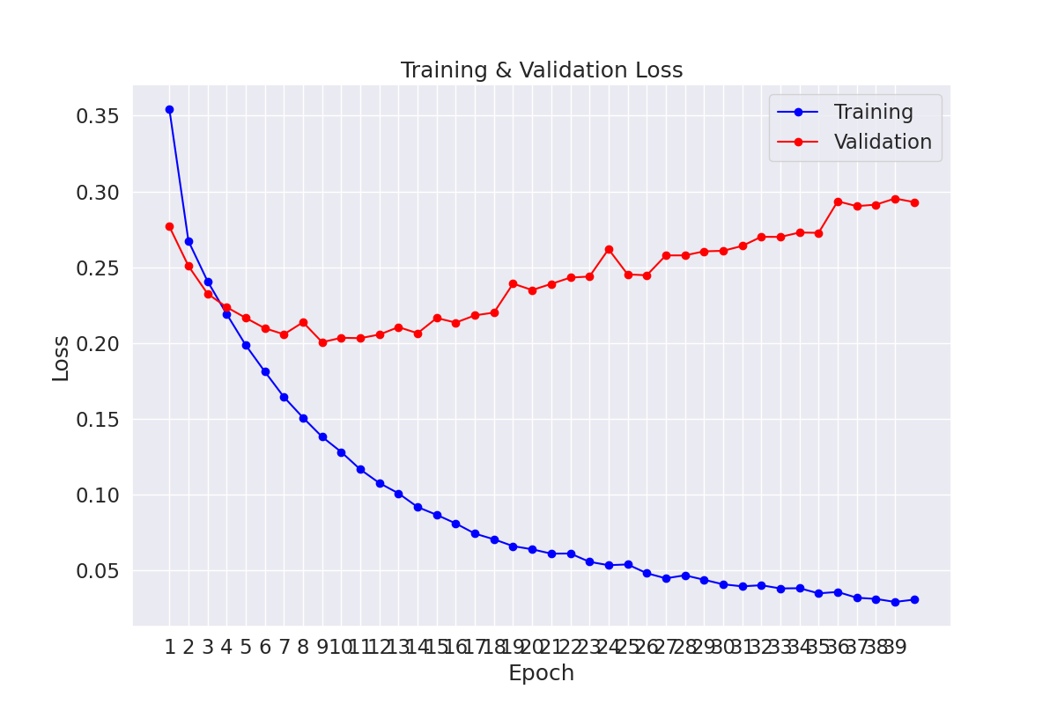
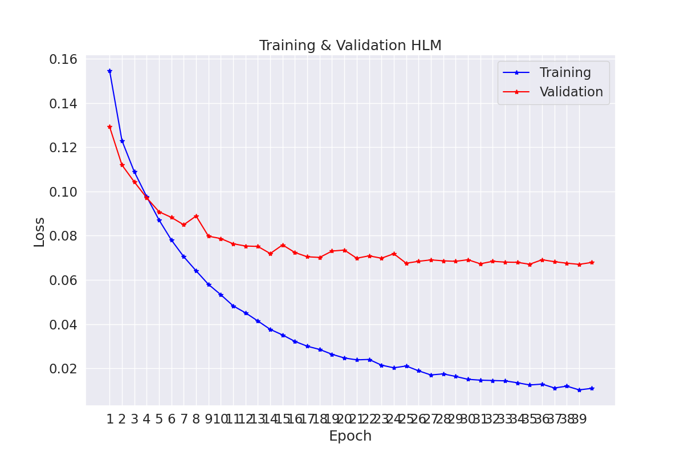
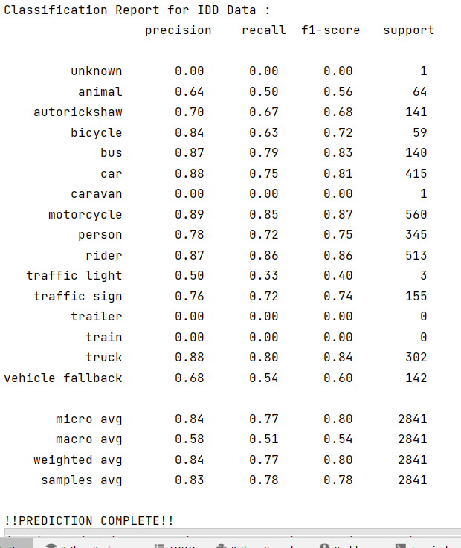
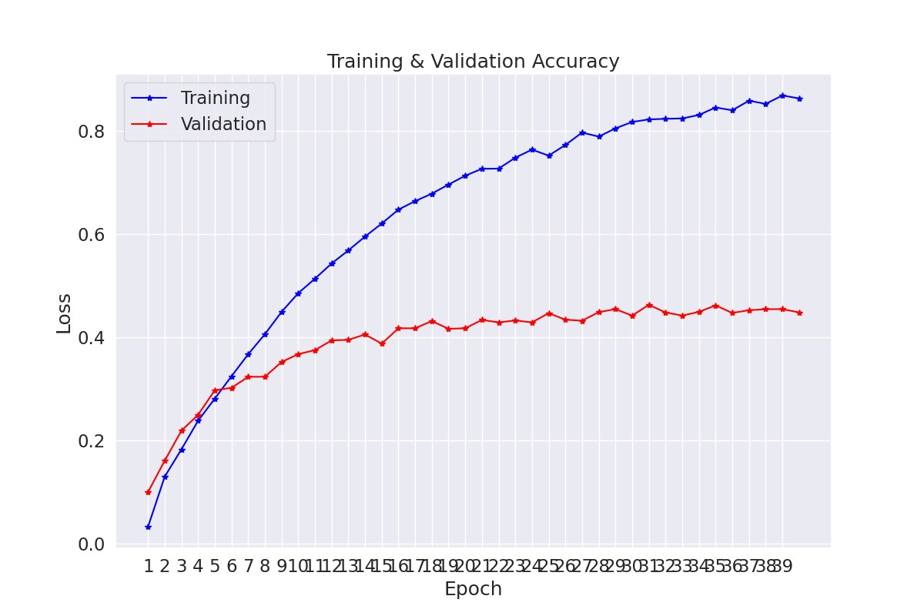

-------------------------------------------------------------
AVG TEST LOSS | Test ACCURACY (%) | ELAPSED (s)
-------------------------------------------------------------
0.271997 | 0.45 | 8.50
-------------------------------------------------------------

-------------------------------------------------------------
AVG TRAIN LOSS | AVG VAL LOSS | VAL ACCURACY (%) | ELAPSED (s)
-------------------------------------------------------------
0.030329 | 0.292954 | 0.46 | 4334.73
-------------------------------------------------------------

