Bugreport
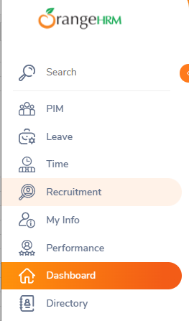
 |  |  |  |  |  |  |  | QA |  |  |  | DEV
Bug Id | Module Name | Build no | Description | TCID | Steps to replicate bug | Screenshot | Sevirity | Priority | Reported by | Assigned to | Resoulation | Status | Fixed date
OHRM_001 | Orange info | 1 | Dashborad showed instead of Myinfo tab | TC_Myinfo_001 | 1.Launch Browser 2.Open URL"asdasd.com" 3.Provide valid username 4.Provide valid password 5.click on login button |  | S3

