Sheet1
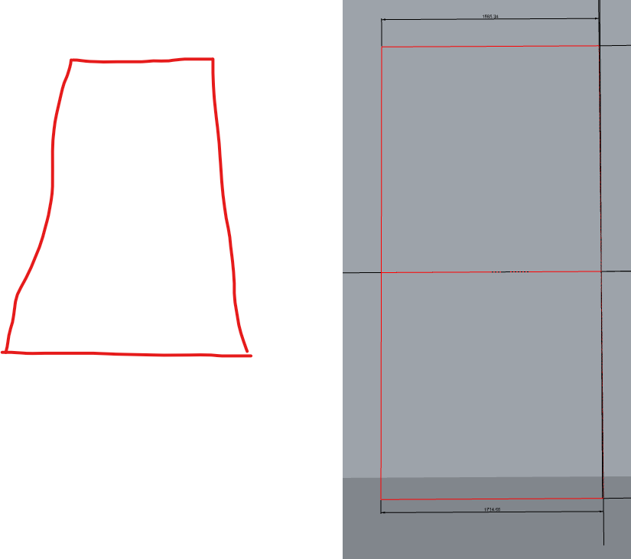
relative rotation clockwise | Plane angle -plan | plane angle - section | trapezoid plane angle
0 | 0.24 | 0 | 0.24
30 | 0.208 | -0.12 | 0.24
60 | 0.12 | -0.208 | 0.24
90 | 0 | -0.24 | 0.24
120 | -0.12 | -0.208 | 0.24
150 | -0.208 | -0.12 | 0.24
180 | -0.24 | 0 | 0.24
210 | -0.208 | 0.12 | 0.24
240 | -0.12 | 0.208 | 0.24
270 | 0 | 0.24 | 0.24
300 | 0.12 | 0.208 | 0.24
330 | 0.208 | 0.12 | 0.24

relative rotation clockwise | Plane angle -plan | plane angle - section | trapezoid plane angle
0 | 0.48 | 0 | 0.48 | 0 | 0.000 | 0
30 | 0.416 | -0.24 | 0.48 | 0.5235987756 | 0.500 | 0.24
60 | 0.24 | -0.416 | 0.48 | 1.0471975512 | 0.866 | 0.41569219382
90 | 0 | -0.48 | 0.48 | 1.5707963268 | 1.000 | 0.48
120 | -0.24 | -0.416 | 0.48 | 2.0943951024 | 0.866 | 0.41569219382
150 | -0.416 | -0.24 | 0.48 | 2.617993878 | 0.500 | 0.24
180 | -0.48 | 0 | 0.48 | 3.1415926536 | 0.000 | 5.8807125836E-17
210 | -0.416 | 0.24 | 0.48 | 3.6651914292 | -0.500 | -0.24
240 | -0.24 | 0.416 | 0.48 | 4.1887902048 | -0.866 | -0.41569219382
270 | 0 | 0.48 | 0.48 | 4.7123889804 | -1.000 | -0.48
300 | 0.24 | 0.416 | 0.48 | 5.235987756 | -0.866 | -0.41569219382
330 | 0.416 | 0.24 | 0.48 | 5.7595865316 | -0.500 | -0.24

 |  |  |  | 0 | 1.000 | 0.48
 |  |  |  | 0.5235987756 | 0.866 | 0.41569219382
 |  |  |  | 1.0471975512 | 0.500 | 0.24
 |  |  |  | 1.5707963268 | 0.000 | 0.00
 |  |  |  | 2.0943951024 | -0.500 | -0.24
 |  |  |  | 2.617993878 | -0.866 | -0.41569219382
 |  |  |  | 3.1415926536 | -1.000 | -0.48
 |  |  |  | 3.6651914292 | -0.866 | -0.41569219382
 |  |  |  | 4.1887902048 | -0.500 | -0.24
 |  |  |  | 4.7123889804 | 0.000 | 0.00
 |  |  |  | 5.235987756 | 0.500 | 0.24
 |  |  |  | 5.7595865316 | 0.866 | 0.41569219382

0.24 | 0.24 | 0.48
0.24 | 0.208 | 0.448
0.24 | 0.12 | 0.36
0.24 | 0 | 0.24
0.24 | -0.12 | 0.12
0.24 | -0.208 | 0.032
0.24 | -0.24 | 0
0.24 | -0.208 | 0.032
0.24 | -0.12 | 0.12
0.24 | 0 | 0.24
0.24 | 0.12 | 0.36
0.24 | 0.208 | 0.448

0.208 | 0.24 | 0.448
0.208 | 0.208 | 0.416
0.208 | 0.12 | 0.328
0.208 | 0 | 0.208
0.208 | -0.12 | 0.088
0.208 | -0.208 | 0 |  |  |  |  | plane starting position plan
0.208 | -0.24 | -0.032
0.208 | -0.208 | 0
0.208 | -0.12 | 0.088
0.208 | 0 | 0.208
0.208 | 0.12 | 0.328
0.208 | 0.208 | 0.416

0.12 | 0.24 | 0.36
0.12 | 0.208 | 0.328
0.12 | 0.12 | 0.24
0.12 | 0 | 0.12
0.12 | -0.12 | 0
0.12 | -0.208 | -0.088
0.12 | -0.24 | -0.12
0.12 | -0.208 | -0.088
0.12 | -0.12 | 0
0.12 | 0 | 0.12
0.12 | 0.12 | 0.24
0.12 | 0.208 | 0.328

