Hoja1
SW1 |  |  | ip usada
 | gig 1/1/1 |  | 10.0.15.21 | 255.255.255.252 |  | 11111100 |  | ORDEN |  | RED | PRIMERA |  | BROADCAST
 | gig 1/1/2 |  | 10.0.15.9 | 255.255.255.252 |  |  |  | 10.0.15.0 | 1 | 10.0.15.0 | 10.0.15.1 |  | 3
 | gig 1/1/3 |  | 10.0.15.17 | 255.255.255.252 |  |  |  | 10.0.15.1 | 2 | 10.0.15.4 | 10.0.15.5 |  | 7
OSPF |  |  | 10.0.15.8 | 0.0.0.3 |  |  |  | 10.0.15.4 | 3 | 10.0.15.8 | 10.0.15.9 | 10.0.15.10 | 11
 |  |  | 10.0.15.16 | 0.0.0.3 |  |  |  | 10.0.15.5 | 4 | 10.0.15.12 | 10.0.15.13 | 10.0.15.14 | 15
 |  |  | 10.0.15.20 | 0.0.0.3 |  |  |  | 10.0.15.8 | 5 | 10.0.15.16 | 10.0.15.17 | 10.0.15.18 | 19
 |  |  |  |  |  |  |  | 10.0.15.9 | 6 | 10.0.15.20 | 10.0.15.21 | 10.0.15.22 | 23
SW2 |  |  |  |  |  |  |  | 10.0.15.10 | 7 | 10.0.15.24 | 10.0.15.25 | 10.0.15.26 | 27
 | gig 1/1/1 |  | 10.0.15.22 |  |  |  |  | 10.0.15.12 | LACP | 10.0.15.28 | 10.0.15.29 |  | 31
 | gig 1/1/2 |  | 10.0.15.25 |  |  |  |  | 10.0.15.13 | PAGP | 10.0.15.32 | 10.0.15.33 |  | 35
OSPF |  |  | 10.0.15.20 | 0.0.0.3 |  |  |  | 10.0.15.14
 |  |  | 10.0.15.24 | 0.0.0.3 |  |  |  | 10.0.15.16
 |  |  |  |  |  |  |  | 10.0.15.17
 |  |  |  |  |  |  |  | 10.0.15.18
SW3 |  |  |  |  |  |  |  | 10.0.15.20
 | gig 1/1/1 |  | 10.0.15.14 |  |  |  |  | 10.0.15.21
 | gig 1/1/2 |  | 10.0.15.26 |  |  |  |  | 10.0.15.22
 | gig 1/1/3 |  | 10.0.15.18 |  |  |  |  | 10.0.15.24
OSPF |  |  | 10.0.15.12 |  |  |  |  | 10.0.15.25
 |  |  | 10.0.15.16 |  |  |  |  | 10.0.15.26
 |  |  | 10.0.15.24

SW4
server1 | gig 1/0/1 |  | 10.0.15.1
server2 | gig 1/0/2 |  | 10.0.15.5
 | gig 1/1/1 |  | 10.0.15.13
 | gig 1/1/2 |  | 10.0.15.10
OSPF |  |  | 10.0.15.8
 |  |  | 10.0.15.12
 |  |  | 10.0.15.0
 |  |  | 10.0.15.4 |  |  |  |  | 11111000

PRACTICA 2
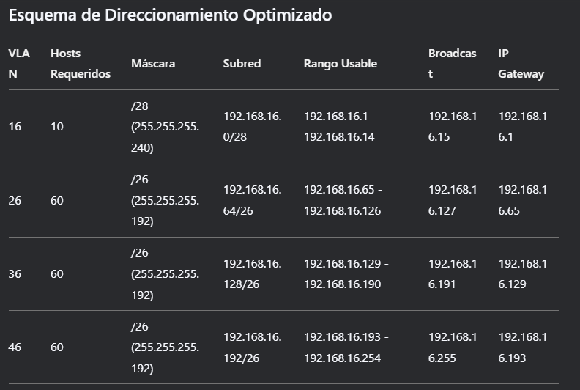

 | UTILIZADO EN | VLAN | HOST | Direccion
 | ADMIN (VLAN AZUL - 16) | 16 | 10 | 192.168.15.0 /28
 | ESTUDIANTES (VLAN ROSADA - 26) | 26 | 60 | 192.168.15.64 /26
 | PISO 1 |  | 60 | 192.168.15.128
 | PISO 2 |  | 60 | 192.168.15.192
 | WEB SERVER (VLAN VERDE 36) | 36 |  | 192.168.100.0/25
 | DHCP SERVER (VLAN ANARANJADA - 46) | 46 |  | 192.168.100.128/25

UTILZADAS | RED | PRIMERA | BROADCAST
LACP 1 | 10.0.15.0 | 10.0.15.1 | 10.0.15.3
LACP 2 | 10.0.15.4 | 10.0.15.5 | 10.0.15.7
LACP 3 | 10.0.15.8 | 10.0.15.9 | 10.0.15.11
R1 VRRP | 10.0.15.12 | 10.0.15.13 | 10.0.15.15 |  |  |  |  |  | 1 | 1
R2 VRRP | 10.0.15.16 | 10.0.15.17 | 10.0.15.19 |  |  |  |  |  | 128 | 64 | 0 | 0 | 0 | 0 | 0 | 0
Router P2 | 10.0.15.20 | 10.0.15.21 | 10.0.15.23
Router P3 | 10.0.15.24 | 10.0.15.25 | 10.0.15.27 |  |  |  |  |  | NUMERO | 192
 |  |  |  |  |  |  |  |  | DIAGONAL / | 26

PROYECTO 2

 | UTILIZADO EN | VLAN | HOST | Direccion
 | ADMIN (VLAN AZUL - 16) | 16 | 10 | 192.168.15.0 /26
 | ESTUDIANTES (VLAN ROSADA - 26) | 26 | 60 | 192.168.15.64 /26
 | PISO 1 |  | 60 | 192.168.15.128
 | PISO 2 |  | 60 | 192.168.15.192
 | WEB SERVER (VLAN VERDE 36) | 36 |  | 192.168.100.0/25
 | DHCP SERVER (VLAN ANARANJADA - 46) | 46 |  | 192.168.100.128/25

UTILZADAS | RED | PRIMERA | ULTIMA | BROADCAST
VLAN 50 | 192.168.36.0 | 192.168.36.1 | 192.168.36.62 | 192.168.36.63 | 192.168.36.0
VLAN 60 | 192.168.36.64 | 192.168.36.65 | 192.168.36.126 | 192.168.36.127 | 0 | RED
R3.1 | 192.168.36.128 | 192.168.36.129 | 192.168.36.130 | 192.168.36.131 | 1 | DEFAULT GATEWAY
R3.2 | 192.168.36.132 | 192.168.36.133 | 192.168.36.134 | 192.168.36.135 | 2 | UTILIZABLE
LACP5 | 192.168.36.136 | 192.168.36.137 | 192.168.36.138 | 192.168.36.139
LACP6 | 192.168.36.140 | 192.168.36.141 | 192.168.36.142 | 192.168.36.143
MS3.1 | 192.168.36.144 | 192.168.36.145 | 192.168.36.146 | 192.168.36.147

UTILIZADAS | RED | PRIMERA | ULTIMA | BROADCAST | MASCARA | WILDCARD | CIDR
VLAN 30 | 192.168.26.0 | 192.168.26.1 | 192.168.26.30 | 192.168.26.31 | 255.255.255.224 | 0.0.0.31 | /27
VLAN 40 | 192.168.26.32 | 192.168.26.33 | 192.168.26.62 | 192.168.26.63 | 255.255.255.224 | 0.0.0.31 | /27
MS2.1 - MS2.2 | 192.168.26.64 | 192.168.26.65 | 192.168.26.66 | 192.168.26.67 | 255.255.255.252 | 0.0.0.3 | /30
MS2.2 - MS2.4 | 192.168.26.68 | 192.168.26.69 | 192.168.26.70 | 192.168.26.71 | 255.255.255.252 | 0.0.0.3 | /30
MS2.4 - Rinalambrico | 192.168.26.72 | 192.168.26.73 | 192.168.26.74 | 192.168.26.75 | 255.255.255.252 | 0.0.0.3 | /30
MS2.1 - MS2.3 | 192.168.26.76 | 192.168.26.77 | 192.168.26.78 | 192.168.26.79 | 255.255.255.252 | 0.0.0.3 | /30
MS2.3 - R2.1 | 192.168.26.80 | 192.168.26.81 | 192.168.26.82 | 192.168.26.83 | 255.255.255.252 | 0.0.0.3 | /30
S2.1 - MS2.1 | 192.168.26.84 | 192.168.26.85 | 192.168.26.86 | 192.168.26.87 | 255.255.255.252 | 0.0.0.3 | /30

