Hoja1
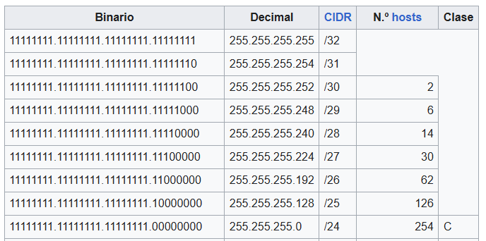
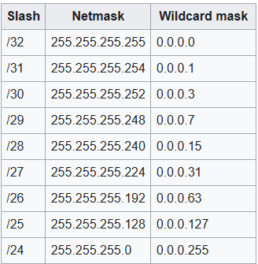
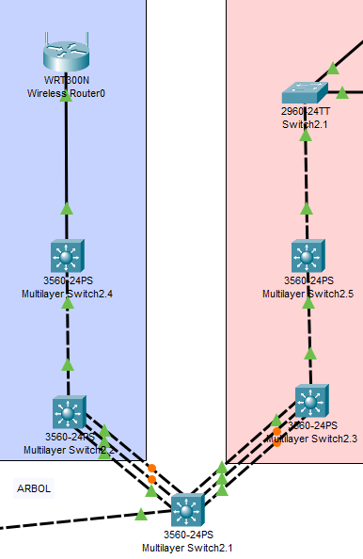

UTILIZADAS | RED | PRIMERA | ULTIMA | BROADCAST | MASCARA | WILDCARD | CIDR
VLAN 30 | 192.168.22.0 | 192.168.22.1 | 192.168.22.30 | 192.168.22.31 | 255.255.255.224 | 0.0.0.31 | /27
VLAN 40 | 192.168.22.32 | 192.168.22.33 | 192.168.22.62 | 192.168.22.63 | 255.255.255.224 | 0.0.0.31 | /27
MS2.1 | 192.168.22.64 | 192.168.22.65 | 192.168.22.66 | 192.168.22.67 | 255.255.255.252 | 0.0.0.3 | /30
MS2.2 | 192.168.22.68 | 192.168.22.69 | 192.168.22.70 | 192.168.22.71 | 255.255.255.252 | 0.0.0.3 | /30
MS2.3 | 192.168.22.72 | 192.168.22.73 | 192.168.22.74 | 192.168.22.75 | 255.255.255.252 | 0.0.0.3 | /30
MS2.4 | 192.168.22.76 | 192.168.22.77 | 192.168.22.78 | 192.168.22.79 | 255.255.255.252 | 0.0.0.3 | /30
MS2.5 | 192.168.22.80 | 192.168.22.81 | 192.168.22.82 | 192.168.22.83 | 255.255.255.252 | 0.0.0.3 | /30
S2.1 | 192.168.22.84 | 192.168.22.85 | 192.168.22.86 | 192.168.22.87 | 255.255.255.252 | 0.0.0.3 | /30
WR0

