Dashboard
 | GLOBAL EDUCATION DASHBOARD

 | 66.1 | 35.7 | 2916 | 2222
 | Avg Literacy Rate (%) | Avg Global Internet Access | Total Population | Population Literacy<80%

Population by Region
 | Total
Asia | 1916
North America | 369
Africa | 267
South America | 215
Europe | 149
Literacy Rate by Country
 | Total
France | 99
Germany | 99
Indonesia | 93
Brazil | 93
Kenya | 81
India | 74
Nigeria | 62
Pakistan | 58
United States | 0.99
Canada | 0.99

Insights
According to the pie chart, Asian regions have the greatest population by region (66%).
France and Germany have the greatest literacy rates, whereas North America has the lowest literacy rates.
There are significant gaps in the literacy rates across the USA and Canada.
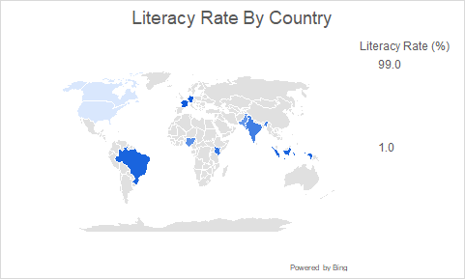
Literacy vs Internet Access
 | Literacy Rate | Internet Access
2022 | 0.99 | 0.94
2023 | 2 | 1.94
2024 | 2 | 2.5

Bar chart
Literacy Rate by Country
Row Labels | Sum of Literacy Rate (%)
France | 99
Germany | 99
Indonesia | 93
Brazil | 93
Kenya | 81
India | 74
Nigeria | 62
Pakistan | 58
United States | 0.99
Canada | 0.99
Grand Total | 660.98

Pie chart
Population by Region
Row Labels | Sum of Population (millions)
Asia | 1916
North America | 369
Africa | 267
South America | 215
Europe | 149
Grand Total | 2916

Line Chart
Literacy vs Internet Access
Row Labels | Literacy Rate | Internet Access
Canada | 4.99 | 5.38
2022 | 0.99 | 0.94
2023 | 2 | 1.94
2024 | 2 | 2.5
Grand Total | 4.99 | 5.38

