ShortestPath
Dijkstra Shortest Path Problem Using Solver

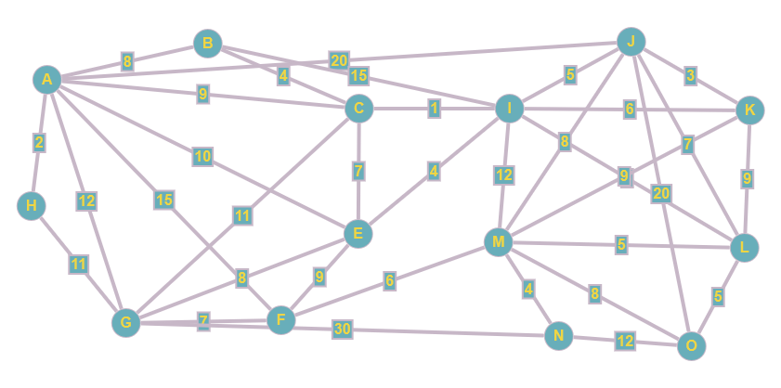
Distance Matrix

 | A | B | C | E | F | G | H | I | J | K | L | M | N | O
A | 100 | 8 | 9 | 10 | 15 | 12 | 2 | 100 | 20 | 100 | 100 | 100 | 100 | 100
B | 8 | 100 | 4 | 100 | 100 | 100 | 100 | 15 | 100 | 100 | 100 | 100 | 100 | 100
C | 9 | 4 | 100 | 7 | 100 | 11 | 100 | 1 | 100 | 100 | 100 | 100 | 100 | 100
E | 10 | 100 | 7 | 100 | 9 | 8 | 100 | 4 | 100 | 100 | 100 | 100 | 100 | 100
F | 15 | 100 | 100 | 9 | 100 | 7 | 100 | 100 | 100 | 100 | 100 | 6 | 100 | 100
G | 12 | 100 | 11 | 8 | 7 | 100 | 11 | 100 | 100 | 100 | 100 | 100 | 30 | 100
H | 2 | 100 | 100 | 100 | 100 | 11 | 100 | 100 | 100 | 100 | 100 | 100 | 100 | 100
I | 0 | 15 | 1 | 4 | 100 | 100 | 100 | 100 | 5 | 6 | 5 | 12 | 100 | 100
J | 20 | 100 | 100 | 100 | 100 | 100 | 100 | 5 | 100 | 3 | 7 | 8 | 100 | 20
K | 100 | 100 | 100 | 100 | 100 | 100 | 100 | 6 | 3 | 100 | 9 | 9 | 100 | 100
L | 100 | 100 | 100 | 100 | 100 | 100 | 100 | 5 | 7 | 9 | 100 | 5 | 100 | 5
M | 100 | 100 | 100 | 100 | 6 | 100 | 100 | 12 | 8 | 9 | 5 | 100 | 4 | 8
N | 100 | 100 | 100 | 100 | 100 | 30 | 100 | 100 | 100 | 100 | 100 | 4 | 100 | 12
O | 100 | 100 | 100 | 100 | 100 | 100 | 100 | 100 | 20 | 100 | 5 | 8 | 12 | 100

Solution Space

 | A | B | C | E | F | G | H | I | J | K | L | M | N | O | Total Out | Out-In | Relation | RHS
A | 0 | 0 | 1 | 0 | 0 | 0 | 0 | 0 | 0 | 0 | 0 | 0 | 0 | 0 | 1 | 1 | = | 1
B | 0 | 0 | 0 | 0 | 0 | 0 | 0 | 0 | 0 | 0 | 0 | 0 | 0 | 0 | 0 | 0 | = | 0
C | 0 | 0 | 0 | 0 | 0 | 0 | 0 | 1 | 0 | 0 | 0 | 0 | 0 | 0 | 1 | 0 | = | 0
E | 0 | 0 | 0 | 0 | 0 | 0 | 0 | 0 | 0 | 0 | 0 | 0 | 0 | 0 | 0 | 0 | = | 0
F | 0 | 0 | 0 | 0 | 0 | 0 | 0 | 0 | 0 | 0 | 0 | 0 | 0 | 0 | 0 | 0 | = | 0
G | 0 | 0 | 0 | 0 | 0 | 0 | 0 | 0 | 0 | 0 | 0 | 0 | 0 | 0 | 0 | 0 | = | 0
H | 0 | 0 | 0 | 0 | 0 | 0 | 0 | 0 | 0 | 0 | 0 | 0 | 0 | 0 | 0 | 0 | = | 0
I | 0 | 0 | 0 | 0 | 0 | 0 | 0 | 0 | 0 | 0 | 1 | 0 | 0 | 0 | 1 | 0 | = | 0
J | 0 | 0 | 0 | 0 | 0 | 0 | 0 | 0 | 0 | 0 | 0 | 0 | 0 | 0 | 0 | 0 | = | 0
K | 0 | 0 | 0 | 0 | 0 | 0 | 0 | 0 | 0 | 0 | 0 | 0 | 0 | 0 | 0 | 0 | = | 0
L | 0 | 0 | 0 | 0 | 0 | 0 | 0 | 0 | 0 | 0 | 0 | 0 | 0 | 1 | 1 | 0 | = | 0
M | 0 | 0 | 0 | 0 | 0 | 0 | 0 | 0 | 0 | 0 | 0 | 0 | 0 | 0 | 0 | 0 | = | 0
N | 0 | 0 | 0 | 0 | 0 | 0 | 0 | 0 | 0 | 0 | 0 | 0 | 0 | 0 | 0 | 0 | = | 0
O | 0 | 0 | 0 | 0 | 0 | 0 | 0 | 0 | 0 | 0 | 0 | 0 | 0 | 0 | 0 | -1 | = | -1
Total-In | 0 | 0 | 1 | 0 | 0 | 0 | 0 | 1 | 0 | 0 | 1 | 0 | 0 | 1

Min Dist. = | 20
Shortest Path | A -> C -> I -> L -> O

