FrameWork
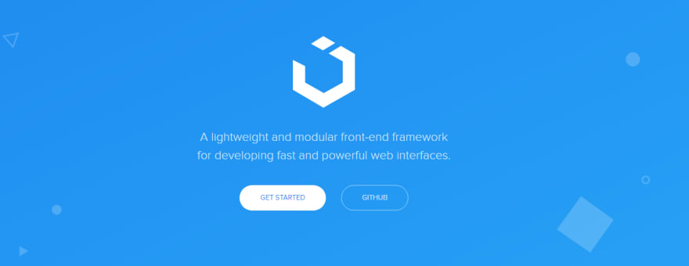
Mavzu : Framework

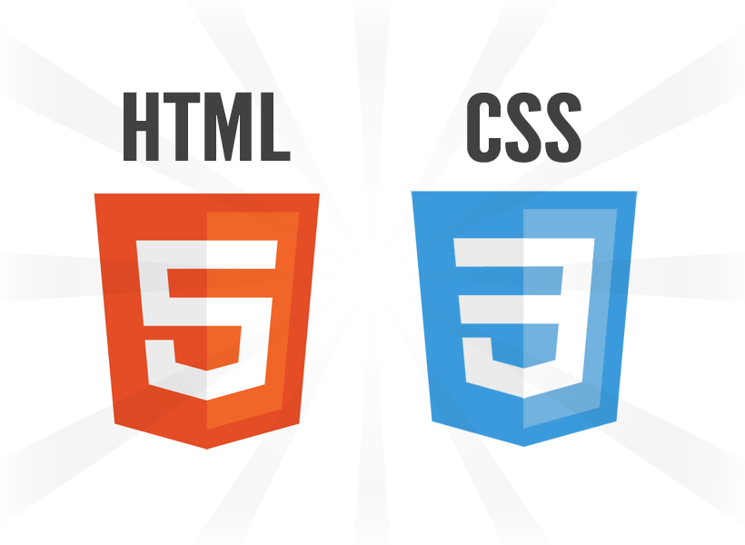

 | = | 5

1 ) Bootstrap

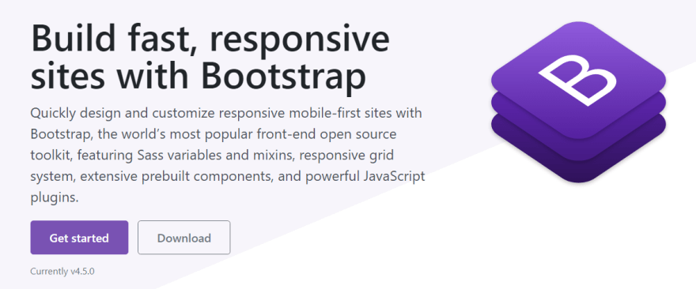

2 ) Materialize

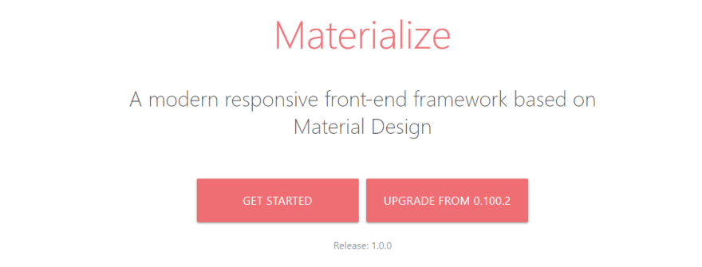

3 ) Foundation



4 ) Semantic-ui

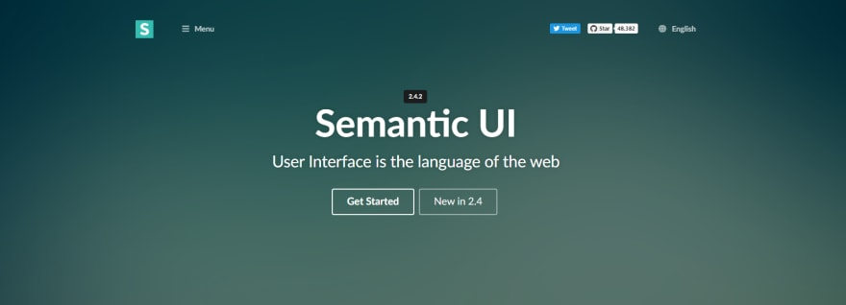

4 ) Ui-kit

