Sheet1
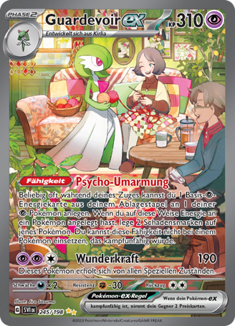
Beispiel

Kartenname: | Guardevoir ex
Kartennummer: | SVI 245/198
CM-Link: | https://www.cardmarket.com/de/Pokemon/Products/Singles/Scarlet-Violet/Gardevoir-ex-V3-SV1en245 | -
Kaufpreis: | Bezahlter Preis
Verkaufspreis: | Verkaufspreis minus Verpackungsmaterial und Versand
Profit: | Kaufpreis-Verkaufspreis
Gekauft von: | Harald - Thomas - Gemeinsam

