Hoja1
 | T | a | b | c | d | h
0 | 7 | 8.5 | 0.58629528366 | 2.580843702E-17 | 0.0015640911183 | 14 | h0
1 | 21 | 21 | 1.5059808612 | 0.06569182697 | -0.0018073360581 | 14 | h1
2 | 35 | 50 | 2.2826384142 | -0.010216287472 | -0.0010767293931 | 14 | h2
3 | 49 | 77 | 1.3634654819 | -0.05543892198 | 0.0013766443009 | 14 | h3
4 | 63 | 89 | 0.62064251538 | 0.0023801386583 | -5.6669968056E-05 | 14 | h4
5 | 77 | 98 |  | 0
 | 91

 | calcular los ci's

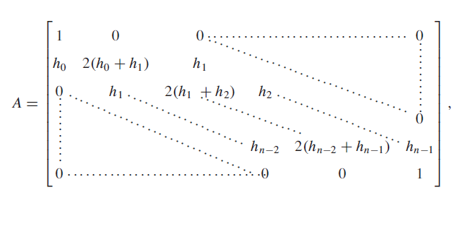
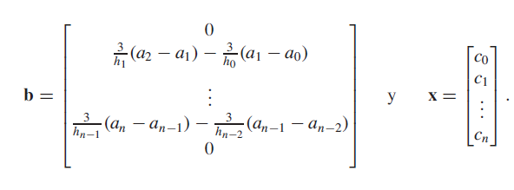

 |  | 1 | 0 | 0 | 0 | 0 | 0 |  |  | 0
 |  | 14 | 56 | 14 | 0 | 0 | 0 |  |  | 3.5357142857
 |  | 0 | 14 | 56 | 14 | 0 | 0 |  |  | -0.42857142857
 | A= | 0 | 0 | 14 | 56 | 14 | 0 |  | b'= | -3.2142857143
 |  | 0 | 0 | 0 | 14 | 56 | 14 |  |  | -0.64285714286
 |  | 0 | 0 | 0 | 0 | 0 | 1 |  |  | 0

 | inv(A) | 1 | -2.9738116731E-18 | 0 | -1.1895246692E-17 | 2.9738116731E-18 | -3.5685740077E-17 |  |  | 2.580843702E-17
 |  | -0.26794258373 | 0.019138755981 | -0.0051264524949 | 0.0013670539986 | -0.00034176349966 | 0.0047846889952 |  |  | 0.06569182697
 |  | 0.071770334928 | -0.0051264524949 | 0.020505809979 | -0.0054682159945 | 0.0013670539986 | -0.019138755981 |  | c=inv(A)*b' | -0.010216287472
 |  | -0.019138755981 | 0.0013670539986 | -0.0054682159945 | 0.020505809979 | -0.0051264524949 | 0.071770334928 |  |  | -0.05543892198
 |  | 0.0047846889952 | -0.00034176349966 | 0.0013670539986 | -0.0051264524949 | 0.019138755981 | -0.26794258373 |  |  | 0.0023801386583
 |  | 0 | 0 | 0 | 0 | 0 | 1 |  |  | 0

 |  | calcular los di's

 |  | d0= | (c1-c0) / 3h0 |  | 0.0015640911183
 |  | d1= | (c2-c1)/ 3h1 |  | -0.0018073360581
 |  | d2= | (c3-c2) / 3h2 |  | -0.0010767293931
 |  | d3 | (c4-c3)/ 3h3 |  | 0.0013766443009
 |  | d4 | (c5-c4)/ 3h4 |  | -5.6669968056E-05

 |  | calcular los bi's

 |  | b0= | (1/h0)(a1- a0) - (h0/3)(2c0+c1) |  |  | 0.58629528366
 |  | b1= | (1/h1)(a2-a1) - (h1/3)(2c1+c2) |  |  | 1.5059808612
 |  | b2= | (1/h2)(a3-a2) - (h2/3)(2c2+c3) |  |  | 2.2826384142
 |  | b3= | (1/h3)(a4-a3) - (h3/3)(2c3+c4) |  |  | 1.3634654819
 |  | b4= | (1/h4)(a5-a4) - (h4/3)(2c4+c5) |  |  | 0.62064251538

 |  | para calcular T= 91

 |  | S3(x) = a3 +b3 (x- x3) +c3(x-x3)^2 + d3 (x-x3) ^3 |  |  |  |  |  | 138.46411483

