Worksheet
Quotation No. : |  | SAL-QTN-2022-00012 |  |  | Created By : | superadmin@pinkcityindia.com |  |  | Date : | 2022-08-02 |  | Status : | Open |  |  | Title : | sample data |  |  | Conversion Rate ($1 in INR) : |  | 70 |  | Company : | Pinkcity Jewelhouse Private Limited- Unit 1 |  |  |  | Customer Name : | Aarif
Gold Rate - oz : |  | 1760 |  |  | Silver Rate - oz | 15 |  | Value Add % For Gold : |  | 10 |  | Value Add% For Silver : |  | 15 |  | Gold Loss(%) : | 10 |  | Silver Loss(%) : | 10 |  | White Gold Loss(%) : |  | 11

S.No. | Image | Design Code/Product Code | Their Code | Product Type | Metal Group | Metal Varients | Metal Weight Casting | Metal Weight Chain | Value of Metal ($) | ROW | Labour ($) |  | ROW | Stone Name | Stone Shape | Stone Cut | Setting Type | Stone Size (Length) | Stone Size (Width) | Stone / Diamond Quality | Price Unit | Stone Qty | Stone Weigth | Stone Purchased Price (₹) | Stone Value Added % | Stone Sale Price (₹) | Stone Value ($) | Cost 1 ($) | Ex-Factory Price ($) | Value Addition (Cost1) ($)
1 | 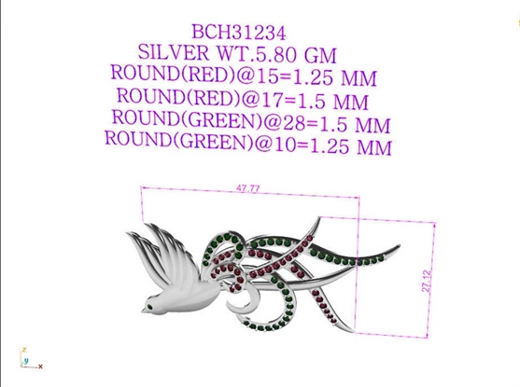 | BCH31234 |  | Earrings | Silver | 999 Pure Silver | 1 | 2 | 1.984 | 1 | CFP | 2.5 | 1 | Amethyst | Oval | Checkerboard | Glue | 12 | 10 | Commercial | Cts | 1 | 4.4 | 37.68 | 3 | 38.81 | 2.44 | 10.58 | 1.59 | 16.21
 |  |  |  |  |  |  |  |  |  | 2 | Chain Labour | 2
 |  |  |  |  |  |  |  |  |  | 3 | Total Setting Charge | 0.1
 |  |  |  |  |  |  |  |  |  | 4 | Finding | 2
 |  |  |  |  |  |  |  |  |  | 5 | Packing, PD and other Miss. | 2
 |  |  |  |  |  |  |  |  |  | 6 | Plating Casting Products - 2.0 Micron, Non-Chain Product, Square Inch - 25 | 0.1
 |  |  |  |  |  |  |  |  |  | 7 | Plating Chains - 0.50 Micron, Chain Product, Gms | 1.5
2 | 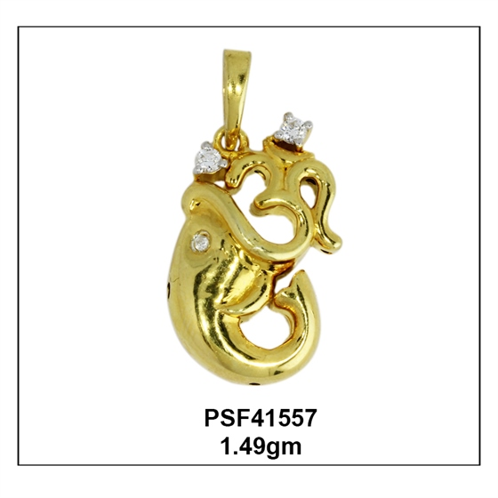 | 51F1GPPBCAAACZ |  | Pendant | Gold | 10k Rose Gold | 1 | 2 | 82.622 | 1 | CFP | 4 | 1 | Amethyst | Oval | Checkerboard | Glue | 12 | 10 | Commercial | Cts | 1 | 4.4 | 37.68 | 3 | 38.81 | 2.44 | 94.72 | 9.47 | 106.63
 |  |  |  |  |  |  |  |  |  | 2 | Chain Labour | 2
 |  |  |  |  |  |  |  |  |  | 3 | Total Setting Charge | 0.1
 |  |  |  |  |  |  |  |  |  | 4 | Finding | 2
 |  |  |  |  |  |  |  |  |  | 5 | Packing, PD and other Miss. | 2
 |  |  |  |  |  |  |  |  |  | 6 | Pen Plating | 2
3 |  | BCH31234 |  | Earrings | Gold | 10k Rose Gold | 1 | 2 | 82.622 | 1 | CFP | 4 | 1 | Amethyst | Oval | Checkerboard | Glue | 12 | 10 | Commercial | Cts | 1 | 4.4 | 37.68 | 3 | 38.81 | 2.44 | 94.72 | 9.47 | 106.63
 |  |  |  |  |  |  |  |  |  | 2 | Chain Labour | 2
 |  |  |  |  |  |  |  |  |  | 3 | Total Setting Charge | 0.1
 |  |  |  |  |  |  |  |  |  | 4 | Finding | 2
 |  |  |  |  |  |  |  |  |  | 5 | Packing, PD and other Miss. | 2
 |  |  |  |  |  |  |  |  |  | 6 | Pen Plating | 2
4 |  | 0.1.2015 |  | Earrings | Gold | 10k Rose Gold | 1 | 2 | 82.622 | 1 | CFP | 4 | 1 | Amethyst | Oval | Checkerboard | Glue | 12 | 10 | Commercial | Cts | 1 | 4.4 | 37.68 | 3 | 38.81 | 2.44 | 94.72 | 9.47 | 106.63
 |  |  |  |  |  |  |  |  |  | 2 | Chain Labour | 2
 |  |  |  |  |  |  |  |  |  | 3 | Total Setting Charge | 0.1
 |  |  |  |  |  |  |  |  |  | 4 | Finding | 2
 |  |  |  |  |  |  |  |  |  | 5 | Packing, PD and other Miss. | 2
 |  |  |  |  |  |  |  |  |  | 6 | Pen Plating | 2
5 |  | 51F1GPPBCAAACZ |  | Pendant | Gold | 10k Rose Gold | 1 | 2 | 82.622 | 1 | CFP | 4 | 1 | Amethyst | Oval | Checkerboard | Glue | 12 | 10 | Commercial | Cts | 1 | 4.4 | 37.68 | 3 | 38.81 | 2.44 | 94.72 | 9.47 | 106.63
 |  |  |  |  |  |  |  |  |  | 2 | Chain Labour | 2
 |  |  |  |  |  |  |  |  |  | 3 | Total Setting Charge | 0.1
 |  |  |  |  |  |  |  |  |  | 4 | Finding | 2
 |  |  |  |  |  |  |  |  |  | 5 | Packing, PD and other Miss. | 2
 |  |  |  |  |  |  |  |  |  | 6 | Pen Plating | 2

