Worksheet
Emporer Bag No | Design Code | Design Category | Design Image | Metal 1 Type | Metal 1 Code | Metal 1 Name | Metal 1 Weight | Metal 2 Type | Metal 2 Code | Metal 2 Name | Metal 2 Weight | Gross Wt. | Bag Qty | Bag Qty | Size | Customer Design Instruction | Design Instruction | Stone 1 Code | Stone 1 Name | Stone 1 Qty | Stone 1 Wt. | Stone 2 Code | Stone 2 Name | Stone 2 Qty | Stone 2 Wt. | Stone 3 Code | Stone 3 Name | Stone 3 Qty | Stone 3 Wt. | Stone 4 Code | Stone 4 Name | Stone 4 Qty | Stone 4 Wt. | Stone 5 Code | Stone 5 Name | Stone 5 Qty | Stone 5 Wt. | Stone 6 Code | Stone 6 Name | Stone 6 Qty | Stone 6 Wt. | Stone 7 Code | Stone 7 Name | Stone 7 Qty | Stone 7 Wt. | Stone 8 Code | Stone 8 Name | Stone 8 Qty | Stone 8 Wt. | Stone 9 Code | Stone 9 Name | Stone 9 Qty | Stone 9 Wt. | Stone 10 Code | Stone 10 Name | Stone 10 Qty | Stone 10 Wt.
22/REG/123 | ES90618 | Dangling Earrings |  | X | S925LBK | Silver Lever Back | 0.8 | S | S925 | Sterling Silver | 1.808 | 4.52 | 1 |  | Black Spinel+Rhodium Plating (Stamp-Metal & MTV) (Target Metal Wt.2.73gm) (PCY7601) | Dangling Earrings - Use-Lever Back Target Metal Wt :- 2.73 Gms. | SNBCFRD1010M | Black Spinal Rnd-10x10mm Feceted | 2 | 9.56
22/SMP/12345 | CF94774 | Cuff |  | M | B999 | Brass | 32 |  |  |  |  | 33.58 | 1 |  | BRASS with White Chattons in yellow bronze plating,high polish Use Enamel color C-16,if any query kindly Coordinate With Shradha Mam. | Classic Cuff BRASS WT=32.00GMS(enamel)ONE OFF | C | CHICFRD1H1HM | 36 | 0.126 | C | CHICFRD1.20M | 36 | 0.108
17/SMP/6492 | RG47579 | Classic Ring 10Kt |  | S | S925 | Sterling Silver | 1.916 |  |  |  |  | 2.4804 | 1 | 14R | Amethyst + White Topaz + Flash Gold Plating | Classic Ring TARGET WT. 2.15GMS | TWHCFRD1H1HM | White Topaz RD. Fac. Com. Qtly Med.Color | 6 | 0.072 | AMECFOT0907M | Amethyst Octa 0907 Faceted Com Qlt Medium color | 1 | 2.75
22/SMP/1194 | ES90390 | Dangling Earrings |  |  |  |  |  |  |  |  |  | 0 | 0 |  | Recycle Silver With high Finish 12 Kt Color 3 micron Yellow Gold Plating Use Gemstone Green Quartz | Dangling Earrings Target Metal WT :- 1.90 Gms
22/SMP/11 | ES90488 | Hoop Earrings |  | S | S925 | Sterling Silver | 2.458 |  |  |  |  | 2.92 | 1 |  | Ceated Blue Sapphire with Created White Sapphire in High Finish Rhodium plating and Use Stamp 925 With J logo, If Any query please dicussed with Mr. Brajesh Ji. | Hoop Earrings Target Metal Wt :- 2.90 Gms. | SSBCFCU0505M | Synthtic Blue Sapphire Com Faceted Cut CU 05x05MM | 2 | 1.61 | CWSCFCU0303M | Synthtic White Sapphire Com Facet Cut Cu 3.00MM | 2 | 0.52 | CWSCFRD1.10M | Synthtic White Sapphire Com Facet Cut Round 1.10MM | 22 | 0.18
22/SMP/12345 | CF94774 | Cuff |  |  |  |  |  |  |  |  |  | 33.58 | 1 |  | BRASS with White Chattons in yellow bronze plating,high polish Use Enamel color C-16,if any query kindly Coordinate With Shradha Mam. | Classic Cuff BRASS WT=32.00GMS(enamel)ONE OFF
17/SMP/6433 | NKS48456-SG | Necklace-Beaded |  | S | S925 | Sterling Silver | 1 | X | S925CBCHN014 | S925 Diamond Cut Cable Chain | 2.574 | 19.4 | 1 |  | Pearl | Necklace Length 16.5+2 inch | PRLCSDR0605M | Pearl Smooth Drop 6*5 Comm Quality Med Color | 51 | 75.93 | PRLCCRD0606M | Pearl Round 06 mm Cab Com Qlt Med Col | 2 | 2
17/SMP/6492 | RG47579 | Classic Ring 10Kt |  | S | S925 | Sterling Silver | 1.916 |  |  |  |  | 2.4804 | 1 | 14R | Amethyst + White Topaz + Flash Gold Plating | Classic Ring TARGET WT. 2.15GMS | TWHCFRD1H1HM | White Topaz RD. Fac. Com. Qtly Med.Color | 6 | 0.072 | AMECFOT0907M | Amethyst Octa 0907 Faceted Com Qlt Medium color | 1 | 2.75
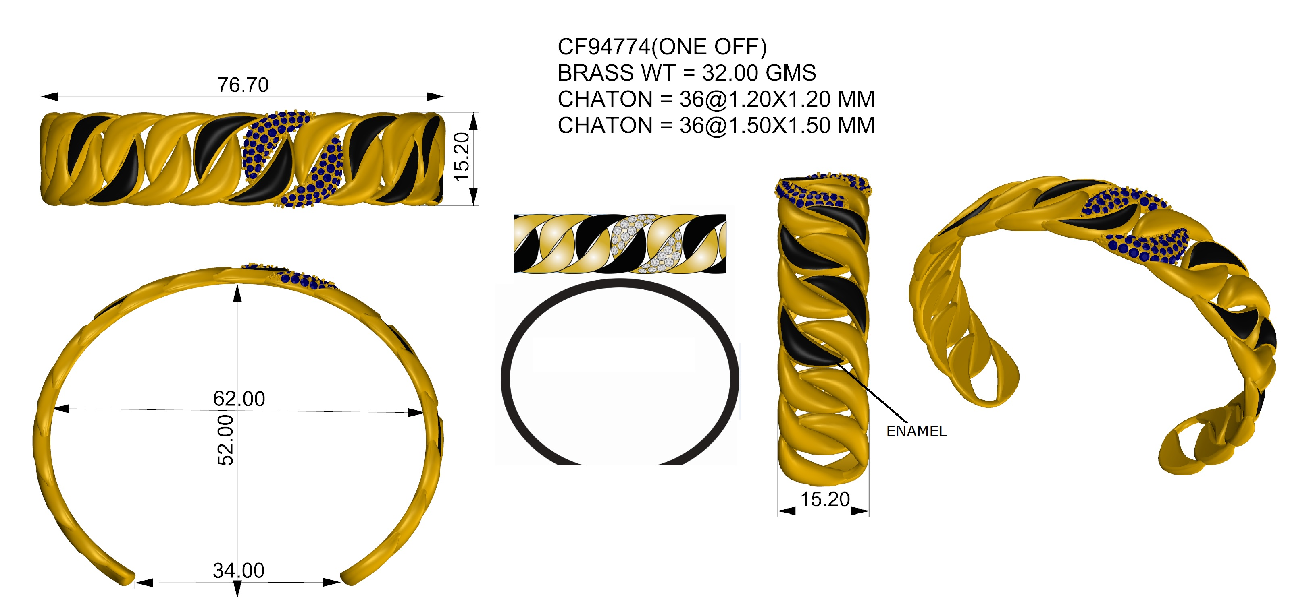
22/SMP/12345 | CF94774 | Cuff |  | M | B999 | Brass | 33.432 |  |  |  |  | 33.58 | 1 | 62X52 | BRASS with White Chattons in yellow bronze plating,high polish Use Enamel color C-16,if any query kindly Coordinate With Shradha Mam. | Classic Cuff BRASS WT=32.00GMS(enamel)ONE OFF | CHICFRD1H1HM | Chatons Faceted 1.5mm Round Comm. Quality M Color | 36 | 0.5 | CHICFRD1.20M | Chatons Fac.1.20x1.20mm Round Comm. Quality M C | 36 | 0.24

