Intro
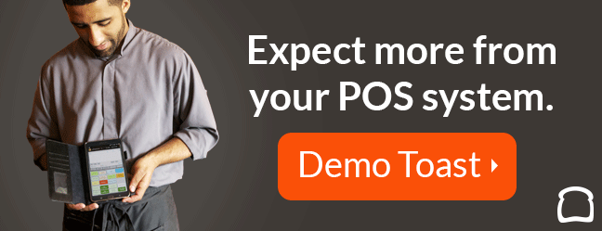
Welcome to the Restaurant Metrics Workbook!

As a restaurateur, your metrics are your greatest weapon. By analyzing them closely and regularly, you will be able to attribute specific actions you have taken (like hiring a new cook or removing an old menu item) to specific results. Metrics are your way of knowing whether your restaurant's performance is improving, worsening, or staying the same.

Passion, creativity, and determination are must-haves in this industry. However, if the numbers don’t add up, they won’t mean much. To stay fully operational and improve your restaurant, it’s imperative to dig deep into these numbers.

But that’s easier said than done. Let's face it – you’re a restaurateur, not a math professor! We get that. That's why we’ve compiled this workbook for you, composed of sheets to help you determine your:

Break Even Point: | The point in time – or dollars – at which will you will earn back your investment.
Overhead Rate: | The cost of running your restaurant on a per-hour basis.
Employee Turnover Rate: | How quickly you are losing restaurant staff.
Cost of Goods Sold: | The amount of money you spend on food and drink that leave your kitchen.
Labor & Prime Cost: | The total amount spent on both labor and Cost of Goods Sold.

Gross Profit: | How much you have left over.

This workbook is designed so you can work step-by-step through each sheet. Here are some quick pieces of advice before you venture on:

• It’s important to pick one period of time as you go through this workbook (i.e. one week, one month) and stick with that same period. Otherwise, your numbers will clash.

• We strongly advise against entering numbers where formulas are present in the cell. This will impact the final numbers for each page and give you an inaccurate picture of your restaurant’s performance.

• Some of these cells are shaded. Do not enter anything into these cells!

With that, get your numbers together and let’s get to work!

Once you're finished with the sheet, make sure to sign up for your free demo of Toast POS! Our built-in data makes it simple for restaurants to analyze sales reports and calculate important business metrics like these.

So what are you waiting for? Click below to get your free demo of Toast POS!

The Next Steps
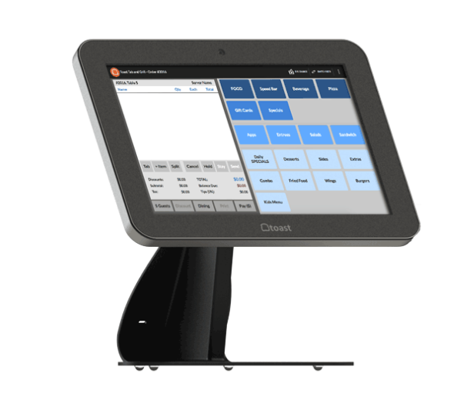
Next Steps

Restaurant metrics are crucial to track constantly. If you don’t, you could lose focus on your restaurant goals and get consumed by unhelpful numbers.

Luckily, there’s a solution that lets you track your numbers all in one place. From labor, to sales reports, to inventory, Toast POS is the all-in-one restaurant management platform that makes running a restaurant easier for those of us who don’t have a Ph.D. in Accountancy.

As a modern point of sale, Toast in intuitive for everyone in the restaurant to learn. Its true cloud-computing capabilities allows you to see real-time data from anywhere, anytime. Not to mention, it integrates with loyalty and in-house online ordering to save you money and earn more profit.

Want to see this revolutionary restaurant technology in action?

Click here to get your free demo of Toast!

