survey_results
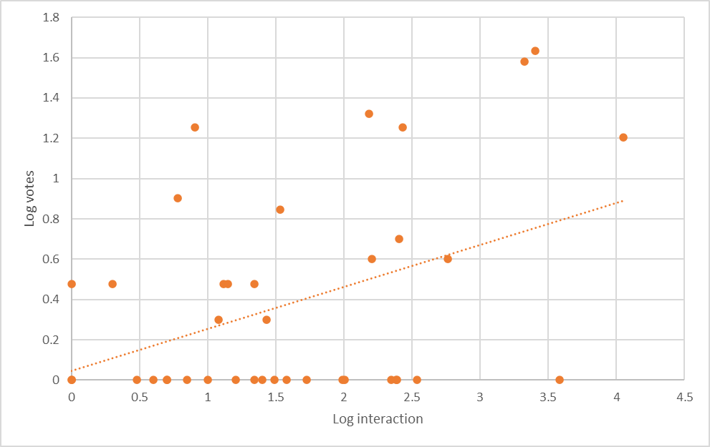
word | hippapottafrog | mr. fist bump | moldy tip | jj redneck | tose me | flipcracker | dingly wert | branch weight | microballs | applethrower | nancy no-tits | hekma | chewgger | ice gook | robuttnik | njf | blanger | man bum thumper | poputt | gewk | chundee | slutbasket | kopitard | gickna | fishcake | pstool | curtain twitcher | touch down | pepperbelly | cape | gunga | collar popper | schoolgirl | fbs (fat bitch syndrome) | chit | oriental | ass-hat | squid | g
interaction | 1 | 1 | 1 | 2 | 3 | 4 | 5 | 5 | 6 | 7 | 8 | 10 | 12 | 13 | 14 | 16 | 22 | 22 | 25 | 27 | 31 | 34 | 38 | 53 | 97 | 101 | 152 | 160 | 221 | 241 | 246 | 255 | 269 | 345 | 578 | 2114 | 2530 | 3829 | 11256
vote | 0 | 1 | 3 | 3 | 0 | 0 | 0 | 0 | 8 | 0 | 18 | 0 | 2 | 3 | 3 | 0 | 0 | 3 | 0 | 2 | 1 | 7 | 0 | 0 | 0 | 0 | 21 | 4 | 0 | 1 | 0 | 5 | 18 | 0 | 4 | 38 | 43 | 1 | 16
log_interaction | 0 | 0 | 0 | 0.30102999566 | 0.47712125472 | 0.60205999133 | 0.69897000434 | 0.69897000434 | 0.77815125038 | 0.84509804001 | 0.90308998699 | 1 | 1.079181246 | 1.1139433523 | 1.1461280357 | 1.2041199827 | 1.3424226808 | 1.3424226808 | 1.3979400087 | 1.4313637642 | 1.4913616938 | 1.531478917 | 1.5797835966 | 1.7242758696 | 1.9867717343 | 2.0043213738 | 2.1818435879 | 2.2041199827 | 2.3443922737 | 2.3820170426 | 2.3909351071 | 2.4065401804 | 2.42975228 | 2.5378190951 | 2.7619278384 | 3.325104983 | 3.4031205212 | 3.5830853663 | 4.0513840844
log_vote | 0 | 0 | 0.47712125472 | 0.47712125472 | 0 | 0 | 0 | 0 | 0.90308998699 | 0 | 1.2552725051 | 0 | 0.30102999566 | 0.47712125472 | 0.47712125472 | 0 | 0 | 0.47712125472 | 0 | 0.30102999566 | 0 | 0.84509804001 | 0 | 0 | 0 | 0 | 1.3222192947 | 0.60205999133 | 0 | 0 | 0 | 0.69897000434 | 1.2552725051 | 0 | 0.60205999133 | 1.5797835966 | 1.6334684556 | 0 | 1.2041199827

