test case format
 | Project Name: | Ping Pong Game | Test Designed by: | Iulia Dobre
 | Module Name: | System | Test Designed date: | 2022-06-12
 | Release Version: | 2023 | Test Executed by: | Iulia Dobre
 |  |  | Test Execution date: | 2022-06-12

Pre-condition | Functionality of the game
Dependencies: | Deadline by 6 September
Test Priority | Very high

Test Case ID | Test case name | Test case description | Test case Steps | Expected Result | Post-condition | Actual Result | Test case Status | Test case comment and incident report id | Requirement ID
1 | First message display | Verify if the message displayed is "Let's start the ping pong game" | 1.Introduce the stick 2.See if the message appearing is the one required | The message displayed should be "Let's start the ping pong game" | Go back to default state | The program opens after inserting the stick, but the message displayed is not the one required, but "PING PONG. PRESS A BUTTON". | Failed | See screenshot test case 3./Incident report id 1 | 3
2 | Players buttons | Verifiy if there are 2 buttons for each player | 1. Introduce the stick | There should be 2 buttons for each player on the side of the display | Go back to default state | There are 2 buttons for each player on the sides of the dispaly | Passed |  | 1
3 | Button name | Check if the buttons are named one UP and one DOWN | 1. Introduce the stick | The 2 buttons for each player should be named UP and DOWN | Go back to default state | There are 2 buttons for each player, but for player 1 both buttons are named UP | Failed | 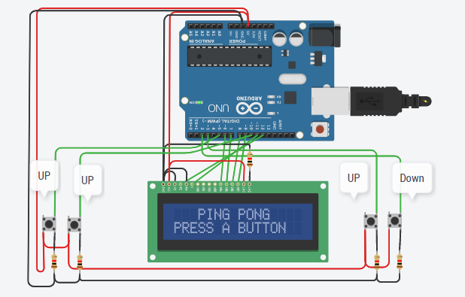 Incident report id 2 | 2
4 | Buttons functionality | Check if by pressing the buttons they work | 1. Introduce the stick 2. Press each 4 buttons individually | The buttons should creat a respons shown on the display. This will valid the functionality of the buttons | Go back to default state | The 4 buttons function. The wrong named "UP" button for player 1 works properly (it moves the | down as it should) | Passed |  | 4
5 | On display functions | Verify if on the display, after starting the game the players are represented by the simbol | and the ball by . | 1. Introduce the stick 2. Press one button to start | The players "paddle" should be represented by the simbol | and the "ball" by the simbol . | Go back to default state | The paddles are represented by the simbol | and the ball by the simbol . | Passed |  | 5
6 | Game ending | Confirm that after 5 rounds the game ends | 1. Introduce the stick 2. Press a button to start | After 5 passes the game should end | Go back to default state | The game doesn't end after 5 passes, it continues 5 more passes, so a total of 10 | Failed | 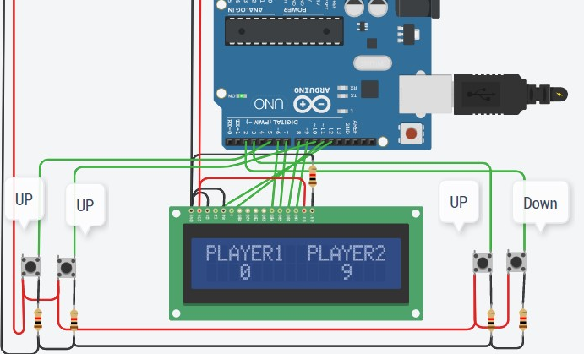 Inc. id 3 | 6
7 | Game ending message | Verify if the ending of the game message should be "GAME OVER PLAYER<x> WINS" where x = 1 or 2 depending on which player wins | 1. Introduce the stick 2. Press a button to start 3. Play game and wait until the end | When the game ends the message "GAME OVER PLAYER<x> WINS " should be displayed, where x = 1 or 2 depending on which player wins | Go back to default state | It is displayed the correct message. | Passed |  | 6
8 | Game score display | Determin if the game result is shown after each player scores a point | 1. Introduce the stick 2. Press a button to start 3. Play game and wait until one of the player scores a point | When one of the players loses the ball, the other player gets a point and there should be a message displayed saying "Player 1 -> 0" and "Player 2 -> 1" | Go back to default state | The score is displayed after every lose of the ball | Passed |  | 7
9 | Delay display end of game | Verify using white box if delay is 3000ms after showing the message "GAME OVER PLAYER <x> WINS" | 1. Introduce the stick 2. Press a button to start 3. Play game and wait until game ends | The delay after showing the message "GAME OVER PLAYER <x> WINS" should be 3000ms | Go back to default state | The delay after displaying the message "GAME OVER PLAYER <x> WINS" is not 3000ms, but 5000ms. | Failed | This is the code where the requiered delay should have been: // Printing the Winner on Display void Print_Winner(int Player_Num) { lcd.setCursor(0 ,0); lcd.print(F(" GAME OVER ")); lcd.setCursor(1, 1); lcd.print(F("PLAYER ")); lcd.print(Player_Num); lcd.setCursor(11 ,1); lcd.print(F("WINS")); // Text remains on screen for 5 seconds delay(5000); //////// INC. REP. ID 4 | 8
10 | Reset of the ball | Verify if after the first point is scored the ball will reset and begin from the beginning position | 1. Introduce the stick 2. Press a button to start 3. Play game and wait until first point is scored | The ball should reset and be at the intitial postion after the first point is scored | Go back to default state | The ball resets it's position as requiered | Passed | This is the code where is stated that the ball will reset in a new position: //Resetting the Ball and Paddles IF a point is scored if(Point_Scored == 1) { // Resetting the Ball ballX = Start_X; ballY = Start_Y; ballXDir *= -1; ballYDir = 0; // Resetting the Paddles p1.PaddlePos = 6; p2.PaddlePos = 6; | 9

