x_granules
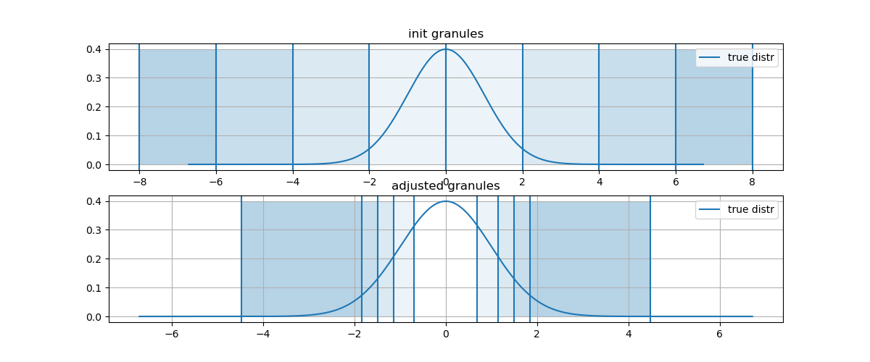
init_g | init_G+ | adjusted_g | adjusted_G+ | mes_g
1 | 0 | 0.61895336389 | 0.69262208324 | 0.50136487716
0.018315638889 | 2 | 0.26848718197 | 1.146713611 | 0.76069153776
1.1253517472E-07 | 4 | 0.10697737552 | 1.4950377623 | 0.88262056415
2.3195228302E-16 | 6 | 0.032923490485 | 1.8475846069 | 0.94904458599
1.6038108905E-28 | 8 | 0.000000002 | 4.4755020563 | 0.99909008189

x_noise
x_noise
1.528570899 | loc | scale
-1.3464568935 | -0.0089590296221 | 1.0056828602
-2.4152326829
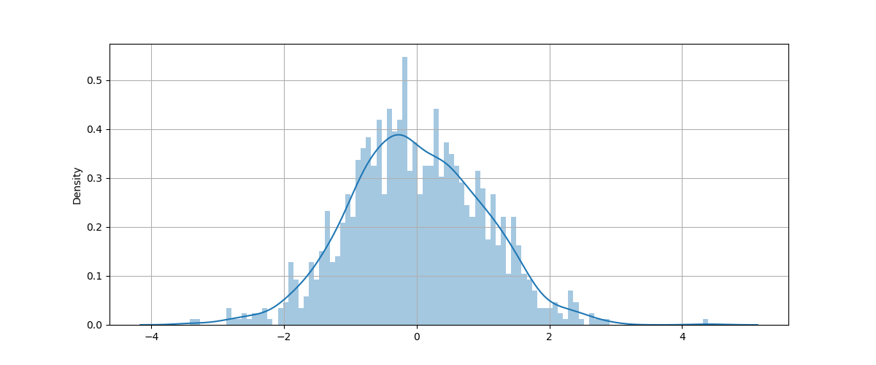
-0.048144512379
-1.2184531373
-0.19489690822
0.42117865743
2.2547024561
-1.2609362609
-0.26690678747
-1.0535593517
0.31281767384
-0.51017583246
-1.3745930976
1.7518251236
0.24256708941
0.53909250442
0.45162254567
0.36383302485
-0.60592192604
-0.88005870813
-0.68985036277
1.3864036705
-0.45030567752
-0.35538720456
1.1316088924
-0.71962165699
0.10032734604
-1.9034055927
1.2151661456
0.79516562742
0.36851146255
0.27915206978
0.64190594148
0.22985051675
-0.48490953948
-0.85604094919
0.36095757696
-0.68001360709
1.7049380935
0.86009812548
0.70448451231
0.48451957391
1.6781775715
1.3492763421
-0.21912645477
-1.8869784139
-1.3471660586
-0.2266236619
0.92337319861
-1.8597916955
-1.244609526
1.0696501741
-0.21399188271
0.45645247307
-1.4316489817
-0.10199576562
-0.41172624229
0.56244144671
-0.94149745581
-0.24408054259
-1.9743637011
-0.10951580209
1.2484031349
0.03573415938
-2.3210011699
1.0524669803
0.6221920797
-0.30058824861
-1.3205237567
-0.62591349099
1.2767592642
-0.21868543934
-0.25763494387
0.43387301191
0.42739213964
-1.8804835878
-0.070475090558
-0.8047444323
-0.13584401274
-2.4898259492
0.22674189624
0.68238206948
-0.33932263254
0.0011649004636
-1.0151891525
-0.38876081071
-0.24864918038
-0.75388242038
0.00144130793
1.2449375933
1.0321492618
-0.96973129687
0.30853786988
1.6275409096
1.480407987
-1.5850155716
0.3750774739
-0.32186102997
-0.72849272188
-0.71046960235
-0.58132953333
-0.064334025473
-0.535552954
-3.3322618473
0.88273459071
-0.44176647431
0.58759573506
0.47177006701
-0.40384244289
0.19370569362
-1.1060889103
-2.3960943211
0.38211874321
1.2842727214
1.702612506
0.69428031099
0.11061939008
0.39557242677
1.4223019106
-0.41709812888
-0.37225116083
0.85961055963
-0.17120464575
-0.70667488503
-0.4665405606
-0.29061324715
-0.4570062703
0.29670298044
0.17638167121
0.17433944584
0.057178400704
0.52664966416
0.097171471493
-0.082262871147
-0.10003388219
-1.4527335303
2.0093298223
-0.14488808792
-0.26291176845
-0.58289785263
0.36064949541
0.62426509742
-1.5297814842
0.60068563934
-0.81426214185
0.61393476767
-0.90615183638
2.0687254596
0.42266930196
0.58236133419
-0.31656525369
1.6472701566
0.99730137945
1.1694072006
1.0019486161
0.22114406039
-1.265238436
-0.63956924937
0.51545867691
0.045453452509
-0.21176145053
0.39803521029
2.3185249107
-1.3481818862
0.25649054825
-1.4149652968
0.12785495984
-0.71836233092
1.0739796295
1.1723618712
2.4235070093
-0.17887935445
-0.26189585277
-0.016438419865
-1.1330077639
-0.84950592336
-0.98284641795
0.47051467369
-0.18147229214
-1.2368907029
0.85814965329
0.75046104474
-0.31948624862
0.79622840516
-0.54555465119
-0.56685373175
-0.60636784237
-0.17091951625
1.4964407872
-0.40637522225
0.25052911792
0.15231481641
0.43780117918
-2.0141271146
0.81722167135
0.96254926833
1.1709628998
-0.013245252072
-0.18657746279
-0.081955603453
-0.92516475683
2.8267218404
1.0886394825
1.2283632715
1.4387243427
0.020710818739
-1.2058940999
-0.15989918593
-0.74656604018
0.49252097534
1.638439651
-0.33171569531
-1.1020794114
-1.0527919957
1.5061785559
0.23450301774
1.5221172633
0.32052327522
-0.52272882853
1.1242457273
0.084386678788
2.3169461347
1.3527715168
-1.0087338844
0.20307410875
0.067563288072
-0.18298769209
-1.2561259218
-0.70870127189
-0.048830334189
0.02937998237
-0.26242999702
-0.53768723559
1.6969189619
0.87724426416
-0.90534986473
-1.2332719201
-0.56068084816
-0.38111647736
0.1394684132
0.45627910787
-0.96322578657
-0.26156340234
1.0090235471
0.61663905217
0.12330102542
-0.82338053072
1.5431051904
2.1943768608
0.40727337386
1.3613310399
-0.34912105194
0.78323114513
1.1806074254
1.0321205866
0.8580669513
-0.69180459901
-1.5821252072
-1.040469912
-0.19215680664
-0.094132452238
-0.68371423321
-0.18726039619
1.9892914897
-0.39562688796
-0.66600848049
0.049030510402
0.52398964067
0.38665338033
-0.56222347738
-1.0321705228
-1.9413773801
-0.17521777033
-0.22747099855
0.91886420357
-0.65492498936
1.2239973372
0.65066171457
0.028403694654
-0.26183403257
0.74592046517
0.81956188332
2.622585173
-1.2450505726
-1.8141170988
0.16003878806
-0.17553108652
1.055856382
-0.28387944404
-1.616255009
-1.1757049391
-0.79664115236
-0.092254262843
0.88461936805
-1.0501956484
-1.4733843632
-0.34651618658
-0.78762840443
-1.079368351
0.5581744223
-0.79632611307
1.6303202501
-0.33576111442
-1.5470469935
-0.014154207818
-0.29950209648
-0.74782998257
-1.5200928736
1.0252328955
-0.481912324
-1.0929793527
-0.36422337509
1.0802402434
0.28751510025
0.74189276466
1.3409879956
0.45589826583
-1.6693742811
-0.49446814001
-0.78679147475
2.8981810969
1.4467540715
-1.8155419932
-1.0523986332
-0.85873227177
-0.62567219459
1.1208277203
-0.63240560913
0.039177020382
-1.0205943432
-0.19297365411
1.0119259994
-0.17071568155
4.3952834315
-0.67549125895
0.1847559675
0.98445556658
-1.3989781225
1.9167537582
-0.88000131998
-0.79697380275
0.18631492866
1.4459929059
-0.4142985738
-0.81542092668
0.13482820046
0.85212664986
-0.53816323743
0.24083386724
-0.54382838221
-0.89218902974
0.14688233016
2.183800931
-1.6317046387
-0.57666884278
-0.60879760661
0.79403606293
0.19450930231
1.318734087
0.59991484016
0.71699678557
-1.1502390248
-0.062067467932
-0.0058291905421
-1.1460780781
1.5117958976
1.1592004776
0.44861281007
-0.0028234917265
-0.23009544672
-0.30631101995
-0.41373727023
0.98802031359
0.6967737715
0.63559157353
-0.38400453655
0.26937613337
0.91209347563
1.030572762
1.5046305859
1.5982375162
0.98217042034
-0.26906538468
0.31929405837
-0.18971788179
0.65631940363
-1.147390762
-1.5703287831
-0.73903655396
0.47214124747
0.73811584226
-0.75881253248
-0.89555579647
0.78240794946
-0.31064361329
1.460495428
-0.51473065825
0.72363603525
-0.40285857079
-0.037111013843
0.52966150388
0.68860475983
-0.90751181831
-0.79113319788
0.80010089418
-1.1316742313
-0.30488955474
-0.41447790275
-0.70836454449
0.30200595386
-0.39685192842
-0.4208814132
-1.265374333
-1.1886311637
0.266947671
-0.73729036787
-0.059807505597
-1.262871425
0.25857027273
-0.99257358761
-0.32527113304
0.3002691295
-0.58832456098
0.70654447243
-0.65950911342
1.2170623382
0.45954497284
0.45560746663
0.63179820431
1.3577687957
-0.77184034192
-1.0367869277
-1.1919435885
2.3358178793
-0.86812100137
2.3026115805
-0.50319795506
0.251181209
-0.97214967895
-0.68465606147
-0.0061434579477
0.10492175077
-1.660775059
-0.24229336013
1.2937807603
-0.95915903022
0.42629498818
1.469625998
-1.823059157
1.0228516153
-0.14234710639
-0.066125401383
-0.89509350048
1.0807648996
1.5347656523
-0.33471758562
-1.4725550229
-0.15308504598
0.85587971941
0.82827404104
1.4311574823
1.8810535924
-0.77981596293
-0.54341221422
-0.89204604151
0.92348254736
-1.0926111141
-1.1625042441
-0.49192353585
-0.19468748387
0.10038956906
-0.59419955978
-0.19297701623
-0.97515927772
-0.7886345328
-0.95495679195
0.14956648164
0.50923884658
-0.75920618199
-1.0761874933
0.12221004117
-0.75462500183
1.0633661526
0.37139332767
-1.0541389056
-0.54705094912
1.117250631
1.2020643976
1.5598164443
-0.50638956167
0.99069651188
-0.63407686145
-0.0062997001047
0.3098204877
1.0400677703
-1.1689294285
-0.033454871374
0.071403132074
-0.88393571544
-1.7938111124
-0.054480865876
-0.14213827457
-0.9476352904
-0.48114635748
0.42642211526
-0.78191694199
0.0093175065487
-0.89153446874
-2.6010915238
2.2910900148
0.40743334115
0.65595959934
0.6391807775
0.31710152361
1.4657939716
-0.65864002405
-3.4233156075
-1.5510108403
-0.78412244248
-0.0025447407582
0.29560256007
-0.2908620933
-0.94936383123
-0.032809400437
0.39262259333
0.48399731593
0.63050728334
-1.1182454296
-1.7387551547
-0.19370974946
-0.18062930362
-0.25943822912
-0.045973164771
0.59298738007
-1.3363364427
0.20385948997
0.49578787872
0.51714935968
0.58232064428
-0.58000986283
-0.82180178877
0.72123104063
-0.46777761658
-1.2878092634
-0.60207359834
-0.86763166796
-1.1481287216
-0.64954282329
0.99527099122
-0.30540046196
0.92146780987
0.82223549441
-0.015897164901
-0.11225417639
0.92339758793
1.2918633774
1.1686956814
-1.9148181987
-0.93330482693
-0.30318778003
1.1117322989
-0.15139234924
0.56284261789
0.95109566857
-1.3219076352
0.93704735626
-1.744250314
0.90521550464
0.95764297065
-1.0630881131
-0.79858605686
0.34446636615
-0.43632460187
-0.78684610723
0.97636067049
-0.47639241211
-0.067167300958
-0.056226770092
1.4622170835
-1.448198281
-0.10381577147
-0.40961871116
0.94673285909
-0.38274343868
0.54171965056
1.0168394623
-0.3126192949
-0.69126662538
-1.1505682121
-0.50554104964
0.74417871834
0.67981794948
0.46561954152
0.89719072332
0.58181058387
1.2878228481
-0.15291890947
-0.3881607813
-0.28808241274
-1.3627288433
-0.83617995666
-0.49693033369
1.5780836934
1.535165384
0.19947505101
1.7828746685
-1.6525653459
1.0801573596
-1.9004385772
1.4816893466
-0.68427957708
-0.87016927114
-1.4560808766
0.47845852965
0.74975086327
-1.0053359939
0.80029206445
-0.084339560565
0.0070274736549
0.002027277189
-1.0667912998
0.26262459986
-0.99330478249
0.13986275198
0.66039925229
0.28206995171
1.4140751276
0.70812766008
-0.75777686966
1.5963058203
0.29211862705
0.88311046483
0.1901066382
-0.5350735341
2.4190661831
-1.8778514435
2.6953943544
0.10933563771
0.50505619897
1.1573371496
1.3271460108
0.27199806813
-0.57246983783
-1.6047024374
-0.32744991601
-0.61409244705
-0.75786039544
0.24272210349
-1.8820804411
-0.49176906892
-0.36941252218
0.37075057415
1.3366908313
0.73388114052
1.1704295238
1.4918502557
-0.25288358811
1.3398788046
0.7984034176
0.03778533409
0.70825864565
1.2924196144
-0.52459428472
-1.4100853789
1.7393332749
-0.03155971027
-0.27374711237
1.4245197184
0.18270620181
0.70966070136
-0.77320277063
-0.2434827725
0.15994394031
-0.17823119033
0.47875916504
-0.021422011979
0.41306543549
1.2869169338
-0.20636541375
0.8282908661
0.81190289768
0.49069822105
-0.2657125445
-0.39979878236
-0.22924722809
0.029634444509
0.46919523663
1.1221916554
0.17016036296
0.48723228691
0.46432215934
-0.5751168004
1.7898623664
-1.5257474483
-0.14579381012
-0.60999541106
-1.3385135773
0.33237782105
1.1539376045
-0.5183582993
1.1576939766
-0.18233406609
2.3120752864
0.34043494905
-0.9773425347
0.66347691969
-1.0935424069
2.6489444672
0.70670330709
1.9914601171
0.27905199056
0.46040016266
-0.90646335024
1.2043270948
1.4093802142
0.50808979976
-1.2081256596
0.71603680751
1.7759632426
-0.54041966995
-0.82484902236
1.4852218692
-1.2502078072
-2.7620552859
0.15245691755
-0.048508851013
1.1458272591
1.2487034575
-0.76554879904
-0.76293589226
-0.61350681656
1.3011993809
-1.043880579
1.0799786903
-0.1690005863
-2.0919899896
1.3071275267
-1.308640478
1.2823902325
0.34067739705
0.22768826406
-0.57412365465
-0.86212051735
-0.4013202277
-0.41964964472
-0.78877382329
-0.62011648412
0.66894416517
0.9440203064
-0.86050107021
-1.3997826789
-1.4230283648
-0.73744547558
0.10871237383
-1.8641657225
-1.354131358
1.0990066722
0.51261748134
0.57766084126
1.113200838
-1.8354742803
0.87114334952
-0.3706136146
-0.61088321268
-0.76746209488
0.51276543116
-0.15327560694
-0.8815961676
2.1116309687
1.3896031911
-0.6939568523
0.76239825235
0.10019566461
-2.0387717195
-0.60412229223
0.66440853388
-0.075092254629
-0.30744231186
-0.40092988162
0.36061943244
-0.17324878189
-0.77323093979
-0.039325905829
-0.74072864619
0.28612490081
0.057685142511
-0.26483449084
1.1314910457
-0.66622703227
-0.88628419407
-0.74089582508
-0.67440917226
1.9595990706
0.48218038845
1.0131219916
1.7058708468
0.34650773603
1.2465387425
-2.0189280833
1.1709390818
0.63858117315
-0.53408394803
-2.8687932746
-0.15769807224
0.30981335753
0.80682918237
1.2344122872
-0.93612593835
-1.5648072986
-1.3622897553
1.0835675217
0.50387745468
-0.74534061931
1.0291392001
0.701042886
0.888574402
-0.38864212776
-0.14171655628
0.4951852085
-0.65568624386
-0.2860154091
0.2751630122
-1.0133479428
0.61399263251
-0.51287217056
1.4704981389
0.57050009974
1.2739150169
0.25391963887
-0.14320196307
-1.0848104878
1.1766236347
-0.85876118748
-1.4313139603
0.036414844773
1.7001080141
2.0614952303
-0.60684698629
-1.3215594247
-0.26178207329
0.63267754848
0.42607646513
1.6458702097
-0.40498856098
-0.19729291947
-0.19369730953
0.50848890569
-0.29170318287
0.061818179586
-0.7776022867
-1.3370115684
-0.046668493735
-0.25379990689
1.4466590893
-0.7951417872
0.44161194368
0.94224786904
-0.71257190895
0.8136705512
-0.1257970799
-1.7973461095
1.8203541819
1.3145304937
0.13038925063
0.49006584159
0.80177652489
0.88827875991
-1.1420184998
-1.0563077543
-1.1656406578
-1.1999609474
0.24207791397
-1.8985872582
-0.54533369006
0.28282905039
-0.9554362864
-0.3755790676
0.89341999055
0.57218163946
-0.18800248212
1.5509203512
-2.4357568138
-0.92539327039
-0.13790908618
-1.5542422557
2.1035324196
0.79027274015
-1.0477908855
0.25253699231
0.34291666756
0.37660573562
0.33257324165
-1.0417035176
-0.45537490142
-0.40089093498
-0.36120555497
0.91037714855
1.3166600026
-0.59804499518
-0.099118783504
-0.58683163396
-0.86420796901
-1.3762706564
-0.19925141663
0.55126644874
-1.4973233622
0.21421340754
1.1957057745
-0.10021556347
1.9301022021
0.38249298593
0.97707099167
0.93012945977
1.4579592877
1.5097335791
2.4465535669
1.1786035777
0.27121008747
0.98615958079
0.95415148147
-2.8159666118
0.042262672229
0.38085673962
-0.20486158827
-1.4847772785
0.70762499114
-1.3436575902
-0.78258382643
0.12381312329
-0.61495929088
0.70706086564
-0.36160660789
-1.8074263975
-0.2422165629
-1.5612974645
-0.38630400658
1.4486311341
0.58546751831
1.2155599626
0.35264174282
-0.084174485006
0.14351355956
-0.84776015358
-0.88584210241
-0.98638022373
-1.6362145754
0.58165213966
0.1719605661
0.56468796203
0.95470747891
0.31098178292
0.58942909085
-1.1053795879
-0.72124818275
-1.7134304759
-0.24270894284
0.28283038746
-0.3382992287
-0.071370410579
1.1831432875
1.0315360492
0.31587723294
0.23941220712
0.54671131914
0.25682184113
1.7078857113
-0.81988907302
-0.53670959717
0.64249655211
-0.32310925928
-1.3365477323
0.60310026613
-0.42223767027
0.24480515543
1.0395057081
0.93968624361
-0.58599555308
0.78431692107
-0.67109335606
0.49013605845
-0.55643306987
-0.12340306943
-1.0426509766
0.18458284922
-0.46042422494
0.76357292526
0.044894345331
0.10391929499
0.74075709572
-0.40406275961
-0.91763640915
-1.6136003836
-0.32646879486
2.398517616
0.083880321697
-2.251356271
-0.53902421106
1.0547276521
-0.60154315513
1.8634949459
-0.71032036536
-0.17026224196
0.095342975796
2.4200399105
0.45884799257
-0.65371913549
0.54897224075
-0.75343373392
0.30114765072
-1.9716910724
-0.17795572268
-1.3903612103
-2.665759642
0.88806418893
1.7869704492
-1.3895531141
-0.44537363569
-0.3321695613
0.070949339316
-0.78388056973
-1.4842429058
0.75806324184
-0.047421673146
-0.43278039215
-1.4020887068
1.0138019429
-0.085624620054
-0.43758382748
0.49280477632
-0.23187323589
0.18157990166
1.474197696
-1.4141146114
0.076957449533
-0.29145301282
-0.25369504664
-1.7858086673
-1.2092622548
-0.91339510307
-0.39566635175
0.28262005974
1.5038964959
-0.68938558724
-2.3381425582
-0.45653419737
1.5271940825
-0.027084891964
0.63737776268
-2.3153704793
-0.42338571824
-1.1135058015
-0.68847471597
-0.61321756685
0.67605819262
-1.3198834774
1.197809673
0.096205098561
0.46227173411
-0.44109591018
-1.8856035197
0.52752252466
1.2923080074
-0.32514466894
-1.3148405541
1.6294921463
-0.81741952149
0.2074791667
0.25423638336
-2.6282853836
0.42003867
-0.018218280861
-0.13735332349
-0.36216267592
-0.85478575731
-0.15582108554
0.028679614141
-1.0597799415
0.48694530256
-2.1792543702
0.30594366773
0.28929260335
-0.20751874827
-0.07433683781
-0.58733498668
-2.8646245685
-0.76156259978
1.6237831812
-1.4451877183
0.91321471672
-0.034538944945
0.27782513424
1.6611496057
-0.33005474261
0.080672164014
-1.0619521847
0.82577999381
-0.19249996537
-0.4337954362

y_granules
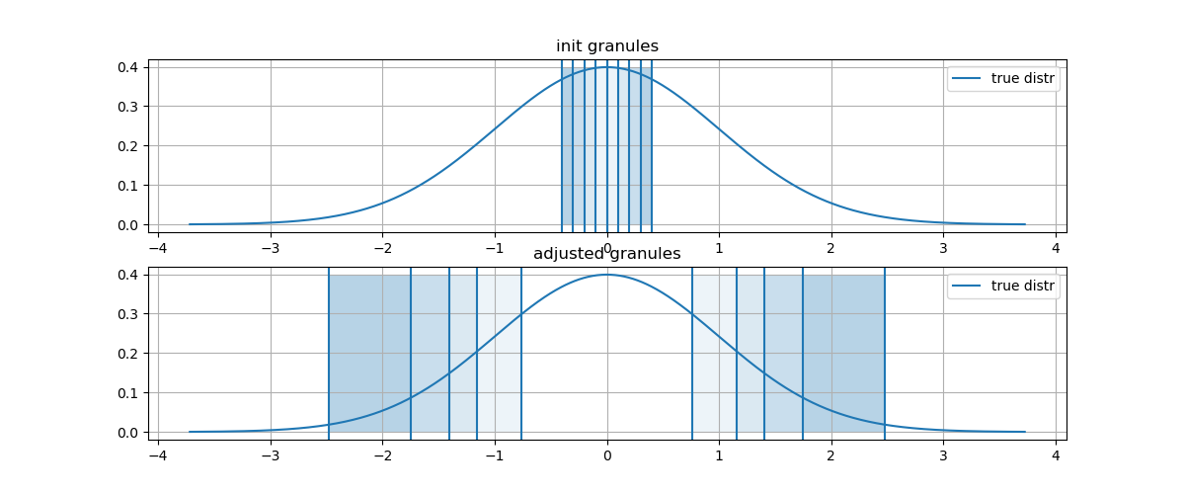
init_g | init_G+ | adjusted_g | adjusted_G+ | mes_g
1 | 0 | 0.55772186061 | 0.76413015813 | 0.5
0.99004983375 | 0.1 | 0.26184860683 | 1.1575788434 | 0.7
0.96078943915 | 0.2 | 0.13953781586 | 1.4033601224 | 0.82
0.91393118527 | 0.3 | 0.047479958256 | 1.7456940134 | 0.91
0.85214378897 | 0.4 | 0.0021606233128 | 2.4773692757 | 0.98

y_noise
y_noise
-1.3987769599 | loc | scale
-0.23017211175 | 0.17288256644 | 0.99896123433
-1.1141131808
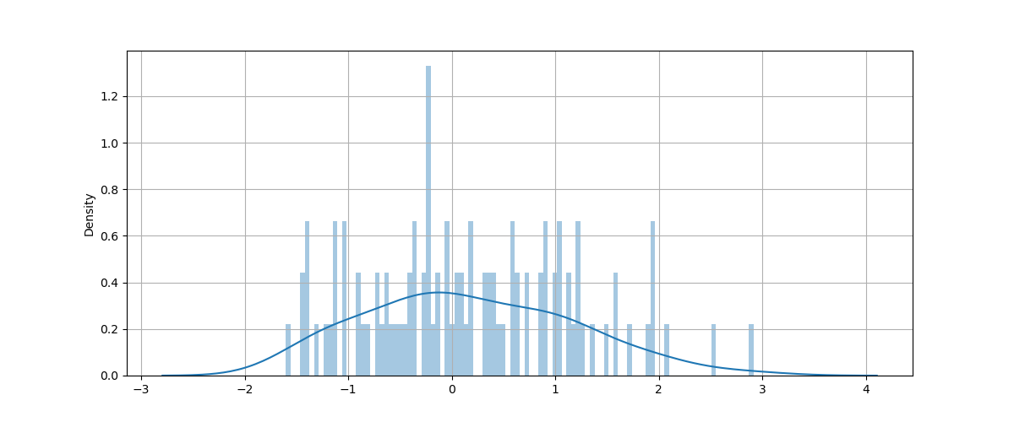
1.2001189078
-1.1708825479
0.19079408587
1.002694991
-1.0558990666
-0.49984685764
1.1488633729
-0.28367289724
-0.6192187551
0.20231801114
-1.0465540274
-0.15295922766
0.36020133494
2.0578371516
0.33801065334
-1.4385359559
-1.4126342964
0.3536770905
2.913712271
0.57575567793
-0.58761015138
0.56913003979
-0.46116829972
0.47736565565
-0.34044853064
-0.2115051159
-0.65072096578
-0.54399419102
0.17599947261
0.58983195
0.90124607284
0.71902302601
0.92280965787
-0.37790776628
0.42940734524
-1.1218161381
-0.20992439856
-0.91209590906
0.13246460057
1.9649193285
-0.66914604588
-0.036582274378
1.0444330542
-1.1476953136
-0.23699406422
0.61989420978
0.0111409492
1.188147906
0.87653827527
-1.0485685872
-0.70275481841
1.0470323251
-0.70666776416
-0.41500516053
1.0203933476
-1.238019564
0.04188510175
0.6470628757
-0.28388805578
-0.057392960826
-0.88946452312
0.10186295616
0.43233567832
-0.2155203326
1.9384489523
-1.3044019784
-0.049838492255
-1.4222263573
1.1366889348
-0.85984778328
0.055133929437
1.5040630958
1.5811835915
-0.11552692868
1.7356998195
0.91349012181
1.890377371
0.10768715022
0.98827870038
2.5477880978
-0.39036226088
0.39188887746
-0.21969548562
0.72335971968
1.2611813102
1.2085186425
0.84268618823
1.9586478635
-0.82016665134
-1.6023198699
-0.19768529959
1.5864686688
0.33873767251
1.3643251193
-1.41162259
1.2110125278
-0.37246657411

