Exemplo1
Respondente | V1 | V2 | Idade | Tabela de Distancias (Euclidiana)
A | 3 | 2 | 18 |  | A | B | C | D | E | F | G
B | 4 | 5 | 25 | A | --- | --- | --- | --- | --- | --- | ---
C | 4 | 7 | 32 | B | 3.162 | --- | --- | --- | --- | --- | ---
D | 2 | 7 | 28 | C | 5.099 | 2.000 | --- | --- | --- | --- | ---
E | 6 | 6 | 31 | D | 5.099 | 2.828 | 2.000 | --- | --- | --- | ---
F | 7 | 7 | 34 | E | 5.000 | 2.236 | 2.236 | 4.123 | --- | --- | ---
G | 6 | 4 | 39 | F | 6.403 | 3.606 | 3.000 | 5.000 | 1.414 | --- | ---
 |  |  |  | G | 3.606 | 2.236 | 3.606 | 5.000 | 2.000 | 3.162 | ---
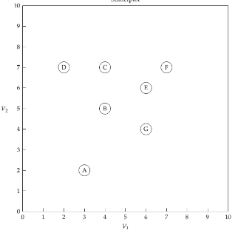

 |  |  |  |  |  | E | E-F-G | C-D, E-F-G | B-C-D, E-F-G | B-C-D-E-F-G | A-B-C-D-E-F-G
 |  |  |  |  |  | 1.414 | 6.5764912225 | 8.5764912225 | 10.576491223 | 12.700 | 15.861874508
 |  |  |  |  |  | 1 | 3 | 4 | 5 | 5 | 6
 |  |  |  |  |  | 1.4142135624 | 2.1921637408 | 2.1441228056 | 2.1152982445 | 2.5399193696 | 2.6436457514

