Hoja1
IPC Predictors Estàtics
Bpred_dir_rate Predictors Estàtics
IPC | Nottaken | Taken | Perfect
Ammp | 0 | 0.0899 | 0.0973
Applu | 1.0368 | 1.037 | 1.055
Eon | 0.8896 | 0.8982 | 1.386
Equake | 0.8647 | 0.8806 | 1.7914
Vpr | 0.6793 | 0.6872 | 1.3598
Mitjana | 0.71202 | 0.71858 | 1.1379

.bpred_dir_rate | Nottaken | Taken | Perfect
Ammp | 0.5627 | 0.6196 | 1
Applu | 0.158 | 0.842 | 1
Eon | 0.5702 | 0.7683 | 1
Equake | 0.6955 | 0.6723 | 1
Vpr | 0.5774 | 0.5878 | 1
Mitjana | 0.51276 | 0.698 | 1

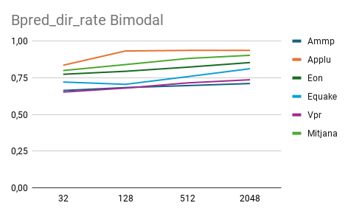
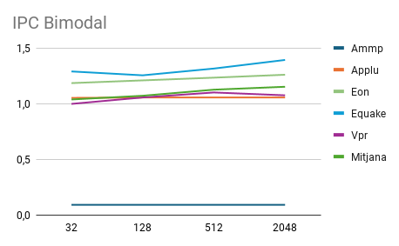
 | Bimodal --> IPC
 | 8 | 32 | 128 | 512 | 2048
Ammp | 0.6557 | 0.6763 | 0.6894 | 0.6972 | 0.6981
Applu | 1.0529 | 1.0529 | 1.0529 | 1.053 | 1.053
Eon | 1.1967 | 1.2221 | 1.2603 | 1.2962 | 1.306
Equake | 1.2868 | 1.3494 | 1.5258 | 1.6378 | 1.698
Vpr | 0.9986 | 1.0563 | 1.1008 | 1.0754 | 1.0915
Mitjana | 1.03814 | 1.0714 | 1.12584 | 1.15192 | 1.16932

 | Bimodal --> (.bpred_dir_rate)
 | 8 | 32 | 128 | 512 | 2048
Ammp | 0.8605 | 0.9213 | 0.9495 | 0.9649 | 0.9669
Applu | 0.8429 | 0.8446 | 0.8446 | 0.8463 | 0.8463
Eon | 0.7964 | 0.822 | 0.8742 | 0.9174 | 0.9232
Equake | 0.7206 | 0.7844 | 0.8754 | 0.9366 | 0.9639
Vpr | 0.776 | 0.8268 | 0.8635 | 0.8504 | 0.8602
Mitjana | 0.79928 | 0.83982 | 0.88144 | 0.90312 | 0.9121

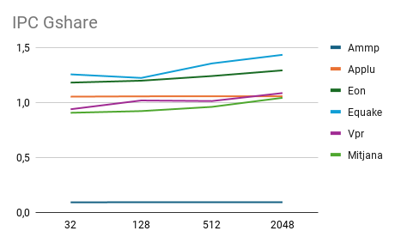
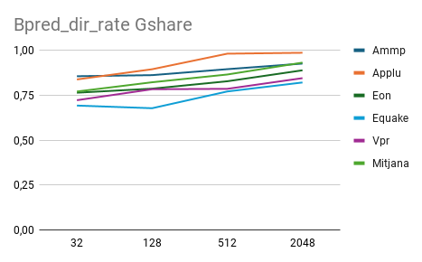
 | Gshare --> IPC
 | 8 | 32 | 128 | 512 | 2048
Ammp | 0.0957 | 0.0959 | 0.0963 | 0.0966 | 0.097
Applu | 1.049 | 1.056 | 1.0564 | 1.0564 | 1.0564
Eon | 1.1792 | 1.1926 | 1.2428 | 1.3173 | 1.3642
Equake | 1.2951 | 1.2883 | 1.3801 | 1.5722 | 1.7074
Vpr | 0.9134 | 0.977 | 1.0248 | 1.1694 | 1.2626
Mitjana | 0.90648 | 0.92196 | 0.96008 | 1.04238 | 1.09752

 | Gshare --> (.bpred_dir_rate)
 | 8 | 32 | 128 | 512 | 2048
Ammp | 0.86 | 0.8728 | 0.9025 | 0.943 | 0.9751
Applu | 0.809 | 0.9781 | 0.994 | 0.9957 | 0.9957
Eon | 0.763 | 0.769 | 0.8426 | 0.9255 | 0.9706
Equake | 0.7258 | 0.7275 | 0.7881 | 0.8967 | 0.956
Vpr | 0.6948 | 0.7626 | 0.7987 | 0.896 | 0.9502
Mitjana | 0.77052 | 0.822 | 0.86518 | 0.93138 | 0.96952

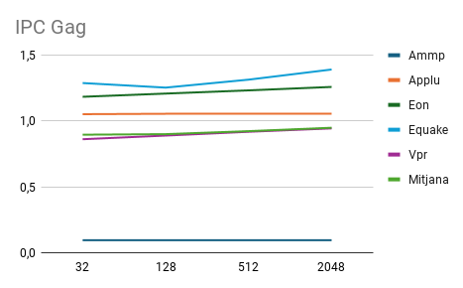
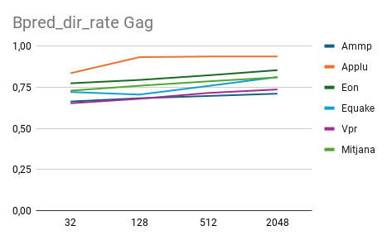
 | Gag --> IPC
 | 8 | 32 | 128 | 512 | 2048
Ammp | 0.095 | 0.0951 | 0.0951 | 0.0954 | 0.0932
Applu | 1.0525 | 1.0557 | 1.0557 | 1.0557 | 1.0555
Eon | 1.1847 | 1.2091 | 1.2334 | 1.2596 | 1.2846
Equake | 1.2891 | 1.2544 | 1.3149 | 1.392 | 1.4258
Vpr | 0.8623 | 0.8901 | 0.9189 | 0.9445 | 0.9609
Mitjana | 0.89672 | 0.90088 | 0.9236 | 0.94944 | 0.964

 | Gag --> (.bpred_dir_rate)
 | 8 | 32 | 128 | 512 | 2048
Ammp | 0.6632 | 0.683 | 0.6968 | 0.7107 | 0.7173
Applu | 0.8352 | 0.9326 | 0.9365 | 0.9364 | 0.9352
Eon | 0.7738 | 0.7941 | 0.8223 | 0.8536 | 0.8791
Equake | 0.7209 | 0.7052 | 0.7578 | 0.8116 | 0.8379
Vpr | 0.6524 | 0.6797 | 0.7152 | 0.7364 | 0.7556
Mitjana | 0.7291 | 0.75892 | 0.78572 | 0.80974 | 0.82502

IPC Pag
Bpred_dir_rate Pag
 | Pag --> IPC
 | (4-4) | (8-16) | (16-64) | (32-256) | (64-1024) | (32-2048)
Ammp | 0.0952 | 0.096 | 0.0962 | 0.0965 | 0.0967 | 0.0966
Applu | 1.0527 | 1.0556 | 1.056 | 1.0559 | 1.0562 | 1.0562
Eon | 1.18 | 1.1974 | 1.2395 | 1.2909 | 1.3542 | 1.3383
Equake | 1.2548 | 1.2224 | 1.3537 | 1.4318 | 1.5753 | 1.5885
Vpr | 0.9386 | 1.0181 | 1.0128 | 1.0852 | 1.1462 | 1.1267
Mitjana | 0.90426 | 0.9179 | 0.95164 | 0.99206 | 1.04572 | 1.04126

 | Pag --> (.bpred_dir_rate)
 | (4-4) | (8-16) | (16-64) | (32-256) | (64-1024) | (32-2048)
Ammp | 0.8556 | 0.8617 | 0.8949 | 0.926 | 0.9485 | 0.9373
Applu | 0.8377 | 0.8945 | 0.9811 | 0.9862 | 0.9897 | 0.9897
Eon | 0.7639 | 0.7864 | 0.8276 | 0.8886 | 0.952 | 0.9375
Equake | 0.6923 | 0.6775 | 0.7708 | 0.8208 | 0.9032 | 0.899
Vpr | 0.7222 | 0.7832 | 0.7854 | 0.8449 | 0.884 | 0.8709
Mitjana | 0.77434 | 0.80066 | 0.85196 | 0.8933 | 0.93548 | 0.92688

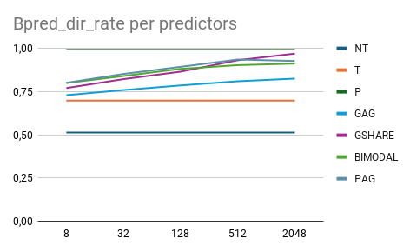
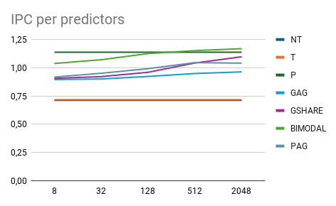
 | COMPORTAMENT PER MITJANES CALCULADES
IPC | NT | T | P | GAG | GSHARE | BIMODAL | PAG
8 | 0.71202 | 0.71858 | 1.1379 | 0.89672 | 0.90648 | 1.03814 | 0.9179
32 | 0.71202 | 0.71858 | 1.1379 | 0.90088 | 0.92196 | 1.0714 | 0.95164
128 | 0.71202 | 0.71858 | 1.1379 | 0.9236 | 0.96008 | 1.12584 | 0.99206
512 | 0.71202 | 0.71858 | 1.1379 | 0.94944 | 1.04238 | 1.15192 | 1.04572
2048 | 0.71202 | 0.71858 | 1.1379 | 0.964 | 1.09752 | 1.16932 | 1.04126

 | COMPORTAMENT PER MITJANES CALCULADES
% encerts | NT | T | P | GAG | GSHARE | BIMODAL | PAG
8 | 0.51276 | 0.698 | 1 | 0.7291 | 0.77052 | 0.79928 | 0.80066
32 | 0.51276 | 0.698 | 1 | 0.75892 | 0.822 | 0.83982 | 0.85196
128 | 0.51276 | 0.698 | 1 | 0.78572 | 0.86518 | 0.88144 | 0.8933
512 | 0.51276 | 0.698 | 1 | 0.80974 | 0.93138 | 0.90312 | 0.93548
2048 | 0.51276 | 0.698 | 1 | 0.82502 | 0.96952 | 0.9121 | 0.92688
Rate Prediction YAGS
IPC ratio Benchmark-YAGS

 | Yags | .bpred_dir_rate
 | 4 - 1 | 16 - 2 | 64 - 3 | 256 - 4 | 1024 - 5
Ammp | 0.9669 | 0.9669 | 0.9669 | 0.9669 | 0.9669
Applu | 0.8463 | 0.8463 | 0.8463 | 0.8463 | 0.8463
Eon | 0.9232 | 0.9232 | 0.9232 | 0.9232 | 0.9232
Equake | 0.9639 | 0.9639 | 0.9639 | 0.9639 | 0.9639
Vpr | 0.8598 | 0.8598 | 0.8598 | 0.8598 | 0.8598
Mitjana | 0.91202 | 0.91202 | 0.91202 | 0.91202 | 0.91202

 | Yags | IPC
 | 4 - 1 | 16 - 2 | 64 - 3 | 256 - 4 | 1024 - 5
Ammp | 0.0969 | 0.0969 | 0.0969 | 0.0969 | 0.0969
Applu | 1.053 | 1.053 | 1.053 | 1.053 | 1.053
Eon | 1.306 | 1.306 | 1.306 | 1.306 | 1.306
Equake | 1.6980 | 1.6980 | 1.6980 | 1.6980 | 1.6980
Vpr | 1.0909 | 1.0909 | 1.0909 | 1.0909 | 1.0909

