Country report
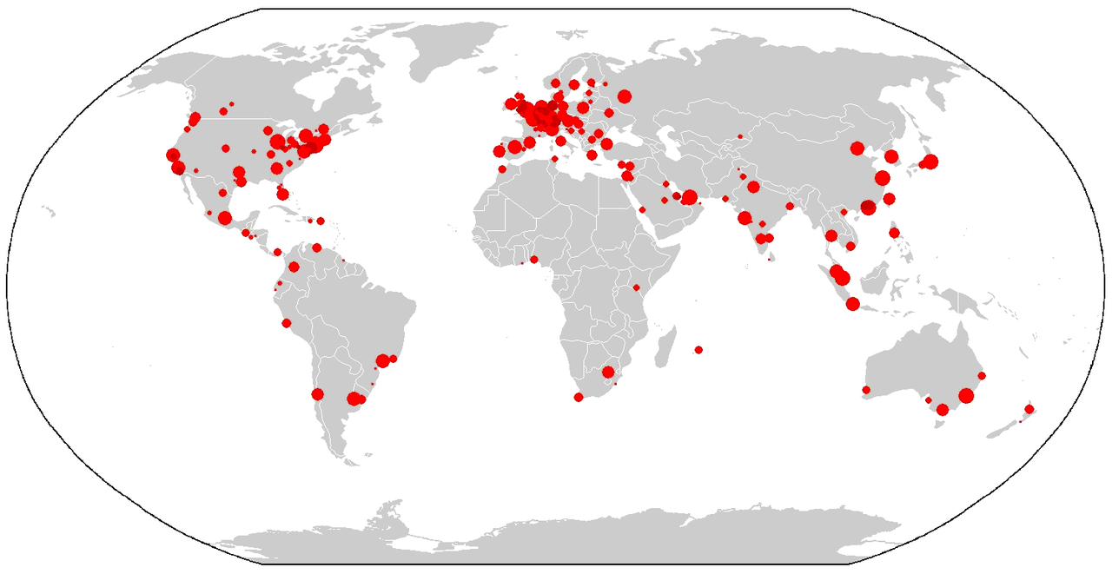

Chart
 | {{analysis}}
{{cities}}

 | {{cities}}
{{analysis}}

{{country.sheetName}}
Country: [[country.name]]

Cities

City | Population
[[country.city.name]] | [[country.city.population]]

