Estimation
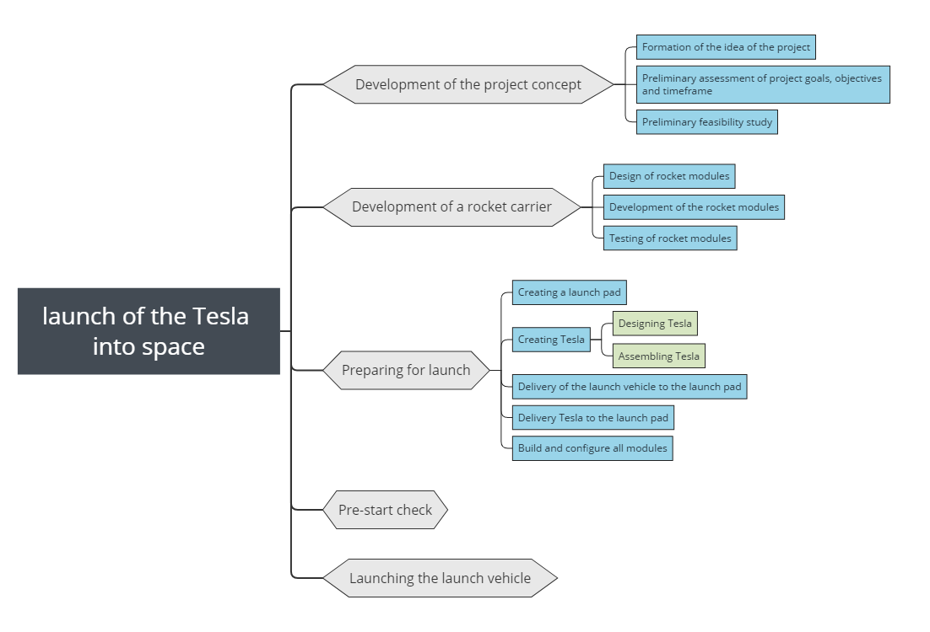
Expert review
Вам нужно оценить, сколько времени понадобиться для запуска Tesla в космос. Примените известные вам техники эстимации для расчетов.

ID | Task | Durability | Start | 9.9.2012 | 9.9.2013 | 9.9.2014 | 9.9.2015 | 9.9.2016 | 9.9.2017 | 9.9.2018
 | launch of the Tesla into space | 7 years | 9.9.2012
1 | Development of the project concept | 6 months | 9.9.2012
1.1 | Formation of the idea of the project | 2 months | 9.9.2012
1.2 | Preliminary assessment of project goals, objectives and timeframe | 2 months | 9.11.2012
1.3 | Preliminary feasibility study | 2 months | 9.1.2013
2 | Development of a rocket | 6 years | 9.3.2013
2.1 | Design of rocket modules | 1.5 year | 9.3.2013
2.2 | Development of the rocket modules | 3.5 year | 9.9.2014
2.3 | Testing of rocket modules | 3.5 year | 9.9.2015
3 | Preparing for launch | 34 months | 9.9.2016
3.1 | Creating a launch pad | 18 months | 9.9.2016
3.2 | Creating Tesla | 1 year | 9.9.2016
3.2.1 | Designing Tesla | 8 months | 9.9.2016
3.2.2 | Assembling Tesla | 4 months | 9.5.2017
3.3 | Delivery of the launch vehicle to the launch pad | 3 months | 9.3.2018
3.4 | Delivery Tesla to the launch pad | 15 days | 9.3.2018
3.5 | Build and configure all modules | 5 months | 9.5.2019
4 | Pre-start check | 25 days | 9.8.2019
5 | Launching the launch vehicle | 5 hour | 9.9.2019

 | 3 Points methog | 1optimistic + 1 pessimistic + 4 real/6 6+ 12+ 4*7/6 = 7.5

