Sheet1
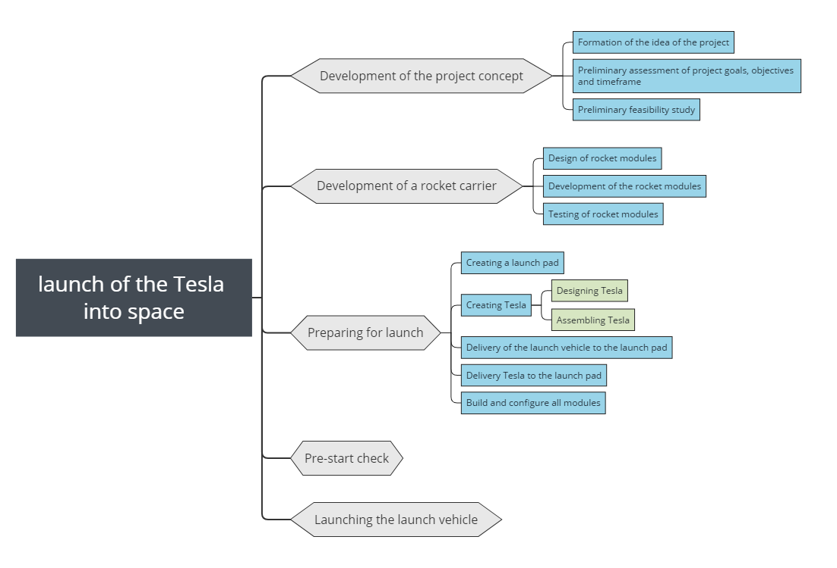
ID | Task | Durability | Start | 9.9.2012 | 9.9.2013 | 9.9.2014 | 9.9.2015 | 9.9.2016 | 9.9.2017 | 9.9.2018
 | launch of the Tesla into space |  | 9.9.2012
1 | Development of the project concept
1.1 | Formation of the idea of the project
1.2 | Preliminary assessment of project goals, objectives and timeframe
1.3 | Preliminary feasibility study
2 | Development of a rocket
2.1 | Design of rocket modules
2.2 | Development of the rocket modules
2.3 | Testing of rocket modules
3 | Preparing for launch
3.1 | Creating a launch pad
3.2 | Creating Tesla
3.2.1 | Designing Tesla
3.2.2 | Assembling Tesla
3.3 | Delivery of the launch vehicle to the launch pad
3.4 | Delivery Tesla to the launch pad
3.5 | Build and configure all modules
4 | Pre-start check
5 | Launching the launch vehicle

