CNN model explanation
CNN model thing | Explanation
Contrast
Image filtering
Normalisation | Convert valuse in rang from 0 to 1
Model tipes | Sequential-> Sequential groups a linear stack of layers into
 | Functional-> The same as Sequentional just in different form
padding='x' | Extends input shape e.g(1,1) if Kernel size is 3x3 on image 5x5, because we want also honest include pixel valuse on the corners of the input image padding='Valid'-> there is no padding padding='Same'-> add padding, output image sahape will be the same as input
strides(x,x) | Define Kernel moving step, by default moving is ever pixel in vertical and horizontal direction, but you can increase Kernel moveing step with this parametter strides(1,1)->Default kernel moveing strides(2,2)-> Kernal moveing step is 2 pixels
filter=x | Aplying different types of filters e.g. vertical filter, horizontal filter, edge filter. Commonly values is 2 pow n i.e fiter= 4,8,16,32,64,128….
input_shape() | Defines input sahpe of a layer
Activation functions | 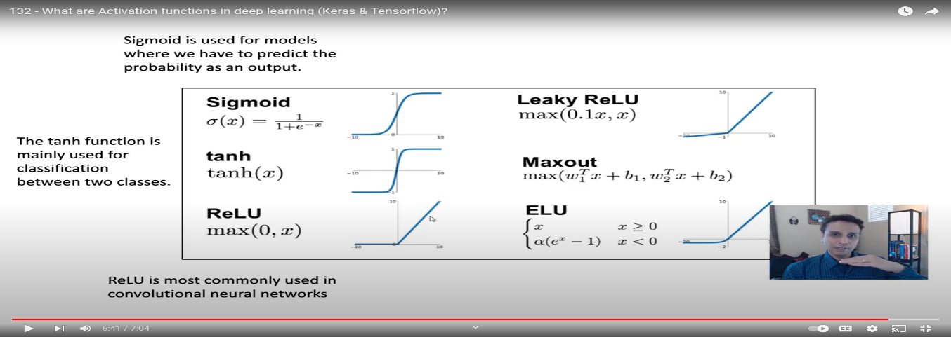
Activation functios= "Softmax" | Convert layers values to the probabilities. Neuron with Maximal vlues is solution of the problems if softmax function is used in the last CNN layer | 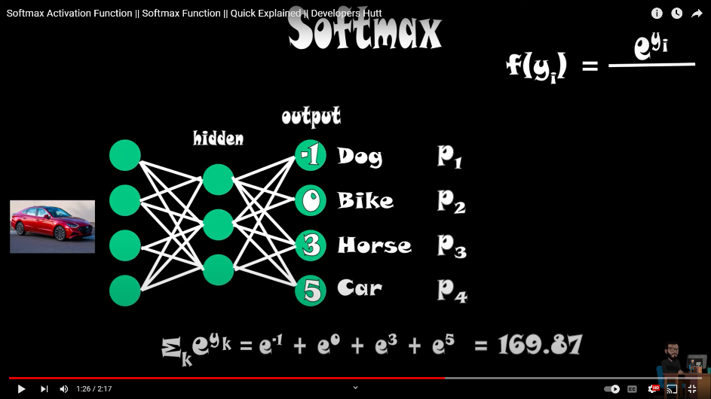
Fletten layer | Convert npr. Imagre 28X28 in shape 1x784
Dense layer | tf.keras.layers.Dense( | Neurons with weights and bias which depends on input have calculations of output. E.g.-> Dense(36, activation = "softmax") 36->numer of neurons activation-> activation function, Dense at the end typicaly use "Softmax"for more decimal places= precisier output
 | units,
 | activation=None,
 | use_bias=True,
 | kernel_initializer='glorot_uniform',
 | bias_initializer='zeros',
 | kernel_regularizer=None,
 | bias_regularizer=None,
 | activity_regularizer=None,
 | kernel_constraint=None,
 | bias_constraint=None,
 | **kwargs
 | )

Conv2D Layer | tf.keras.layers.Conv2D(
 | filters,
 | kernel_size,
 | strides=(1, 1),
 | padding='valid',
 | data_format=None,
 | dilation_rate=(1, 1),
 | groups=1,
 | activation=None,
 | use_bias=True,
 | kernel_initializer='glorot_uniform',
 | bias_initializer='zeros',
 | kernel_regularizer=None,
 | bias_regularizer=None,
 | activity_regularizer=None,
 | kernel_constraint=None,
 | bias_constraint=None,
 | **kwargs
 | )

Dropout layer | tf.keras.layers.Dropout( | Randomly removes specified percent on neurons from previous layer. Thanks to this it reduces possibility of overfitting, and make ours model robust on recogniseing new dana (which isn't used in training) E.g. ->model.add(Dropout(0.25)) means 25% persent nurons from previous layer will be removed
 | rate, noise_shape=None, seed=None, **kwargs
 | )

Optimizer=Adam | Optimize learning curve like down hill gradient problem, or changeing regersion angle in order to make minimal errors in relation to wanted output. Good is we don't need to adjust parametters.All use its default valuse E.g. -> optimizer = Adam(lr=0.001, beta_1=0.9, beta_2=0.999)
Loss = "categorical_crossentropy" | Calculate current output in relation with wanted output E.g. -> loss = "categorical_crossentropy"
metrics="accuracy" | Commonly used accuracy E.g. -> metrics=["accuracy"]
model.compile() | Model.compile(
 | optimizer="rmsprop",
 | loss=None,
 | metrics=None,
 | loss_weights=None,
 | weighted_metrics=None,
 | run_eagerly=None,
 | steps_per_execution=None,
 | jit_compile=None,
 | **kwargs
 | )

model.fit() | Model.fit(
 | x=None,
 | y=None,
 | batch_size=None,
 | epochs=1,
 | verbose="auto",
 | callbacks=None,
 | validation_split=0.0,
 | validation_data=None,
 | shuffle=True,
 | class_weight=None,
 | sample_weight=None,
 | initial_epoch=0,
 | steps_per_epoch=None,
 | validation_steps=None,
 | validation_batch_size=None,
 | validation_freq=1,
 | max_queue_size=10,
 | workers=1,
 | use_multiprocessing=False,
 | )
X_train, X_val, Y_train, Y_val = train_test_split(X_train, Y_train, test_size=0.1, random_state=2) | X_train = images for training model
 | Y_train = classes of X_train images for training model
 | X_val = images for validating model
 | Y_val = classes of X_val images for validating model
 | test_size=0.3 divides your dataset 30% for validation, 70% for training
 | We don't want to take first 70% of dataset for training because because maybe in the last 30% od data set we have another classes which don't exist in first 70% of dataset Our dataset will be every time divided with random samples if we don't specify the random state value Unspecified value of random_state parameter can result with different model accuracy for the exactly the same model If we define random_state=1 every time our test and validation data will contain the same examples for each self, until we don't change random_state parameter to another int value

ImageDataGenerator - Data agumentation | tf.keras.preprocessing.image.ImageDataGenerator(
 | featurewise_center=False,
 | samplewise_center=False,
 | featurewise_std_normalization=False,
 | samplewise_std_normalization=False,
 | zca_whitening=False,
 | zca_epsilon=1e-06,
 | rotation_range=0, | Int values 0-45. -> Random rotate images between 0 and 45 degrees.
 | width_shift_range=0.0, | Shift image to left or right possible values are floats in the interval [-1.0, +1.0). float: fraction of total width, if < 1, or pixels if >= 1. int: integer number of pixels from interval (-width_shift_range, +width_shift_range) - With width_shift_range=2 possible values are integers [-1, 0, +1], same as with width_shift_range=[-1, 0, +1], while with width_shift_range=1.0
 | height_shift_range=0.0, | Shift image to up or down possible values are floats in the interval [-1.0, +1.0). float: fraction of total width, if < 1, or pixels if >= 1. int: integer number of pixels from interval (-width_shift_range, +width_shift_range) - With width_shift_range=2 possible values are integers [-1, 0, +1], same as with width_shift_range=[-1, 0, +1], while with width_shift_range=1.0
 | brightness_range=None,
 | shear_range=0.0, | Float range 0-1 = % Float. Shear Intensity (Shear angle in counter-clockwise direction in degrees)
 | zoom_range=0.0,
 | channel_shift_range=0.0, | Float range 0-1 = % Float or [lower, upper]. Range for random zoom. If a float, [lower, upper] = [1-zoom_range, 1+zoom_range].
 | fill_mode='nearest', | One of {"constant", "nearest", "reflect" or "wrap"}. Default is 'nearest'. Points outside the boundaries of the input are filled according to the given mode: 'constant': kkkkkkkk|abcd|kkkkkkkk (cval=k) -> Outside boundaries will be defined color "k" 'nearest': aaaaaaaa|abcd|dddddddd -> Strach boundaries pixel valuse 'reflect': abcddcba|abcd|dcbaabcd -> Use reflected images to fill the bounderies 'wrap': abcdabcd|abcd|abcdabcd -> Paste the same image in all directions
 | cval=0.0, | Dfine color for fill_mode, 0=black 255=white
 | horizontal_flip=False, | Boolean. Randomly flip inputs horizontally.
 | vertical_flip=False, | Boolean. Randomly flip inputs vertically.
 | rescale=None,
 | preprocessing_function=None,
 | data_format=None,
 | validation_split=0.0,
 | interpolation_order=1,
 | dtype=None
 | )

