Screenshots
5.4.
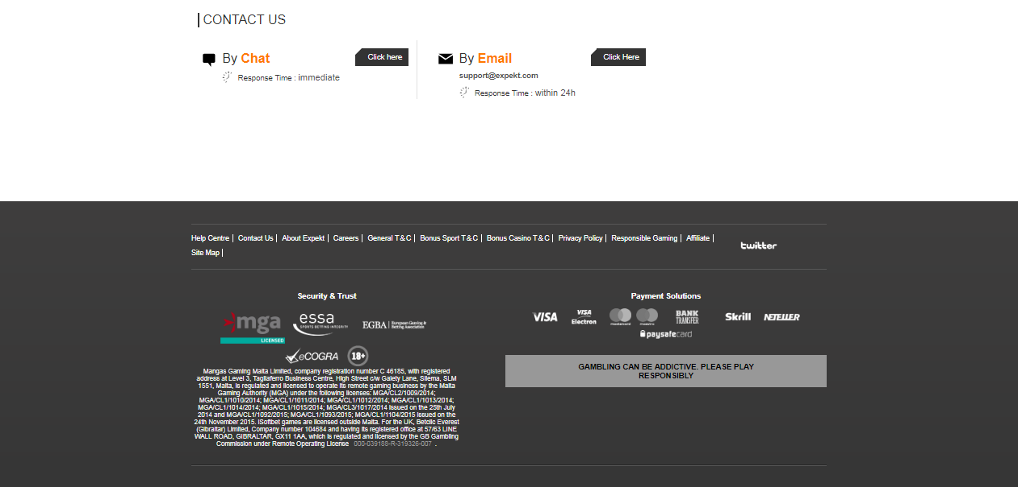

6.2.

