Список дефектов
Ivan Grishenko email: i8880000@gmail.com
№ | Summary | Discriptions | Steps | Reproducibility | Priority | Symptom | Expected result | Device | Versoin
1 | incorrect display of tags on the main screen when adding a long tag | When you add a tag with a long name of more than 40 characters, the display of the tag on the main screen goes beyond the module that contains the tag itself. Precondition: 1.Open Mentalist app in browser by the link https://mentalist.app | 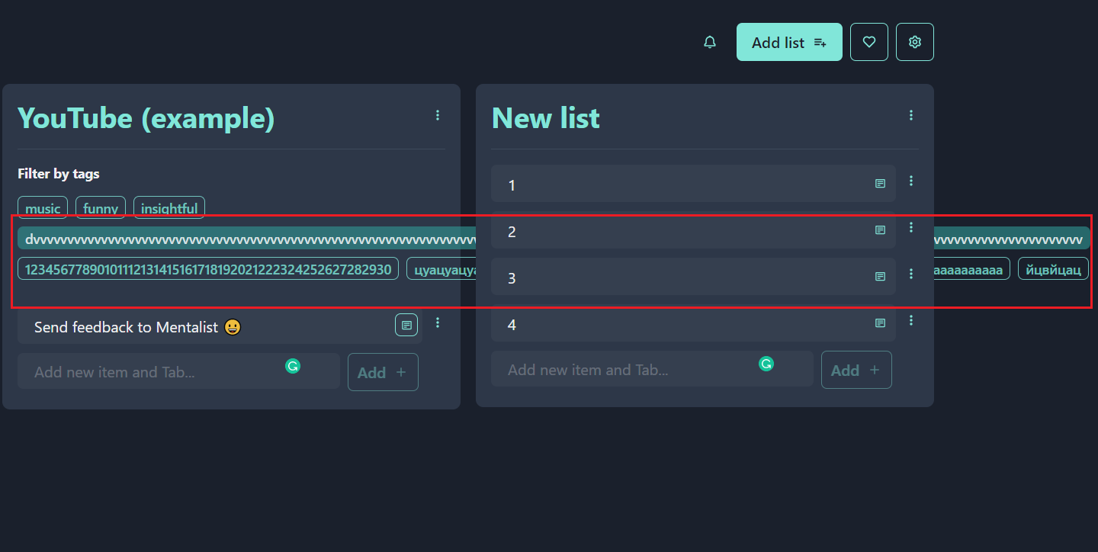 1. Press the hamburger button opposite the element in the central sheet. 2.In the field for entering a tag in the Tags module, enter a tag consisting of more than 40 characters | Always | Major | Cosmetic Flaw | Limit the number of characters you enter or line breaks | Asus Tuf Gaming Windows 10 v.21H1 | Google Chome v.90.0.4430.212
2 | the tag input field can accept spaces without other characters | When adding a tag, write only a space, an empty tag will be displayed on the main screen. Precondition: 1.Open Mentalist app in browser by the link https://mentalist.app | 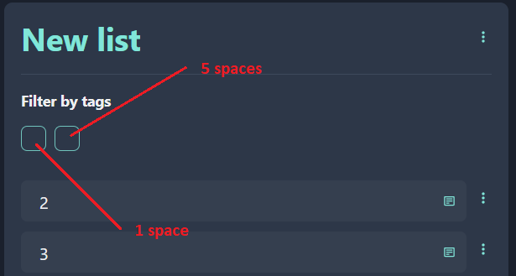 1. Press the hamburger button opposite the element in the central sheet. 2.In the field for entering a tag in the Tags module, enter a tag consisting of a space. If you add another tag containing more than one space, that tag will appear as a tag with one space. | Always | Medium | Cosmetic Flaw | The tag name shouldn't contain only spaces at all. The tag name must match the name entered when the tag was created | Asus Tuf Gaming Windows 10 v.21H1 | Google Chome v.90.0.4430.213
3 | Incorrect display of like-dislike icons, incorrect display of the word "Просмотры" when the string breaks | Incorrect display of "like / dislike" icons, incorrect display of the word "Views" when a line break in the video list, when watching a video, not in full-screen mode, and when the "Watch Later" pop-up window is open Precondition: 1. Open the YouTube mobile app on your mobile phone. | 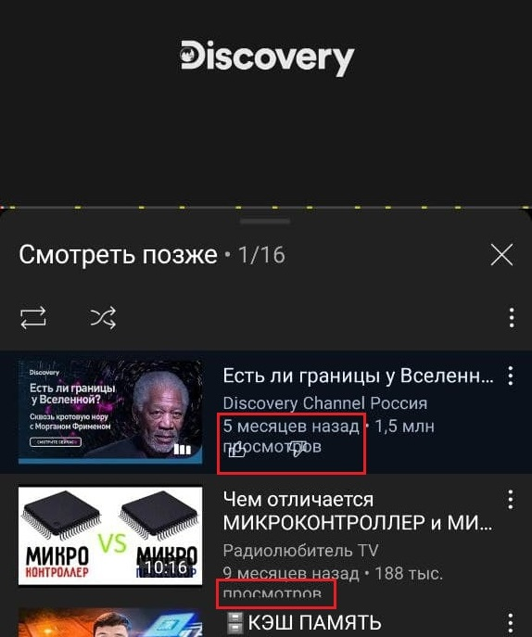 1. Open mobile app youtube. 2. Go to the library section. 3. Select "Watch Later". 4. Open any video from this list in non-full screen mode. 5. At the bottom of the screen, click on the player "Next". 6.This video list will open. | Always | Minor | Cosmetic Flaw | Elements should not overlap. | Realme X2 Pro. Android 10 1080x2400 | YouTube v.16.17.36
4 | black screen after opening a photo when you took it | After you have taken a photo, you can immediately look at it to the right of the photo button, however, when you click on the photo you took. black screen appears photo is not displayed Precondition: 1.PixelCam - this is a custom camera, not standard. Let's assume that it is already installed on your smartphone. |  1.Open PixelCam Camera. 2.Take a photo. 3.Click the round photo icon to the right of the photo shutter button 4.A black screen appears | Always | Critical | System crash | The last photo taken opens | Realme X2 Pro. Android 10 1080x2401 | PixelCam 7.3.018 by jairo_rossi
5 | The google translator page in the browser is not responding | When switching from a tab with google translator to another tab, and then returning, the page with google translator stops responding | 1. Open the Google Chrome browser. 2. Open the Google Translate page. 3. Move to another tab. 4. Return to the Google Translate tab. | Sometimes | Critical | System crash | The page continues to work | Asus Tuf Gaming Windows 10 v.21H1 | Google Chome v.90.0.4430.212
6
7
8
9
10
11
12
13

