Bugs
N# | Feature | Title | Preconditions | Steps | Actual Result | Execution Result | Attachment | Priority | Severity
1 | Owner Registration | First Name field accepts Cyrillic characters | 1. The application is running on http://localhost:8080. | 1.Navigate to "Add Owner". 2.Enter "Иван" in First Name. 3.Fill other valid data. 4. Click "Add Owner". | The system successfully creates the owner record with Cyrillic names. | Fail |  | 2 | 2
2 | Owner Registration | Name fields accept numeric characters | 1.User is on the "Add Owner" page. | 1.Enter "Name11" in First Name. 2.Fill other valid data. 3.Click "Add Owner". | The owner record is created with invalid numeric data. | Fail | 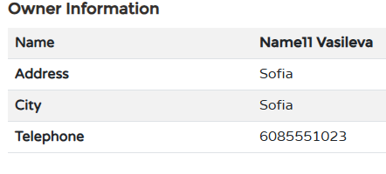 | 2 | 2
3 | Owner Registration | System accepts single-character names | 1.User is on the "Add Owner" page. | 1.Enter "A" in First Name and City. 2.Fill other valid data. 3.Click "Add Owner". | Record is saved successfully, ignoring the 2-character minimum rule. | Fail |  | 2 | 2
4 | Owner Registration | Mandatory fields accept only whitespace | 1.User is on the "Add Owner" page. | 1.Enter " " (spaces) in First Name. 2.Fill other valid data. 3.Click "Add Owner". | System considers the field "filled" and creates the record. | Fail | 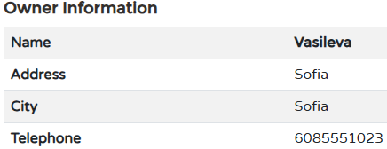 | 2 | 2
5 | Owner Registration | Mandatory fields accept whitespace/spaces. | 1.User is on the "Add Owner" page. | 1.Enter only spaces (" ") in "First Name". 2.Fill other fields with valid data. 3.Click "Add Owner". | The system accepts the spaces, considers the field "filled", and creates the record. | Fail |  | 2 | 2
6 | Owner Registration | Telephone field accepts 11 digits and leading zero | 1.User is on the "Add Owner" page. | 1. Enter "01234567890" in Telephone field (11 digits). 2.Fill other fields with valid data. 3.Click "Add Owner". | System saves an 11-digit number, ignoring the 10-digit limit. | Fail |  | 2 | 2
7 | Pet Registration | Pet Name field accepts Cyrillic characters | 1.User is on the "Add New Pet" form for an existing owner. | 1.Enter "Рекс" in Name field. 2.Fill other fields with valid data. 3.Click "Add Pet". | Pet is saved with a Cyrillic name, violating English-only rule. | 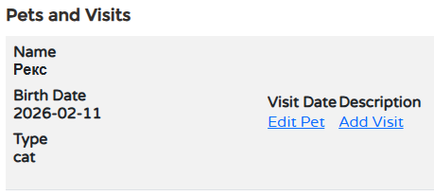 Fail |  | 1 | 1
8 | Pet Registration | Birthdate validation failure: Future dates allowed | 1.User is on "Add New Pet" page. | 1.Enter a future date (e.g., 2099-01-01). 2.Fill other fields with valid data. 3.Click "Add Pet". | System successfully saves a pet with a birthdate in the future. | Fail | 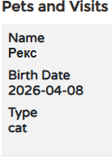 | 1 | 1
9 | Visit Book | Validation failure: System allows booking visits in the past | 1.User is on the "Add Visit" page. | 1.Select a date from 2020. 2.Enter valid description 3.Click "Add Visit". | The visit is saved and appears in history with the past date. | 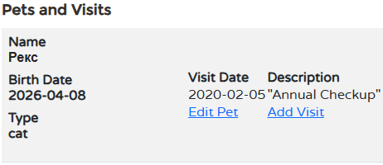 Fail |  | 1 | 1
10 | Visit Book | Description field accepts Cyrillic characters | 1.User is on the "Add Visit" page. | 1.Enter "Тест1" in Description. 2.Select valid data 3.Click "Add Visit". | System accepts Cyrillic input despite English-only requirement. | Fail | 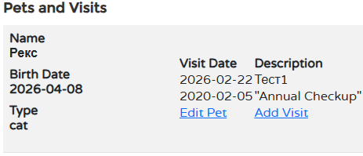 | 2 | 2
11 | Owner Registration | Name fields accept special characters | 1.User is on the "Add Owner" page. | 1.Enter "**" or "!!!" in Name fields. 2.Fill other field with valid data. 3.Click "Add Owner". | System creates the owner without showing a validation error. | Fail | 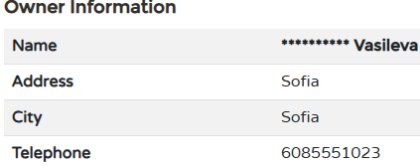 | 2 | 2

