Rastreio
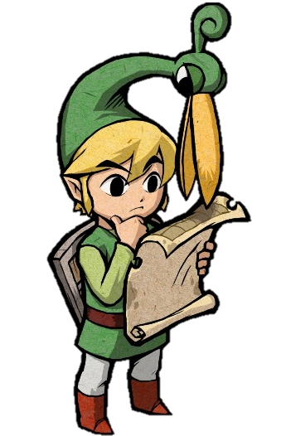
CONTROLE DE IMPORTAÇÕES

CADÊ MEU JOGO Rastreio de compras de e-commerce baseado em seus códigos de rastreio

 |  | 1

Pedidos que Estão pra Chegar

Order ID | NOME DA NOTA | CONSOLE |  |  |  | NOME DO JOGO |  |  | VERSÃO
2828220648 | Bought 1x [Super Mario Odyssey] - AliExpress [NDS] | [NDS] | NDS] | NDS | NDS | 12 | 19 | Super Mario Odyssey | Normal [XP]
2593249747 | Bought 1x [Pokémon Moon] - AliExpress [NDS] | [NDS] |  |  | NDS | 12 | 12 | Pokémon Moon | Complete [DLX]
6055727313 | Bought 1x [Mega Man X] - AliExpress [NDS] | [NDS] |  |  | NDS | 12 | 10 | Mega Man X | Complete [XZ]!
2912430686 | Bought 1x [Super Mario 64 DS] - AliExpress [3DS] | [3DS] |  |  | 3DS | 12 | 17 | Super Mario 64 DS | Complete [DLX]
9483853306 | Bought 1x [Super Mario Galaxy] - AliExpress [3DS] | [3DS] |  |  | 3DS | 12 | 18 | Super Mario Galaxy | Complete [XZ]!

Pedidos com Problema

Order ID | NOME DA NOTA | CONSOLE |  |  |  | NOME DO JOGO |  |  | VERSÃO
3831998152 | Bought 1x [Paper Mario: The Thousand-Year Door] - AliExpress [NDS] | [NDS] | NDS] | NDS | NDS | 12 | 35 | Paper Mario: The Thousand-Year Door | Normal [XP]
5561729620 | Bought 1x [Pokémon Red] - AliExpress [NDS] | [NDS] |  |  | NDS | 12 | 11 | Pokémon Red | Complete [DLX]
6864946536 | Bought 1x [New Super Mario Bros. U] - AliExpress [SWT] | [SWT] |  |  | SWT | 12 | 23 | New Super Mario Bros. U | Normal [V3]!
5415997812 | Bought 1x [Animal Crossing: New Leaf] - AliExpress [SWT] | [SWT] |  |  | SWT | 12 | 25 | Animal Crossing: New Leaf | Complete [DLX]
5074725258 | Bought 1x [The Legend of Zelda: A Link Between Worlds] - AliExpress [3DS] | [3DS] |  |  | 3DS | 12 | 42 | The Legend of Zelda: A Link Between Worlds | Complete [DLC+]

Pedidos que vão ser devolvidos

Order ID | NOME DA NOTA | CONSOLE |  |  |  | NOME DO JOGO |  |  | VERSÃO
4319579638 | Bought 1x [Pokémon Let's Go, Pikachu!] - AliExpress [SWT] | [SWT] | SWT] | SWT | SWT | 12 | 26 | Pokémon Let's Go, Pikachu! | Complete [DLX]
2533510230 | Bought 1x [Yoshi's Crafted World] - AliExpress [SWT] | [SWT] |  |  | SWT | 12 | 21 | Yoshi's Crafted World | Complete [DLC+]
3044929118 | Bought 1x [Luigi's Mansion] - AliExpress [NDS] | [NDS] |  |  | NDS | 12 | 15 | Luigi's Mansion | Normal [V3]!
7595400160 | Bought 1x [Fire Emblem: Sacred Stones] - AliExpress [3DS] | [3DS] |  |  | 3DS | 12 | 26 | Fire Emblem: Sacred Stones | Complete [DLX]
3129537165 | Bought 1x [Yoshi's Crafted World] - AliExpress [3DS] | [3DS] |  |  | 3DS | 12 | 21 | Yoshi's Crafted World | Complete [XZ]!
8509378705

Pedidos que estão marcados com um determinado Status
Pending
Order ID | Tracking Number | Product Name | Quantity | Unit Price | Order Date | Order Status | Tax Paid | Shipping Fee | Description | Version

