Assignment 11
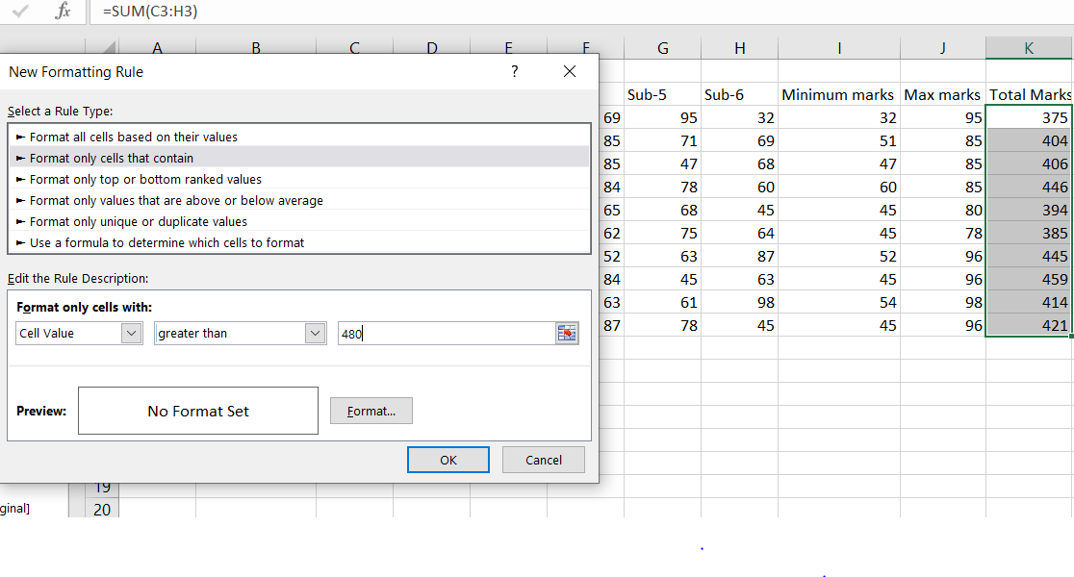
Roll No. | Name | Sub-1 | Sub-2 | Sub-3 | Sub-4 | Sub-5 | Sub-6 | Minimum marks | Max marks | Total Marks | Length of name | Replace the Name Rakhi with Rocky. | Combine the Roll Numbers and Names. | Removing space and sentence case
100101 | Rohan | 72 | 55 | 52 | 69 | 95 | 32 | 32 | 95 | 375 | 5 |  | 100101Rohan | Rohan
100102 | Mo han | 65 | 51 | 63 | 85 | 71 | 69 | 51 | 85 | 404 | 6 |  | 100102Mo han | Mo Han
100103 | Ravi meheta | 72 | 56 | 78 | 85 | 47 | 68 | 47 | 85 | 406 | 11 |  | 100103Ravi meheta | Ravi Meheta
100104 | Ruby tondon | 68 | 71 | 85 | 84 | 78 | 60 | 60 | 85 | 446 | 11 |  | 100104Ruby tondon | Ruby Tondon
100105 | Radhika gupta | 80 | 78 | 58 | 65 | 68 | 45 | 45 | 80 | 394 | 13 |  | 100105Radhika gupta | Radhika Gupta
100106 | Rakhi | 61 | 78 | 45 | 62 | 75 | 64 | 45 | 78 | 385 | 5 | Rocky | 100106Rakhi | Rakhi
100107 | david | 78 | 69 | 96 | 52 | 63 | 87 | 52 | 96 | 445 | 5 |  | 100107david | David
100108 | mon ika mis hra | 96 | 85 | 86 | 84 | 45 | 63 | 45 | 96 | 459 | 15 |  | 100108mon ika mis hra | Mon Ika Mis Hra
100109 | Tommy singh | 75 | 63 | 54 | 63 | 61 | 98 | 54 | 98 | 414 | 11 |  | 100109Tommy singh | Tommy Singh
100110 | p.rakesh | 63 | 52 | 96 | 87 | 78 | 45 | 45 | 96 | 421 | 8 |  | 100110p.rakesh | P.Rakesh

 |  |  |  |  |  |  |  | =MIN(C4:H4) | =MAX(C4:H4) | Formula: =SUM(C12:H12) | Formula: =LEN(B9) | Formula: =REPLACE(B8,1,5,"Rocky") | Formula: =CONCATENATE(A3,B3) | =PROPER((TRIM(B3)))

 | Conditional formating Is not highlighted as there is no marks greater than 480.

