1-DV
CAMPAIGN_SUB_CATEGORY | OUTCOME | AVG_GOAL | CAMPAIGN_SUB_CATEGORY | OUTCOME | AVG_GOAL
Games | successful | 4184.09 | Games | failed | 39232.05
Gaming Hardware | successful | 21750 | Gaming Hardware | failed | 4000
Live Games | successful | 1560 | Live Games | failed | 51929.41
Mobile Games | successful | 2502.5 | Mobile Games | failed | 34406.52
Playing Cards | successful | 8770.88 | Playing Cards | failed | 8143.75
Puzzles | successful | 1200 | Puzzles | failed | 5007.5
Tabletop Games | successful | 10853.3 | Tabletop Games | failed | 19074.89
Video Games | successful | 32003.7 | Video Games | failed | 50636.12
Average Goal of Successful and Failed Tabletop Campaigns

2-DV
CAMPAIGN_SUB_CATEGORY | OUTCOME | AVG_BACKER | AVG_Backers_Games
Mobile Games | successful | 56 | 423
Live Games | successful | 113 | 423
Gaming Hardware | successful | 125 | 423
Games | successful | 154 | 423
Puzzles | successful | 355 | 423
Playing Cards | successful | 395 | 423
Tabletop Games | successful | 902 | 423
Video Games | successful | 1280 | 423

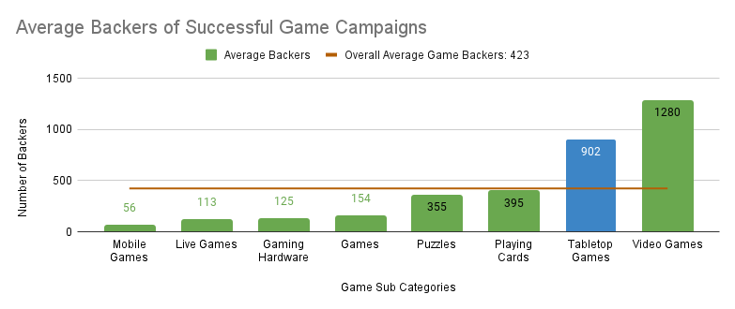

Average Backers of Successful Tabletop Campaigns

3-DV
CAMPAIGN_SUB_CATEGORY | AVG_PLEDGED_PER_BACKER | Avg Total Game
Live Games | 33.66 | 110.15
Puzzles | 36.9 | 110.15
Mobile Games | 38.49 | 110.15
Playing Cards | 48.47 | 110.15
Video Games | 55.56 | 110.15
Games | 58.97 | 110.15
Tabletop Games | 67.82 | 110.15
Gaming Hardware | 541.33 | 110.15

Average Per Backer Pledge for Successful Game Campaigns

Average Per Backer Pledge for Successful Tabletop Campaigns

4-DV
TABLE_TOP_CAM | PLEDGED | GOAL | OUTCOME
Night Out: A unique drinking board game | 6 | 15000 | failed
Racing Greyhounds | 6 | 15000 | failed
Furtherance the Board Game | 2480 | 15000 | failed
Protect or Infect | 3221 | 15000 | failed
Blood Oath | The Beginning | 3861 | 15000 | failed
HOPE CITY | 15628 | 15000 | successful
The Spiel Season 7: Media Coverage of the Board Game World | 15675 | 15000 | successful
Buy the Rights: The Movie Pitching Party Game | 17550 | 15000 | successful
GREATER EVIL: The political bullshit game | 18230.52 | 15000 | successful
Battle for Sularia: The Battle Begins™ | 18721.51 | 15000 | successful
Champions of Hara | 22355 | 15000 | successful
Farlight | 44873 | 15000 | successful
Dr. McNinja's Legendary Showdown | 111661.04 | 15000 | successful
Zpocalypse: An Epic Zombie Survival Board Game | 210237.42 | 15000 | successful
Pledge Amount of Tabletop Games with the Goal of USD 15,000

5-DV
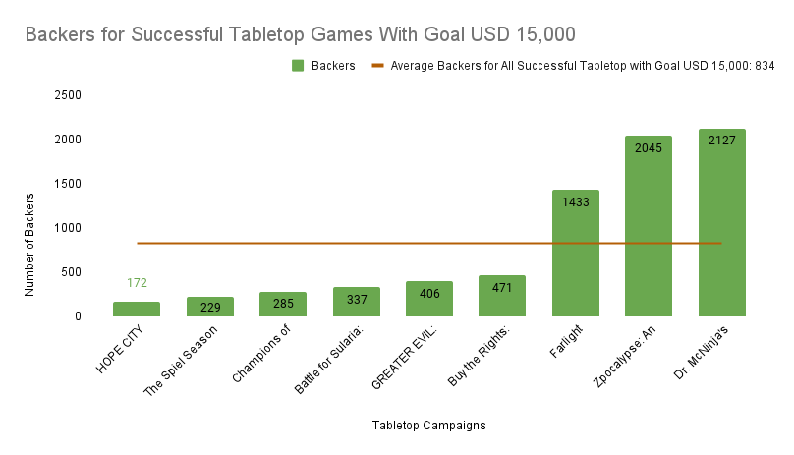
TABLE_TOP_CAM | BACKERS | AVG BACKERS
HOPE CITY | 172 | 834
The Spiel Season 7: Media Coverage of the Board Game World | 229 | 834
Champions of Hara | 285 | 834
Battle for Sularia: The Battle Begins™ | 337 | 834
GREATER EVIL: The political bullshit game | 406 | 834
Buy the Rights: The Movie Pitching Party Game | 471 | 834
Farlight | 1433 | 834
Zpocalypse: An Epic Zombie Survival Board Game | 2045 | 834
Dr. McNinja's Legendary Showdown | 2127 | 834

