Prices
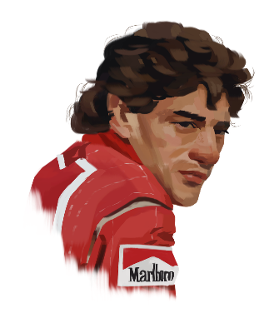
Digitally Painted Portrait |  | Requirements:
From Photo | £12 | Photo (prefer good lighting)
Additional Person: | + £8
Background: | + £3
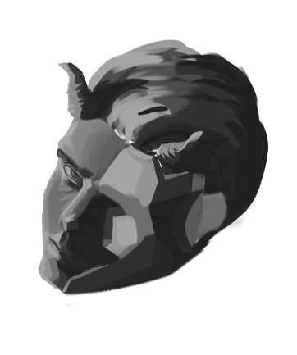

From Original Sketch | £17 | As many refrences as possible
Additional Person: | + £10 | Pose
 |  | Colour scheme
 |  | Expressions

Lined character art | +50% per additional character
Bust | £6
Half Body | £10
Full Body | £14

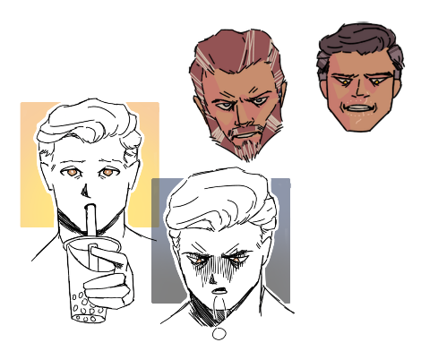
Other
Funny Little Guy | £2 | Words should be enough
Avatar | £4 | References for any details

