number of firms
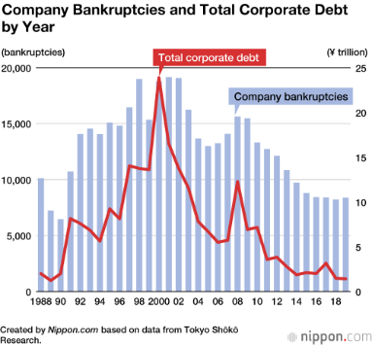
 | Year | Number of companies | Number of regular employees | Persons per company | reference
1994 (Heisei 6) | 1994
1996 (Heisei 8) | 1996 | 1,674,465
1999 (Heisei 11) | 1999 | 1,667,639 | 36,394,194
2001 (Heisei 13) | 2001 | 1,617,600 | 33,911,389
2004 (Heisei 16) | 2004 | 1,529,616 | 31,561,764
2006 (Heisei 18) | 2006 | 1,515,835 | 32,678,107 |  |  | Source verification: https://www.stat.go.jp/data/jigyou/2006/kakuhou/gaiyou/08.html

2009 (Heisei 21) | 2009 | 1,805,545 |  |  | p11: https://www.stat.go.jp/data/e-census/2009/kakuho/gaiyou/pdf/youyaku.pdf
2012 (Heisei 24) | 2012 | 1,706,470 |  |  | p5:https://www.stat.go.jp/data/e-census/2012/kakuho/pdf/gaiyo.pdf
2014 (Heisei 26) | 2014 | 1,750,071 | 37,777,438 |  | p23: https://www.stat.go.jp/data/e-census/2014/pdf/kaku_gaiyo.pdf
2016 (Heisei 28) | 2016 | 1,629,286
2021 (Reiwa 3) | 2021 | 1,781,323
2024 (Reiwa 6) | 2024 | 1,764,656
 |  |  |  |  | https://www.stat.go.jp/data/e-census/2021/kekka/pdf/k_outline.pdf

Establishment and Enterprise Census
https://www.e-stat.go.jp/stat-search?page=1&toukei=00200551

Bankruptcy/closure information
Teikoku Databank
https://www.tdb.co.jp/report/bankruptcy/?year=2013

productivity
https://www.jpc-net.jp/research/rd/db/
Productivity Database (JAMP)
Trends in Japan's labor productivity
<Real labor productivity growth rate>
(per employed person)
year-on-year

year | labor productivity growth rate | year | labor productivity growth rate
1994 | 0.8% | 2009 | -4.3%
1995 | 2.6% | 2010 | 4.4%
1996 | 2.7% | 2011 | 0.1%
1997 | -0.1% | 2012 | 1.6%
1998 | -0.6% | 2013 | 1.3%
1999 | 0.5% | 2014 | -0.4%
2000 | 3.0% | 2015 | 1.1%
2001 | 0.9% | 2016 | -0.3%
2002 | 1.3% | 2017 | 0.6%
2003 | 1.8% | 2018 | -1.5%

wage increase
Year | Wage | % | /4 | remark

1993 | 281.1
1994 | 288.4 |  |  | h6
1995 | 291.3
1996 | 295.6
1997 | 298.9
1998 | 299.1
1999 | 300.6
2000 | 302.2
2001 | 305.8
2002 | 302.6
2003 | 302.1 |  |  | h15
2004
2005
2006
2007
2008 | 299.1
2009 | 294.5 |  |  | h21
2010 | 296.2
2011 | 296.8
2012 | 297.7 |  |  | h24
2013 | 295.7
2014 | 299.6
2015 | 304
2016 | 304
2017 | 304.4
2018 | 306.2 |  |  | h30
2019 | 307.7 |  |  | l1

Ministry of Health, Labour and Welfare (MHLW):

https://www.mhlw.go.jp/toukei/itiran/roudou/chingin/kouzou/z2024/dl/sokuhou.pdf

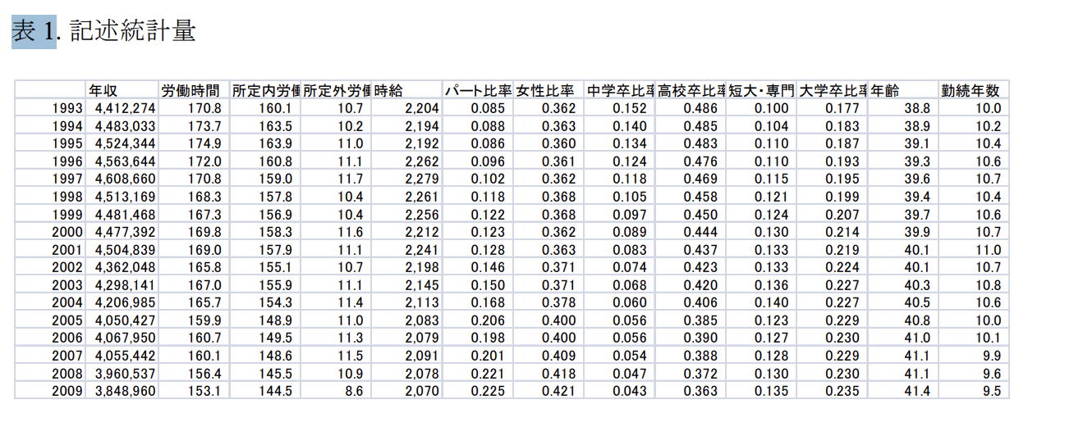
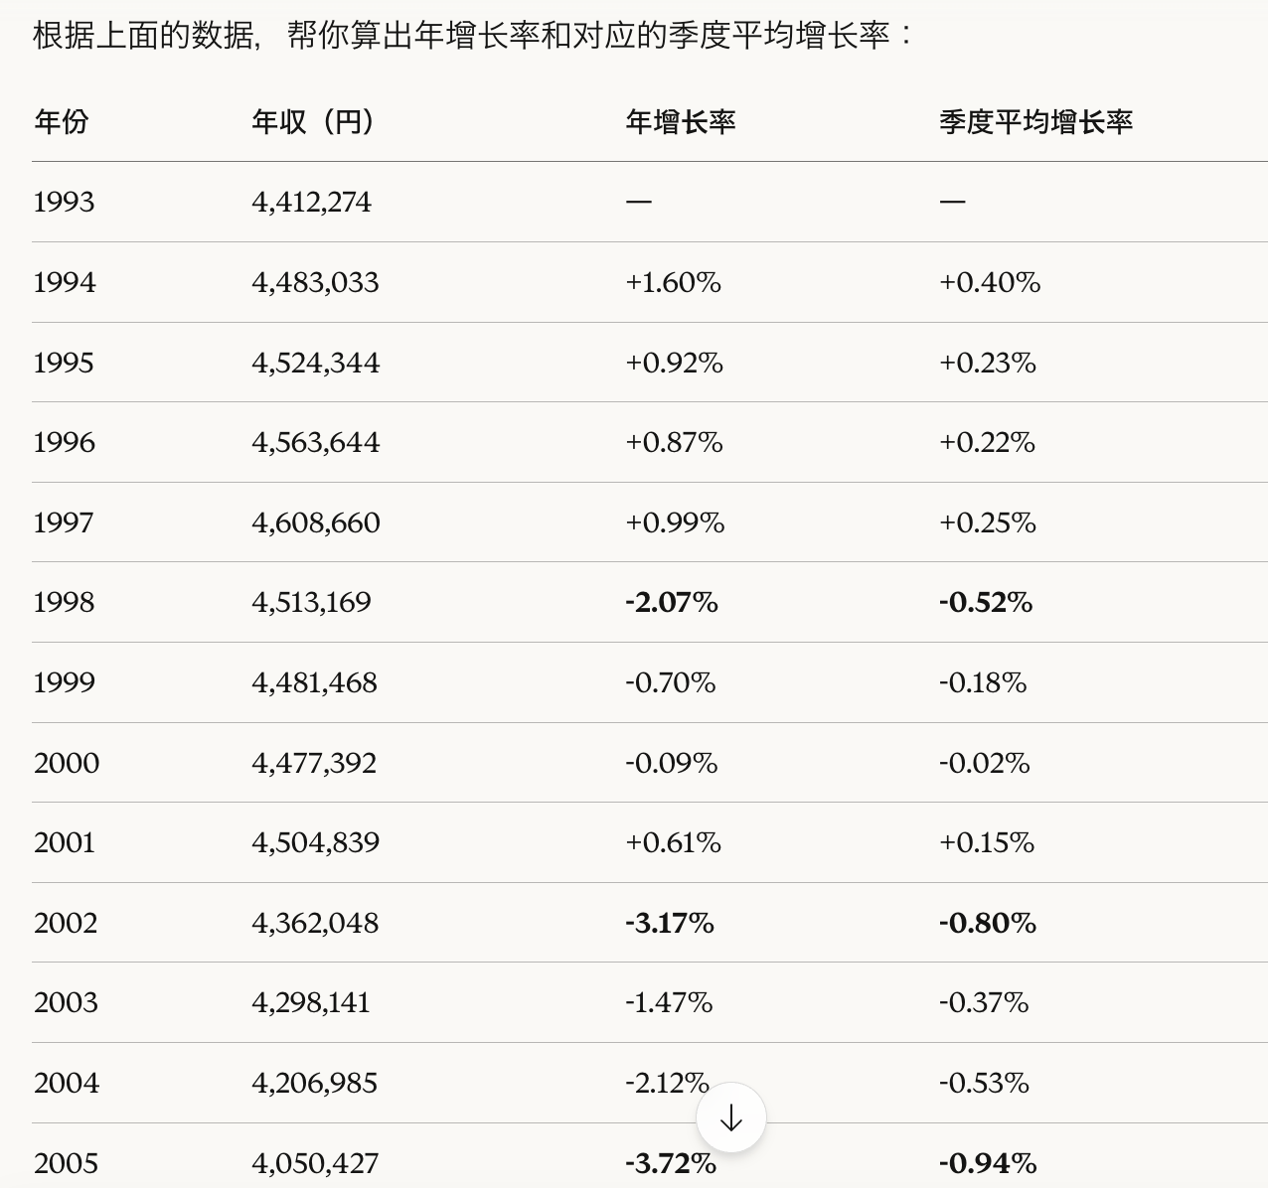

https://www.rieti.go.jp/jp/publications/dp/12j031.pdf

 | tick 9 | tick 10 | tick 11
nominal gdp | 1679.29 | 1661.34 | 1642.31
market-price | 1.1059 | 1.0938 | 1.089
sales | 1499 | 1500 | 1506
inventories | 804 | 831 | 859

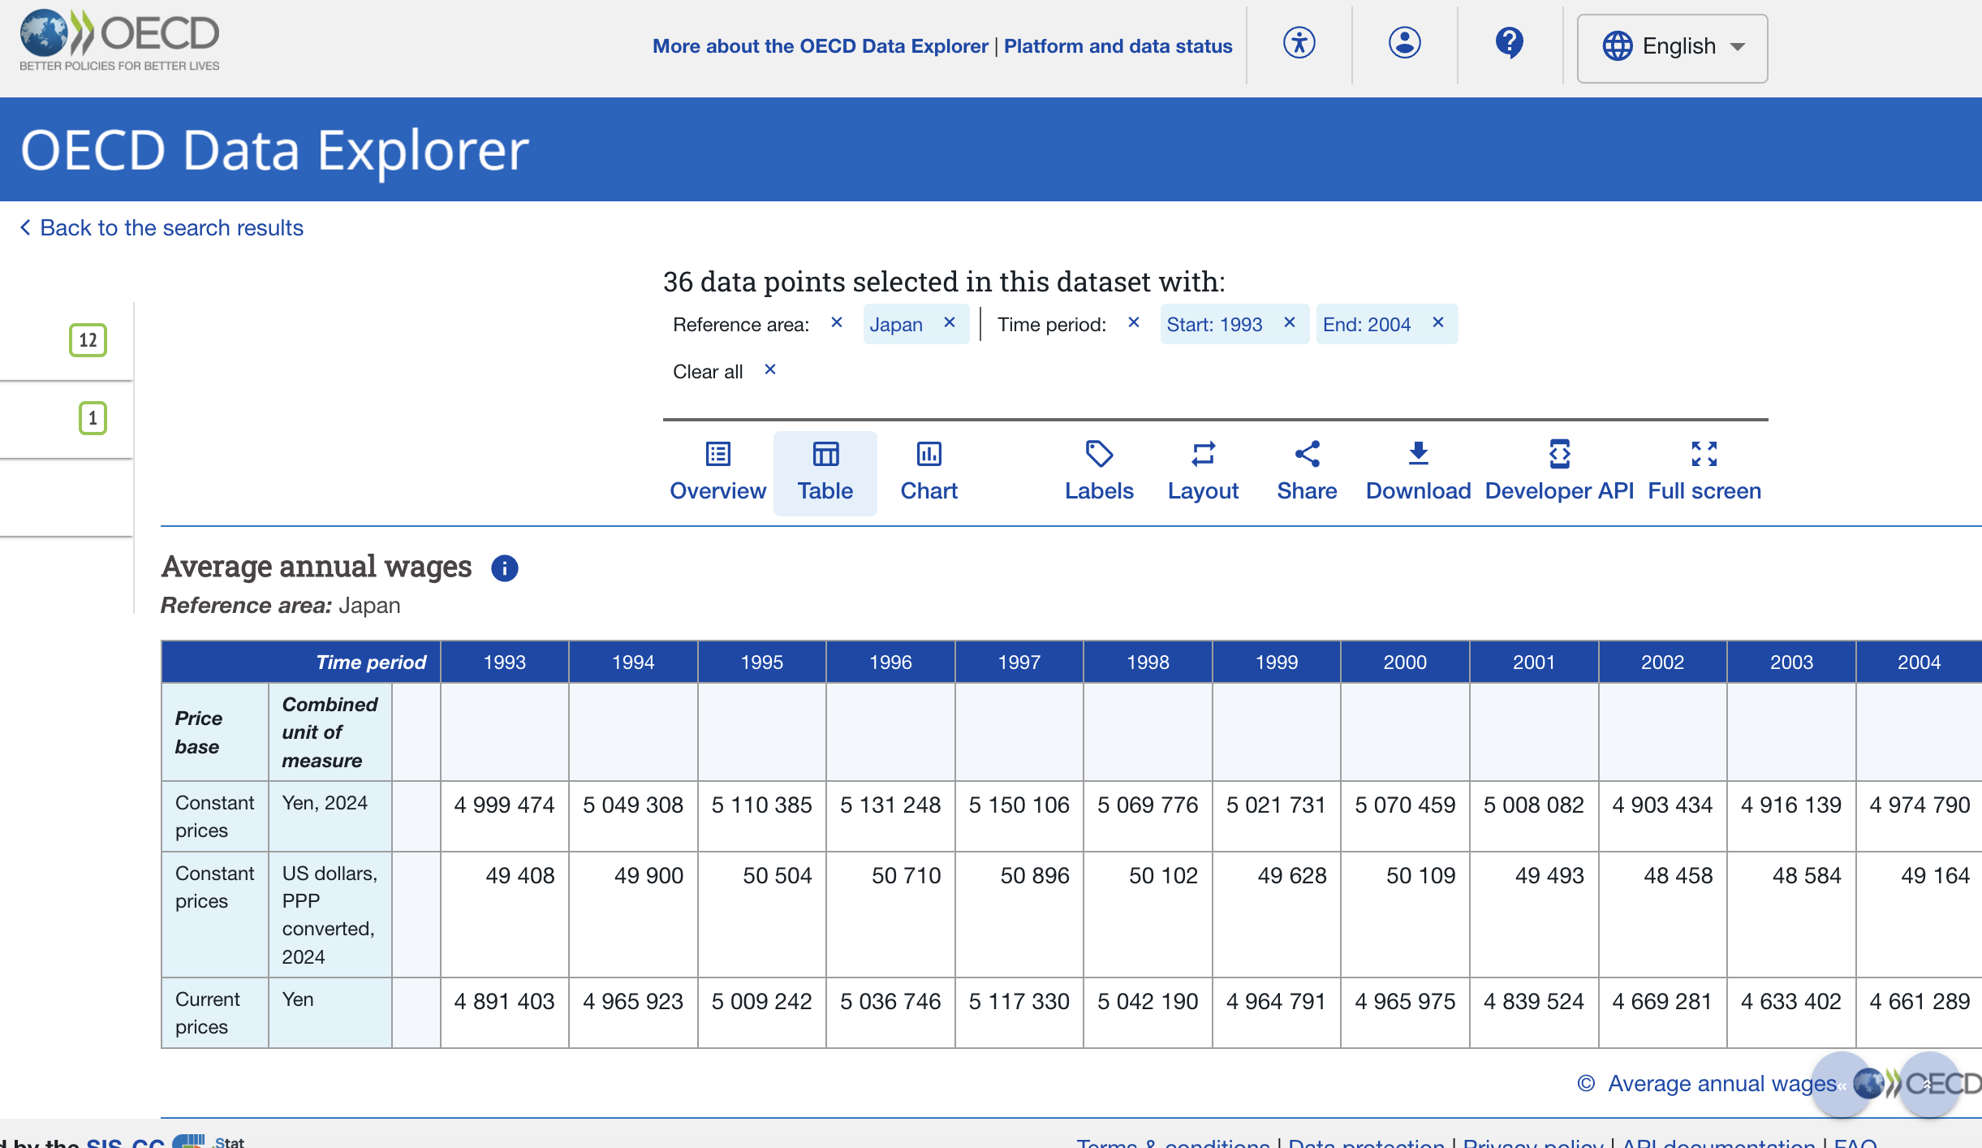

https://data-explorer.oecd.org/vis?df[ds]=DisseminateFinalDMZ&df[id]=DSD_EARNINGS%40AV_AN_WAGE&df[ag]=OECD.ELS.SAE&dq=JPN......&pd=1993%2C2004&to[TIME_PERIOD]=false&vw=tb

policy int
Year | Rate | Year | Rate
1994-01-01 | 1.75 | 2009-01-01 | 0.3
1994-02-01 | 1.75 | 2009-02-01 | 0.3
1994-03-01 | 1.75 | 2009-03-01 | 0.3
1994-04-01 | 1.75 | 2009-04-01 | 0.3
1994-05-01 | 1.75 | 2009-05-01 | 0.3
1994-06-01 | 1.75 | 2009-06-01 | 0.3
1994-07-01 | 1.75 | 2009-07-01 | 0.3
1994-08-01 | 1.75 | 2009-08-01 | 0.3
1994-09-01 | 1.75 | 2009-09-01 | 0.3
1994-10-01 | 1.75 | 2009-10-01 | 0.3
1994-11-01 | 1.75 | 2009-11-01 | 0.3
1994-12-01 | 1.75 | 2009-12-01 | 0.3
1995-01-01 | 1.75 | 2010-01-01 | 0.3
1995-02-01 | 1.75 | 2010-02-01 | 0.3
1995-03-01 | 1.75 | 2010-03-01 | 0.3
1995-04-01 | 1 | 2010-04-01 | 0.3
1995-05-01 | 1 | 2010-05-01 | 0.3
1995-06-01 | 1 | 2010-06-01 | 0.3
1995-07-01 | 1 | 2010-07-01 | 0.3
1995-08-01 | 1 | 2010-08-01 | 0.3
1995-09-01 | 0.5 | 2010-09-01 | 0.3
1995-10-01 | 0.5 | 2010-10-01 | 0.3
1995-11-01 | 0.5 | 2010-11-01 | 0.3
1995-12-01 | 0.5 | 2010-12-01 | 0.3
1996-01-01 | 0.5 | 2011-01-01 | 0.3
1996-02-01 | 0.5 | 2011-02-01 | 0.3
1996-03-01 | 0.5 | 2011-03-01 | 0.3
1996-04-01 | 0.5 | 2011-04-01 | 0.3
1996-05-01 | 0.5 | 2011-05-01 | 0.3
1996-06-01 | 0.5 | 2011-06-01 | 0.3
1996-07-01 | 0.5 | 2011-07-01 | 0.3
1996-08-01 | 0.5 | 2011-08-01 | 0.3
1996-09-01 | 0.5 | 2011-09-01 | 0.3
1996-10-01 | 0.5 | 2011-10-01 | 0.3
1996-11-01 | 0.5 | 2011-11-01 | 0.3
1996-12-01 | 0.5 | 2011-12-01 | 0.3
1997-01-01 | 0.5 | 2012-01-01 | 0.3
1997-02-01 | 0.5 | 2012-02-01 | 0.3
1997-03-01 | 0.5 | 2012-03-01 | 0.3
1997-04-01 | 0.5 | 2012-04-01 | 0.3
1997-05-01 | 0.5 | 2012-05-01 | 0.3
1997-06-01 | 0.5 | 2012-06-01 | 0.3
1997-07-01 | 0.5 | 2012-07-01 | 0.3
1997-08-01 | 0.5 | 2012-08-01 | 0.3
1997-09-01 | 0.5 | 2012-09-01 | 0.3
1997-10-01 | 0.5 | 2012-10-01 | 0.3
1997-11-01 | 0.5 | 2012-11-01 | 0.3
1997-12-01 | 0.5 | 2012-12-01 | 0.3
1998-01-01 | 0.5 | 2013-01-01 | 0.3
1998-02-01 | 0.5 | 2013-02-01 | 0.3
1998-03-01 | 0.5 | 2013-03-01 | 0.3
1998-04-01 | 0.5 | 2013-04-01 | 0.3
1998-05-01 | 0.5 | 2013-05-01 | 0.3
1998-06-01 | 0.5 | 2013-06-01 | 0.3
1998-07-01 | 0.5 | 2013-07-01 | 0.3
1998-08-01 | 0.5 | 2013-08-01 | 0.3
1998-09-01 | 0.5 | 2013-09-01 | 0.3
1998-10-01 | 0.5 | 2013-10-01 | 0.3
1998-11-01 | 0.5 | 2013-11-01 | 0.3
1998-12-01 | 0.5 | 2013-12-01 | 0.3
1999-01-01 | 0.5 | 2014-01-01 | 0.3
1999-02-01 | 0.5 | 2014-02-01 | 0.3
1999-03-01 | 0.5 | 2014-03-01 | 0.3
1999-04-01 | 0.5 | 2014-04-01 | 0.3
1999-05-01 | 0.5 | 2014-05-01 | 0.3
1999-06-01 | 0.5 | 2014-06-01 | 0.3
1999-07-01 | 0.5 | 2014-07-01 | 0.3
1999-08-01 | 0.5 | 2014-08-01 | 0.3
1999-09-01 | 0.5 | 2014-09-01 | 0.3
1999-10-01 | 0.5 | 2014-10-01 | 0.3
1999-11-01 | 0.5 | 2014-11-01 | 0.3
1999-12-01 | 0.5 | 2014-12-01 | 0.3
2000-01-01 | 0.5 | 2015-01-01 | 0.3
2000-02-01 | 0.5 | 2015-02-01 | 0.3
2000-03-01 | 0.5 | 2015-03-01 | 0.3
2000-04-01 | 0.5 | 2015-04-01 | 0.3
2000-05-01 | 0.5 | 2015-05-01 | 0.3
2000-06-01 | 0.5 | 2015-06-01 | 0.3
2000-07-01 | 0.5 | 2015-07-01 | 0.3
2000-08-01 | 0.5 | 2015-08-01 | 0.3
2000-09-01 | 0.5 | 2015-09-01 | 0.3
2000-10-01 | 0.5 | 2015-10-01 | 0.3
2000-11-01 | 0.5 | 2015-11-01 | 0.3
2000-12-01 | 0.5 | 2015-12-01 | 0.3
2001-01-01 | 0.5 | 2016-01-01 | 0.3
2001-02-01 | 0.35 | 2016-02-01 | 0.3
2001-03-01 | 0.25 | 2016-03-01 | 0.3
2001-04-01 | 0.25 | 2016-04-01 | 0.3
2001-05-01 | 0.25 | 2016-05-01 | 0.3
2001-06-01 | 0.25 | 2016-06-01 | 0.3
2001-07-01 | 0.25 | 2016-07-01 | 0.3
2001-08-01 | 0.25 | 2016-08-01 | 0.3
2001-09-01 | 0.1 | 2016-09-01 | 0.3
2001-10-01 | 0.1 | 2016-10-01 | 0.3
2001-11-01 | 0.1 | 2016-11-01 | 0.3
2001-12-01 | 0.1 | 2016-12-01 | 0.3
2002-01-01 | 0.1 | 2017-01-01 | 0.3
2002-02-01 | 0.1 | 2017-02-01 | 0.3
2002-03-01 | 0.1 | 2017-03-01 | 0.3
2002-04-01 | 0.1 | 2017-04-01 | 0.3
2002-05-01 | 0.1 | 2017-05-01 | 0.3
2002-06-01 | 0.1 | 2017-06-01 | 0.3
2002-07-01 | 0.1 | 2017-07-01 | 0.3
2002-08-01 | 0.1 | 2017-08-01 | 0.3
2002-09-01 | 0.1 | 2017-09-01 | 0.3
2002-10-01 | 0.1 | 2017-10-01 | 0.3
2002-11-01 | 0.1 | 2017-11-01 | 0.3
2002-12-01 | 0.1 | 2017-12-01 | 0.3
2003-01-01 | 0.1 | 2018-01-01 | 0.3
2003-02-01 | 0.1 | 2018-02-01 | 0.3
2003-03-01 | 0.1 | 2018-03-01 | 0.3
2003-04-01 | 0.1 | 2018-04-01 | 0.3
2003-05-01 | 0.1 | 2018-05-01 | 0.3
2003-06-01 | 0.1 | 2018-06-01 | 0.3
2003-07-01 | 0.1 | 2018-07-01 | 0.3
2003-08-01 | 0.1 | 2018-08-01 | 0.3
2003-09-01 | 0.1 | 2018-09-01 | 0.3
2003-10-01 | 0.1 | 2018-10-01 | 0.3
2003-11-01 | 0.1 | 2018-11-01 | 0.3
2003-12-01 | 0.1 | 2018-12-01 | 0.3

bank of japan basic discount rate and basic loan rate

https://www.boj.or.jp/en/statistics/boj/other/discount/discount.htm

lend int
Year | Rate | Year | Rate
1994-01-01 | 3.000% | 2009-01-01 | 1.475%
1994-02-01 | 3.000% | 2009-02-01 | 1.475%
1994-03-01 | 3.000% | 2009-03-01 | 1.475%
1994-04-01 | 3.000% | 2009-04-01 | 1.475%
1994-05-01 | 3.000% | 2009-05-01 | 1.475%
1994-06-01 | 3.000% | 2009-06-01 | 1.475%
1994-07-01 | 3.000% | 2009-07-01 | 1.475%
1994-08-01 | 3.000% | 2009-08-01 | 1.475%
1994-09-01 | 3.000% | 2009-09-01 | 1.475%
1994-10-01 | 3.000% | 2009-10-01 | 1.475%
1994-11-01 | 3.000% | 2009-11-01 | 1.475%
1994-12-01 | 3.000% | 2009-12-01 | 1.475%
1995-01-01 | 3.000% | 2010-01-01 | 1.475%
1995-02-01 | 3.000% | 2010-02-01 | 1.475%
1995-03-01 | 3.000% | 2010-03-01 | 1.475%
1995-04-01 | 2.375% | 2010-04-01 | 1.475%
1995-05-01 | 2.375% | 2010-05-01 | 1.475%
1995-06-01 | 2.375% | 2010-06-01 | 1.475%
1995-07-01 | 2.000% | 2010-07-01 | 1.475%
1995-08-01 | 2.000% | 2010-08-01 | 1.475%
1995-09-01 | 1.625% | 2010-09-01 | 1.475%
1995-10-01 | 1.625% | 2010-10-01 | 1.475%
1995-11-01 | 1.625% | 2010-11-01 | 1.475%
1995-12-01 | 1.625% | 2010-12-01 | 1.475%
1996-01-01 | 1.625% | 2011-01-01 | 1.475%
1996-02-01 | 1.625% | 2011-02-01 | 1.475%
1996-03-01 | 1.625% | 2011-03-01 | 1.475%
1996-04-01 | 1.625% | 2011-04-01 | 1.475%
1996-05-01 | 1.625% | 2011-05-01 | 1.475%
1996-06-01 | 1.625% | 2011-06-01 | 1.475%
1996-07-01 | 1.625% | 2011-07-01 | 1.475%
1996-08-01 | 1.625% | 2011-08-01 | 1.475%
1996-09-01 | 1.625% | 2011-09-01 | 1.475%
1996-10-01 | 1.625% | 2011-10-01 | 1.475%
1996-11-01 | 1.625% | 2011-11-01 | 1.475%
1996-12-01 | 1.625% | 2011-12-01 | 1.475%
1997-01-01 | 1.625% | 2012-01-01 | 1.475%
1997-02-01 | 1.625% | 2012-02-01 | 1.475%
1997-03-01 | 1.625% | 2012-03-01 | 1.475%
1997-04-01 | 1.625% | 2012-04-01 | 1.475%
1997-05-01 | 1.625% | 2012-05-01 | 1.475%
1997-06-01 | 1.625% | 2012-06-01 | 1.475%
1997-07-01 | 1.625% | 2012-07-01 | 1.475%
1997-08-01 | 1.625% | 2012-08-01 | 1.475%
1997-09-01 | 1.625% | 2012-09-01 | 1.475%
1997-10-01 | 1.625% | 2012-10-01 | 1.475%
1997-11-01 | 1.625% | 2012-11-01 | 1.475%
1997-12-01 | 1.625% | 2012-12-01 | 1.475%
1998-01-01 | 1.625% | 2013-01-01 | 1.475%
1998-02-01 | 1.625% | 2013-02-01 | 1.475%
1998-03-01 | 1.625% | 2013-03-01 | 1.475%
1998-04-01 | 1.625% | 2013-04-01 | 1.475%
1998-05-01 | 1.625% | 2013-05-01 | 1.475%
1998-06-01 | 1.625% | 2013-06-01 | 1.475%
1998-07-01 | 1.625% | 2013-07-01 | 1.475%
1998-08-01 | 1.625% | 2013-08-01 | 1.475%
1998-09-01 | 1.500% | 2013-09-01 | 1.475%
1998-10-01 | 1.500% | 2013-10-01 | 1.475%
1998-11-01 | 1.500% | 2013-11-01 | 1.475%
1998-12-01 | 1.500% | 2013-12-01 | 1.475%
1999-01-01 | 1.500% | 2014-01-01 | 1.475%
1999-02-01 | 1.500% | 2014-02-01 | 1.475%
1999-03-01 | 1.375% | 2014-03-01 | 1.475%
1999-04-01 | 1.375% | 2014-04-01 | 1.475%
1999-05-01 | 1.375% | 2014-05-01 | 1.475%
1999-06-01 | 1.375% | 2014-06-01 | 1.475%
1999-07-01 | 1.375% | 2014-07-01 | 1.475%
1999-08-01 | 1.375% | 2014-08-01 | 1.475%
1999-09-01 | 1.375% | 2014-09-01 | 1.475%
1999-10-01 | 1.375% | 2014-10-01 | 1.475%
1999-11-01 | 1.375% | 2014-11-01 | 1.475%
1999-12-01 | 1.375% | 2014-12-01 | 1.475%
2000-01-01 | 1.375% | 2015-01-01 | 1.475%
2000-02-01 | 1.375% | 2015-02-01 | 1.475%
2000-03-01 | 1.375% | 2015-03-01 | 1.475%
2000-04-01 | 1.375% | 2015-04-01 | 1.475%
2000-05-01 | 1.375% | 2015-05-01 | 1.475%
2000-06-01 | 1.375% | 2015-06-01 | 1.475%
2000-07-01 | 1.375% | 2015-07-01 | 1.475%
2000-08-01 | 1.500% | 2015-08-01 | 1.475%
2000-09-01 | 1.500% | 2015-09-01 | 1.475%
2000-10-01 | 1.500% | 2015-10-01 | 1.475%
2000-11-01 | 1.500% | 2015-11-01 | 1.475%
2000-12-01 | 1.500% | 2015-12-01 | 1.475%
2001-01-01 | 1.500% | 2016-01-01 | 1.475%
2001-02-01 | 1.500% | 2016-02-01 | 1.475%
2001-03-01 | 1.500% | 2016-03-01 | 1.475%
2001-04-01 | 1.375% | 2016-04-01 | 1.475%
2001-05-01 | 1.375% | 2016-05-01 | 1.475%
2001-06-01 | 1.375% | 2016-06-01 | 1.475%
2001-07-01 | 1.375% | 2016-07-01 | 1.475%
2001-08-01 | 1.375% | 2016-08-01 | 1.475%
2001-09-01 | 1.375% | 2016-09-01 | 1.475%
2001-10-01 | 1.375% | 2016-10-01 | 1.475%
2001-11-01 | 1.375% | 2016-11-01 | 1.475%
2001-12-01 | 1.375% | 2016-12-01 | 1.475%
2002-01-01 | 1.375% | 2017-01-01 | 1.475%
2002-02-01 | 1.375% | 2017-02-01 | 1.475%
2002-03-01 | 1.375% | 2017-03-01 | 1.475%
2002-04-01 | 1.375% | 2017-04-01 | 1.475%
2002-05-01 | 1.375% | 2017-05-01 | 1.475%
2002-06-01 | 1.375% | 2017-06-01 | 1.475%
2002-07-01 | 1.375% | 2017-07-01 | 1.475%
2002-08-01 | 1.375% | 2017-08-01 | 1.475%
2002-09-01 | 1.375% | 2017-09-01 | 1.475%
2002-10-01 | 1.375% | 2017-10-01 | 1.475%
2002-11-01 | 1.375% | 2017-11-01 | 1.475%
2002-12-01 | 1.375% | 2017-12-01 | 1.475%
2003-01-01 | 1.375% | 2018-01-01 | 1.475%
2003-02-01 | 1.375% | 2018-02-01 | 1.475%
2003-03-01 | 1.375% | 2018-03-01 | 1.475%
2003-04-01 | 1.375% | 2018-04-01 | 1.475%
2003-05-01 | 1.375% | 2018-05-01 | 1.475%
2003-06-01 | 1.375% | 2018-06-01 | 1.475%
2003-07-01 | 1.375% | 2018-07-01 | 1.475%
2003-08-01 | 1.375% | 2018-08-01 | 1.475%
2003-09-01 | 1.375% | 2018-09-01 | 1.475%
2003-10-01 | 1.375% | 2018-10-01 | 1.475%
2003-11-01 | 1.375% | 2018-11-01 | 1.475%
2003-12-01 | 1.375% | 2018-12-01 | 1.475%

prime lending rates (principal banks) short-term prime lending rates of banks - most frequent

https://www.boj.or.jp/en/statistics/dl/loan/prime/primeold2.htm

https://www.boj.or.jp/en/statistics/dl/loan/prime/prime.htm

paygo rate
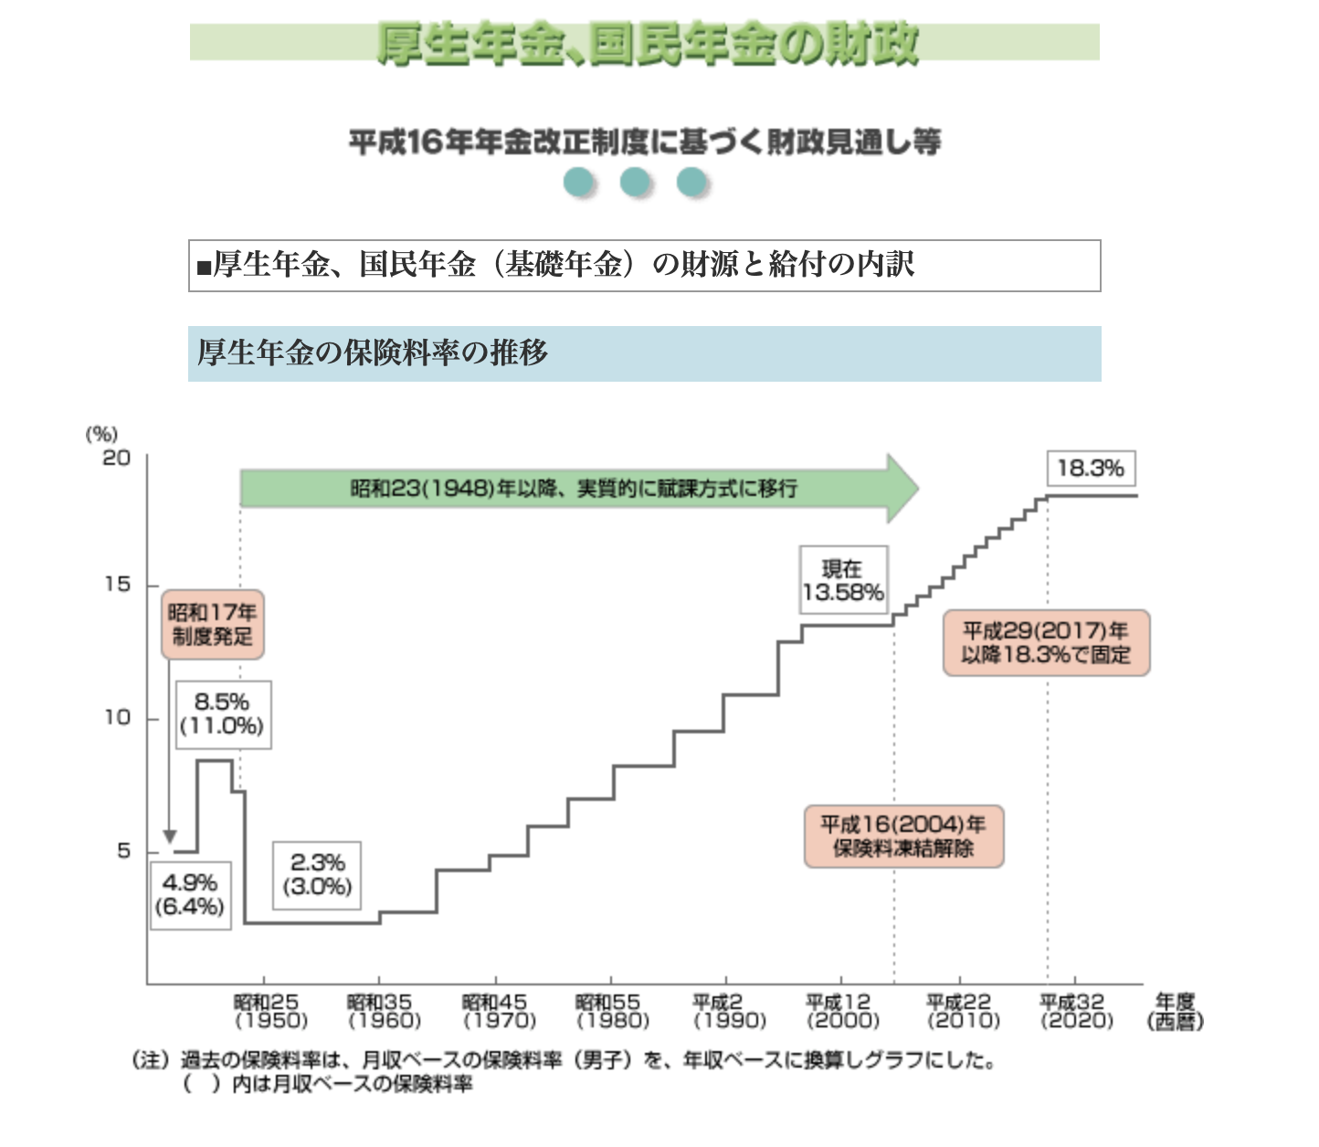
Year | Rate | Year | Rate
1994 | 16.500% | 2009 | 15.704% | https://www.mhlw.go.jp/topics/nenkin/zaisei/zaisei/04/04-17-14.html
1995 | 16.500% | 2010 | 16.058% | https://www.mhlw.go.jp/wp/hakusyo/kousei/11/backdata/mokuji/hp11010304.html
1996 | 17.350% | 2011 | 16.412% | https://hcm-jinjer.com/blog/kintai/payroll_welfare-pension-premium/
1997 | 17.350% | 2012 | 16.766%
1998 | 17.350% | 2013 | 17.120%
1999 | 17.350% | 2014 | 17.474%
2000 | 17.350% | 2015 | 17.828%
2001 | 17.350% | 2016 | 18.182%
2002 | 17.350% | 2017 | 18.300%
2003 | 13.580% | 2018 | 18.300%

job application
job offer to application ratio
job offer to application ratio
job offer to application ratio japan
Year | ratio | Year | ratio
1994 | 1.08 | 2009 | 0.79
1995 | 1.06 | 2010 | 0.89
1996 | 1.19 | 2011 | 1.05
1997 | 1.20 | 2012 | 1.28
1998 | 0.92 | 2013 | 1.46
1999 | 0.87 | 2014 | 1.66
2000 | 1.05 | 2015 | 1.80
2001 | 1.01 | 2016 | 2.04
2002 | 0.93 | 2017 | 2.24
2003 | 1.07 | 2018 | 2.39

Employment rate deteriorating; hiring trend declining |  | Employment rate improving; hiring trend rising markedly

https://www.statista.com/statistics/1454374/japan-new-job-openings-to-applicants-ratio/

pension balance
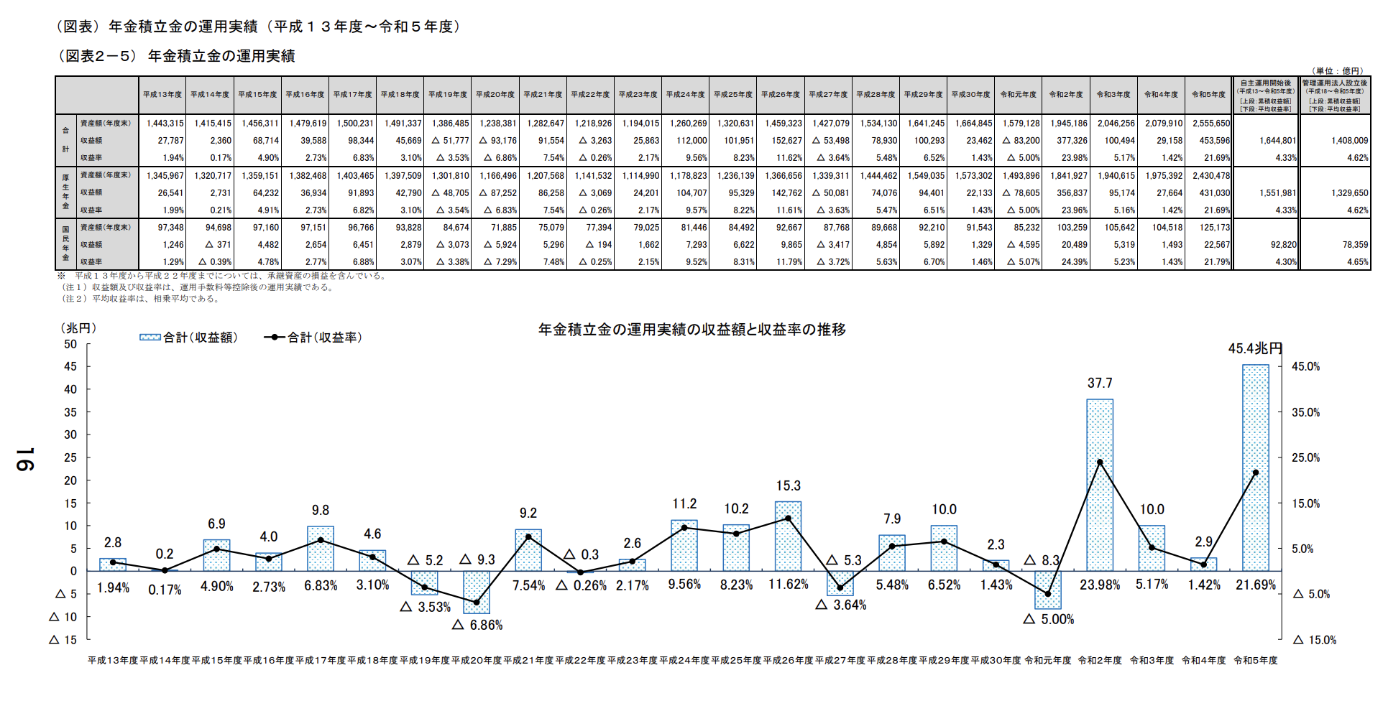
 | Year | balance | profit/loss | ror% |  |  | Year | balance | profit/loss | ror%
1994 (Heisei 6) | 1994 | 1,045,318 |  | 5.34% |  | 2009 (Heisei 21) | 2009 | 1,207,568 | 86258 | 7.54%
 | 1995 | 1,118,111 |  | 5.24% |  |  | 2010 | 1,141,532 | -3069 | -0.26%
 | 1996 | 1,184,579 |  | 4.99% |  |  | 2011 | 1,114,990 | 24201 | 2.17%
 | 1997 | 1,257,560 |  | 4.66% |  |  | 2012 | 1,178,823 | 104707 | 9.57%
1998 (Heisei 10) | 1998 | 1,308,446 |  | 4.15% |  |  | 2013 | 1,236,139 | 95329 | 8.22%
 | 1999 | 1,347,988 |  | 3.62% |  |  | 2014 | 1,366,656 | 142762 | 11.61%
2000 (Heisei 12) | 2000 | 1,368,804 |  | 3.22% |  |  | 2015 | 1,339,311 | -50081 | -3.63%
2001 (Heisei 13) | 2001 | 1,345,967 |  | 1.99% |  |  | 2016 | 1,444,462 | 74076 | 5.47%
 | 2002 | 1,320,717 |  | 0.21% |  |  | 2017 | 1,549,035 | 94401 | 6.51%
2003 (Heisei 15) | 2003 | 1,359,151 |  | 4.91% |  | 2018 (Heisei 30) | 2018 | 1,573,302 | 22133 | 1.43%

 | Trends in accumulated reserves of the Employees' Pension Insurance
 | Market value basis
 | Fiscal year-end
balance | https://data.e-gov.go.jp/data/dataset/mhlw_20191120_0231/resource/1a7874e4-31f3-4ba2-a62b-abc791711fc8
 | https://www.mhlw.go.jp/content/001301328.pdf |  |  |  | page 16
 | 2003 / 2008 (Heisei 15 / Heisei 20)
 | https://www.mhlw.go.jp/topics/bukyoku/nenkin/nenkin/toukei/nenpou/2008/old.html

Pension Balance (1994-2003)
Pension Balance (2009-2018)
 |  |  |  |  |  |  | 2024 | 247.7618

Young Unemp
Year | Rate | Year | Rate
1994 I | 5.33 | 2009 I | 8.73
1994 II | 5.63 | 2009 II | 8.87
1994 III | 5.60 | 2009 III | 9.63
1994 IV | 5.50 | 2009 IV | 9.53
1995 I | 5.70 | 2010 I | 9.37
1995 II | 5.87 | 2010 II | 9.93
1995 III | 6.57 | 2010 III | 8.83
1995 IV | 6.37 | 2010 IV | 9.17
1996 I | 6.67 | 2011 I | 8.30
1996 II | 6.73 | 2011 II | 8.26
1996 III | 6.43 | 2011 III | 8.09
1996 IV | 6.47 | 2011 IV | 8.60
1997 I | 6.60 | 2012 I | 9.03
1997 II | 6.67 | 2012 II | 8.13
1997 III | 6.50 | 2012 III | 7.90
1997 IV | 6.80 | 2012 IV | 7.27
1998 I | 7.27 | 2013 I | 6.77
1998 II | 7.67 | 2013 II | 7.07
1998 III | 7.77 | 2013 III | 6.73
1998 IV | 8.23 | 2013 IV | 6.47
1999 I | 8.83 | 2014 I | 6.23
1999 II | 9.13 | 2014 II | 6.43
1999 III | 9.47 | 2014 III | 5.90
1999 IV | 9.30 | 2014 IV | 6.17
2000 I | 8.80 | 2015 I | 6.13
2000 II | 8.80 | 2015 II | 5.40
2000 III | 8.90 | 2015 III | 5.53
2000 IV | 9.87 | 2015 IV | 5.33
2001 I | 9.10 | 2016 I | 5.67
2001 II | 9.47 | 2016 II | 5.13
2001 III | 10.10 | 2016 III | 4.93
2001 IV | 9.83 | 2016 IV | 4.80
2002 I | 10.30 | 2017 I | 4.57
2002 II | 9.93 | 2017 II | 4.90
2002 III | 9.93 | 2017 III | 4.67
2002 IV | 9.43 | 2017 IV | 4.43
2003 I | 10.37 | 2018 I | 3.93
2003 II | 10.60 | 2018 II | 3.63
2003 III | 9.70 | 2018 III | 3.67
2003 IV | 9.73 | 2018 IV | 3.33

seasonaly adjusted, 15-24 years for Japan, quarterly

https://fred.stlouisfed.org/series/LRHU24TTJPQ156S

Old Unemp
Year | Rate | Year | Rate
1994 I | 2.46 | 2009 I | 4.16
1994 II | 2.38 | 2009 II | 4.73
1994 III | 2.55 | 2009 III | 5.01
1994 IV | 2.51 | 2009 IV | 4.78
1995 I | 2.58 | 2010 I | 4.62
1995 II | 2.65 | 2010 II | 4.67
1995 III | 2.67 | 2010 III | 4.70
1995 IV | 2.87 | 2010 IV | 4.59
1996 I | 2.84 | 2011 I | 4.41
1996 II | 2.89 | 2011 II | 4.35
1996 III | 2.86 | 2011 III | 4.16
1996 IV | 2.89 | 2011 IV | 4.09
1997 I | 2.85 | 2012 I | 4.12
1997 II | 2.85 | 2012 II | 4.09
1997 III | 2.96 | 2012 III | 3.94
1997 IV | 3.05 | 2012 IV | 3.91
1998 I | 3.18 | 2013 I | 3.98
1998 II | 3.58 | 2013 II | 3.79
1998 III | 3.76 | 2013 III | 3.70
1998 IV | 3.89 | 2013 IV | 3.62
1999 I | 4.05 | 2014 I | 3.39
1999 II | 4.14 | 2014 II | 3.37
1999 III | 4.12 | 2014 III | 3.35
1999 IV | 4.02 | 2014 IV | 3.21
2000 I | 4.29 | 2015 I | 3.24
2000 II | 4.18 | 2015 II | 3.16
2000 III | 4.13 | 2015 III | 3.17
2000 IV | 4.09 | 2015 IV | 3.05
2001 I | 4.22 | 2016 I | 3.03
2001 II | 4.35 | 2016 II | 2.99
2001 III | 4.52 | 2016 III | 2.89
2001 IV | 4.83 | 2016 IV | 2.85
2002 I | 4.70 | 2017 I | 2.75
2002 II | 4.86 | 2017 II | 2.70
2002 III | 4.90 | 2017 III | 2.60
2002 IV | 4.87 | 2017 IV | 2.57
2003 I | 4.80 | 2018 I | 2.35
2003 II | 4.84 | 2018 II | 2.27
2003 III | 4.65 | 2018 III | 2.32
2003 IV | 4.52 | 2018 IV | 2.38

seasonaly adjusted, 25+ years for Japan, quarterly

https://fred.stlouisfed.org/series/LRHUADTTJPQ156S

CPI
Year | Rate | cpi | CPI smoothed: 1997Q2 ≈ mean(1996Q2, 1998Q2) | Year | Rate | cpi | CPI smoothed: 2014Q2 ≈ mean(2013Q2, 2015Q2)
1993 IV | 97.39696 |  |  | 2008 IV | 98.59483
1994 I | 98.00684 |  | 0.0063 | 2009 I | 97.69471 |  | -0.0091
1994 II | 97.82388 |  | -0.0019 | 2009 II | 97.2768 |  | -0.0043
1994 III | 97.85436 |  | 0.0003 | 2009 III | 96.98748 |  | -0.0030
1994 IV | 98.31178 |  | 0.0047 | 2009 IV | 96.60172 |  | -0.0040
1995 I | 98.11395 |  | -0.0020 | 2010 I | 96.79281 |  | 0.0020
1995 II | 97.82038 |  | -0.0030 | 2010 II | 96.62312 |  | -0.0018
1995 III | 97.82038 |  | 0.0000 | 2010 III | 96.28373 |  | -0.0035
1995 IV | 97.78777 |  | -0.0003 | 2010 IV | 96.45342 |  | 0.0018
1996 I | 97.81998 |  | 0.0003 | 2011 I | 96.24979 |  | -0.0021
1996 II | 97.78697 |  | -0.0003 | 2011 II | 96.24979 |  | 0.0000
1996 III | 97.98505 |  | 0.0020 | 2011 III | 96.3516 |  | 0.0011
1996 IV | 98.01807 |  | 0.0003 | 2011 IV | 96.14797 |  | -0.0021
 | cpi | cpi平滑化
1993 IV | 0.0063 | 0.0063
1994 I | -0.0019 | -0.0019
1994 II | 0.0003 | 0.0003
1994 III | 0.0047 | 0.0047
1994 IV | -0.0020 | -0.0020
1995 I | -0.0030 | -0.0030
1995 II | 0.0000 | 0.0000
1995 III | -0.0003 | -0.0003
1995 IV | 0.0003 | 0.0003
1996 I | -0.0003 | -0.0003
1996 II | 0.0020 | 0.0020
1996 III | 0.0003 | 0.0003
1996 IV | 0.0030 | 0.0030
1997 I | 0.0148 | 0.0148
1997 II | 0.0033 | 0.0033
1997 III | -0.0003 | -0.0003
1997 IV | 0.0023 | 0.0023
1998 I | -0.0013 | -0.0013
1998 II | -0.0030 | -0.0030
1998 III | 0.0073 | 0.0073
1998 IV | -0.0043 | -0.0043
1999 I | -0.0023 | -0.0023
1999 II | -0.0007 | -0.0007
1999 III | -0.0030 | -0.0030
1999 IV | 0.0003 | 0.0003
2000 I | -0.0019 | -0.0019
2000 II | -0.0016 | -0.0016
2000 III | -0.0013 | -0.0013
2000 IV | -0.0003 | -0.0003
2001 I | -0.0046 | -0.0046
2001 II | -0.0023 | -0.0023
2001 III | -0.0036 | -0.0036
2001 IV | -0.0033 | -0.0033
2002 I | 0.0003 | 0.0003
2002 II | -0.0013 | -0.0013
2002 III | -0.0010 | -0.0010
2002 IV | -0.0007 | -0.0007
2003 I | 0.0007 | 0.0007
2003 II | -0.0013 | -0.0013
2003 III | -0.0020 | -0.0020
2003 IV
1997 I | 98.31519 |  | 0.0030 | 2012 I | 96.58917 |  | 0.0046
1997 II | 99.7678 |  |  | 2012 II | 96.38554 |  | -0.0021
1997 III | 100.0979 |  | 0.0033 | 2012 III | 95.94434 |  | -0.0046
 | cpi | cpi平滑化
2008 IV | -0.0091 | -0.0091
2009 I | -0.0043 | -0.0043
2009 II | -0.0030 | -0.0030
2009 III | -0.0040 | -0.0040
2009 IV | 0.0020 | 0.0020
2010 I | -0.0018 | -0.0018
2010 II | -0.0035 | -0.0035
2010 III | 0.0018 | 0.0018
2010 IV | -0.0021 | -0.0021
2011 I | 0.0000 | 0.0000
2011 II | 0.0011 | 0.0011
2011 III | -0.0021 | -0.0021
2011 IV | 0.0046 | 0.0046
2012 I | -0.0021 | -0.0021
2012 II | -0.0046 | -0.0046
2012 III | 0.0000 | 0.0000
2012 IV | 0.0011 | 0.0011
2013 I | 0.0011 | 0.0011
2013 II | 0.0067 | 0.0067
2013 III | 0.0049 | 0.0049
2013 IV | 0.0021 | 0.0021
2014 I | 0.0219 | 0.0024
2014 II | 0.0041 | 0.0041
2014 III | -0.0027 | -0.0027
2014 IV | 0.0003 | 0.0003
2015 I | 0.0037 | 0.0037
2015 II | 0.0000 | 0.0000
2015 III | -0.0024 | -0.0024
2015 IV | -0.0010 | -0.0010
2016 I | 0.0003 | 0.0003
2016 II | -0.0014 | -0.0014
2016 III | 0.0044 | 0.0044
2016 IV | -0.0007 | -0.0007
2017 I | 0.0020 | 0.0020
2017 II | 0.0007 | 0.0007
2017 III | 0.0041 | 0.0041
2017 IV | 0.0061 | 0.0061
2018 I | -0.0040 | -0.0040
2018 II | 0.0050 | 0.0050
2018 III | 0.0013 | 0.0013
2018 IV
1997 IV | 100.0649 |  | -0.0003 | 2012 IV | 95.94434 |  | 0.0000
1998 I | 100.296 |  | 0.0023 | 2013 I | 96.04616 |  | 0.0011
1998 II | 100.164 |  | -0.0013 | 2013 II | 96.14797 |  | 0.0011
1998 III | 99.86684 |  | -0.0030 | 2013 III | 96.79281 |  | 0.0067
1998 IV | 100.5931 |  |  | 2013 IV | 97.26794 |  | 0.0049
1999 I | 100.164 |  | -0.0043 | 2014 I | 97.47157 |  | 0.0021
1999 II | 99.93287 |  | -0.0023 | 2014 II | 99.6097
1999 III | 99.86684 |  | -0.0007 | 2014 III | 100.017 |  | 0.0041
1999 IV | 99.56972 |  | -0.0030 | 2014 IV | 99.74546 |  | -0.0027
2000 I | 99.60126 |  | 0.0003 | 2015 I | 99.7794 |  | 0.0003
2000 II | 99.40761 |  | -0.0019 | 2015 II | 100.1527 |  | 0.0037
2000 III | 99.24623 |  | -0.0016 | 2015 III | 100.1527 |  | 0.0000
2000 IV | 99.11713 |  | -0.0013 | 2015 IV | 99.91515 |  | -0.0024
2001 I | 99.08485 |  | -0.0003 | 2016 I | 99.81334 |  | -0.0010
2001 II | 98.633 |  | -0.0046 | 2016 II | 99.84727 |  | 0.0003
2001 III | 98.40707 |  | -0.0023 | 2016 III | 99.71152 |  | -0.0014
2001 IV | 98.05205 |  | -0.0036 | 2016 IV | 100.1527 |  | 0.0044
2002 I | 97.72929 |  | -0.0033 | 2017 I | 100.0848 |  | -0.0007
2002 II | 97.76157 |  | 0.0003 | 2017 II | 100.2885 |  | 0.0020
2002 III | 97.63247 |  | -0.0013 | 2017 III | 100.3564 |  | 0.0007
2002 IV | 97.53564 |  | -0.0010 | 2017 IV | 100.7636 |  | 0.0041
2003 I | 97.47109 |  | -0.0007 | 2018 I | 101.3745 |  | 0.0061
2003 II | 97.53564 |  | 0.0007 | 2018 II | 100.9672 |  | -0.0040
2003 III | 97.40654 |  | -0.0013 | 2018 III | 101.4763 |  | 0.0050
2003 IV | 97.21289 |  | -0.0020 | 2018 IV | 101.6121 |  | 0.0013

seasonal adjusted, quarterly, 2015=100

https://fred.stlouisfed.org/series/CPALTT01JPQ661S

Household Consumption
Nominal, Seasonally Adjusted Series
gaku-mk2522.csv
Column 3: Household final consumption expenditure

Year | Consumption of Households | Year | Consumption of Households
1994 I | 262,018.60 | 2009 I | 278,435.50
1994 II | 264,538.70 | 2009 II | 279,480.60
1994 III | 266,001.10 | 2009 III | 279,485.10
1994 IV | 266,524.00 | 2009 IV | 280,089.20
1995 I | 267,940.80 | 2010 I | 280,626.60
1995 II | 269,336.90 | 2010 II | 282,018.80
1995 III | 270,853.70 | 2010 III | 284,026.90
1995 IV | 272,903.80 | 2010 IV | 279,651.00
1996 I | 271,909.70 | 2011 I | 275,029.20
1996 II | 276,057.50 | 2011 II | 276,205.50
1996 III | 276,105.50 | 2011 III | 280,004.30
1996 IV | 279,181.10 | 2011 IV | 281,716.50
1997 I | 283,365.10 | 2012 I | 283,143.60
1997 II | 280,137.50 | 2012 II | 282,303.60
1997 III | 280,669.40 | 2012 III | 279,964.60
1997 IV | 279,742.30 | 2012 IV | 282,000.10
1998 I | 278,699.20 | 2013 I | 286,212.90
1998 II | 277,895.40 | 2013 II | 288,062.80
1998 III | 279,064.70 | 2013 III | 290,203.10
1998 IV | 279,601.10 | 2013 IV | 291,127.80
1999 I | 279,225.60 | 2014 I | 297,826.60
1999 II | 278,952.20 | 2014 II | 288,550.70
1999 III | 280,453.30 | 2014 III | 291,611.60
1999 IV | 280,371.70 | 2014 IV | 291,844.70
2000 I | 281,824.80 | 2015 I | 292,710.80
2000 II | 280,744.50 | 2015 II | 293,875.00
2000 III | 280,996.70 | 2015 III | 294,553.50
2000 IV | 283,491.30 | 2015 IV | 291,848.60
2001 I | 285,108.00 | 2016 I | 290,857.00
2001 II | 284,971.70 | 2016 II | 289,311.20
2001 III | 283,704.90 | 2016 III | 289,950.90
2001 IV | 281,561.50 | 2016 IV | 291,403.40
2002 I | 282,717.40 | 2017 I | 293,216.60
2002 II | 284,235.30 | 2017 II | 294,965.80
2002 III | 284,043.50 | 2017 III | 294,159.80
2002 IV | 282,600.50 | 2017 IV | 295,923.60
2003 I | 283,033.20 | 2018 I | 297,312.90
2003 II | 281,148.50 | 2018 II | 297,249.60
2003 III | 280,508.40 | 2018 III | 298,959.70
2003 IV | 283,522.70 | 2018 IV | 298,261.00

Nominal &Real GDP
Year | Nominal GDP | Real GDP | real gdp growth | Year | Nominal GDP | Real GDP | real gdp growth | Year | Nominal GDP | Real GDP | Unemployment Rate for 15+ | https://fred.stlouisfed.org/series/LRUNTTTTJPQ156S
1994 I | 510,102.90 | 446212.80 | 0 | 2009 I | 492,259.60 | 482,154.60 | 0 | 1994 I | 510,102.90 | 446212.80 | 2.8667
1994 II | 509,036.80 | 443826.60 |  | 2009 II | 497,861.70 | 491,599.80 |  | 1994 II | 509,036.80 | 443826.60 | 2.8000 |  |  | sum production | sum inventories | sum sales | demand | market-price
1994-2003
2009-2018
Real GDP (expenditure approach, base=2015, seasonally adjusted, realease date = Sep 8, 2025)
1994 III | 512,988.90 | 448928.00 |  | 2009 III | 493,597.90 | 491,378.00 |  | 1994 III | 512,988.90 | 448928.00 | 2.9667 |  | tick 0 | 1545 | 0 | 0 | 0 | 1.02
1994 IV | 511,572.00 | 447151.20 |  | 2009 IV | 496,481.60 | 497,356.30 |  | 1994 IV | 511,572.00 | 447151.20 | 2.9333 |  | tick 1 | 1469 | 256 | 1212 | 1299 | 1.05
1995 I | 514,908.40 | 452027.10 |  | 2010 I | 501,533.70 | 502,691.20 |  | 1995 I | 514,908.40 | 452027.10 | 3.0333 |  | tick 2 | 1518 | 479 | 1294 | 1336 | 1.06
1995 II | 518,785.50 | 456357.00 |  | 2010 II | 504,936.80 | 508,734.70 |  | 1995 II | 518,785.50 | 456357.00 | 3.0667 |  | tick 3
1995 III | 525,380.90 | 461696.90 |  | 2010 III | 510,930.70 | 517,944.40 |  | 1995 III | 525,380.90 | 461696.90 | 3.1667
1995 IV | 527,014.70 | 462830.50 |  | 2010 IV | 505,304.20 | 513,619.70 |  | 1995 IV | 527,014.70 | 462830.50 | 3.3333
1996 I | 529,017.70 | 466681.80 |  | 2011 I | 498,689.80 | 508,323.60 |  | 1996 I | 529,017.70 | 466681.80 | 3.3667
1996 II | 536,049.40 | 472568.10 |  | 2011 II | 490,672.60 | 503,943.90 |  | 1996 II | 536,049.40 | 472568.10 | 3.4000
1996 III | 536,121.90 | 473144.70 |  | 2011 III | 501,084.30 | 516,137.00 |  | 1996 III | 536,121.90 | 473144.70 | 3.3333
1996 IV | 541,134.80 | 478442.20 |  | 2011 IV | 500,247.50 | 515,314.20 |  | 1996 IV | 541,134.80 | 478442.20 | 3.3667
1997 I | 542,156.70 | 479586.70 |  | 2012 I | 507,465.00 | 522,781.10 |  | 1997 I | 542,156.70 | 479586.70 | 3.3333
1997 II | 544,079.90 | 476097.00 |  | 2012 II | 500,178.10 | 517,866.40 |  | 1997 II | 544,079.90 | 476097.00 | 3.3333
1997 III | 544,024.60 | 476996.70 |  | 2012 III | 497,580.90 | 515,836.50 |  | 1997 III | 544,024.60 | 476996.70 | 3.4333
1997 IV | 544,965.80 | 477185.30 |  | 2012 IV | 497,230.00 | 515,391.70 |  | 1997 IV | 544,965.80 | 477185.30 | 3.5000
1998 I | 537,984.20 | 471302.30 |  | 2013 I | 502,947.10 | 522,631.90 |  | 1998 I | 537,984.20 | 471302.30 | 3.6667
1998 II | 534,816.00 | 469326.90 |  | 2013 II | 507,554.40 | 527,382.90 |  | 1998 II | 534,816.00 | 469326.90 | 4.0667
1998 III | 533,899.70 | 470137.10 |  | 2013 III | 512,890.00 | 532,360.60 |  | 1998 III | 533,899.70 | 470137.10 | 4.2667
Real GDP and Unemployment Rate for 15+ (1994 I ~ 2018 IV)
1998 IV | 539,288.60 | 473925.20 |  | 2013 IV | 512,474.80 | 531,674.20 |  | 1998 IV | 539,288.60 | 473925.20 | 4.4000
1999 I | 529,063.30 | 467337.50 |  | 2014 I | 516,608.00 | 536,079.80 |  | 1999 I | 529,063.30 | 467337.50 | 4.6000
1999 II | 529,019.10 | 469194.80 |  | 2014 II | 517,941.20 | 526,459.30 |  | 1999 II | 529,019.10 | 469194.80 | 4.7333
1999 III | 528,593.40 | 471673.50 |  | 2014 III | 518,261.70 | 526,816.90 |  | 1999 III | 528,593.40 | 471673.50 | 4.7000
1999 IV | 527,862.60 | 471847.60 |  | 2014 IV | 522,095.00 | 529,228.10 |  | 1999 IV | 527,862.60 | 471847.60 | 4.6333
2000 I | 535,133.80 | 479971.20 |  | 2015 I | 534,727.30 | 537,485.10 |  | 2000 I | 535,133.80 | 479971.20 | 4.8333
2000 II | 535,358.70 | 482132.70 |  | 2015 II | 538,193.50 | 538,298.20 |  | 2000 II | 535,358.70 | 482132.70 | 4.7000
2000 III | 534,440.10 | 482246.20 |  | 2015 III | 539,902.00 | 538,760.80 |  | 2000 III | 534,440.10 | 482246.20 | 4.6667
2000 IV | 537,843.40 | 486946.60 |  | 2015 IV | 539,306.20 | 537,827.90 |  | 2000 IV | 537,843.40 | 486946.60 | 4.7333
2001 I | 542,552.70 | 490,512.00 |  | 2016 I | 545,302.50 | 541,992.20 |  | 2001 I | 542,552.70 | 490,512.00 | 4.7667
2001 II | 534,253.70 | 486,868.20 |  | 2016 II | 543,366.40 | 541,063.10 |  | 2001 II | 534,253.70 | 486,868.20 | 4.9000
2001 III | 527,026.00 | 481,574.10 |  | 2016 III | 543,580.20 | 542,162.70 |  | 2001 III | 527,026.00 | 481,574.10 | 5.1333
2001 IV | 523,926.10 | 479,921.40 |  | 2016 IV | 544,543.00 | 542,875.80 |  | 2001 IV | 523,926.10 | 479,921.40 | 5.3667
2002 I | 525,460.80 | 480,709.80 |  | 2017 I | 547,710.40 | 547,149.20 |  | 2002 I | 525,460.80 | 480,709.80 | 5.2667
2002 II | 524,239.70 | 484,597.00 |  | 2017 II | 550,561.90 | 549,313.60 |  | 2002 II | 524,239.70 | 484,597.00 | 5.4000
2002 III | 524,193.60 | 486,159.10 |  | 2017 III | 557,116.20 | 554,075.00 |  | 2002 III | 524,193.60 | 486,159.10 | 5.4333
2002 IV | 524,421.60 | 487,512.10 |  | 2017 IV | 556,799.00 | 554,361.20 |  | 2002 IV | 524,421.60 | 487,512.10 | 5.3333
2003 I | 521,369.30 | 487,793.90 |  | 2018 I | 558,448.70 | 554,797.90 |  | 2003 I | 521,369.30 | 487,793.90 | 5.3333
2003 II | 524,525.40 | 491,109.80 |  | 2018 II | 558,877.60 | 556,986.70 |  | 2003 II | 524,525.40 | 491,109.80 | 5.4333
2003 III | 524,374.10 | 492,610.50 |  | 2018 III | 555,387.10 | 554,216.50 |  | 2003 III | 524,374.10 | 492,610.50 | 5.1667
2003 IV | 526,400.20 | 497,994.30 |  | 2018 IV | 553,492.90 | 552,790.90 |  | 2003 IV | 526,400.20 | 497,994.30 | 5.0333
 |  |  |  |  |  |  |  | 2004 I | 529,372.90 | 501,789.50 | 4.9000
 |  |  |  |  |  |  |  | 2004 II | 527,644.60 | 501,641.40 | 4.7333
 |  |  |  |  |  |  |  | 2004 III | 530,486.40 | 504,777.80 | 4.7667
 |  |  |  |  |  |  |  | 2004 IV | 529,913.70 | 503,840.20 | 4.5333
nominal gdp (expenditure approach) |  |  |  |  |  |  |  | 2005 I | 529,917.70 | 506,400.40 | 4.5333
billions of chained (2015) Yen |  |  |  |  |  |  |  | 2005 II | 531,327.50 | 510,275.80 | 4.4333
seasonaly adjusted, Japan, quarterly |  |  |  |  |  |  |  | 2005 III | 534,598.60 | 515,520.60 | 4.3000
release date: |  |  |  |  |  |  |  | 2005 IV | 534,734.00 | 516,433.80 | 4.4333
 |  |  |  |  |  |  |  | 2006 I | 534,544.90 | 517,224.50 | 4.2000
 |  |  |  |  |  |  |  | 2006 II | 533,998.10 | 517,983.20 | 4.1333
https://www.esri.cao.go.jp/en/sna/data/sokuhou/files/2025/qe252_2/gdemenuea.html |  |  |  |  |  |  |  | 2006 III | 532,261.00 | 517,024.70 | 4.1000
 |  |  |  |  |  |  |  | 2006 IV | 539,891.20 | 523,954.00 | 4.0333
 |  |  |  |  |  |  |  | 2007 I | 541,962.10 | 527,437.00 | 4.0000
 |  |  |  |  |  |  |  | 2007 II | 542,060.40 | 527,618.60 | 3.7667
 |  |  |  |  |  |  |  | 2007 III | 536,493.60 | 524,808.30 | 3.7333
 |  |  |  |  |  |  |  | 2007 IV | 536,783.90 | 526,985.80 | 3.8333
 |  |  |  |  |  |  |  | 2008 I | 537,630.50 | 529,126.40 | 3.9000
 |  |  |  |  |  |  |  | 2008 II | 533,627.70 | 525,865.90 | 3.9667
 |  |  |  |  |  |  |  | 2008 III | 523,211.20 | 519,352.70 | 4.0000
 |  |  |  |  |  |  |  | 2008 IV | 516,887.00 | 506,381.60 | 4.0667
 |  |  |  |  |  |  |  | 2009 I | 492,259.60 | 482,154.60 | 4.5667
 |  |  |  |  |  |  |  | 2009 II | 497,861.70 | 491,599.80 | 5.1000
 |  |  |  |  |  |  |  | 2009 III | 493,597.90 | 491,378.00 | 5.4333
 |  |  |  |  |  |  |  | 2009 IV | 496,481.60 | 497,356.30 | 5.2000
 |  |  |  |  |  |  |  | 2010 I | 501,533.70 | 502,691.20 | 5.0333
 |  |  |  |  |  |  |  | 2010 II | 504,936.80 | 508,734.70 | 5.1333
 |  |  |  |  |  |  |  | 2010 III | 510,930.70 | 517,944.40 | 5.0667
 |  |  |  |  |  |  |  | 2010 IV | 505,304.20 | 513,619.70 | 5.0000
 |  |  |  |  |  |  |  | 2011 I | 498,689.80 | 508,323.60 | 4.7333
 |  |  |  |  |  |  |  | 2011 II | 490,672.60 | 503,943.90 | 4.6667
 |  |  |  |  |  |  |  | 2011 III | 501,084.30 | 516,137.00 | 4.4667
 |  |  |  |  |  |  |  | 2011 IV | 500,247.50 | 515,314.20 | 4.4667
 |  |  |  |  |  |  |  | 2012 I | 507,465.00 | 522,781.10 | 4.5000
 |  |  |  |  |  |  |  | 2012 II | 500,178.10 | 517,866.40 | 4.4000
 |  |  |  |  |  |  |  | 2012 III | 497,580.90 | 515,836.50 | 4.2333
 |  |  |  |  |  |  |  | 2012 IV | 497,230.00 | 515,391.70 | 4.1667
 |  |  |  |  |  |  |  | 2013 I | 502,947.10 | 522,631.90 | 4.2000
 |  |  |  |  |  |  |  | 2013 II | 507,554.40 | 527,382.90 | 4.0333
 |  |  |  |  |  |  |  | 2013 III | 512,890.00 | 532,360.60 | 3.9333
 |  |  |  |  |  |  |  | 2013 IV | 512,474.80 | 531,674.20 | 3.8667
 |  |  |  |  |  |  |  | 2014 I | 516,608.00 | 536,079.80 | 3.6667
 |  |  |  |  |  |  |  | 2014 II | 517,941.20 | 526,459.30 | 3.6333
 |  |  |  |  |  |  |  | 2014 III | 518,261.70 | 526,816.90 | 3.5667
 |  |  |  |  |  |  |  | 2014 IV | 522,095.00 | 529,228.10 | 3.4667
 |  |  |  |  |  |  |  | 2015 I | 534,727.30 | 537,485.10 | 3.5000
 |  |  |  |  |  |  |  | 2015 II | 538,193.50 | 538,298.20 | 3.3667
 |  |  |  |  |  |  |  | 2015 III | 539,902.00 | 538,760.80 | 3.3667
 |  |  |  |  |  |  |  | 2015 IV | 539,306.20 | 537,827.90 | 3.2667
 |  |  |  |  |  |  |  | 2016 I | 545,302.50 | 541,992.20 | 3.2333
 |  |  |  |  |  |  |  | 2016 II | 543,366.40 | 541,063.10 | 3.1667
 |  |  |  |  |  |  |  | 2016 III | 543,580.20 | 542,162.70 | 3.0333
 |  |  |  |  |  |  |  | 2016 IV | 544,543.00 | 542,875.80 | 3.0000
 |  |  |  |  |  |  |  | 2017 I | 547,710.40 | 547,149.20 | 2.9000
 |  |  |  |  |  |  |  | 2017 II | 550,561.90 | 549,313.60 | 2.8667
 |  |  |  |  |  |  |  | 2017 III | 557,116.20 | 554,075.00 | 2.8000
 |  |  |  |  |  |  |  | 2017 IV | 556,799.00 | 554,361.20 | 2.7000
 |  |  |  |  |  |  |  | 2018 I | 558,448.70 | 554,797.90 | 2.4667
 |  |  |  |  |  |  |  | 2018 II | 558,877.60 | 556,986.70 | 2.3667
 |  |  |  |  |  |  |  | 2018 III | 555,387.10 | 554,216.50 | 2.4333
 |  |  |  |  |  |  |  | 2018 IV | 553,492.90 | 552,790.90 | 2.4667

