Notes
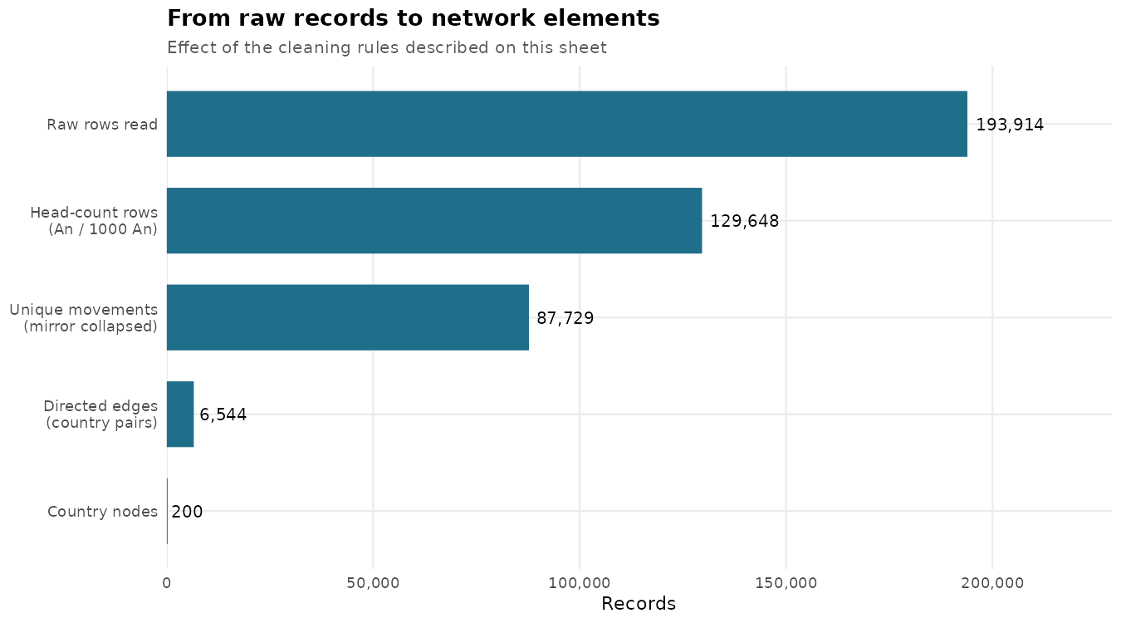
Item | Detail
Source | FAOSTAT Detailed trade matrix (domain TM), live animals, CSV extracts in Data/
Files | 16 CSV files
Important | File names do NOT match the year of their contents; year is taken from the Year column
Years covered | 2005, 2006, 2007, 2008, 2009, 2010, 2011, 2012, 2013, 2014, 2015, 2016, 2017, 2018, 2020, 2021
Years missing | 2019
Raw rows | 193,914
Exact duplicate rows | 0
Duplicates on natural key | 0
Unit handling | Only head-count units kept (An, 1000 An -> head); tonnes rows excluded to avoid double counting
Direction rule | Export Quantity: reporter -> partner; Import Quantity: partner -> reporter
Mirror handling | One movement = origin x destination x species x year; max reported head kept
Unique movements | 87,729
Edge weight | Frequency of movement = number of distinct species-year movements on the route
Node weight | In-degree / out-degree / total degree centrality (unweighted and weighted strength both reported)
Entities | 200 M49 entities, 1:1 code-to-name. Territories (China mainland/Hong Kong/Macao/Taiwan) and historical entities (Sudan (former), Serbia and Montenegro) are kept as separate nodes
Coordinates | Country centroids from Natural Earth matched on M49 code; France, Norway, Sudan (former) and Serbia and Montenegro set manually
Generated | 2026-08-23 13:46

File_Inventory
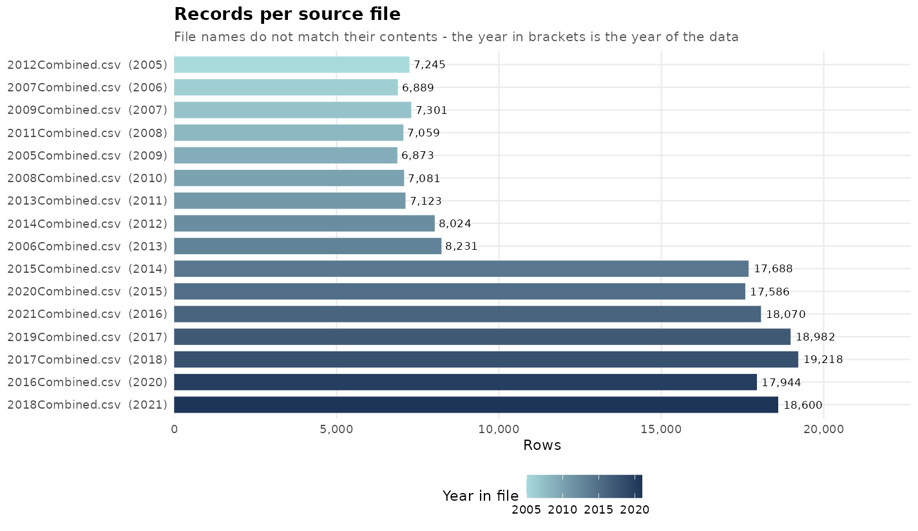
source_file | n_rows | years_in_file
2005Combined.csv | 6873 | 2009
2006Combined.csv | 8231 | 2013
2007Combined.csv | 6889 | 2006
2008Combined.csv | 7081 | 2010
2009Combined.csv | 7301 | 2007
2011Combined.csv | 7059 | 2008
2012Combined.csv | 7245 | 2005
2013Combined.csv | 7123 | 2011
2014Combined.csv | 8024 | 2012
2015Combined.csv | 17688 | 2014
2016Combined.csv | 17944 | 2020
2017Combined.csv | 19218 | 2018
2018Combined.csv | 18600 | 2021
2019Combined.csv | 18982 | 2017
2020Combined.csv | 17586 | 2015
2021Combined.csv | 18070 | 2016

Column_Check
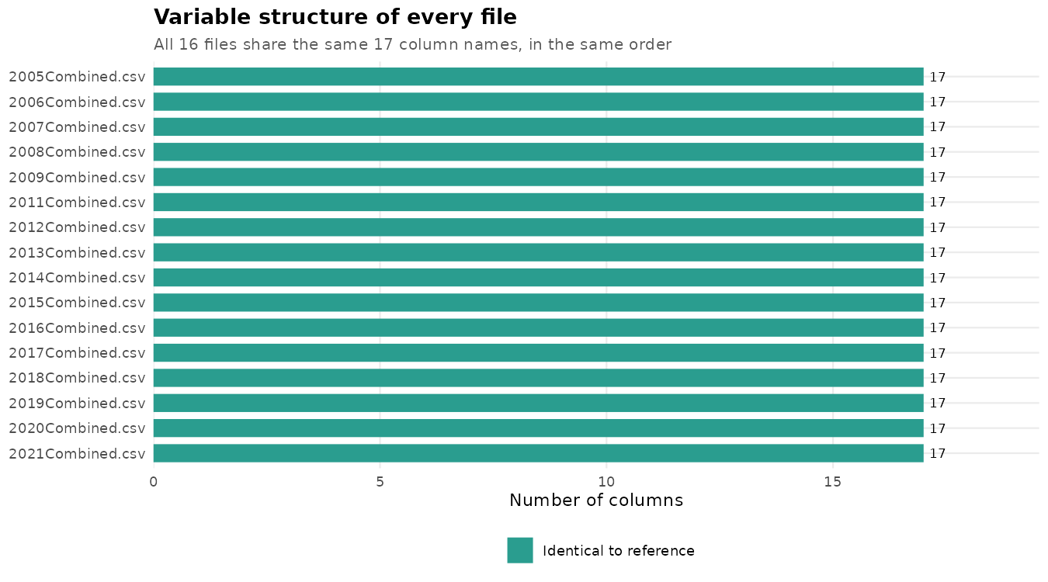
source_file | n_columns | identical_names | same_order | missing_vs_ref | extra_vs_ref
2005Combined.csv | 17 | TRUE | TRUE
2006Combined.csv | 17 | TRUE | TRUE
2007Combined.csv | 17 | TRUE | TRUE
2008Combined.csv | 17 | TRUE | TRUE
2009Combined.csv | 17 | TRUE | TRUE
2011Combined.csv | 17 | TRUE | TRUE
2012Combined.csv | 17 | TRUE | TRUE
2013Combined.csv | 17 | TRUE | TRUE
2014Combined.csv | 17 | TRUE | TRUE
2015Combined.csv | 17 | TRUE | TRUE
2016Combined.csv | 17 | TRUE | TRUE
2017Combined.csv | 17 | TRUE | TRUE
2018Combined.csv | 17 | TRUE | TRUE
2019Combined.csv | 17 | TRUE | TRUE
2020Combined.csv | 17 | TRUE | TRUE
2021Combined.csv | 17 | TRUE | TRUE

Class_Check
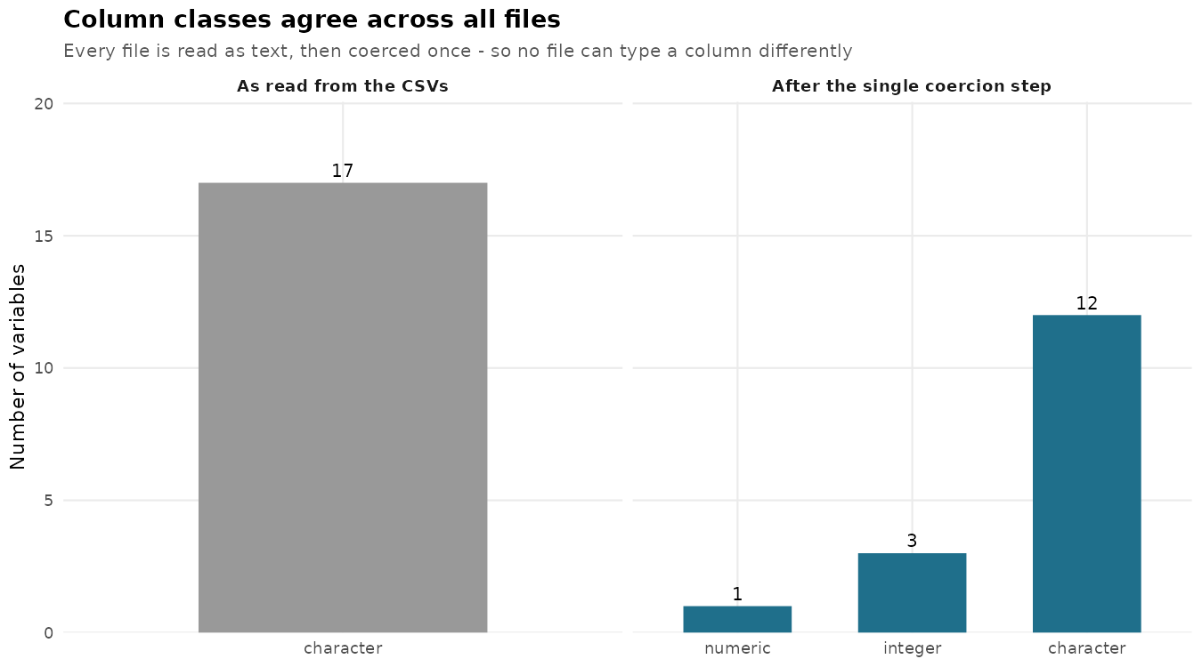
variable | distinct_classes
Domain | character
Domain Code | character
Element | character
Element Code | character
Flag | character
Flag Description | character
Item | character
Item Code (CPC) | character
Partner Countries | character
Partner Country Code (M49) | character
Reporter Countries | character
Reporter Country Code (M49) | character
Unit | character
Value | character
Year | character
Year Code | character
source_file | character

Missing_Values
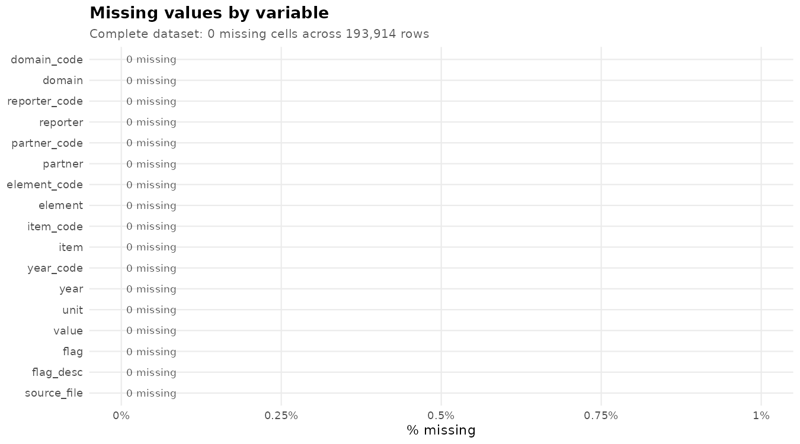
variable | n_missing | pct_missing
domain_code | 0 | 0
domain | 0 | 0
reporter_code | 0 | 0
reporter | 0 | 0
partner_code | 0 | 0
partner | 0 | 0
element_code | 0 | 0
element | 0 | 0
item_code | 0 | 0
item | 0 | 0
year_code | 0 | 0
year | 0 | 0
unit | 0 | 0
value | 0 | 0
flag | 0 | 0
flag_desc | 0 | 0
source_file | 0 | 0

Duplicate_Check
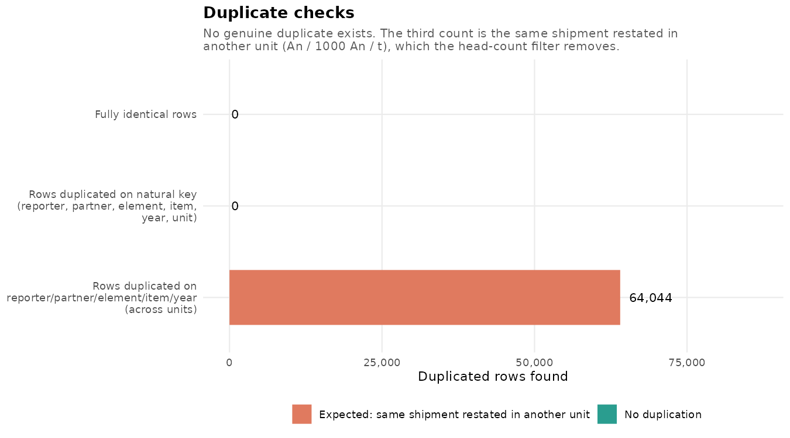
check | n_duplicates
Fully identical rows | 0
Rows duplicated on natural key (reporter, partner, element, item, year, unit) | 0
Rows duplicated on reporter/partner/element/item/year (across units) | 64044

Variable_Overview
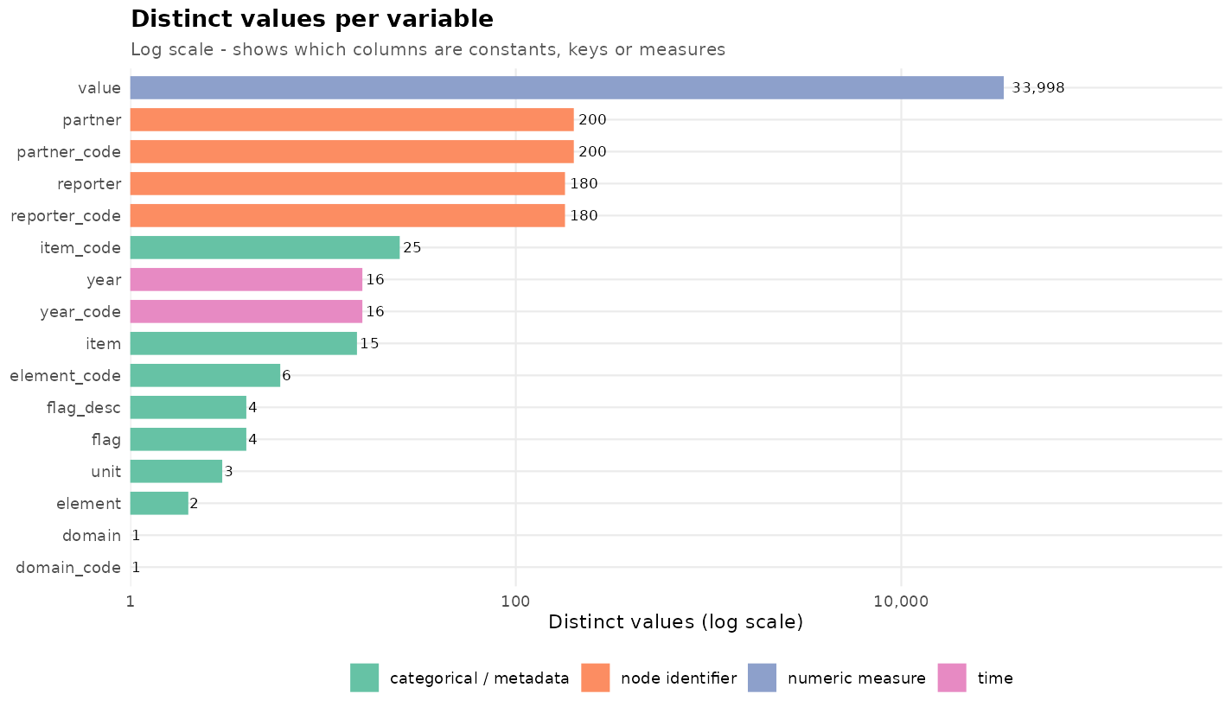
variable | type | role | n_obs | n_missing | pct_missing | n_unique | mean | sd | min | median | max | example_levels
domain_code | character | categorical / metadata | 193914 | 0 | 0 | 1 |  |  |  |  |  | TM
domain | character | categorical / metadata | 193914 | 0 | 0 | 1 |  |  |  |  |  | Detailed trade matrix
reporter_code | integer | node identifier | 193914 | 0 | 0 | 180 | 447.383 | 255.377 | 4 | 426 | 894
reporter | character | node identifier | 193914 | 0 | 0 | 180 |  |  |  |  |  | Afghanistan; Albania; Algeria; Angola; Antigua and Barbuda; Argentina
partner_code | integer | node identifier | 193914 | 0 | 0 | 200 | 446.651 | 256.546 | 4 | 422 | 894
partner | character | node identifier | 193914 | 0 | 0 | 200 |  |  |  |  |  | Afghanistan; Albania; Algeria; Angola; Antigua and Barbuda; Argentina
element_code | character | categorical / metadata | 193914 | 0 | 0 | 6 |  |  |  |  |  | 5608; 5609; 5610; 5908; 5909; 5910
element | character | categorical / metadata | 193914 | 0 | 0 | 2 |  |  |  |  |  | Export Quantity; Import Quantity
item_code | character | categorical / metadata | 193914 | 0 | 0 | 25 |  |  |  |  |  | 02111; 02122; 02123; 02131; 02132; 02140
item | character | categorical / metadata | 193914 | 0 | 0 | 15 |  |  |  |  |  | Asses; Buffalo; Camels; Cattle; Chickens; Ducks
year_code | character | time | 193914 | 0 | 0 | 16 |  |  |  |  |  | 2005; 2006; 2007; 2008; 2009; 2010
year | integer | time | 193914 | 0 | 0 | 16 | 2014.533 | 4.598 | 2005 | 2015 | 2021
unit | character | categorical / metadata | 193914 | 0 | 0 | 3 |  |  |  |  |  | 1000 An; An; t
value | numeric | numeric measure | 193914 | 0 | 0 | 33998 | 11005.758 | 225333.537 | 0 | 22.84 | 70108836
flag | character | categorical / metadata | 193914 | 0 | 0 | 4 |  |  |  |  |  | A; E; I; X
flag_desc | character | categorical / metadata | 193914 | 0 | 0 | 4 |  |  |  |  |  | Estimated value; Figure from international organizations; Imputed value; Official figure

Categorical_Freq
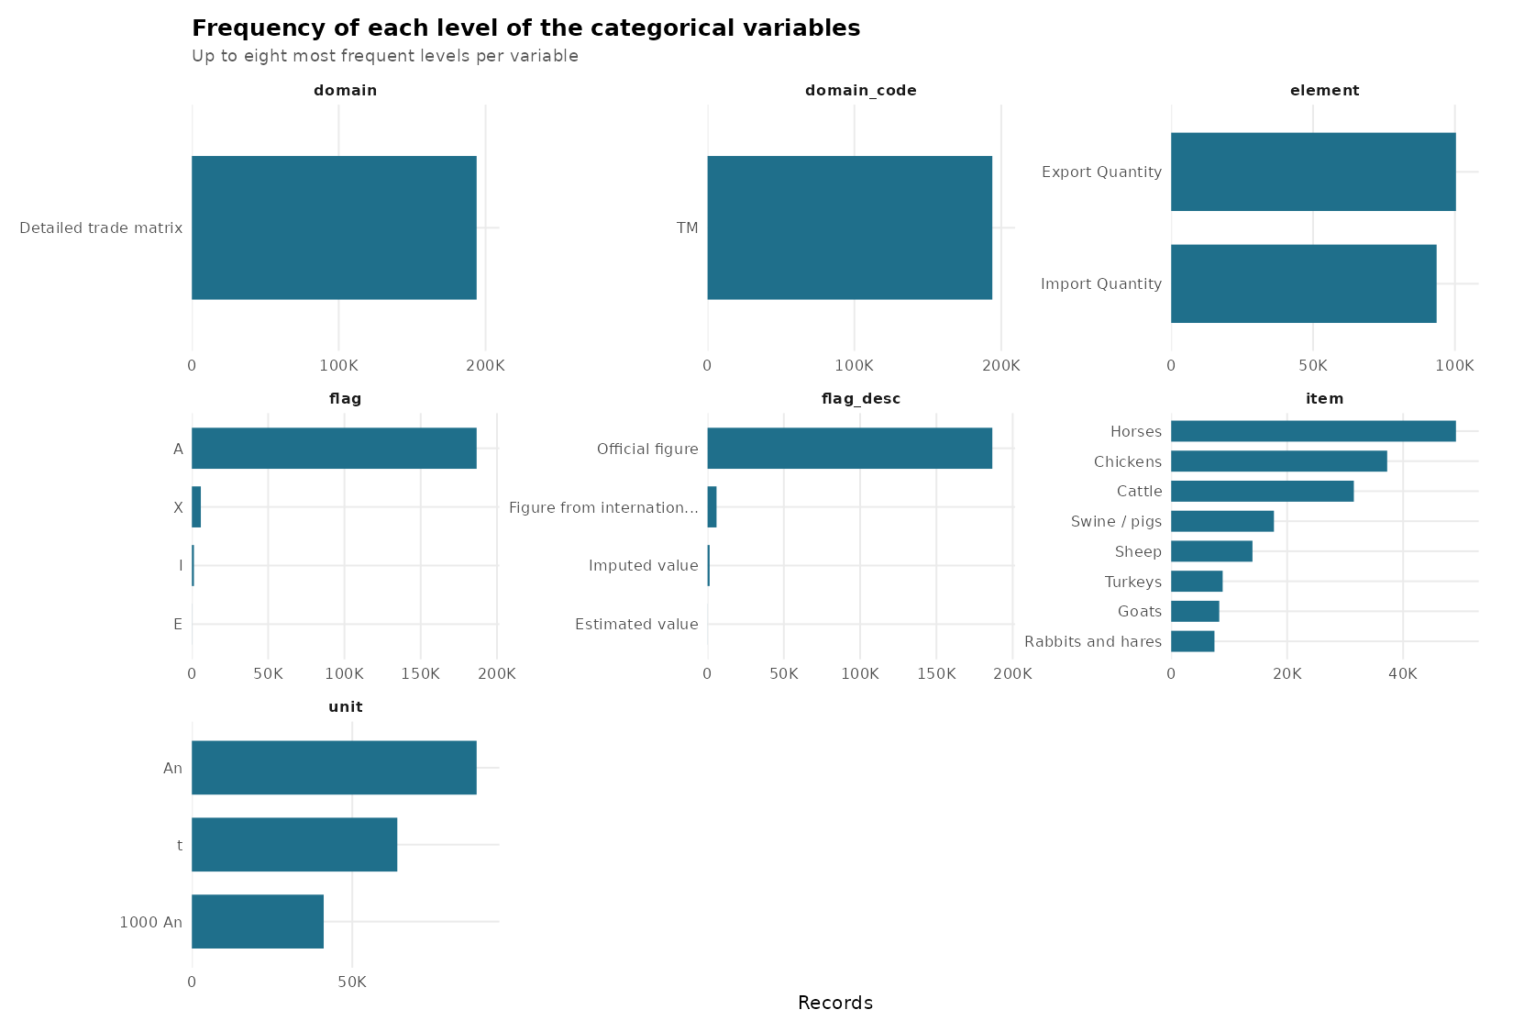
variable | level | n | pct
domain_code | TM | 193914 | 100
domain | Detailed trade matrix | 193914 | 100
element | Export Quantity | 100362 | 51.756
element | Import Quantity | 93552 | 48.244
item | Horses | 49107 | 25.324
item | Chickens | 37247 | 19.208
item | Cattle | 31498 | 16.243
item | Swine / pigs | 17718 | 9.137
item | Sheep | 14016 | 7.228
item | Turkeys | 8876 | 4.577
item | Goats | 8286 | 4.273
item | Rabbits and hares | 7460 | 3.847
item | Ducks | 6364 | 3.282
item | Mules and hinnies | 3860 | 1.991
item | Asses | 2710 | 1.398
item | Camels | 2524 | 1.302
item | Geese | 1987 | 1.025
item | Buffalo | 1634 | 0.843
item | Other rodents | 627 | 0.323
unit | An | 88775 | 45.781
unit | t | 64044 | 33.027
unit | 1000 An | 41095 | 21.192
flag | A | 186653 | 96.256
flag | X | 5870 | 3.027
flag | I | 1347 | 0.695
flag | E | 44 | 0.023
flag_desc | Official figure | 186653 | 96.256
flag_desc | Figure from international organizations | 5870 | 3.027
flag_desc | Imputed value | 1347 | 0.695
flag_desc | Estimated value | 44 | 0.023

Value_by_Element_Unit
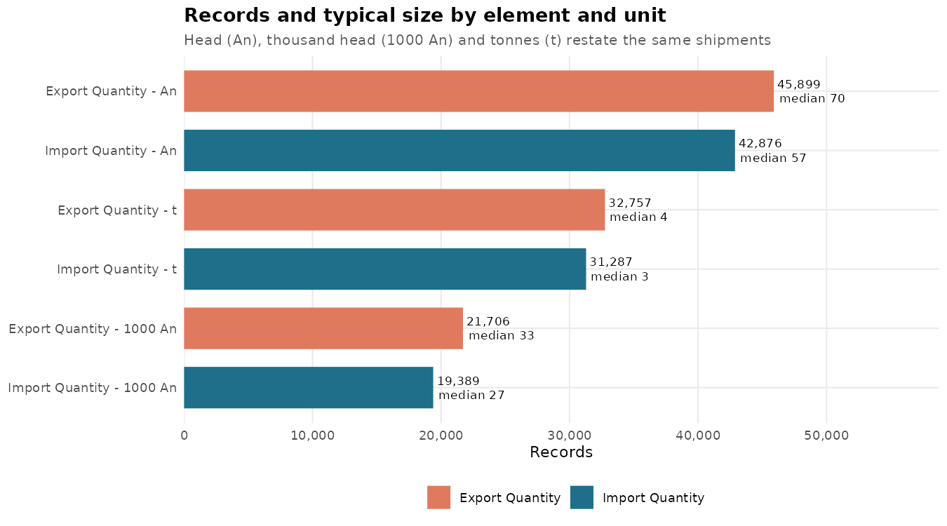
element | unit | n | mean | sd | min | q1 | median | q3 | max | sum
Export Quantity | 1000 An | 21706 | 1136.5236 | 8234.7068 | 0 | 3 | 33 | 237 | 269732 | 24669382
Export Quantity | An | 45899 | 20915.2433 | 228066.7912 | 0 | 7 | 70 | 1028 | 10004320 | 959988753
Export Quantity | t | 32757 | 1190.691 | 12577.8279 | 0 | 0.08 | 3.5 | 55.34 | 548420.96 | 39003466.1
Import Quantity | 1000 An | 19389 | 1193.7108 | 9160.7544 | 0 | 2 | 27 | 199 | 363113 | 23144858
Import Quantity | An | 42876 | 24371.5635 | 416019.1631 | 0 | 6 | 57 | 986 | 70108836 | 1044955155
Import Quantity | t | 31287 | 1355.483 | 15641.8285 | 0 | 0.12 | 3 | 48.035 | 707825.29 | 42408997.98

Value_by_Year
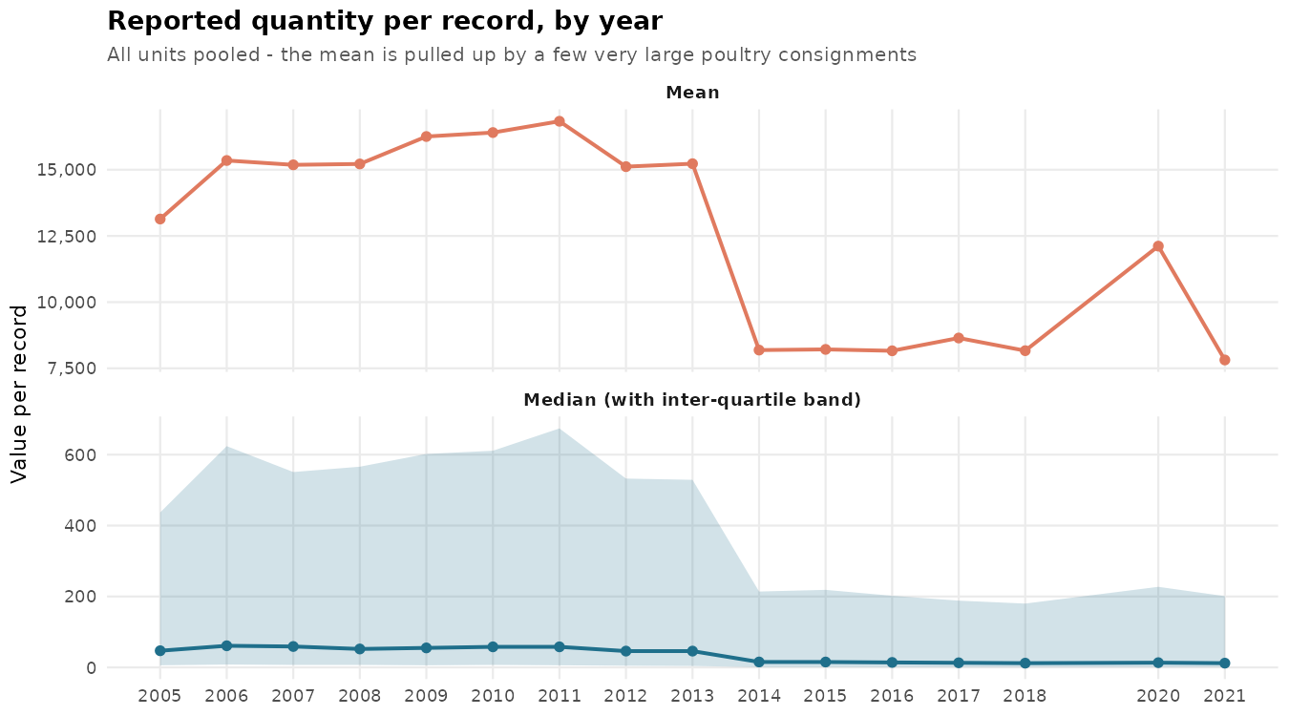
year | n | mean | sd | min | q1 | median | q3 | max | sum
2005 | 7245 | 13138.4478 | 169196.7045 | 0 | 6 | 47 | 437 | 8190208 | 95188054
2006 | 6889 | 15348.3699 | 188683.4784 | 0 | 8 | 61 | 624 | 8763378 | 105734920
2007 | 7301 | 15184.1833 | 205854.8548 | 0 | 7 | 59 | 551 | 10004320 | 110859722
2008 | 7059 | 15217.2031 | 203526.8111 | 0 | 7 | 52 | 566 | 9347924 | 107418237
2009 | 6873 | 16253.668 | 183414.6905 | 0 | 6 | 55 | 602 | 6364553 | 111711460
2010 | 7081 | 16402.9122 | 187436.6071 | 0 | 7 | 58 | 611 | 6993581 | 116149021
2011 | 7123 | 16829.5871 | 197093.5893 | 0 | 6 | 58 | 674 | 6740100 | 119877149
2012 | 8024 | 15116.2775 | 193224.438 | 0 | 4.75 | 46 | 532.5 | 7690298 | 121293011
2013 | 8231 | 15226.9872 | 192950.4705 | 0 | 4 | 46 | 529 | 8168666 | 125333332
2014 | 17688 | 8189.0822 | 135515.6293 | 0 | 1 | 15.3 | 214 | 8285524 | 144848485.13
2015 | 17586 | 8214.8092 | 135761.7074 | 0 | 1 | 15.2 | 218.69 | 7839424 | 144465634.69
2016 | 18070 | 8162.2888 | 140071.7953 | 0 | 1 | 14 | 202 | 8770872 | 147492559.21
2017 | 18982 | 8645.1685 | 152306.0971 | 0 | 1 | 13 | 188.315 | 8409889 | 164102588.59
2018 | 19218 | 8166.1919 | 143504.5194 | 0 | 0.96 | 12 | 180 | 7308706 | 156937875.24
2020 | 17944 | 12114.9106 | 541099.8601 | 0 | 1 | 13.32 | 227.22 | 70108836 | 217389955.77
2021 | 18600 | 7815.5165 | 133986.7461 | 0 | 0.8 | 12 | 201 | 7649021 | 145368607.45

Head_by_Species
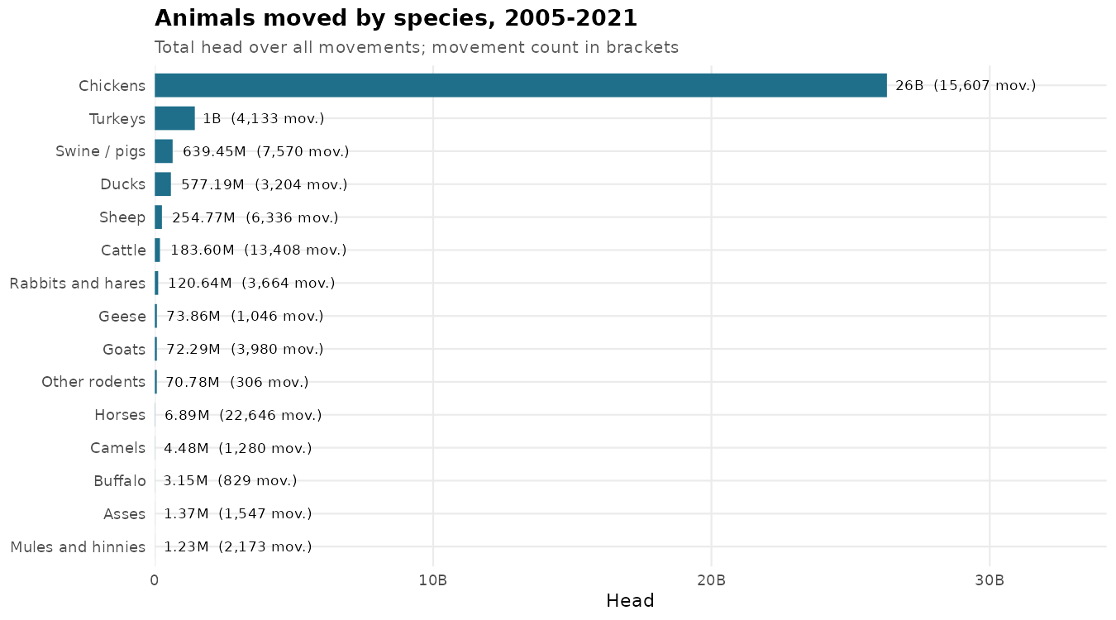
item | n | mean | sd | min | q1 | median | q3 | max | sum
Chickens | 15607 | 1685458.0637 | 11089292.386 | 0 | 12000 | 70000 | 380500 | 363113000 | 26304944000
Turkeys | 4133 | 347523.1067 | 1315959.5893 | 0 | 2000 | 17000 | 140000 | 28812000 | 1436313000
Swine / pigs | 7570 | 84472.0851 | 562755.7919 | 0 | 78 | 678.5 | 8307.75 | 10004320 | 639453684
Ducks | 3204 | 180146.0674 | 920477.4711 | 0 | 0 | 5000 | 37000 | 20420000 | 577188000
Sheep | 6336 | 40209.3262 | 190860.527 | 0 | 66 | 766 | 8952.75 | 4318835 | 254766291
Cattle | 13408 | 13693.1104 | 81765.1112 | 0 | 42 | 380.5 | 3533.25 | 2918814 | 183597224
Rabbits and hares | 3664 | 32924.3996 | 222747.8629 | 0 | 0 | 0 | 1000 | 5492000 | 120635000
Geese | 1046 | 70615.6788 | 1494771.5645 | 0 | 0 | 2000 | 9000 | 48171000 | 73864000
Goats | 3980 | 18162.2359 | 98256.5134 | 0 | 25 | 207 | 1558.75 | 1614584 | 72285699
Other rodents | 306 | 231296.4346 | 4007788.8695 | 0 | 0 | 0 | 1 | 70108836 | 70776709
Horses | 22646 | 304.4205 | 3313.8838 | 0 | 2 | 9 | 45 | 144950 | 6893906
Camels | 1280 | 3502.6391 | 13483.0704 | 0 | 3 | 21 | 476.25 | 153750 | 4483378
Buffalo | 829 | 3804.3341 | 17771.3326 | 0 | 2 | 20 | 370 | 346469 | 3153793
Asses | 1547 | 882.8022 | 21296.0182 | 0 | 1 | 5 | 27 | 823569 | 1365695
Mules and hinnies | 2173 | 567.7717 | 14795.96 | 0 | 1 | 4 | 20 | 648001 | 1233768

Head_by_Year
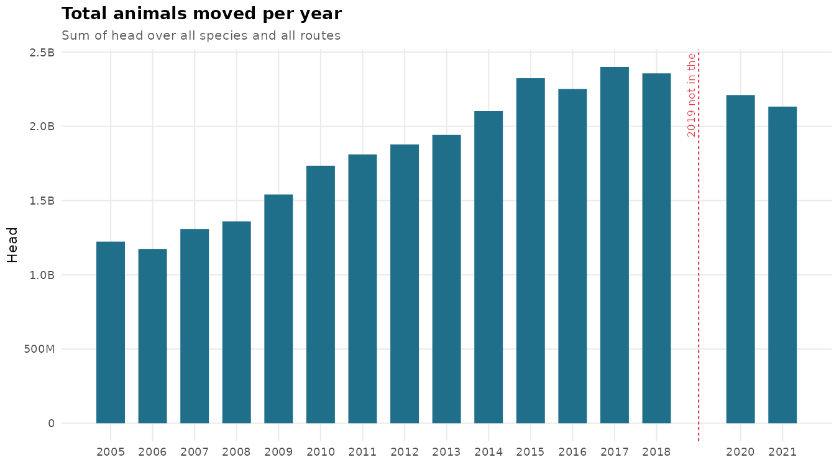
year | n | mean | sd | min | q1 | median | q3 | max | sum
2005 | 4935 | 247939.8105 | 3247423.1887 | 0 | 9 | 282 | 13000 | 134444000 | 1223582965
2006 | 4626 | 253472.7374 | 3200408.7117 | 0 | 11 | 306.5 | 15000 | 116119000 | 1172564883
2007 | 4943 | 264776.1956 | 3259656.6421 | 0 | 10 | 281 | 14000 | 141764000 | 1308788735
2008 | 4832 | 281287.1211 | 3413560.9111 | 0 | 10 | 222.5 | 13268.25 | 146795000 | 1359179369
2009 | 4663 | 330533.9747 | 4141015.5657 | 0 | 10 | 282 | 16000 | 186781000 | 1541279924
2010 | 4812 | 360257.9204 | 4840553.3523 | 0 | 10 | 295 | 16000 | 213668000 | 1733561113
2011 | 4873 | 371521.5553 | 5305120.3115 | 0 | 8 | 280 | 13907 | 248740000 | 1810424539
2012 | 5589 | 336019.9862 | 4789291.3301 | 0 | 6 | 174 | 10000 | 251313000 | 1878015703
2013 | 5700 | 340708.5449 | 4832564.9272 | 0 | 5 | 168 | 10155 | 229082000 | 1942038706
2014 | 5751 | 365798.161 | 4789954.6239 | 0 | 6 | 219 | 10056.5 | 213756000 | 2103705224
2015 | 5757 | 403812.3184 | 5519144.6752 | 0 | 6 | 200 | 10569 | 273155000 | 2324747517
2016 | 6024 | 373737.0717 | 5253686.8007 | 0 | 6 | 192 | 10000 | 285154000 | 2251392120
2017 | 6383 | 376041.4927 | 5858423.026 | 0 | 5 | 182 | 9455 | 363113000 | 2400272848
2018 | 6483 | 363601.1364 | 5394407.0118 | 0 | 5 | 151 | 8749 | 328621000 | 2357226167
2020 | 6066 | 364489.347 | 5050579.1309 | 0 | 4 | 219.5 | 9087 | 281227000 | 2210992379
2021 | 6292 | 339030.8257 | 4696832.6723 | 0 | 4 | 143.5 | 7000 | 250768000 | 2133181955

Year_Summary
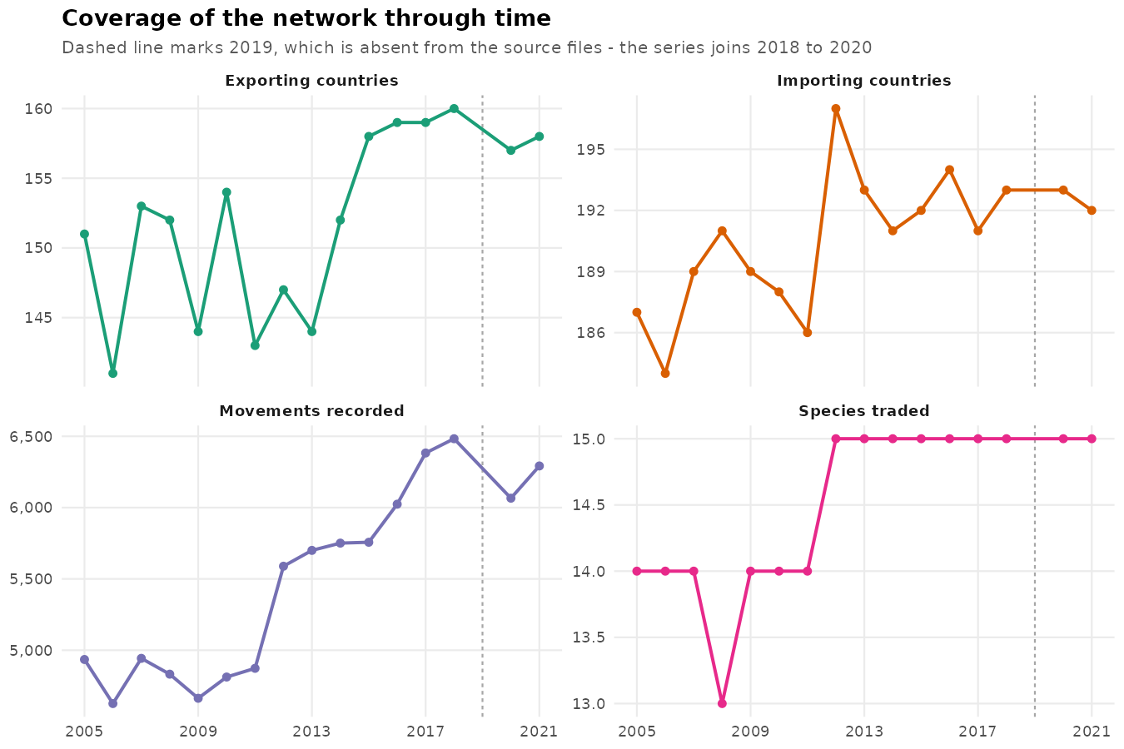
year | n_movements | n_origins | n_destinations | n_species | total_head
2005 | 4935 | 151 | 187 | 14 | 1223582965
2006 | 4626 | 141 | 184 | 14 | 1172564883
2007 | 4943 | 153 | 189 | 14 | 1308788735
2008 | 4832 | 152 | 191 | 13 | 1359179369
2009 | 4663 | 144 | 189 | 14 | 1541279924
2010 | 4812 | 154 | 188 | 14 | 1733561113
2011 | 4873 | 143 | 186 | 14 | 1810424539
2012 | 5589 | 147 | 197 | 15 | 1878015703
2013 | 5700 | 144 | 193 | 15 | 1942038706
2014 | 5751 | 152 | 191 | 15 | 2103705224
2015 | 5757 | 158 | 192 | 15 | 2324747517
2016 | 6024 | 159 | 194 | 15 | 2251392120
2017 | 6383 | 159 | 191 | 15 | 2400272848
2018 | 6483 | 160 | 193 | 15 | 2357226167
2020 | 6066 | 157 | 193 | 15 | 2210992379
2021 | 6292 | 158 | 192 | 15 | 2133181955

Country_Summary
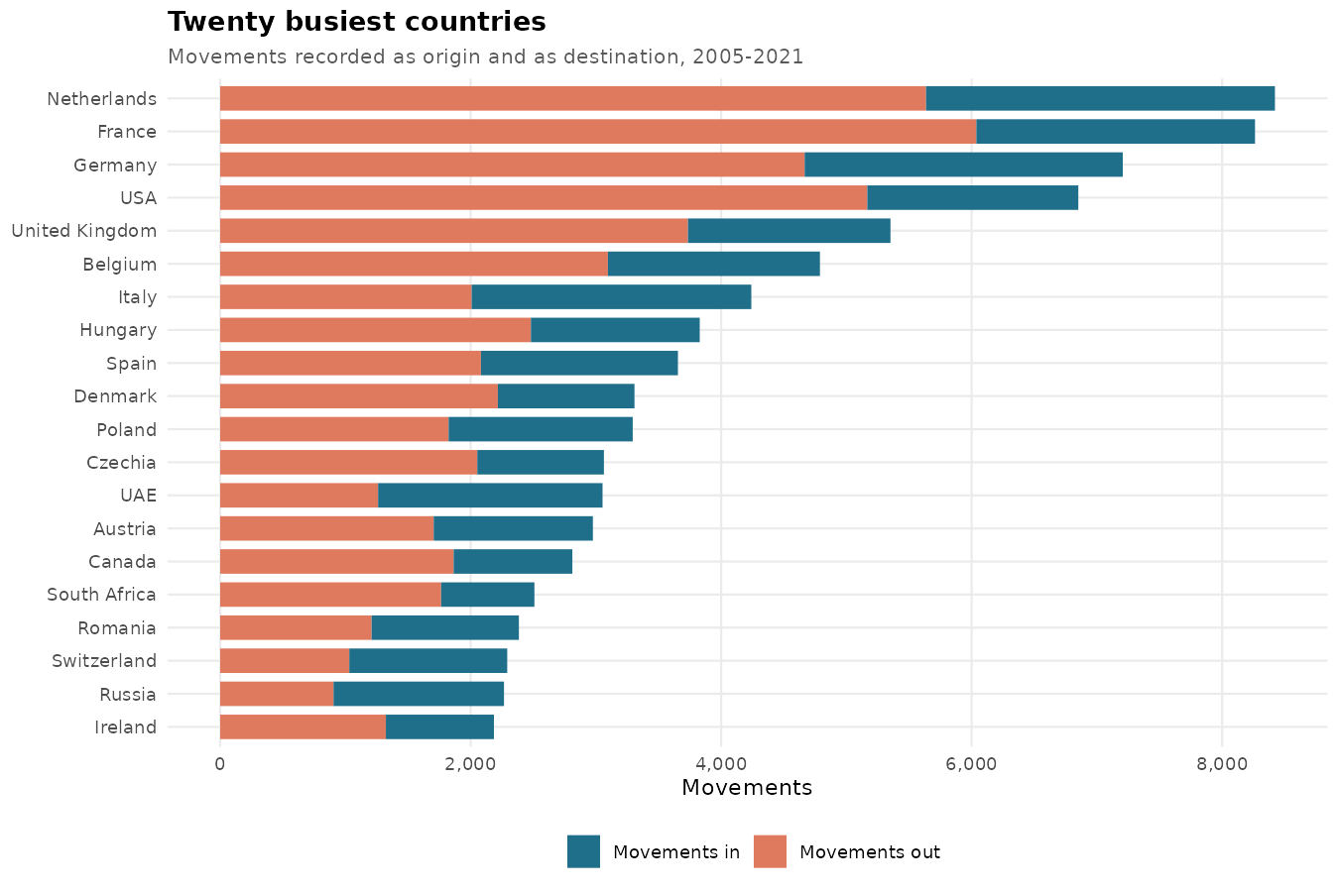
country | out_movements | head_exported | in_movements | head_imported
Netherlands (Kingdom of the) | 5636 | 5555697143 | 2786 | 5416292033
France | 6038 | 2392359109 | 2225 | 598077197
Germany | 4667 | 4930946994 | 2540 | 3696290777
United States of America | 5167 | 1686165284 | 1685 | 408383054
United Kingdom of Great Britain and Northern Ireland | 3735 | 585326028 | 1617 | 556204498
Belgium | 3096 | 1725291858 | 1693 | 2552911792
Italy | 2008 | 267892815 | 2233 | 334380026
Hungary | 2481 | 1124581639 | 1348 | 431003971
Spain | 2082 | 380692917 | 1573 | 1040847297
Denmark | 2217 | 916818339 | 1091 | 131036875
Poland | 1824 | 1056606535 | 1470 | 1666814644
Czechia | 2053 | 1670266983 | 1011 | 356284400
United Arab Emirates | 1261 | 17439342 | 1792 | 67117415
Austria | 1705 | 394027786 | 1271 | 269595784
Canada | 1864 | 415363595 | 948 | 891103657
South Africa | 1764 | 145534489 | 745 | 26416508
Romania | 1209 | 201272432 | 1176 | 1259374768
Switzerland | 1031 | 15668680 | 1261 | 16702425
Russian Federation | 905 | 93441589 | 1361 | 226364717
Ireland | 1323 | 374193509 | 863 | 203848431
Thailand | 1218 | 188282470 | 928 | 76431746
Slovakia | 1151 | 594164789 | 962 | 826045953
Australia | 1669 | 83878902 | 381 | 475444
Greece | 558 | 120543176 | 1201 | 158534193
Saudi Arabia | 523 | 48870216 | 1152 | 176297252
Sweden | 854 | 77328347 | 695 | 13426705
Bulgaria | 657 | 290459216 | 882 | 76041152
Croatia | 580 | 234744971 | 945 | 87508745
Portugal | 735 | 662990967 | 733 | 331383629
Qatar | 424 | 29413643 | 1040 | 24375177
India | 916 | 22297544 | 483 | 5802455
Brazil | 877 | 303495046 | 487 | 14591503
Malaysia | 506 | 872037738 | 858 | 59376295
Lithuania | 692 | 75403642 | 657 | 119615578
Luxembourg | 665 | 4518492 | 676 | 5433285
Kuwait | 419 | 3149838 | 920 | 47904980
China, mainland | 589 | 170016290 | 745 | 129695927
Slovenia | 634 | 31803290 | 687 | 101764011
Argentina | 859 | 3845041 | 439 | 16402633
Serbia | 442 | 209023674 | 839 | 290677551
Türkiye | 421 | 318414029 | 838 | 58701880
Ukraine | 405 | 12340023 | 813 | 1155839267
Lebanon | 195 | 3177964 | 984 | 27380417
Jordan | 413 | 23497657 | 758 | 39343666
Norway | 453 | 74378 | 702 | 2083610
New Zealand | 895 | 30022468 | 228 | 207910
Oman | 387 | 12614967 | 724 | 49765807
Egypt | 460 | 9224346 | 634 | 252740980
Bahrain | 230 | 137136 | 819 | 11302993
Latvia | 498 | 23619687 | 527 | 33285001
Japan | 304 | 384438 | 696 | 16489750
Mexico | 385 | 19292713 | 589 | 121012156
United Republic of Tanzania | 429 | 5817953 | 535 | 34689552
Singapore | 282 | 1803261 | 665 | 830411682
Estonia | 487 | 5228013 | 417 | 53270141
Israel | 238 | 6979465 | 639 | 20565145
Uganda | 384 | 9743741 | 482 | 54444323
Kazakhstan | 226 | 2701568 | 608 | 79235278
Finland | 342 | 52756791 | 483 | 10288080
Kenya | 382 | 38409842 | 421 | 12043574
Chile | 407 | 6622966 | 376 | 10262270
Belarus | 210 | 4627536 | 551 | 234554134
Niger | 542 | 9036275 | 215 | 5469833
Indonesia | 308 | 8211902 | 442 | 122493683
Republic of Korea | 175 | 324242 | 571 | 40655421
Philippines | 229 | 3840983 | 510 | 57198661
Costa Rica | 337 | 88583614 | 394 | 19147598
Guatemala | 224 | 48164877 | 504 | 212528481
Ethiopia | 454 | 9337537 | 265 | 10886991
Colombia | 289 | 41851133 | 411 | 20257303
Bosnia and Herzegovina | 99 | 85268417 | 597 | 203942357
Uruguay | 454 | 8393037 | 233 | 5120202
Pakistan | 232 | 94000745 | 448 | 28192905
Iran (Islamic Republic of) | 279 | 203941040 | 396 | 30609455
China, Hong Kong SAR | 188 | 32817 | 472 | 130621486
Zambia | 296 | 14297728 | 356 | 11144277
Morocco | 175 | 6147848 | 463 | 126077864
Panama | 188 | 4974962 | 423 | 23607623
Peru | 301 | 29825372 | 303 | 27911964
Ecuador | 99 | 1296894 | 497 | 72862533
Ghana | 98 | 904689 | 498 | 98650352
Senegal | 234 | 2772899 | 360 | 9653941
Viet Nam | 79 | 6938904 | 492 | 50213040
Zimbabwe | 233 | 11028883 | 334 | 7498245
Georgia | 199 | 11154869 | 361 | 25005924
Cyprus | 167 | 1446870 | 391 | 13078155
Albania | 17 | 422194 | 530 | 165570901
Burkina Faso | 239 | 3412466 | 290 | 19144542
Nicaragua | 230 | 822089 | 292 | 110789961
Azerbaijan | 84 | 342966 | 417 | 51054553
Republic of Moldova | 151 | 836408 | 318 | 77853165
Mali | 276 | 17380119 | 192 | 30931715
China, Taiwan Province of | 102 | 628156 | 360 | 13549029
Syrian Arab Republic | 219 | 18908036 | 242 | 239290371
Nepal | 56 | 645263 | 402 | 25881621
Botswana | 168 | 550164 | 286 | 18571176
Mauritius | 164 | 16086285 | 285 | 4653178
Barbados | 313 | 5883685 | 132 | 178035
Libya | 8 | 16734 | 433 | 12857334
Côte d'Ivoire | 61 | 2283883 | 375 | 27667101
Myanmar | 138 | 2761301 | 291 | 139483843
Uzbekistan | 36 | 11676475 | 393 | 16856910
El Salvador | 128 | 211439185 | 294 | 65133347
Honduras | 123 | 8037493 | 298 | 44845242
Namibia | 241 | 6524005 | 180 | 65393588
Venezuela (Bolivarian Republic of) | 95 | 804412 | 316 | 43931832
Nigeria | 109 | 830111 | 300 | 10911407
Democratic Republic of the Congo | 43 | 73463 | 355 | 21072288
Tunisia | 91 | 388001 | 303 | 21092178
North Macedonia | 76 | 4842840 | 316 | 43573610
Angola | 63 | 1878 | 311 | 14164715
Kyrgyzstan | 191 | 477633 | 178 | 1030118
Yemen | 22 | 25747 | 334 | 35455259
Rwanda | 131 | 5302977 | 221 | 9808989
Iceland | 305 | 307445 | 29 | 166312
Iraq | 24 | 939707 | 310 | 34096175
Malta | 72 | 553689 | 259 | 2523058
Sri Lanka | 148 | 1809669 | 183 | 9887575
Dominican Republic | 120 | 15127671 | 210 | 19121415
Algeria | 26 | 6120 | 301 | 126572397
Malawi | 112 | 7296212 | 210 | 3963187
Montenegro | 38 | 24490767 | 282 | 44971833
Armenia | 85 | 3819283 | 232 | 63954551
Bangladesh | 30 | 50741 | 284 | 45990522
Somalia | 232 | 45082928 | 82 | 3537565
Cameroon | 102 | 145111 | 210 | 17487211
Trinidad and Tobago | 95 | 36892 | 195 | 11976294
Lao People's Democratic Republic | 82 | 5615971 | 201 | 30058357
Mozambique | 25 | 352060 | 246 | 34831180
Bolivia (Plurinational State of) | 21 | 4513 | 232 | 20806299
Brunei Darussalam | 32 | 2531 | 214 | 19030473
Benin | 52 | 1162425 | 193 | 8355675
Paraguay | 38 | 2759 | 195 | 217809746
Togo | 43 | 248466 | 188 | 4761601
Burundi | 31 | 424412 | 193 | 1794524
Djibouti | 135 | 7709525 | 81 | 1237277
Sudan | 112 | 31427501 | 101 | 9555362
Tajikistan | 22 | 108094 | 174 | 19787657
Congo | 20 | 751957 | 173 | 5609399
Jamaica | 80 | 379069 | 112 | 10163671
Mongolia | 31 | 67285 | 154 | 1764837
Antigua and Barbuda | 38 | 49338 | 131 | 1119097
Afghanistan | 41 | 104826 | 126 | 146502286
Gabon | 1 | 1 | 160 | 5371821
Sudan (former) | 69 | 10781011 | 91 | 13097238
Eswatini | 64 | 13123343 | 94 | 27641850
Guinea | 9 | 82 | 144 | 12990823
Grenada | 13 | 16000 | 139 | 3842287
Guyana | 30 | 77440 | 119 | 895186
Cambodia | 14 | 128619 | 132 | 39566823
China, Macao SAR | 11 | 717 | 135 | 40157338
Madagascar | 35 | 215528 | 111 | 17920649
Bahamas | 17 | 1187 | 128 | 11638206
Maldives | 0 | 0 | 128 | 566891
Mauritania | 12 | 11189 | 113 | 5637394
Gambia | 2 | 166000 | 121 | 972508
Suriname | 10 | 39486 | 113 | 1036472
Belize | 19 | 18599 | 102 | 2025039
Lesotho | 31 | 134469 | 79 | 23501494
Saint Vincent and the Grenadines | 23 | 2303 | 84 | 360649
Saint Lucia | 9 | 60 | 96 | 2958293
Comoros | 3 | 832 | 101 | 624729
New Caledonia | 16 | 199057 | 84 | 148153
Fiji | 30 | 72708 | 65 | 8667221
Turkmenistan | 5 | 8 | 87 | 58071493
Dominica | 2 | 302 | 81 | 1001093
French Polynesia | 3 | 1 | 78 | 2669883
Saint Kitts and Nevis | 5 | 8 | 74 | 322207
Chad | 31 | 52901 | 46 | 1151425
Seychelles | 5 | 8 | 72 | 1195151
Haiti | 2 | 5 | 72 | 19448103
Cuba | 43 | 129183 | 29 | 19090
Cabo Verde | 4 | 15005 | 67 | 3289937
Central African Republic | 6 | 1709 | 65 | 4383423
Sierra Leone | 11 | 4107 | 50 | 1715171
Faroe Islands | 4 | 6 | 56 | 60555
Palestine | 4 | 1001 | 54 | 5358699
Eritrea | 25 | 100276 | 30 | 660157
Bhutan | 2 | 39 | 49 | 1419584
Serbia and Montenegro | 13 | 1026537 | 38 | 1916444
Liberia | 0 | 0 | 48 | 1634681
Vanuatu | 13 | 26 | 33 | 932128
Sao Tome and Principe | 6 | 2033 | 35 | 670556
Equatorial Guinea | 0 | 0 | 39 | 195952
Tonga | 2 | 4 | 36 | 460633
Democratic People's Republic of Korea | 1 | 1 | 31 | 6446
Papua New Guinea | 3 | 21001 | 29 | 2627810
South Sudan | 2 | 393 | 30 | 103620
Samoa | 0 | 0 | 31 | 671255
Kiribati | 0 | 0 | 26 | 43790
Timor-Leste | 2 | 1326 | 21 | 953278
Guinea-Bissau | 0 | 0 | 20 | 405000
Nauru | 0 | 0 | 20 | 14999
Cook Islands | 0 | 0 | 19 | 65044
Marshall Islands | 0 | 0 | 16 | 79275
Solomon Islands | 1 | 1862 | 13 | 16153
Micronesia (Federated States of) | 0 | 0 | 12 | 932
Niue | 2 | 1001 | 6 | 2013
Tuvalu | 0 | 0 | 7 | 5160
Tokelau | 1 | 4000 | 1 | 6

Movement_Reporting
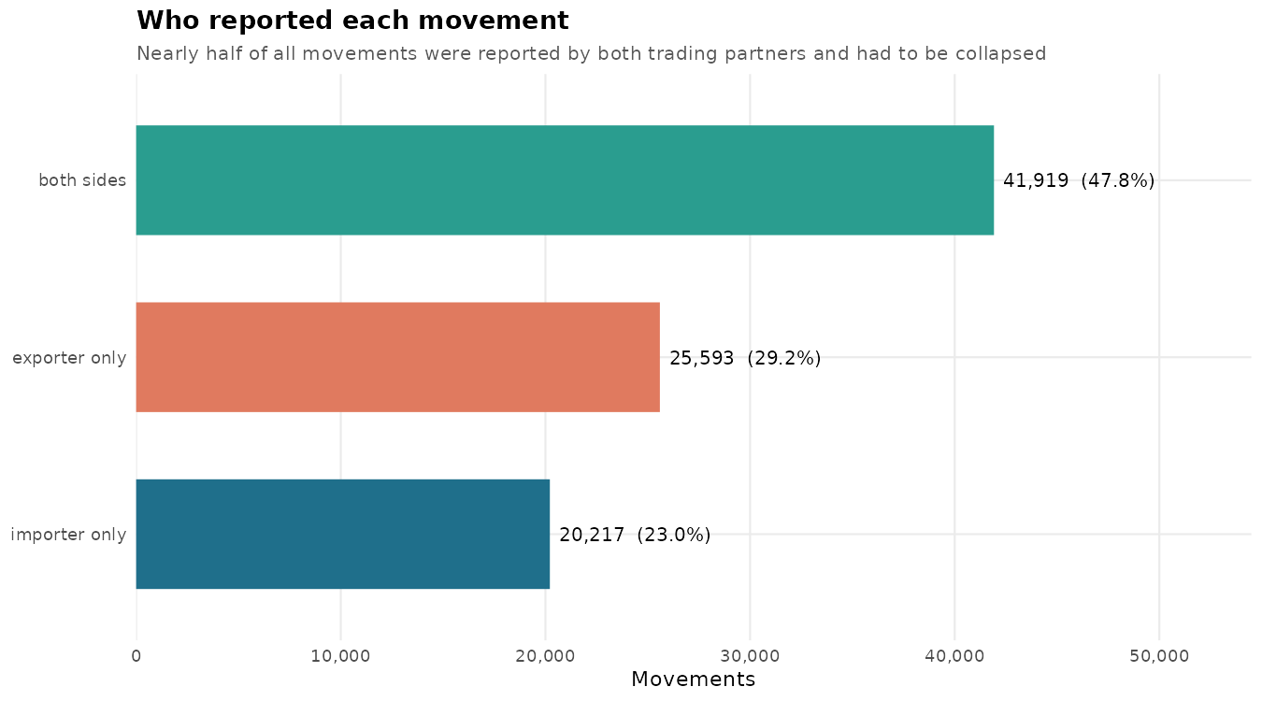
reported_by | n_movements
both sides | 41919
exporter only | 25593
importer only | 20217

Network_Summary_All
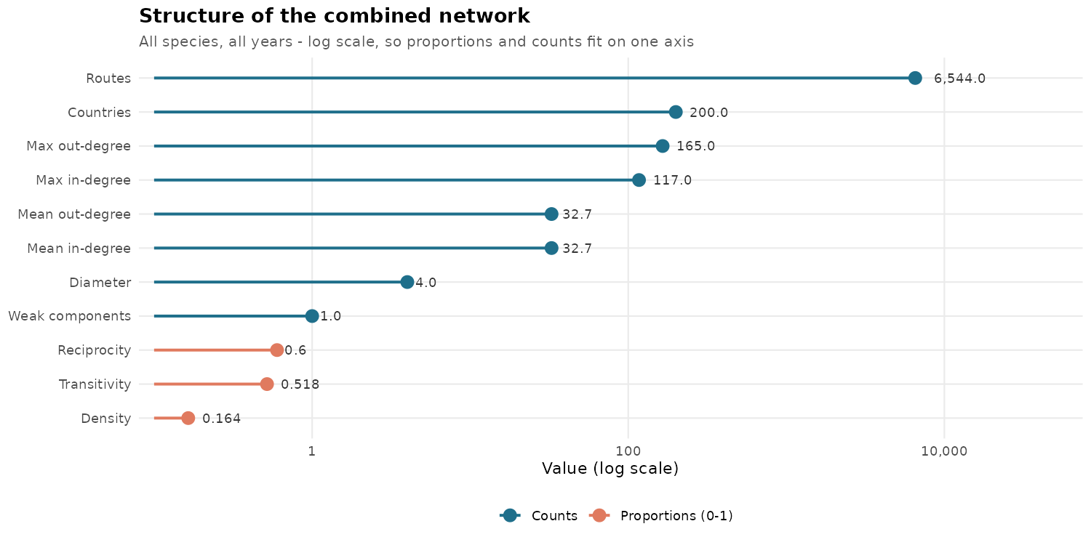
network | n_nodes | n_edges | density | reciprocity | transitivity | mean_in_degree | mean_out_degree | max_in_degree | max_out_degree | diameter | n_components_weak
All species, 2005-2021 | 200 | 6544 | 0.1644 | 0.5996 | 0.5181 | 32.72 | 32.72 | 117 | 165 | 4 | 1

Network_Summary_Spp
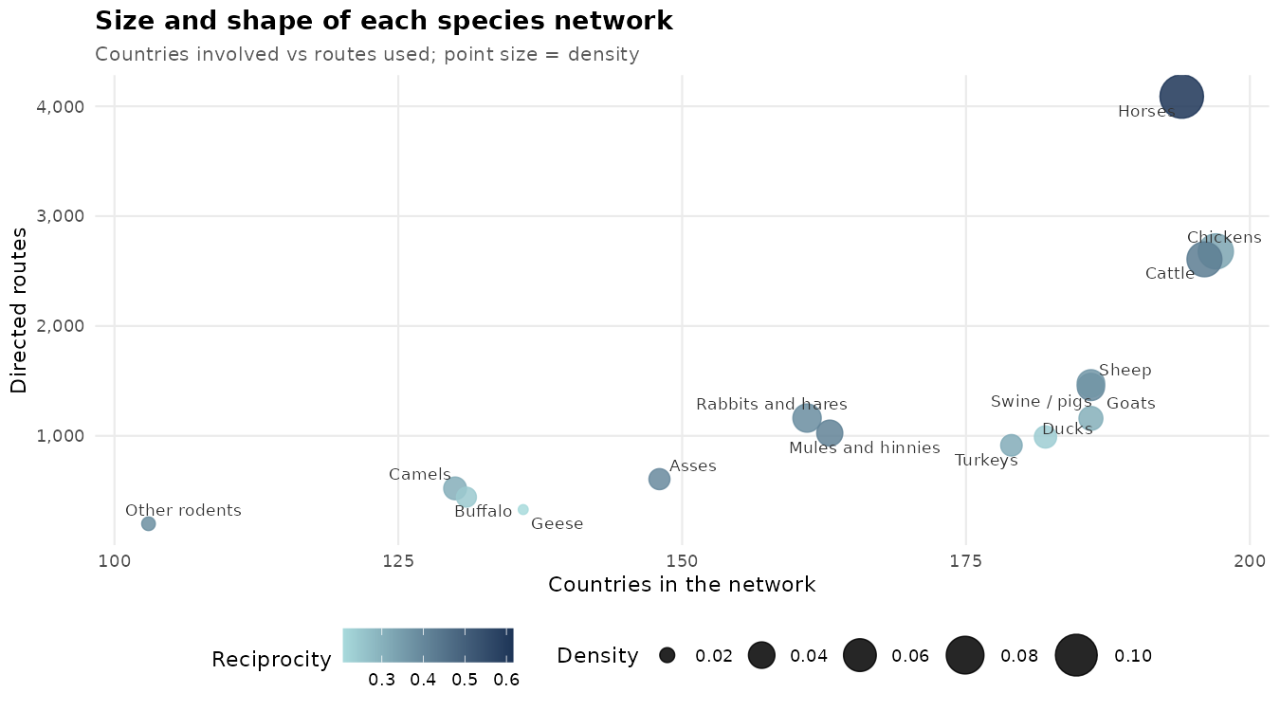
network | n_nodes | n_edges | density | reciprocity | transitivity | mean_in_degree | mean_out_degree | max_in_degree | max_out_degree | diameter | n_components_weak
Horses | 194 | 4089 | 0.1092 | 0.6163 | 0.4684 | 21.0773 | 21.0773 | 101 | 135 | 5 | 1
Chickens | 197 | 2679 | 0.0694 | 0.33 | 0.3513 | 13.599 | 13.599 | 46 | 147 | 7 | 1
Cattle | 196 | 2607 | 0.0682 | 0.4265 | 0.4182 | 13.301 | 13.301 | 67 | 97 | 7 | 1
Swine / pigs | 186 | 1445 | 0.042 | 0.3958 | 0.3816 | 7.7688 | 7.7688 | 36 | 85 | 9 | 1
Sheep | 186 | 1477 | 0.0429 | 0.3629 | 0.35 | 7.9409 | 7.9409 | 46 | 57 | 7 | 1
Turkeys | 179 | 914 | 0.0287 | 0.3129 | 0.254 | 5.1061 | 5.1061 | 30 | 91 | 8 | 1
Goats | 186 | 1159 | 0.0337 | 0.3054 | 0.2778 | 6.2312 | 6.2312 | 45 | 53 | 7 | 1
Rabbits and hares | 161 | 1162 | 0.0451 | 0.3855 | 0.3374 | 7.2174 | 7.2174 | 42 | 84 | 6 | 1
Ducks | 182 | 990 | 0.0301 | 0.2364 | 0.2587 | 5.4396 | 5.4396 | 27 | 85 | 7 | 1
Mules and hinnies | 163 | 1025 | 0.0388 | 0.4137 | 0.3091 | 6.2883 | 6.2883 | 38 | 61 | 8 | 1
Asses | 148 | 606 | 0.0279 | 0.3927 | 0.275 | 4.0946 | 4.0946 | 29 | 63 | 7 | 1
Camels | 130 | 522 | 0.0311 | 0.3065 | 0.2393 | 4.0154 | 4.0154 | 42 | 54 | 7 | 2
Geese | 136 | 329 | 0.0179 | 0.2067 | 0.1909 | 2.4191 | 2.4191 | 15 | 40 | 8 | 1
Buffalo | 131 | 442 | 0.026 | 0.2443 | 0.2154 | 3.374 | 3.374 | 18 | 54 | 10 | 1
Other rodents | 103 | 200 | 0.019 | 0.38 | 0.0181 | 1.9417 | 1.9417 | 28 | 51 | 6 | 3

Centrality_All
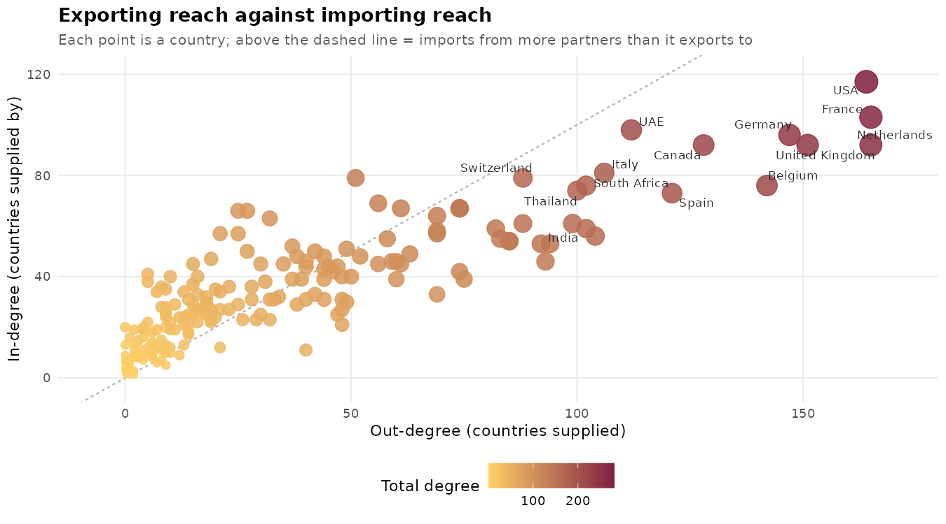
country | in_degree | out_degree | total_degree | in_strength | out_strength | total_strength | betweenness | eigen_centrality | in_degree_norm | out_degree_norm | total_degree_norm
United States of America | 117 | 164 | 281 | 1685 | 5167 | 6852 | 1406.2966 | 0.3956 | 0.5879 | 0.8241 | 0.706
France | 103 | 165 | 268 | 2225 | 6038 | 8263 | 967.3986 | 0.8848 | 0.5176 | 0.8291 | 0.6734
Netherlands (Kingdom of the) | 92 | 165 | 257 | 2786 | 5636 | 8422 | 1033.6273 | 1 | 0.4623 | 0.8291 | 0.6457
Germany | 96 | 147 | 243 | 2540 | 4667 | 7207 | 646.0513 | 0.9568 | 0.4824 | 0.7387 | 0.6106
United Kingdom of Great Britain and Northern Ireland | 92 | 151 | 243 | 1617 | 3735 | 5352 | 1006.4832 | 0.5785 | 0.4623 | 0.7588 | 0.6106
Canada | 92 | 128 | 220 | 948 | 1864 | 2812 | 1691.9562 | 0.3253 | 0.4623 | 0.6432 | 0.5528
Belgium | 76 | 142 | 218 | 1693 | 3096 | 4789 | 532.2548 | 0.7191 | 0.3819 | 0.7136 | 0.5477
United Arab Emirates | 98 | 112 | 210 | 1792 | 1261 | 3053 | 1505.8551 | 0.4823 | 0.4925 | 0.5628 | 0.5276
Spain | 73 | 121 | 194 | 1573 | 2082 | 3655 | 200.5874 | 0.6813 | 0.3668 | 0.608 | 0.4874
Italy | 81 | 106 | 187 | 2233 | 2008 | 4241 | 898.8586 | 0.9288 | 0.407 | 0.5327 | 0.4698
South Africa | 76 | 102 | 178 | 745 | 1764 | 2509 | 1028.9508 | 0.1805 | 0.3819 | 0.5126 | 0.4472
Thailand | 74 | 100 | 174 | 928 | 1218 | 2146 | 1459.4906 | 0.2751 | 0.3719 | 0.5025 | 0.4372
Switzerland | 79 | 88 | 167 | 1261 | 1031 | 2292 | 1228.811 | 0.5848 | 0.397 | 0.4422 | 0.4196
India | 59 | 102 | 161 | 483 | 916 | 1399 | 1655.3639 | 0.1536 | 0.2965 | 0.5126 | 0.4045
Denmark | 61 | 99 | 160 | 1091 | 2217 | 3308 | 777.6811 | 0.465 | 0.3065 | 0.4975 | 0.402
Hungary | 56 | 104 | 160 | 1348 | 2481 | 3829 | 398.1952 | 0.6077 | 0.2814 | 0.5226 | 0.402
China, mainland | 61 | 88 | 149 | 745 | 589 | 1334 | 1069.9498 | 0.2003 | 0.3065 | 0.4422 | 0.3744
Brazil | 53 | 94 | 147 | 487 | 877 | 1364 | 864.8977 | 0.1578 | 0.2663 | 0.4724 | 0.3693
Czechia | 53 | 92 | 145 | 1011 | 2053 | 3064 | 379.9062 | 0.4833 | 0.2663 | 0.4623 | 0.3643
Egypt | 67 | 74 | 141 | 634 | 460 | 1094 | 784.9773 | 0.2314 | 0.3367 | 0.3719 | 0.3543
Ireland | 59 | 82 | 141 | 863 | 1323 | 2186 | 159.6178 | 0.378 | 0.2965 | 0.4121 | 0.3543
Russian Federation | 67 | 74 | 141 | 1361 | 905 | 2266 | 467.6584 | 0.4974 | 0.3367 | 0.3719 | 0.3543
Australia | 46 | 93 | 139 | 381 | 1669 | 2050 | 738.4313 | 0.1004 | 0.2312 | 0.4673 | 0.3492
Poland | 54 | 85 | 139 | 1470 | 1824 | 3294 | 204.1775 | 0.6212 | 0.2714 | 0.4271 | 0.3492
United Republic of Tanzania | 54 | 85 | 139 | 535 | 429 | 964 | 1181.2261 | 0.1197 | 0.2714 | 0.4271 | 0.3492
Austria | 55 | 83 | 138 | 1271 | 1705 | 2976 | 425.2289 | 0.5784 | 0.2764 | 0.4171 | 0.3467
Türkiye | 64 | 69 | 133 | 838 | 421 | 1259 | 341.0765 | 0.328 | 0.3216 | 0.3467 | 0.3342
Saudi Arabia | 79 | 51 | 130 | 1152 | 523 | 1675 | 1315.8903 | 0.2877 | 0.397 | 0.2563 | 0.3266
Kuwait | 67 | 61 | 128 | 920 | 419 | 1339 | 1140.9042 | 0.2776 | 0.3367 | 0.3065 | 0.3216
Malaysia | 58 | 69 | 127 | 858 | 506 | 1364 | 789.5673 | 0.2305 | 0.2915 | 0.3467 | 0.3191
Sweden | 57 | 69 | 126 | 695 | 854 | 1549 | 359.805 | 0.2864 | 0.2864 | 0.3467 | 0.3166
Qatar | 69 | 56 | 125 | 1040 | 424 | 1464 | 678.4097 | 0.2716 | 0.3467 | 0.2814 | 0.3141
Argentina | 42 | 74 | 116 | 439 | 859 | 1298 | 266.1547 | 0.1248 | 0.2111 | 0.3719 | 0.2915
Portugal | 39 | 75 | 114 | 733 | 735 | 1468 | 154.7864 | 0.3861 | 0.196 | 0.3769 | 0.2864
Japan | 55 | 58 | 113 | 696 | 304 | 1000 | 850.7677 | 0.2149 | 0.2764 | 0.2915 | 0.2839
Bulgaria | 49 | 63 | 112 | 882 | 657 | 1539 | 533.8438 | 0.423 | 0.2462 | 0.3166 | 0.2814
Romania | 45 | 61 | 106 | 1176 | 1209 | 2385 | 168.5744 | 0.561 | 0.2261 | 0.3065 | 0.2663
Slovakia | 46 | 60 | 106 | 962 | 1151 | 2113 | 236.4238 | 0.4455 | 0.2312 | 0.3015 | 0.2663
Indonesia | 46 | 59 | 105 | 442 | 308 | 750 | 969.0654 | 0.1362 | 0.2312 | 0.2965 | 0.2638
New Zealand | 33 | 69 | 102 | 228 | 895 | 1123 | 783.1813 | 0.0539 | 0.1658 | 0.3467 | 0.2563
Ukraine | 45 | 56 | 101 | 813 | 405 | 1218 | 426.7254 | 0.3781 | 0.2261 | 0.2814 | 0.2538
Norway | 48 | 52 | 100 | 702 | 453 | 1155 | 245.2446 | 0.2649 | 0.2412 | 0.2613 | 0.2513
Uganda | 51 | 49 | 100 | 482 | 384 | 866 | 808.3533 | 0.1195 | 0.2563 | 0.2462 | 0.2513
Luxembourg | 39 | 60 | 99 | 676 | 665 | 1341 | 528.3808 | 0.357 | 0.196 | 0.3015 | 0.2487
Jordan | 63 | 32 | 95 | 758 | 413 | 1171 | 195.8895 | 0.2433 | 0.3166 | 0.1608 | 0.2387
Lebanon | 66 | 27 | 93 | 984 | 195 | 1179 | 239.4895 | 0.3764 | 0.3317 | 0.1357 | 0.2337
Israel | 48 | 44 | 92 | 639 | 238 | 877 | 276.3826 | 0.2561 | 0.2412 | 0.2211 | 0.2312
Singapore | 50 | 42 | 92 | 665 | 282 | 947 | 278.2067 | 0.1813 | 0.2513 | 0.2111 | 0.2312
Bahrain | 66 | 25 | 91 | 819 | 230 | 1049 | 648.1643 | 0.215 | 0.3317 | 0.1256 | 0.2286
Republic of Korea | 44 | 47 | 91 | 571 | 175 | 746 | 127.5117 | 0.2022 | 0.2211 | 0.2362 | 0.2286
Philippines | 40 | 50 | 90 | 510 | 229 | 739 | 382.0002 | 0.1585 | 0.201 | 0.2513 | 0.2261
Kenya | 44 | 45 | 89 | 421 | 382 | 803 | 551.372 | 0.1126 | 0.2211 | 0.2261 | 0.2236
Pakistan | 52 | 37 | 89 | 448 | 232 | 680 | 608.7672 | 0.1678 | 0.2613 | 0.1859 | 0.2236
Chile | 42 | 46 | 88 | 376 | 407 | 783 | 433.1406 | 0.1235 | 0.2111 | 0.2312 | 0.2211
Ethiopia | 40 | 48 | 88 | 265 | 454 | 719 | 801.1012 | 0.1022 | 0.201 | 0.2412 | 0.2211
Croatia | 43 | 44 | 87 | 945 | 580 | 1525 | 250.3388 | 0.4308 | 0.2161 | 0.2211 | 0.2186
Greece | 48 | 38 | 86 | 1201 | 558 | 1759 | 202.8309 | 0.587 | 0.2412 | 0.191 | 0.2161
Mexico | 46 | 40 | 86 | 589 | 385 | 974 | 195.4339 | 0.1754 | 0.2312 | 0.201 | 0.2161
Finland | 44 | 40 | 84 | 483 | 342 | 825 | 588.0413 | 0.1987 | 0.2211 | 0.201 | 0.2111
Slovenia | 39 | 44 | 83 | 687 | 634 | 1321 | 321.3136 | 0.3263 | 0.196 | 0.2211 | 0.2085
Oman | 57 | 25 | 82 | 724 | 387 | 1111 | 423.5518 | 0.1884 | 0.2864 | 0.1256 | 0.206
China, Hong Kong SAR | 45 | 35 | 80 | 472 | 188 | 660 | 143.8574 | 0.1178 | 0.2261 | 0.1759 | 0.201
Latvia | 31 | 48 | 79 | 527 | 498 | 1025 | 109.8879 | 0.2186 | 0.1558 | 0.2412 | 0.1985
Senegal | 30 | 49 | 79 | 360 | 234 | 594 | 596.8037 | 0.1395 | 0.1508 | 0.2462 | 0.1985
Ghana | 57 | 21 | 78 | 498 | 98 | 596 | 729.1818 | 0.156 | 0.2864 | 0.1055 | 0.196
Serbia | 39 | 39 | 78 | 839 | 442 | 1281 | 158.328 | 0.3577 | 0.196 | 0.196 | 0.196
Kazakhstan | 50 | 27 | 77 | 608 | 226 | 834 | 596.9511 | 0.2212 | 0.2513 | 0.1357 | 0.1935
Iran (Islamic Republic of) | 39 | 37 | 76 | 396 | 279 | 675 | 296.6633 | 0.1671 | 0.196 | 0.1859 | 0.191
Cyprus | 33 | 42 | 75 | 391 | 167 | 558 | 526.8863 | 0.1933 | 0.1658 | 0.2111 | 0.1884
Ecuador | 45 | 30 | 75 | 497 | 99 | 596 | 306.9581 | 0.1067 | 0.2261 | 0.1508 | 0.1884
Estonia | 27 | 48 | 75 | 417 | 487 | 904 | 130.1981 | 0.1588 | 0.1357 | 0.2412 | 0.1884
Lithuania | 31 | 44 | 75 | 657 | 692 | 1349 | 21.9099 | 0.2739 | 0.1558 | 0.2211 | 0.1884
Uruguay | 25 | 47 | 72 | 233 | 454 | 687 | 97.4052 | 0.0539 | 0.1256 | 0.2362 | 0.1809
Colombia | 31 | 40 | 71 | 411 | 289 | 700 | 249.2505 | 0.1156 | 0.1558 | 0.201 | 0.1784
Niger | 21 | 48 | 69 | 215 | 542 | 757 | 335.6163 | 0.0381 | 0.1055 | 0.2412 | 0.1734
Sri Lanka | 38 | 31 | 69 | 183 | 148 | 331 | 321.3308 | 0.0601 | 0.191 | 0.1558 | 0.1734
Myanmar | 29 | 38 | 67 | 291 | 138 | 429 | 487.5847 | 0.0693 | 0.1457 | 0.191 | 0.1683
Belarus | 32 | 34 | 66 | 551 | 210 | 761 | 228.5345 | 0.2278 | 0.1608 | 0.1709 | 0.1658
Viet Nam | 47 | 19 | 66 | 492 | 79 | 571 | 404.7907 | 0.1373 | 0.2362 | 0.0955 | 0.1658
Georgia | 36 | 28 | 64 | 361 | 199 | 560 | 165.1312 | 0.1335 | 0.1809 | 0.1407 | 0.1608
Peru | 31 | 33 | 64 | 303 | 301 | 604 | 260.0453 | 0.0756 | 0.1558 | 0.1658 | 0.1608
Morocco | 31 | 32 | 63 | 463 | 175 | 638 | 268.8897 | 0.2347 | 0.1558 | 0.1608 | 0.1583
Nigeria | 45 | 15 | 60 | 300 | 109 | 409 | 307.7953 | 0.0588 | 0.2261 | 0.0754 | 0.1508
Angola | 36 | 23 | 59 | 311 | 63 | 374 | 644.2442 | 0.0627 | 0.1809 | 0.1156 | 0.1482
China, Taiwan Province of | 31 | 28 | 59 | 360 | 102 | 462 | 315.3573 | 0.1238 | 0.1558 | 0.1407 | 0.1482
Azerbaijan | 40 | 16 | 56 | 417 | 84 | 501 | 100.1173 | 0.1471 | 0.201 | 0.0804 | 0.1407
Côte d'Ivoire | 35 | 20 | 55 | 375 | 61 | 436 | 301.505 | 0.1117 | 0.1759 | 0.1005 | 0.1382
Nicaragua | 23 | 32 | 55 | 292 | 230 | 522 | 548.862 | 0.0444 | 0.1156 | 0.1608 | 0.1382
Syrian Arab Republic | 34 | 21 | 55 | 242 | 219 | 461 | 149.6219 | 0.0798 | 0.1709 | 0.1055 | 0.1382
Tunisia | 25 | 30 | 55 | 303 | 91 | 394 | 185.9422 | 0.1649 | 0.1256 | 0.1508 | 0.1382
Mali | 29 | 25 | 54 | 192 | 276 | 468 | 412.8557 | 0.0577 | 0.1457 | 0.1256 | 0.1357
Bosnia and Herzegovina | 37 | 15 | 52 | 597 | 99 | 696 | 104.0055 | 0.2447 | 0.1859 | 0.0754 | 0.1307
Malawi | 23 | 29 | 52 | 210 | 112 | 322 | 287.1813 | 0.0327 | 0.1156 | 0.1457 | 0.1307
Iceland | 11 | 40 | 51 | 29 | 305 | 334 | 114.0877 | 0.0117 | 0.0553 | 0.201 | 0.1281
Bangladesh | 32 | 18 | 50 | 284 | 30 | 314 | 122.8105 | 0.097 | 0.1608 | 0.0905 | 0.1256
Iraq | 40 | 10 | 50 | 310 | 24 | 334 | 135.4362 | 0.0954 | 0.201 | 0.0503 | 0.1256
Zambia | 27 | 23 | 50 | 356 | 296 | 652 | 165.1002 | 0.0639 | 0.1357 | 0.1156 | 0.1256
Botswana | 23 | 26 | 49 | 286 | 168 | 454 | 439.956 | 0.0333 | 0.1156 | 0.1307 | 0.1231
Malta | 33 | 16 | 49 | 259 | 72 | 331 | 121.8354 | 0.1371 | 0.1658 | 0.0804 | 0.1231
Mauritius | 27 | 21 | 48 | 285 | 164 | 449 | 93.8919 | 0.0848 | 0.1357 | 0.1055 | 0.1206
Panama | 30 | 18 | 48 | 423 | 188 | 611 | 136.6662 | 0.0828 | 0.1508 | 0.0905 | 0.1206
Albania | 34 | 13 | 47 | 530 | 17 | 547 | 256.9915 | 0.241 | 0.1709 | 0.0653 | 0.1181
Venezuela (Bolivarian Republic of) | 29 | 18 | 47 | 316 | 95 | 411 | 151.2157 | 0.0759 | 0.1457 | 0.0905 | 0.1181
Costa Rica | 27 | 19 | 46 | 394 | 337 | 731 | 311.5938 | 0.0877 | 0.1357 | 0.0955 | 0.1156
Libya | 41 | 5 | 46 | 433 | 8 | 441 | 89.5371 | 0.1666 | 0.206 | 0.0251 | 0.1156
Armenia | 31 | 14 | 45 | 232 | 85 | 317 | 82.8574 | 0.0809 | 0.1558 | 0.0704 | 0.1131
Cameroon | 35 | 9 | 44 | 210 | 102 | 312 | 322.9173 | 0.086 | 0.1759 | 0.0452 | 0.1106
Democratic Republic of the Congo | 26 | 18 | 44 | 355 | 43 | 398 | 244.664 | 0.0728 | 0.1307 | 0.0905 | 0.1106
Kyrgyzstan | 27 | 17 | 44 | 178 | 191 | 369 | 86.9239 | 0.0615 | 0.1357 | 0.0854 | 0.1106
North Macedonia | 29 | 15 | 44 | 316 | 76 | 392 | 98.2197 | 0.1245 | 0.1457 | 0.0754 | 0.1106
Uzbekistan | 36 | 8 | 44 | 393 | 36 | 429 | 75.882 | 0.1419 | 0.1809 | 0.0402 | 0.1106
Zimbabwe | 24 | 20 | 44 | 334 | 233 | 567 | 172.3906 | 0.066 | 0.1206 | 0.1005 | 0.1106
Dominican Republic | 25 | 18 | 43 | 210 | 120 | 330 | 287.3985 | 0.0584 | 0.1256 | 0.0905 | 0.108
Guatemala | 27 | 16 | 43 | 504 | 224 | 728 | 51.6859 | 0.1169 | 0.1357 | 0.0804 | 0.108
Nepal | 38 | 5 | 43 | 402 | 56 | 458 | 287.151 | 0.0995 | 0.191 | 0.0251 | 0.108
Republic of Moldova | 23 | 19 | 42 | 318 | 151 | 469 | 145.9832 | 0.1516 | 0.1156 | 0.0955 | 0.1055
Congo | 34 | 7 | 41 | 173 | 20 | 193 | 147.9428 | 0.0643 | 0.1709 | 0.0352 | 0.103
Namibia | 22 | 19 | 41 | 180 | 241 | 421 | 500.3747 | 0.0284 | 0.1106 | 0.0955 | 0.103
Brunei Darussalam | 29 | 11 | 40 | 214 | 32 | 246 | 156.1756 | 0.0342 | 0.1457 | 0.0553 | 0.1005
Burkina Faso | 25 | 15 | 40 | 290 | 239 | 529 | 177.3587 | 0.0669 | 0.1256 | 0.0754 | 0.1005
Rwanda | 25 | 14 | 39 | 221 | 131 | 352 | 273.6902 | 0.0458 | 0.1256 | 0.0704 | 0.098
Barbados | 22 | 16 | 38 | 132 | 313 | 445 | 365.09 | 0.0307 | 0.1106 | 0.0804 | 0.0955
Algeria | 28 | 9 | 37 | 301 | 26 | 327 | 115.8665 | 0.1517 | 0.1407 | 0.0452 | 0.093
Sudan | 24 | 13 | 37 | 101 | 112 | 213 | 59.6155 | 0.0336 | 0.1206 | 0.0653 | 0.093
Mongolia | 28 | 8 | 36 | 154 | 31 | 185 | 166.4376 | 0.0465 | 0.1407 | 0.0402 | 0.0905
Sudan (former) | 24 | 12 | 36 | 91 | 69 | 160 | 84.29 | 0.0269 | 0.1206 | 0.0603 | 0.0905
Mozambique | 21 | 14 | 35 | 246 | 25 | 271 | 332.5951 | 0.027 | 0.1055 | 0.0704 | 0.0879
Yemen | 26 | 9 | 35 | 334 | 22 | 356 | 47.8678 | 0.0665 | 0.1307 | 0.0452 | 0.0879
Benin | 21 | 13 | 34 | 193 | 52 | 245 | 119.1503 | 0.0501 | 0.1055 | 0.0653 | 0.0854
Montenegro | 25 | 9 | 34 | 282 | 38 | 320 | 179.5515 | 0.0996 | 0.1256 | 0.0452 | 0.0854
Afghanistan | 24 | 9 | 33 | 126 | 41 | 167 | 210.0832 | 0.0235 | 0.1206 | 0.0452 | 0.0829
Jamaica | 12 | 21 | 33 | 112 | 80 | 192 | 353.6284 | 0.0314 | 0.0603 | 0.1055 | 0.0829
Bolivia (Plurinational State of) | 22 | 10 | 32 | 232 | 21 | 253 | 52.2838 | 0.0341 | 0.1106 | 0.0503 | 0.0804
Honduras | 18 | 14 | 32 | 298 | 123 | 421 | 88.0443 | 0.0488 | 0.0905 | 0.0704 | 0.0804
Antigua and Barbuda | 17 | 14 | 31 | 131 | 38 | 169 | 391.065 | 0.0218 | 0.0854 | 0.0704 | 0.0779
Togo | 19 | 11 | 30 | 188 | 43 | 231 | 50.0924 | 0.042 | 0.0955 | 0.0553 | 0.0754
El Salvador | 20 | 9 | 29 | 294 | 128 | 422 | 20.184 | 0.0383 | 0.1005 | 0.0452 | 0.0729
Serbia and Montenegro | 19 | 10 | 29 | 38 | 13 | 51 | 275.0945 | 0.0172 | 0.0955 | 0.0503 | 0.0729
Guinea | 22 | 5 | 27 | 144 | 9 | 153 | 210.8528 | 0.0441 | 0.1106 | 0.0251 | 0.0678
Madagascar | 19 | 7 | 26 | 111 | 35 | 146 | 53.6299 | 0.0404 | 0.0955 | 0.0352 | 0.0653
Trinidad and Tobago | 13 | 13 | 26 | 195 | 95 | 290 | 124.6767 | 0.051 | 0.0653 | 0.0653 | 0.0653
Burundi | 20 | 4 | 24 | 193 | 31 | 224 | 0 | 0.0336 | 0.1005 | 0.0201 | 0.0603
Tajikistan | 18 | 6 | 24 | 174 | 22 | 196 | 8.891 | 0.0336 | 0.0905 | 0.0302 | 0.0603
Cambodia | 19 | 4 | 23 | 132 | 14 | 146 | 10.037 | 0.0272 | 0.0955 | 0.0201 | 0.0578
China, Macao SAR | 19 | 4 | 23 | 135 | 11 | 146 | 45.0954 | 0.0224 | 0.0955 | 0.0201 | 0.0578
Paraguay | 15 | 8 | 23 | 195 | 38 | 233 | 83.4771 | 0.0285 | 0.0754 | 0.0402 | 0.0578
Guyana | 12 | 10 | 22 | 119 | 30 | 149 | 158.0217 | 0.0241 | 0.0603 | 0.0503 | 0.0553
Lao People's Democratic Republic | 13 | 9 | 22 | 201 | 82 | 283 | 43.3561 | 0.037 | 0.0653 | 0.0452 | 0.0553
Gambia | 19 | 2 | 21 | 121 | 2 | 123 | 51.1494 | 0.0529 | 0.0955 | 0.0101 | 0.0528
Somalia | 9 | 12 | 21 | 82 | 232 | 314 | 30.1294 | 0.0115 | 0.0452 | 0.0603 | 0.0528
Djibouti | 10 | 10 | 20 | 81 | 135 | 216 | 13.2097 | 0.0129 | 0.0503 | 0.0503 | 0.0503
Maldives | 20 | 0 | 20 | 128 | 0 | 128 | 0 | 0.0231 | 0.1005 | 0 | 0.0503
Sierra Leone | 14 | 6 | 20 | 50 | 11 | 61 | 113.8125 | 0.023 | 0.0704 | 0.0302 | 0.0503
Turkmenistan | 16 | 4 | 20 | 87 | 5 | 92 | 35.8242 | 0.0311 | 0.0804 | 0.0201 | 0.0503
Cuba | 10 | 9 | 19 | 29 | 43 | 72 | 30.4801 | 0.0102 | 0.0503 | 0.0452 | 0.0477
Grenada | 11 | 8 | 19 | 139 | 13 | 152 | 78.0379 | 0.0162 | 0.0553 | 0.0402 | 0.0477
Mauritania | 12 | 7 | 19 | 113 | 12 | 125 | 26.6361 | 0.0307 | 0.0603 | 0.0352 | 0.0477
Saint Vincent and the Grenadines | 13 | 6 | 19 | 84 | 23 | 107 | 157.8244 | 0.0116 | 0.0653 | 0.0302 | 0.0477
Central African Republic | 15 | 3 | 18 | 65 | 6 | 71 | 3.2681 | 0.0268 | 0.0754 | 0.0151 | 0.0452
Gabon | 16 | 1 | 17 | 160 | 1 | 161 | 10.9817 | 0.0494 | 0.0804 | 0.005 | 0.0427
Seychelles | 12 | 5 | 17 | 72 | 5 | 77 | 44.8834 | 0.0232 | 0.0603 | 0.0251 | 0.0427
Bahamas | 9 | 6 | 15 | 128 | 17 | 145 | 109.7595 | 0.0355 | 0.0452 | 0.0302 | 0.0377
Chad | 9 | 6 | 15 | 46 | 31 | 77 | 2.6855 | 0.0173 | 0.0452 | 0.0302 | 0.0377
Dominica | 13 | 2 | 15 | 81 | 2 | 83 | 80.4849 | 0.0069 | 0.0653 | 0.0101 | 0.0377
Eswatini | 7 | 8 | 15 | 94 | 64 | 158 | 75.6873 | 0.0123 | 0.0352 | 0.0402 | 0.0377
Saint Lucia | 10 | 5 | 15 | 96 | 9 | 105 | 15.3946 | 0.0148 | 0.0503 | 0.0251 | 0.0377
Suriname | 12 | 3 | 15 | 113 | 10 | 123 | 165.8315 | 0.0486 | 0.0603 | 0.0151 | 0.0377
Belize | 8 | 6 | 14 | 102 | 19 | 121 | 22.2339 | 0.0224 | 0.0402 | 0.0302 | 0.0352
Fiji | 5 | 9 | 14 | 65 | 30 | 95 | 206.8549 | 0.0037 | 0.0251 | 0.0452 | 0.0352
Eritrea | 11 | 2 | 13 | 30 | 25 | 55 | 0 | 0.0141 | 0.0553 | 0.0101 | 0.0327
Liberia | 13 | 0 | 13 | 48 | 0 | 48 | 0 | 0.0143 | 0.0653 | 0 | 0.0327
New Caledonia | 9 | 4 | 13 | 84 | 16 | 100 | 107.7269 | 0.0276 | 0.0452 | 0.0201 | 0.0327
Vanuatu | 6 | 7 | 13 | 33 | 13 | 46 | 210.463 | 0.0015 | 0.0302 | 0.0352 | 0.0327
Palestine | 9 | 3 | 12 | 54 | 4 | 58 | 42.9373 | 0.0178 | 0.0452 | 0.0151 | 0.0302
Bhutan | 9 | 2 | 11 | 49 | 2 | 51 | 24.3861 | 0.0055 | 0.0452 | 0.0101 | 0.0276
Cabo Verde | 8 | 3 | 11 | 67 | 4 | 71 | 47.0897 | 0.0223 | 0.0402 | 0.0151 | 0.0276
Comoros | 9 | 2 | 11 | 101 | 3 | 104 | 15.5849 | 0.0126 | 0.0452 | 0.0101 | 0.0276
Papua New Guinea | 8 | 3 | 11 | 29 | 3 | 32 | 104.9538 | 0.0025 | 0.0402 | 0.0151 | 0.0276
Saint Kitts and Nevis | 8 | 3 | 11 | 74 | 5 | 79 | 127.8891 | 0.0113 | 0.0402 | 0.0151 | 0.0276
Sao Tome and Principe | 7 | 4 | 11 | 35 | 6 | 41 | 53.7851 | 0.0104 | 0.0352 | 0.0201 | 0.0276
French Polynesia | 8 | 2 | 10 | 78 | 3 | 81 | 8.8488 | 0.0143 | 0.0402 | 0.0101 | 0.0251
Kiribati | 9 | 0 | 9 | 26 | 0 | 26 | 0 | 0.0023 | 0.0452 | 0 | 0.0226
Democratic People's Republic of Korea | 7 | 1 | 8 | 31 | 1 | 32 | 8.8979 | 0.0068 | 0.0352 | 0.005 | 0.0201
Equatorial Guinea | 7 | 0 | 7 | 39 | 0 | 39 | 0 | 0.007 | 0.0352 | 0 | 0.0176
Solomon Islands | 6 | 1 | 7 | 13 | 1 | 14 | 25.4452 | 0.0013 | 0.0302 | 0.005 | 0.0176
Marshall Islands | 6 | 0 | 6 | 16 | 0 | 16 | 0 | 0.0034 | 0.0302 | 0 | 0.0151
South Sudan | 5 | 1 | 6 | 30 | 2 | 32 | 1.4273 | 0.0028 | 0.0251 | 0.005 | 0.0151
Faroe Islands | 4 | 1 | 5 | 56 | 4 | 60 | 0 | 0.0144 | 0.0201 | 0.005 | 0.0126
Haiti | 4 | 1 | 5 | 72 | 2 | 74 | 0 | 0.013 | 0.0201 | 0.005 | 0.0126
Tonga | 3 | 2 | 5 | 36 | 2 | 38 | 0 | 0.0028 | 0.0151 | 0.0101 | 0.0126
Lesotho | 2 | 2 | 4 | 79 | 31 | 110 | 0 | 0.0104 | 0.0101 | 0.0101 | 0.0101
Nauru | 4 | 0 | 4 | 20 | 0 | 20 | 0 | 0.0011 | 0.0201 | 0 | 0.0101
Samoa | 4 | 0 | 4 | 31 | 0 | 31 | 0 | 0.0014 | 0.0201 | 0 | 0.0101
Timor-Leste | 3 | 1 | 4 | 21 | 2 | 23 | 0 | 0.0025 | 0.0151 | 0.005 | 0.0101
Guinea-Bissau | 3 | 0 | 3 | 20 | 0 | 20 | 0 | 0.0059 | 0.0151 | 0 | 0.0075
Micronesia (Federated States of) | 3 | 0 | 3 | 12 | 0 | 12 | 0 | 0.0017 | 0.0151 | 0 | 0.0075
Niue | 1 | 2 | 3 | 6 | 2 | 8 | 0 | 0.0002 | 0.005 | 0.0101 | 0.0075
Tokelau | 1 | 1 | 2 | 1 | 1 | 2 | 3.5314 | 0.0001 | 0.005 | 0.005 | 0.005
Tuvalu | 2 | 0 | 2 | 7 | 0 | 7 | 0 | 0.0003 | 0.0101 | 0 | 0.005
Cook Islands | 1 | 0 | 1 | 19 | 0 | 19 | 0 | 0.0008 | 0.005 | 0 | 0.0025

Centrality_by_Species
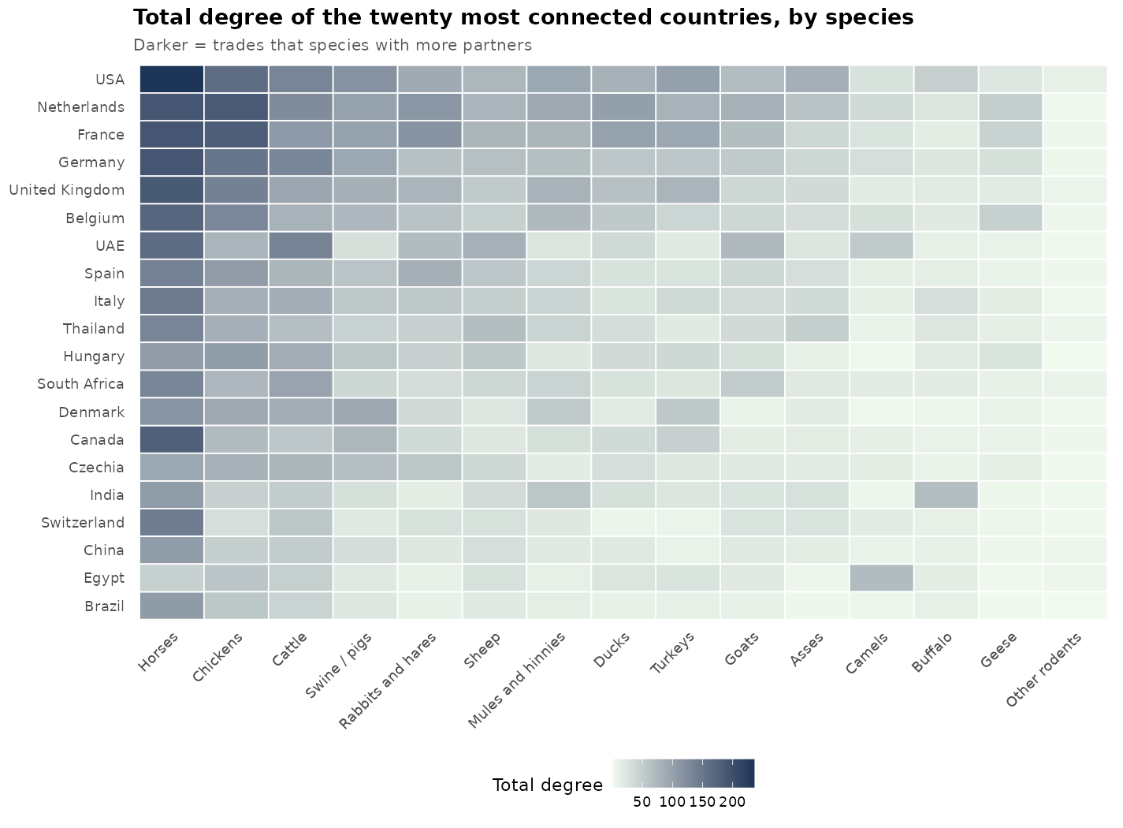
species | country | in_degree | out_degree | total_degree | in_strength | out_strength | total_strength | betweenness | eigen_centrality | in_degree_norm | out_degree_norm | total_degree_norm
Horses | United States of America | 101 | 135 | 236 | 856 | 1256 | 2112 | 2678.4003 | 1 | 0.5233 | 0.6995 | 0.6114
Horses | France | 76 | 115 | 191 | 623 | 979 | 1602 | 1154.6841 | 0.8521 | 0.3938 | 0.5959 | 0.4948
Horses | Germany | 81 | 110 | 191 | 705 | 1127 | 1832 | 550.9592 | 0.9585 | 0.4197 | 0.5699 | 0.4948
Horses | Netherlands (Kingdom of the) | 75 | 116 | 191 | 726 | 1201 | 1927 | 319.1107 | 0.9633 | 0.3886 | 0.601 | 0.4948
Horses | United Kingdom of Great Britain and Northern Ireland | 70 | 118 | 188 | 550 | 961 | 1511 | 1575.7396 | 0.7844 | 0.3627 | 0.6114 | 0.487
Horses | Canada | 78 | 100 | 178 | 452 | 524 | 976 | 2391.0794 | 0.6675 | 0.4041 | 0.5181 | 0.4611
Horses | Belgium | 66 | 105 | 171 | 556 | 883 | 1439 | 707.7788 | 0.8063 | 0.342 | 0.544 | 0.443
Horses | United Arab Emirates | 68 | 96 | 164 | 492 | 490 | 982 | 1216.88 | 0.7092 | 0.3523 | 0.4974 | 0.4249
Horses | Italy | 68 | 77 | 145 | 459 | 556 | 1015 | 1038.3489 | 0.6678 | 0.3523 | 0.399 | 0.3756
Horses | Switzerland | 65 | 78 | 143 | 504 | 484 | 988 | 1433.0866 | 0.7434 | 0.3368 | 0.4041 | 0.3705
Horses | Spain | 50 | 87 | 137 | 357 | 543 | 900 | 553.5208 | 0.5886 | 0.2591 | 0.4508 | 0.3549
Horses | South Africa | 66 | 67 | 133 | 346 | 332 | 678 | 2422.762 | 0.493 | 0.342 | 0.3472 | 0.3446
Horses | Thailand | 50 | 83 | 133 | 265 | 306 | 571 | 1986.2258 | 0.4242 | 0.2591 | 0.4301 | 0.3446
Horses | Ireland | 51 | 70 | 121 | 331 | 607 | 938 | 149.0916 | 0.5882 | 0.2642 | 0.3627 | 0.3135
Horses | Denmark | 50 | 65 | 115 | 297 | 383 | 680 | 705.0633 | 0.5112 | 0.2591 | 0.3368 | 0.2979
Horses | Russian Federation | 55 | 59 | 114 | 430 | 384 | 814 | 569.5892 | 0.6357 | 0.285 | 0.3057 | 0.2953
Horses | Argentina | 37 | 73 | 110 | 257 | 665 | 922 | 305.7642 | 0.4421 | 0.1917 | 0.3782 | 0.285
Horses | Sweden | 48 | 60 | 108 | 305 | 363 | 668 | 554.5712 | 0.5386 | 0.2487 | 0.3109 | 0.2798
Horses | Brazil | 43 | 64 | 107 | 243 | 326 | 569 | 1388.6074 | 0.4306 | 0.2228 | 0.3316 | 0.2772
Horses | China, mainland | 42 | 64 | 106 | 260 | 174 | 434 | 1698.2022 | 0.4111 | 0.2176 | 0.3316 | 0.2746
Horses | India | 40 | 66 | 106 | 167 | 198 | 365 | 1951.8187 | 0.3075 | 0.2073 | 0.342 | 0.2746
Horses | Hungary | 43 | 61 | 104 | 207 | 300 | 507 | 868.5191 | 0.3715 | 0.2228 | 0.3161 | 0.2694
Horses | Poland | 43 | 58 | 101 | 293 | 446 | 739 | 540.6725 | 0.4953 | 0.2228 | 0.3005 | 0.2617
Horses | Australia | 38 | 54 | 92 | 233 | 434 | 667 | 996.402 | 0.3974 | 0.1969 | 0.2798 | 0.2383
Horses | Czechia | 36 | 56 | 92 | 232 | 274 | 506 | 721.2928 | 0.4474 | 0.1865 | 0.2902 | 0.2383
Horses | Austria | 41 | 49 | 90 | 257 | 270 | 527 | 148.8314 | 0.4408 | 0.2124 | 0.2539 | 0.2332
Horses | Norway | 45 | 44 | 89 | 383 | 282 | 665 | 507.2004 | 0.6077 | 0.2332 | 0.228 | 0.2306
Horses | Japan | 39 | 43 | 82 | 241 | 208 | 449 | 941.9762 | 0.4372 | 0.2021 | 0.2228 | 0.2124
Horses | Türkiye | 44 | 37 | 81 | 277 | 134 | 411 | 409.0166 | 0.4841 | 0.228 | 0.1917 | 0.2098
Horses | Qatar | 44 | 34 | 78 | 259 | 198 | 457 | 412.177 | 0.4441 | 0.228 | 0.1762 | 0.2021
Horses | Bulgaria | 36 | 40 | 76 | 160 | 159 | 319 | 466.7711 | 0.2834 | 0.1865 | 0.2073 | 0.1969
Horses | Chile | 31 | 43 | 74 | 195 | 242 | 437 | 495.6824 | 0.3604 | 0.1606 | 0.2228 | 0.1917
Horses | Saudi Arabia | 41 | 33 | 74 | 260 | 150 | 410 | 719.693 | 0.4602 | 0.2124 | 0.171 | 0.1917
Horses | Slovakia | 36 | 38 | 74 | 205 | 162 | 367 | 341.1411 | 0.385 | 0.1865 | 0.1969 | 0.1917
Horses | Luxembourg | 33 | 40 | 73 | 185 | 163 | 348 | 495.2958 | 0.3604 | 0.171 | 0.2073 | 0.1891
Horses | Portugal | 22 | 50 | 72 | 143 | 254 | 397 | 182.8976 | 0.3106 | 0.114 | 0.2591 | 0.1865
Horses | Mexico | 36 | 34 | 70 | 273 | 180 | 453 | 442.0499 | 0.4355 | 0.1865 | 0.1762 | 0.1813
Horses | New Zealand | 26 | 44 | 70 | 124 | 303 | 427 | 528.7502 | 0.2263 | 0.1347 | 0.228 | 0.1813
Horses | Ukraine | 30 | 39 | 69 | 129 | 152 | 281 | 269.7625 | 0.2373 | 0.1554 | 0.2021 | 0.1788
Horses | Israel | 33 | 33 | 66 | 192 | 105 | 297 | 311.7143 | 0.387 | 0.171 | 0.171 | 0.171
Horses | Malaysia | 33 | 30 | 63 | 197 | 113 | 310 | 696.3682 | 0.3254 | 0.171 | 0.1554 | 0.1632
Horses | Bahrain | 44 | 17 | 61 | 229 | 109 | 338 | 676.501 | 0.4021 | 0.228 | 0.0881 | 0.158
Horses | Jordan | 35 | 26 | 61 | 198 | 147 | 345 | 177.5106 | 0.3437 | 0.1813 | 0.1347 | 0.158
Horses | Republic of Korea | 35 | 26 | 61 | 206 | 75 | 281 | 287.6514 | 0.3762 | 0.1813 | 0.1347 | 0.158
Horses | Singapore | 33 | 28 | 61 | 265 | 151 | 416 | 113.1034 | 0.429 | 0.171 | 0.1451 | 0.158
Horses | Uruguay | 20 | 39 | 59 | 120 | 236 | 356 | 124.8446 | 0.2228 | 0.1036 | 0.2021 | 0.1528
Horses | Belarus | 29 | 29 | 58 | 147 | 117 | 264 | 306.9473 | 0.2504 | 0.1503 | 0.1503 | 0.1503
Horses | Slovenia | 32 | 26 | 58 | 136 | 125 | 261 | 308.8831 | 0.2278 | 0.1658 | 0.1347 | 0.1503
Horses | United Republic of Tanzania | 30 | 28 | 58 | 96 | 61 | 157 | 695.1886 | 0.1257 | 0.1554 | 0.1451 | 0.1503
Horses | Kazakhstan | 40 | 17 | 57 | 219 | 73 | 292 | 442.7841 | 0.3611 | 0.2073 | 0.0881 | 0.1477
Horses | Serbia | 30 | 27 | 57 | 210 | 165 | 375 | 76.5589 | 0.3645 | 0.1554 | 0.1399 | 0.1477
Horses | Croatia | 29 | 27 | 56 | 170 | 119 | 289 | 265.6944 | 0.2992 | 0.1503 | 0.1399 | 0.1451
Horses | China, Hong Kong SAR | 29 | 26 | 55 | 159 | 154 | 313 | 247.1942 | 0.2527 | 0.1503 | 0.1347 | 0.1425
Horses | Romania | 27 | 28 | 55 | 129 | 120 | 249 | 187.7393 | 0.2533 | 0.1399 | 0.1451 | 0.1425
Horses | Finland | 28 | 24 | 52 | 199 | 108 | 307 | 197.1695 | 0.3648 | 0.1451 | 0.1244 | 0.1347
Horses | Greece | 29 | 23 | 52 | 155 | 72 | 227 | 141.3873 | 0.2997 | 0.1503 | 0.1192 | 0.1347
Horses | Kuwait | 36 | 16 | 52 | 233 | 84 | 317 | 90.0021 | 0.4153 | 0.1865 | 0.0829 | 0.1347
Horses | Latvia | 26 | 26 | 52 | 117 | 109 | 226 | 125.7198 | 0.2105 | 0.1347 | 0.1347 | 0.1347
Horses | Peru | 21 | 30 | 51 | 128 | 153 | 281 | 284.5851 | 0.2167 | 0.1088 | 0.1554 | 0.1321
Horses | Lebanon | 31 | 19 | 50 | 151 | 64 | 215 | 162.356 | 0.2647 | 0.1606 | 0.0984 | 0.1295
Horses | Lithuania | 21 | 28 | 49 | 125 | 159 | 284 | 58.3414 | 0.2387 | 0.1088 | 0.1451 | 0.1269
Horses | Estonia | 20 | 28 | 48 | 95 | 98 | 193 | 92.3531 | 0.1904 | 0.1036 | 0.1451 | 0.1244
Horses | Oman | 30 | 18 | 48 | 134 | 76 | 210 | 294.5307 | 0.2616 | 0.1554 | 0.0933 | 0.1244
Horses | Egypt | 24 | 23 | 47 | 116 | 98 | 214 | 234.2303 | 0.2327 | 0.1244 | 0.1192 | 0.1218
Horses | Philippines | 24 | 23 | 47 | 94 | 42 | 136 | 417.4035 | 0.1722 | 0.1244 | 0.1192 | 0.1218
Horses | Iceland | 5 | 40 | 45 | 9 | 297 | 306 | 108.9777 | 0.0205 | 0.0259 | 0.2073 | 0.1166
Horses | Kenya | 22 | 23 | 45 | 77 | 62 | 139 | 586.2572 | 0.0853 | 0.114 | 0.1192 | 0.1166
Horses | Ghana | 35 | 8 | 43 | 93 | 16 | 109 | 455.5686 | 0.1283 | 0.1813 | 0.0415 | 0.1114
Horses | Indonesia | 27 | 16 | 43 | 96 | 27 | 123 | 812.5127 | 0.167 | 0.1399 | 0.0829 | 0.1114
Horses | Pakistan | 28 | 15 | 43 | 111 | 21 | 132 | 473.7617 | 0.2183 | 0.1451 | 0.0777 | 0.1114
Horses | Iran (Islamic Republic of) | 21 | 21 | 42 | 108 | 41 | 149 | 256.68 | 0.2087 | 0.1088 | 0.1088 | 0.1088
Horses | Morocco | 23 | 19 | 42 | 142 | 92 | 234 | 183.4336 | 0.3032 | 0.1192 | 0.0984 | 0.1088
Horses | Colombia | 22 | 19 | 41 | 178 | 113 | 291 | 54.6446 | 0.2811 | 0.114 | 0.0984 | 0.1062
Horses | Ethiopia | 22 | 17 | 39 | 43 | 32 | 75 | 804.7174 | 0.0628 | 0.114 | 0.0881 | 0.101
Horses | Panama | 24 | 14 | 38 | 194 | 93 | 287 | 52.5012 | 0.2474 | 0.1244 | 0.0725 | 0.0984
Horses | Guatemala | 22 | 15 | 37 | 181 | 110 | 291 | 223.9938 | 0.2438 | 0.114 | 0.0777 | 0.0959
Horses | Syrian Arab Republic | 21 | 16 | 37 | 70 | 61 | 131 | 52.4686 | 0.1072 | 0.1088 | 0.0829 | 0.0959
Horses | Tunisia | 15 | 22 | 37 | 65 | 68 | 133 | 118.0946 | 0.1399 | 0.0777 | 0.114 | 0.0959
Horses | Costa Rica | 24 | 12 | 36 | 168 | 109 | 277 | 104.72 | 0.2372 | 0.1244 | 0.0622 | 0.0933
Horses | Ecuador | 21 | 14 | 35 | 127 | 50 | 177 | 186.6879 | 0.2096 | 0.1088 | 0.0725 | 0.0907
Horses | Nigeria | 27 | 8 | 35 | 72 | 24 | 96 | 577.0386 | 0.0893 | 0.1399 | 0.0415 | 0.0907
Horses | Venezuela (Bolivarian Republic of) | 23 | 12 | 35 | 106 | 51 | 157 | 233.1125 | 0.1831 | 0.1192 | 0.0622 | 0.0907
Horses | Angola | 21 | 13 | 34 | 62 | 16 | 78 | 578.8845 | 0.0752 | 0.1088 | 0.0674 | 0.0881
Horses | Azerbaijan | 23 | 11 | 34 | 81 | 47 | 128 | 51.9824 | 0.1386 | 0.1192 | 0.057 | 0.0881
Horses | China, Taiwan Province of | 21 | 13 | 34 | 87 | 25 | 112 | 402.9146 | 0.1916 | 0.1088 | 0.0674 | 0.0881
Horses | Kyrgyzstan | 22 | 12 | 34 | 81 | 50 | 131 | 86.1403 | 0.1188 | 0.114 | 0.0622 | 0.0881
Horses | Mongolia | 26 | 7 | 33 | 76 | 24 | 100 | 131.5621 | 0.116 | 0.1347 | 0.0363 | 0.0855
Horses | Niger | 10 | 22 | 32 | 28 | 62 | 90 | 211.2816 | 0.0271 | 0.0518 | 0.114 | 0.0829
Horses | Uganda | 15 | 17 | 32 | 42 | 35 | 77 | 474.7372 | 0.0373 | 0.0777 | 0.0881 | 0.0829
Horses | Botswana | 16 | 15 | 31 | 50 | 42 | 92 | 628.1333 | 0.0484 | 0.0829 | 0.0777 | 0.0803
Horses | Côte d'Ivoire | 25 | 6 | 31 | 59 | 8 | 67 | 416.1169 | 0.0684 | 0.1295 | 0.0311 | 0.0803
Horses | Cyprus | 20 | 11 | 31 | 60 | 21 | 81 | 209.6212 | 0.124 | 0.1036 | 0.057 | 0.0803
Horses | Mauritius | 21 | 10 | 31 | 89 | 59 | 148 | 235.5719 | 0.1277 | 0.1088 | 0.0518 | 0.0803
Horses | Bosnia and Herzegovina | 21 | 9 | 30 | 92 | 13 | 105 | 150.5328 | 0.151 | 0.1088 | 0.0466 | 0.0777
Horses | Zimbabwe | 17 | 13 | 30 | 66 | 72 | 138 | 120.8708 | 0.0478 | 0.0881 | 0.0674 | 0.0777
Horses | Sri Lanka | 13 | 16 | 29 | 36 | 24 | 60 | 220.6877 | 0.0492 | 0.0674 | 0.0829 | 0.0751
Horses | Dominican Republic | 19 | 8 | 27 | 72 | 35 | 107 | 248.9327 | 0.1301 | 0.0984 | 0.0415 | 0.0699
Horses | Malta | 18 | 9 | 27 | 71 | 20 | 91 | 44.1686 | 0.1464 | 0.0933 | 0.0466 | 0.0699
Horses | Viet Nam | 19 | 8 | 27 | 45 | 10 | 55 | 194.5371 | 0.0689 | 0.0984 | 0.0415 | 0.0699
Horses | Georgia | 16 | 10 | 26 | 41 | 40 | 81 | 76.47 | 0.0593 | 0.0829 | 0.0518 | 0.0674
Horses | El Salvador | 16 | 8 | 24 | 94 | 60 | 154 | 11.0377 | 0.1088 | 0.0829 | 0.0415 | 0.0622
Horses | Honduras | 14 | 10 | 24 | 98 | 52 | 150 | 27.4367 | 0.1243 | 0.0725 | 0.0518 | 0.0622
Horses | Libya | 21 | 3 | 24 | 104 | 6 | 110 | 54.4184 | 0.192 | 0.1088 | 0.0155 | 0.0622
Horses | Nicaragua | 17 | 7 | 24 | 102 | 68 | 170 | 30.4048 | 0.1316 | 0.0881 | 0.0363 | 0.0622
Horses | Senegal | 7 | 17 | 24 | 43 | 21 | 64 | 300.7106 | 0.0715 | 0.0363 | 0.0881 | 0.0622
Horses | North Macedonia | 15 | 8 | 23 | 44 | 14 | 58 | 96.0389 | 0.0515 | 0.0777 | 0.0415 | 0.0596
Horses | Barbados | 12 | 10 | 22 | 62 | 38 | 100 | 253.815 | 0.0941 | 0.0622 | 0.0518 | 0.057
Horses | Malawi | 13 | 9 | 22 | 39 | 15 | 54 | 137.3377 | 0.0319 | 0.0674 | 0.0466 | 0.057
Horses | Iraq | 17 | 4 | 21 | 54 | 4 | 58 | 205.6298 | 0.0802 | 0.0881 | 0.0207 | 0.0544
Horses | Zambia | 11 | 10 | 21 | 50 | 33 | 83 | 56.9389 | 0.0333 | 0.057 | 0.0518 | 0.0544
Horses | Algeria | 13 | 7 | 20 | 47 | 21 | 68 | 28.7632 | 0.0988 | 0.0674 | 0.0363 | 0.0518
Horses | Bangladesh | 10 | 10 | 20 | 26 | 10 | 36 | 313.9823 | 0.0326 | 0.0518 | 0.0518 | 0.0518
Horses | Mali | 14 | 6 | 20 | 21 | 19 | 40 | 74.0501 | 0.0316 | 0.0725 | 0.0311 | 0.0518
Horses | Trinidad and Tobago | 10 | 10 | 20 | 55 | 43 | 98 | 65.2379 | 0.089 | 0.0518 | 0.0518 | 0.0518
Horses | Paraguay | 12 | 7 | 19 | 75 | 21 | 96 | 104.4916 | 0.1181 | 0.0622 | 0.0363 | 0.0492
Horses | Serbia and Montenegro | 10 | 9 | 19 | 10 | 9 | 19 | 311.5556 | 0.0159 | 0.0518 | 0.0466 | 0.0492
Horses | Afghanistan | 13 | 5 | 18 | 38 | 6 | 44 | 196.769 | 0.0387 | 0.0674 | 0.0259 | 0.0466
Horses | Antigua and Barbuda | 6 | 12 | 18 | 14 | 18 | 32 | 340.1433 | 0.0324 | 0.0311 | 0.0622 | 0.0466
Horses | Bolivia (Plurinational State of) | 12 | 6 | 18 | 43 | 11 | 54 | 55.5258 | 0.0865 | 0.0622 | 0.0311 | 0.0466
Horses | Montenegro | 12 | 6 | 18 | 34 | 8 | 42 | 104.0798 | 0.0472 | 0.0622 | 0.0311 | 0.0466
Horses | Democratic Republic of the Congo | 13 | 4 | 17 | 47 | 12 | 59 | 35.6299 | 0.0565 | 0.0674 | 0.0207 | 0.044
Horses | Namibia | 9 | 8 | 17 | 24 | 39 | 63 | 45.6119 | 0.0216 | 0.0466 | 0.0415 | 0.044
Horses | Uzbekistan | 13 | 4 | 17 | 67 | 13 | 80 | 165.2706 | 0.0869 | 0.0674 | 0.0207 | 0.044
Horses | Cameroon | 13 | 3 | 16 | 33 | 11 | 44 | 0.8333 | 0.0622 | 0.0674 | 0.0155 | 0.0415
Horses | China, Macao SAR | 13 | 3 | 16 | 67 | 10 | 77 | 19.1755 | 0.1033 | 0.0674 | 0.0155 | 0.0415
Horses | Burkina Faso | 9 | 6 | 15 | 25 | 11 | 36 | 193.2923 | 0.0182 | 0.0466 | 0.0311 | 0.0389
Horses | Benin | 10 | 4 | 14 | 16 | 7 | 23 | 219.5791 | 0.0136 | 0.0518 | 0.0207 | 0.0363
Horses | Congo | 11 | 3 | 14 | 25 | 9 | 34 | 42.0689 | 0.0348 | 0.057 | 0.0155 | 0.0363
Horses | Mozambique | 9 | 5 | 14 | 30 | 7 | 37 | 91.1961 | 0.0287 | 0.0466 | 0.0259 | 0.0363
Horses | Togo | 8 | 6 | 14 | 14 | 9 | 23 | 46.293 | 0.0086 | 0.0415 | 0.0311 | 0.0363
Horses | Yemen | 10 | 4 | 14 | 36 | 4 | 40 | 59.0281 | 0.0451 | 0.0518 | 0.0207 | 0.0363
Horses | Jamaica | 7 | 6 | 13 | 26 | 21 | 47 | 31.8756 | 0.0647 | 0.0363 | 0.0311 | 0.0337
Horses | Saint Lucia | 8 | 5 | 13 | 17 | 8 | 25 | 236.3612 | 0.0131 | 0.0415 | 0.0259 | 0.0337
Horses | Albania | 9 | 3 | 12 | 27 | 3 | 30 | 66.1623 | 0.0519 | 0.0466 | 0.0155 | 0.0311
Horses | Brunei Darussalam | 5 | 7 | 12 | 21 | 8 | 29 | 55.4778 | 0.0216 | 0.0259 | 0.0363 | 0.0311
Horses | Gambia | 12 | 0 | 12 | 28 | 0 | 28 | 0 | 0.0629 | 0.0622 | 0 | 0.0311
Horses | Tajikistan | 9 | 3 | 12 | 33 | 6 | 39 | 44.4874 | 0.0298 | 0.0466 | 0.0155 | 0.0311
Horses | Cuba | 6 | 5 | 11 | 18 | 13 | 31 | 37.3077 | 0.0381 | 0.0311 | 0.0259 | 0.0285
Horses | Republic of Moldova | 7 | 4 | 11 | 19 | 7 | 26 | 5.3551 | 0.0429 | 0.0363 | 0.0207 | 0.0285
Horses | Turkmenistan | 7 | 4 | 11 | 12 | 5 | 17 | 88.6726 | 0.0155 | 0.0363 | 0.0207 | 0.0285
Horses | Armenia | 7 | 3 | 10 | 14 | 5 | 19 | 35.4112 | 0.0155 | 0.0363 | 0.0155 | 0.0259
Horses | New Caledonia | 8 | 2 | 10 | 29 | 3 | 32 | 239.0686 | 0.0364 | 0.0415 | 0.0104 | 0.0259
Horses | Rwanda | 7 | 3 | 10 | 15 | 4 | 19 | 63.6 | 0.0072 | 0.0363 | 0.0155 | 0.0259
Horses | Saint Vincent and the Grenadines | 8 | 2 | 10 | 19 | 2 | 21 | 237.2183 | 0.0391 | 0.0415 | 0.0104 | 0.0259
Horses | Eswatini | 5 | 4 | 9 | 15 | 9 | 24 | 76.0143 | 0.0163 | 0.0259 | 0.0207 | 0.0233
Horses | Guyana | 6 | 3 | 9 | 30 | 4 | 34 | 82.2412 | 0.043 | 0.0311 | 0.0155 | 0.0233
Horses | Cabo Verde | 6 | 2 | 8 | 20 | 3 | 23 | 5.5046 | 0.0257 | 0.0311 | 0.0104 | 0.0207
Horses | Madagascar | 6 | 2 | 8 | 14 | 2 | 16 | 12.4341 | 0.0266 | 0.0311 | 0.0104 | 0.0207
Horses | Mauritania | 7 | 1 | 8 | 20 | 2 | 22 | 0.8864 | 0.027 | 0.0363 | 0.0052 | 0.0207
Horses | Nepal | 8 | 0 | 8 | 25 | 0 | 25 | 0 | 0.0293 | 0.0415 | 0 | 0.0207
Horses | Sudan | 2 | 6 | 8 | 10 | 12 | 22 | 0 | 0.0178 | 0.0104 | 0.0311 | 0.0207
Horses | Sudan (former) | 4 | 4 | 8 | 9 | 6 | 15 | 44.3655 | 0.0085 | 0.0207 | 0.0207 | 0.0207
Horses | Djibouti | 5 | 2 | 7 | 11 | 2 | 13 | 13.2814 | 0.0107 | 0.0259 | 0.0104 | 0.0181
Horses | Lao People's Democratic Republic | 3 | 4 | 7 | 17 | 6 | 23 | 7.9818 | 0.0207 | 0.0155 | 0.0207 | 0.0181
Horses | Sierra Leone | 4 | 3 | 7 | 4 | 3 | 7 | 34.9343 | 0.0067 | 0.0207 | 0.0155 | 0.0181
Horses | Suriname | 7 | 0 | 7 | 13 | 0 | 13 | 0 | 0.0255 | 0.0363 | 0 | 0.0181
Horses | Bahamas | 4 | 2 | 6 | 28 | 12 | 40 | 0 | 0.0657 | 0.0207 | 0.0104 | 0.0155
Horses | Burundi | 6 | 0 | 6 | 10 | 0 | 10 | 0 | 0.0053 | 0.0311 | 0 | 0.0155
Horses | Fiji | 4 | 2 | 6 | 11 | 2 | 13 | 180.9795 | 0.0114 | 0.0207 | 0.0104 | 0.0155
Horses | French Polynesia | 5 | 1 | 6 | 17 | 1 | 18 | 10.6176 | 0.0173 | 0.0259 | 0.0052 | 0.0155
Horses | Gabon | 6 | 0 | 6 | 14 | 0 | 14 | 0 | 0.0133 | 0.0311 | 0 | 0.0155
Horses | Kiribati | 6 | 0 | 6 | 6 | 0 | 6 | 0 | 0.005 | 0.0311 | 0 | 0.0155
Horses | Seychelles | 5 | 1 | 6 | 10 | 1 | 11 | 24.6055 | 0.0187 | 0.0259 | 0.0052 | 0.0155
Horses | Somalia | 4 | 2 | 6 | 8 | 4 | 12 | 1.4772 | 0.0081 | 0.0207 | 0.0104 | 0.0155
Horses | Belize | 3 | 2 | 5 | 26 | 2 | 28 | 14.9957 | 0.054 | 0.0155 | 0.0104 | 0.013
Horses | Cambodia | 5 | 0 | 5 | 8 | 0 | 8 | 0 | 0.0109 | 0.0259 | 0 | 0.013
Horses | Democratic People's Republic of Korea | 4 | 1 | 5 | 11 | 1 | 12 | 5.6805 | 0.017 | 0.0207 | 0.0052 | 0.013
Horses | Guinea | 5 | 0 | 5 | 10 | 0 | 10 | 0 | 0.0057 | 0.0259 | 0 | 0.013
Horses | Maldives | 5 | 0 | 5 | 10 | 0 | 10 | 0 | 0.011 | 0.0259 | 0 | 0.013
Horses | Saint Kitts and Nevis | 3 | 2 | 5 | 9 | 3 | 12 | 5.6917 | 0.0228 | 0.0155 | 0.0104 | 0.013
Horses | Vanuatu | 2 | 3 | 5 | 2 | 4 | 6 | 29.0787 | 0.0018 | 0.0104 | 0.0155 | 0.013
Horses | Bhutan | 3 | 1 | 4 | 6 | 1 | 7 | 9.2213 | 0.006 | 0.0155 | 0.0052 | 0.0104
Horses | Dominica | 4 | 0 | 4 | 5 | 0 | 5 | 0 | 0.0033 | 0.0207 | 0 | 0.0104
Horses | Eritrea | 4 | 0 | 4 | 5 | 0 | 5 | 0 | 0.0049 | 0.0207 | 0 | 0.0104
Horses | Faroe Islands | 3 | 1 | 4 | 29 | 4 | 33 | 0 | 0.0212 | 0.0155 | 0.0052 | 0.0104
Horses | Sao Tome and Principe | 2 | 2 | 4 | 2 | 3 | 5 | 1.8362 | 0.0011 | 0.0104 | 0.0104 | 0.0104
Horses | Central African Republic | 3 | 0 | 3 | 3 | 0 | 3 | 0 | 0.0036 | 0.0155 | 0 | 0.0078
Horses | Haiti | 2 | 1 | 3 | 13 | 2 | 15 | 0 | 0.0278 | 0.0104 | 0.0052 | 0.0078
Horses | Micronesia (Federated States of) | 3 | 0 | 3 | 6 | 0 | 6 | 0 | 0.0106 | 0.0155 | 0 | 0.0078
Horses | Myanmar | 2 | 1 | 3 | 14 | 1 | 15 | 5.4672 | 0.0171 | 0.0104 | 0.0052 | 0.0078
Horses | Palestine | 2 | 1 | 3 | 5 | 1 | 6 | 4.0091 | 0.0074 | 0.0104 | 0.0052 | 0.0078
Horses | Chad | 2 | 0 | 2 | 4 | 0 | 4 | 0 | 0.008 | 0.0104 | 0 | 0.0052
Horses | Grenada | 2 | 0 | 2 | 7 | 0 | 7 | 0 | 0.0014 | 0.0104 | 0 | 0.0052
Horses | Lesotho | 1 | 1 | 2 | 8 | 3 | 11 | 0 | 0.0115 | 0.0052 | 0.0052 | 0.0052
Horses | Marshall Islands | 2 | 0 | 2 | 3 | 0 | 3 | 0 | 0.0054 | 0.0104 | 0 | 0.0052
Horses | Papua New Guinea | 1 | 1 | 2 | 1 | 1 | 2 | 3.319 | 0.0012 | 0.0052 | 0.0052 | 0.0052
Horses | Samoa | 2 | 0 | 2 | 4 | 0 | 4 | 0 | 0.002 | 0.0104 | 0 | 0.0052
Horses | Solomon Islands | 2 | 0 | 2 | 4 | 0 | 4 | 0 | 0.0047 | 0.0104 | 0 | 0.0052
Horses | South Sudan | 2 | 0 | 2 | 2 | 0 | 2 | 0 | 0.0004 | 0.0104 | 0 | 0.0052
Horses | Timor-Leste | 2 | 0 | 2 | 2 | 0 | 2 | 0 | 0.0016 | 0.0104 | 0 | 0.0052
Horses | Tonga | 2 | 0 | 2 | 2 | 0 | 2 | 0 | 0.0036 | 0.0104 | 0 | 0.0052
Horses | Guinea-Bissau | 1 | 0 | 1 | 1 | 0 | 1 | 0 | 0.0002 | 0.0052 | 0 | 0.0026
Horses | Liberia | 1 | 0 | 1 | 2 | 0 | 2 | 0 | 0.0029 | 0.0052 | 0 | 0.0026
Horses | Niue | 0 | 1 | 1 | 0 | 1 | 1 | 0 | 0 | 0 | 0.0052 | 0.0026
Chickens | Netherlands (Kingdom of the) | 39 | 147 | 186 | 304 | 1441 | 1745 | 1202.3491 | 1 | 0.199 | 0.75 | 0.4745
Chickens | France | 36 | 145 | 181 | 237 | 1470 | 1707 | 1612.6929 | 0.7655 | 0.1837 | 0.7398 | 0.4617
Chickens | United States of America | 34 | 128 | 162 | 100 | 1122 | 1222 | 4032.5575 | 0.2544 | 0.1735 | 0.6531 | 0.4133
Chickens | Germany | 30 | 122 | 152 | 258 | 1079 | 1337 | 1527.6587 | 0.9209 | 0.1531 | 0.6224 | 0.3878
Chickens | United Kingdom of Great Britain and Northern Ireland | 24 | 114 | 138 | 160 | 1007 | 1167 | 1387.3432 | 0.5643 | 0.1224 | 0.5816 | 0.352
Chickens | Belgium | 23 | 107 | 130 | 150 | 636 | 786 | 1349.4662 | 0.578 | 0.1173 | 0.5459 | 0.3316
Chickens | Hungary | 25 | 81 | 106 | 230 | 633 | 863 | 499.4932 | 0.8737 | 0.1276 | 0.4133 | 0.2704
Chickens | Spain | 26 | 79 | 105 | 172 | 399 | 571 | 983.6227 | 0.6524 | 0.1327 | 0.4031 | 0.2679
Chickens | Denmark | 32 | 58 | 90 | 169 | 370 | 539 | 1992.5053 | 0.6134 | 0.1633 | 0.2959 | 0.2296
Chickens | Italy | 29 | 54 | 83 | 226 | 322 | 548 | 642.7952 | 0.8442 | 0.148 | 0.2755 | 0.2117
Chickens | Thailand | 30 | 53 | 83 | 166 | 191 | 357 | 2396.7683 | 0.4809 | 0.1531 | 0.2704 | 0.2117
Chickens | Czechia | 21 | 60 | 81 | 159 | 425 | 584 | 527.5659 | 0.6807 | 0.1071 | 0.3061 | 0.2066
Chickens | Poland | 25 | 53 | 78 | 249 | 307 | 556 | 79.2397 | 0.9186 | 0.1276 | 0.2704 | 0.199
Chickens | United Republic of Tanzania | 30 | 48 | 78 | 187 | 95 | 282 | 2465.1966 | 0.5563 | 0.1531 | 0.2449 | 0.199
Chickens | United Arab Emirates | 46 | 31 | 77 | 201 | 115 | 316 | 3542.9401 | 0.6321 | 0.2347 | 0.1582 | 0.1964
Chickens | South Africa | 28 | 46 | 74 | 101 | 222 | 323 | 1927.2744 | 0.3013 | 0.1429 | 0.2347 | 0.1888
Chickens | Canada | 11 | 58 | 69 | 85 | 292 | 377 | 674.2033 | 0.3226 | 0.0561 | 0.2959 | 0.176
Chickens | Türkiye | 24 | 41 | 65 | 144 | 145 | 289 | 1082.2307 | 0.5211 | 0.1224 | 0.2092 | 0.1658
Chickens | Egypt | 27 | 32 | 59 | 142 | 54 | 196 | 2034.0794 | 0.5231 | 0.1378 | 0.1633 | 0.1505
Chickens | Brazil | 8 | 49 | 57 | 49 | 248 | 297 | 499.7787 | 0.1695 | 0.0408 | 0.25 | 0.1454
Chickens | Portugal | 20 | 36 | 56 | 107 | 132 | 239 | 948.0271 | 0.4157 | 0.102 | 0.1837 | 0.1429
Chickens | Saudi Arabia | 37 | 18 | 55 | 159 | 89 | 248 | 674.8203 | 0.5398 | 0.1888 | 0.0918 | 0.1403
Chickens | Malaysia | 25 | 28 | 53 | 170 | 154 | 324 | 729.9431 | 0.4654 | 0.1276 | 0.1429 | 0.1352
Chickens | Pakistan | 33 | 20 | 53 | 166 | 68 | 234 | 889.4868 | 0.5561 | 0.1684 | 0.102 | 0.1352
Chickens | Uganda | 31 | 20 | 51 | 208 | 79 | 287 | 711.7469 | 0.6461 | 0.1582 | 0.102 | 0.1301
Chickens | China, mainland | 19 | 30 | 49 | 86 | 84 | 170 | 603.4369 | 0.246 | 0.0969 | 0.1531 | 0.125
Chickens | Romania | 23 | 26 | 49 | 204 | 110 | 314 | 769.4863 | 0.8478 | 0.1173 | 0.1327 | 0.125
Chickens | Slovakia | 20 | 28 | 48 | 152 | 173 | 325 | 281.695 | 0.6434 | 0.102 | 0.1429 | 0.1224
Chickens | Austria | 20 | 26 | 46 | 163 | 233 | 396 | 76.2234 | 0.6665 | 0.102 | 0.1327 | 0.1173
Chickens | India | 16 | 30 | 46 | 91 | 97 | 188 | 1003.9801 | 0.3087 | 0.0816 | 0.1531 | 0.1173
Chickens | Kenya | 29 | 17 | 46 | 165 | 105 | 270 | 653.5978 | 0.5465 | 0.148 | 0.0867 | 0.1173
Chickens | Bulgaria | 18 | 26 | 44 | 144 | 115 | 259 | 251.4265 | 0.623 | 0.0918 | 0.1327 | 0.1122
Chickens | Indonesia | 26 | 18 | 44 | 138 | 40 | 178 | 973.3614 | 0.4064 | 0.1327 | 0.0918 | 0.1122
Chickens | Kuwait | 29 | 14 | 43 | 129 | 57 | 186 | 172.7267 | 0.4424 | 0.148 | 0.0714 | 0.1097
Chickens | Australia | 8 | 34 | 42 | 15 | 156 | 171 | 1461.5602 | 0.0372 | 0.0408 | 0.1735 | 0.1071
Chickens | Russian Federation | 21 | 20 | 41 | 168 | 144 | 312 | 312.6826 | 0.6486 | 0.1071 | 0.102 | 0.1046
Chickens | Sweden | 18 | 23 | 41 | 110 | 140 | 250 | 406.6805 | 0.4188 | 0.0918 | 0.1173 | 0.1046
Chickens | Jordan | 25 | 13 | 38 | 132 | 85 | 217 | 37.8711 | 0.4774 | 0.1276 | 0.0663 | 0.0969
Chickens | Lebanon | 25 | 13 | 38 | 141 | 29 | 170 | 201.1006 | 0.4908 | 0.1276 | 0.0663 | 0.0969
Chickens | Bahrain | 26 | 11 | 37 | 107 | 34 | 141 | 686.6178 | 0.3205 | 0.1327 | 0.0561 | 0.0944
Chickens | Greece | 19 | 18 | 37 | 157 | 119 | 276 | 195.427 | 0.6564 | 0.0969 | 0.0918 | 0.0944
Chickens | Oman | 27 | 10 | 37 | 129 | 41 | 170 | 230.5841 | 0.4139 | 0.1378 | 0.051 | 0.0944
Chickens | Philippines | 18 | 19 | 37 | 151 | 87 | 238 | 123.6593 | 0.44 | 0.0918 | 0.0969 | 0.0944
Chickens | Croatia | 19 | 16 | 35 | 134 | 84 | 218 | 199.2072 | 0.5549 | 0.0969 | 0.0816 | 0.0893
Chickens | Nepal | 31 | 3 | 34 | 191 | 6 | 197 | 263.6452 | 0.5377 | 0.1582 | 0.0153 | 0.0867
Chickens | Ukraine | 18 | 16 | 34 | 175 | 40 | 215 | 257.5322 | 0.7164 | 0.0918 | 0.0816 | 0.0867
Chickens | New Zealand | 3 | 30 | 33 | 8 | 262 | 270 | 459.3859 | 0.0318 | 0.0153 | 0.1531 | 0.0842
Chickens | Bangladesh | 27 | 5 | 32 | 143 | 9 | 152 | 236.6951 | 0.4063 | 0.1378 | 0.0255 | 0.0816
Chickens | Senegal | 19 | 13 | 32 | 98 | 54 | 152 | 311.1191 | 0.3175 | 0.0969 | 0.0663 | 0.0816
Chickens | Zambia | 13 | 19 | 32 | 98 | 143 | 241 | 95.1395 | 0.3261 | 0.0663 | 0.0969 | 0.0816
Chickens | Japan | 18 | 13 | 31 | 102 | 18 | 120 | 630.999 | 0.2993 | 0.0918 | 0.0663 | 0.0791
Chickens | Singapore | 20 | 11 | 31 | 74 | 22 | 96 | 902.7184 | 0.2576 | 0.102 | 0.0561 | 0.0791
Chickens | Sri Lanka | 16 | 15 | 31 | 84 | 51 | 135 | 464.011 | 0.2764 | 0.0816 | 0.0765 | 0.0791
Chickens | Switzerland | 19 | 12 | 31 | 96 | 50 | 146 | 440.1578 | 0.4023 | 0.0969 | 0.0612 | 0.0791
Chickens | Côte d'Ivoire | 20 | 10 | 30 | 106 | 23 | 129 | 538.0229 | 0.3825 | 0.102 | 0.051 | 0.0765
Chickens | Ghana | 22 | 8 | 30 | 132 | 17 | 149 | 676.9502 | 0.4929 | 0.1122 | 0.0408 | 0.0765
Chickens | Rwanda | 22 | 8 | 30 | 93 | 25 | 118 | 322.2398 | 0.278 | 0.1122 | 0.0408 | 0.0765
Chickens | Zimbabwe | 16 | 14 | 30 | 113 | 85 | 198 | 554.929 | 0.3546 | 0.0816 | 0.0714 | 0.0765
Chickens | Iran (Islamic Republic of) | 14 | 15 | 29 | 81 | 66 | 147 | 246.7881 | 0.3158 | 0.0714 | 0.0765 | 0.074
Chickens | Finland | 11 | 16 | 27 | 69 | 84 | 153 | 220.5267 | 0.2614 | 0.0561 | 0.0816 | 0.0689
Chickens | Myanmar | 25 | 2 | 27 | 125 | 4 | 129 | 332.1913 | 0.3067 | 0.1276 | 0.0102 | 0.0689
Chickens | Cameroon | 22 | 4 | 26 | 106 | 9 | 115 | 418.0227 | 0.4088 | 0.1122 | 0.0204 | 0.0663
Chickens | Democratic Republic of the Congo | 17 | 9 | 26 | 98 | 10 | 108 | 1149.0422 | 0.3163 | 0.0867 | 0.0459 | 0.0663
Chickens | Qatar | 21 | 5 | 26 | 91 | 8 | 99 | 444.6531 | 0.2754 | 0.1071 | 0.0255 | 0.0663
Chickens | Serbia | 19 | 7 | 26 | 161 | 48 | 209 | 213.6298 | 0.6087 | 0.0969 | 0.0357 | 0.0663
Chickens | Slovenia | 10 | 16 | 26 | 112 | 107 | 219 | 3.4 | 0.4822 | 0.051 | 0.0816 | 0.0663
Chickens | Viet Nam | 22 | 4 | 26 | 145 | 13 | 158 | 31.8302 | 0.3776 | 0.1122 | 0.0204 | 0.0663
Chickens | Bosnia and Herzegovina | 17 | 8 | 25 | 105 | 44 | 149 | 572.9626 | 0.3918 | 0.0867 | 0.0408 | 0.0638
Chickens | Israel | 11 | 14 | 25 | 84 | 27 | 111 | 142.4298 | 0.3097 | 0.0561 | 0.0714 | 0.0638
Chickens | Mali | 16 | 9 | 25 | 76 | 25 | 101 | 746.3145 | 0.2498 | 0.0816 | 0.0459 | 0.0638
Chickens | Morocco | 11 | 14 | 25 | 80 | 39 | 119 | 115.5861 | 0.2759 | 0.0561 | 0.0714 | 0.0638
Chickens | Republic of Korea | 16 | 9 | 25 | 100 | 19 | 119 | 188.4361 | 0.3671 | 0.0816 | 0.0459 | 0.0638
Chickens | Albania | 19 | 5 | 24 | 103 | 6 | 109 | 415.1188 | 0.4138 | 0.0969 | 0.0255 | 0.0612
Chickens | Lithuania | 14 | 10 | 24 | 133 | 73 | 206 | 253.2144 | 0.4687 | 0.0714 | 0.051 | 0.0612
Chickens | Nigeria | 19 | 5 | 24 | 45 | 16 | 61 | 467.3829 | 0.1467 | 0.0969 | 0.0255 | 0.0612
Chickens | Syrian Arab Republic | 15 | 9 | 24 | 64 | 27 | 91 | 246.2797 | 0.2454 | 0.0765 | 0.0459 | 0.0612
Chickens | Burkina Faso | 20 | 3 | 23 | 98 | 13 | 111 | 26.2887 | 0.2994 | 0.102 | 0.0153 | 0.0587
Chickens | Dominican Republic | 13 | 10 | 23 | 39 | 42 | 81 | 1582.1631 | 0.0652 | 0.0663 | 0.051 | 0.0587
Chickens | Ireland | 13 | 10 | 23 | 78 | 39 | 117 | 148.6178 | 0.315 | 0.0663 | 0.051 | 0.0587
Chickens | Latvia | 13 | 10 | 23 | 100 | 47 | 147 | 162.8224 | 0.37 | 0.0663 | 0.051 | 0.0587
Chickens | Luxembourg | 8 | 15 | 23 | 70 | 52 | 122 | 1649.8925 | 0.3093 | 0.0408 | 0.0765 | 0.0587
Chickens | China, Hong Kong SAR | 14 | 8 | 22 | 46 | 8 | 54 | 478.4609 | 0.0827 | 0.0714 | 0.0408 | 0.0561
Chickens | China, Taiwan Province of | 16 | 6 | 22 | 87 | 11 | 98 | 258.0409 | 0.2334 | 0.0816 | 0.0306 | 0.0561
Chickens | Ethiopia | 16 | 6 | 22 | 81 | 7 | 88 | 200.9175 | 0.3221 | 0.0816 | 0.0306 | 0.0561
Chickens | Uzbekistan | 19 | 3 | 22 | 99 | 8 | 107 | 249.494 | 0.4036 | 0.0969 | 0.0153 | 0.0561
Chickens | Venezuela (Bolivarian Republic of) | 14 | 8 | 22 | 71 | 23 | 94 | 412.1176 | 0.1543 | 0.0714 | 0.0408 | 0.0561
Chickens | Iraq | 19 | 2 | 21 | 83 | 9 | 92 | 0 | 0.264 | 0.0969 | 0.0102 | 0.0536
Chickens | Malawi | 12 | 9 | 21 | 70 | 45 | 115 | 44.6202 | 0.1813 | 0.0612 | 0.0459 | 0.0536
Chickens | Mauritius | 8 | 13 | 21 | 63 | 78 | 141 | 66.7758 | 0.2285 | 0.0408 | 0.0663 | 0.0536
Chickens | Azerbaijan | 17 | 3 | 20 | 122 | 8 | 130 | 68.4982 | 0.4337 | 0.0867 | 0.0153 | 0.051
Chickens | Belarus | 14 | 6 | 20 | 120 | 17 | 137 | 22.6168 | 0.5022 | 0.0714 | 0.0306 | 0.051
Chickens | Estonia | 12 | 8 | 20 | 73 | 30 | 103 | 53.7434 | 0.2272 | 0.0612 | 0.0408 | 0.051
Chickens | Georgia | 15 | 5 | 20 | 98 | 19 | 117 | 391.8819 | 0.3569 | 0.0765 | 0.0255 | 0.051
Chickens | Yemen | 19 | 1 | 20 | 78 | 1 | 79 | 66.0365 | 0.2599 | 0.0969 | 0.0051 | 0.051
Chickens | Angola | 17 | 2 | 19 | 94 | 2 | 96 | 78.2579 | 0.2485 | 0.0867 | 0.0102 | 0.0485
Chickens | Benin | 14 | 5 | 19 | 57 | 8 | 65 | 148.0705 | 0.2189 | 0.0714 | 0.0255 | 0.0485
Chickens | Colombia | 12 | 7 | 19 | 77 | 29 | 106 | 232.6788 | 0.1941 | 0.0612 | 0.0357 | 0.0485
Chickens | Cyprus | 12 | 7 | 19 | 94 | 15 | 109 | 98.4029 | 0.378 | 0.0612 | 0.0357 | 0.0485
Chickens | Kazakhstan | 13 | 6 | 19 | 97 | 23 | 120 | 172.0277 | 0.4067 | 0.0663 | 0.0306 | 0.0485
Chickens | North Macedonia | 15 | 4 | 19 | 83 | 17 | 100 | 78.1075 | 0.3066 | 0.0765 | 0.0204 | 0.0485
Chickens | Norway | 14 | 5 | 19 | 77 | 7 | 84 | 921.0213 | 0.2922 | 0.0714 | 0.0255 | 0.0485
Chickens | Armenia | 14 | 4 | 18 | 89 | 15 | 104 | 165.5756 | 0.3178 | 0.0714 | 0.0204 | 0.0459
Chickens | Chile | 11 | 7 | 18 | 73 | 15 | 88 | 248.0245 | 0.1743 | 0.0561 | 0.0357 | 0.0459
Chickens | Congo | 17 | 1 | 18 | 66 | 1 | 67 | 219.099 | 0.2401 | 0.0867 | 0.0051 | 0.0459
Chickens | Ecuador | 15 | 3 | 18 | 97 | 4 | 101 | 184.6418 | 0.1529 | 0.0765 | 0.0153 | 0.0459
Chickens | Panama | 14 | 4 | 18 | 68 | 22 | 90 | 1047.5209 | 0.1271 | 0.0714 | 0.0204 | 0.0459
Chickens | Sudan (former) | 18 | 0 | 18 | 46 | 0 | 46 | 0 | 0.1724 | 0.0918 | 0 | 0.0459
Chickens | Argentina | 11 | 6 | 17 | 60 | 29 | 89 | 67.4085 | 0.1671 | 0.0561 | 0.0306 | 0.0434
Chickens | Burundi | 14 | 3 | 17 | 68 | 14 | 82 | 42.7595 | 0.2215 | 0.0714 | 0.0153 | 0.0434
Chickens | Peru | 10 | 7 | 17 | 56 | 51 | 107 | 147.8066 | 0.1287 | 0.051 | 0.0357 | 0.0434
Chickens | Mozambique | 13 | 3 | 16 | 72 | 4 | 76 | 903.9389 | 0.1155 | 0.0663 | 0.0153 | 0.0408
Chickens | Republic of Moldova | 15 | 1 | 16 | 106 | 2 | 108 | 1.8958 | 0.4794 | 0.0765 | 0.0051 | 0.0408
Chickens | Antigua and Barbuda | 11 | 4 | 15 | 42 | 8 | 50 | 223.8508 | 0.0397 | 0.0561 | 0.0204 | 0.0383
Chickens | Madagascar | 12 | 3 | 15 | 56 | 12 | 68 | 29.5428 | 0.1656 | 0.0612 | 0.0153 | 0.0383
Chickens | Mexico | 10 | 5 | 15 | 66 | 5 | 71 | 240.4082 | 0.2073 | 0.051 | 0.0255 | 0.0383
Chickens | Montenegro | 11 | 4 | 15 | 64 | 21 | 85 | 10.0116 | 0.2146 | 0.0561 | 0.0204 | 0.0383
Chickens | Sudan | 14 | 1 | 15 | 45 | 1 | 46 | 10.9847 | 0.1559 | 0.0714 | 0.0051 | 0.0383
Chickens | Malta | 9 | 5 | 14 | 41 | 17 | 58 | 91.5124 | 0.1921 | 0.0459 | 0.0255 | 0.0357
Chickens | Algeria | 13 | 0 | 13 | 104 | 0 | 104 | 0 | 0.4295 | 0.0663 | 0 | 0.0332
Chickens | Guatemala | 10 | 3 | 13 | 87 | 19 | 106 | 24.1769 | 0.2457 | 0.051 | 0.0153 | 0.0332
Chickens | Guinea | 12 | 1 | 13 | 66 | 1 | 67 | 8.1397 | 0.2411 | 0.0612 | 0.0051 | 0.0332
Chickens | Kyrgyzstan | 11 | 2 | 13 | 48 | 5 | 53 | 13.9626 | 0.1685 | 0.0561 | 0.0102 | 0.0332
Chickens | Maldives | 13 | 0 | 13 | 41 | 0 | 41 | 0 | 0.1065 | 0.0663 | 0 | 0.0332
Chickens | Namibia | 10 | 3 | 13 | 43 | 11 | 54 | 104.7588 | 0.1247 | 0.051 | 0.0153 | 0.0332
Chickens | Nicaragua | 9 | 4 | 13 | 72 | 5 | 77 | 831.5243 | 0.0551 | 0.0459 | 0.0204 | 0.0332
Chickens | Niger | 10 | 3 | 13 | 52 | 11 | 63 | 209.7683 | 0.1737 | 0.051 | 0.0153 | 0.0332
Chickens | Togo | 10 | 3 | 13 | 50 | 3 | 53 | 32.0879 | 0.1892 | 0.051 | 0.0153 | 0.0332
Chickens | Central African Republic | 12 | 0 | 12 | 42 | 0 | 42 | 0 | 0.1503 | 0.0612 | 0 | 0.0306
Chickens | Libya | 12 | 0 | 12 | 35 | 0 | 35 | 0 | 0.1273 | 0.0612 | 0 | 0.0306
Chickens | Serbia and Montenegro | 10 | 2 | 12 | 10 | 2 | 12 | 131.0023 | 0.0425 | 0.051 | 0.0102 | 0.0306
Chickens | Tunisia | 9 | 3 | 12 | 69 | 4 | 73 | 4.6754 | 0.2794 | 0.0459 | 0.0153 | 0.0306
Chickens | Afghanistan | 9 | 2 | 11 | 43 | 2 | 45 | 439.0556 | 0.1169 | 0.0459 | 0.0102 | 0.0281
Chickens | Cambodia | 10 | 1 | 11 | 48 | 1 | 49 | 45.9311 | 0.131 | 0.051 | 0.0051 | 0.0281
Chickens | Gambia | 10 | 1 | 11 | 47 | 1 | 48 | 15.3178 | 0.1713 | 0.051 | 0.0051 | 0.0281
Chickens | Suriname | 8 | 3 | 11 | 47 | 3 | 50 | 363.7496 | 0.1557 | 0.0408 | 0.0153 | 0.0281
Chickens | Tajikistan | 8 | 3 | 11 | 35 | 7 | 42 | 41.5825 | 0.1071 | 0.0408 | 0.0153 | 0.0281
Chickens | Botswana | 6 | 4 | 10 | 48 | 12 | 60 | 22.5514 | 0.0949 | 0.0306 | 0.0204 | 0.0255
Chickens | Lao People's Democratic Republic | 6 | 4 | 10 | 31 | 9 | 40 | 387.9912 | 0.0855 | 0.0306 | 0.0204 | 0.0255
Chickens | Mauritania | 6 | 4 | 10 | 34 | 7 | 41 | 38.1231 | 0.092 | 0.0306 | 0.0204 | 0.0255
Chickens | Trinidad and Tobago | 5 | 5 | 10 | 22 | 8 | 30 | 229.9694 | 0.0425 | 0.0255 | 0.0255 | 0.0255
Chickens | Barbados | 1 | 8 | 9 | 8 | 104 | 112 | 0 | 0.0115 | 0.0051 | 0.0408 | 0.023
Chickens | Bolivia (Plurinational State of) | 9 | 0 | 9 | 45 | 0 | 45 | 0 | 0.0492 | 0.0459 | 0 | 0.023
Chickens | Comoros | 9 | 0 | 9 | 38 | 0 | 38 | 0 | 0.0988 | 0.0459 | 0 | 0.023
Chickens | Costa Rica | 6 | 3 | 9 | 53 | 30 | 83 | 756 | 0.0892 | 0.0306 | 0.0153 | 0.023
Chickens | El Salvador | 6 | 3 | 9 | 48 | 45 | 93 | 0 | 0.0642 | 0.0306 | 0.0153 | 0.023
Chickens | Gabon | 9 | 0 | 9 | 38 | 0 | 38 | 0 | 0.1343 | 0.0459 | 0 | 0.023
Chickens | Honduras | 7 | 2 | 9 | 56 | 23 | 79 | 0 | 0.0806 | 0.0357 | 0.0102 | 0.023
Chickens | Liberia | 9 | 0 | 9 | 29 | 0 | 29 | 0 | 0.097 | 0.0459 | 0 | 0.023
Chickens | Bhutan | 8 | 0 | 8 | 30 | 0 | 30 | 0 | 0.0364 | 0.0408 | 0 | 0.0204
Chickens | Dominica | 8 | 0 | 8 | 32 | 0 | 32 | 0 | 0.0182 | 0.0408 | 0 | 0.0204
Chickens | Grenada | 4 | 4 | 8 | 33 | 4 | 37 | 42.4684 | 0.0258 | 0.0204 | 0.0204 | 0.0204
Chickens | Sierra Leone | 8 | 0 | 8 | 36 | 0 | 36 | 0 | 0.1518 | 0.0408 | 0 | 0.0204
Chickens | Brunei Darussalam | 7 | 0 | 7 | 34 | 0 | 34 | 0 | 0.0866 | 0.0357 | 0 | 0.0179
Chickens | Saint Vincent and the Grenadines | 6 | 1 | 7 | 33 | 1 | 34 | 10.6595 | 0.0202 | 0.0306 | 0.0051 | 0.0179
Chickens | Seychelles | 7 | 0 | 7 | 27 | 0 | 27 | 0 | 0.0805 | 0.0357 | 0 | 0.0179
Chickens | Turkmenistan | 7 | 0 | 7 | 37 | 0 | 37 | 0 | 0.1377 | 0.0357 | 0 | 0.0179
Chickens | Guyana | 4 | 2 | 6 | 19 | 2 | 21 | 204.3895 | 0.0257 | 0.0204 | 0.0102 | 0.0153
Chickens | Sao Tome and Principe | 4 | 2 | 6 | 20 | 2 | 22 | 113.7633 | 0.0533 | 0.0204 | 0.0102 | 0.0153
Chickens | Uruguay | 5 | 1 | 6 | 41 | 1 | 42 | 0 | 0.0611 | 0.0255 | 0.0051 | 0.0153
Chickens | Bahamas | 3 | 2 | 5 | 18 | 2 | 20 | 59.5937 | 0.0253 | 0.0153 | 0.0102 | 0.0128
Chickens | Cabo Verde | 4 | 1 | 5 | 23 | 1 | 24 | 89.885 | 0.061 | 0.0204 | 0.0051 | 0.0128
Chickens | Chad | 5 | 0 | 5 | 26 | 0 | 26 | 0 | 0.1034 | 0.0255 | 0 | 0.0128
Chickens | Djibouti | 4 | 1 | 5 | 6 | 1 | 7 | 98.4203 | 0.0275 | 0.0204 | 0.0051 | 0.0128
Chickens | Eswatini | 2 | 3 | 5 | 12 | 12 | 24 | 2.9074 | 0.0222 | 0.0102 | 0.0153 | 0.0128
Chickens | French Polynesia | 5 | 0 | 5 | 42 | 0 | 42 | 0 | 0.0375 | 0.0255 | 0 | 0.0128
Chickens | Papua New Guinea | 4 | 1 | 5 | 22 | 1 | 23 | 4.9376 | 0.0098 | 0.0204 | 0.0051 | 0.0128
Chickens | Somalia | 3 | 2 | 5 | 11 | 2 | 13 | 20.8476 | 0.037 | 0.0153 | 0.0102 | 0.0128
Chickens | Equatorial Guinea | 4 | 0 | 4 | 6 | 0 | 6 | 0 | 0.0255 | 0.0204 | 0 | 0.0102
Chickens | Eritrea | 4 | 0 | 4 | 12 | 0 | 12 | 0 | 0.0613 | 0.0204 | 0 | 0.0102
Chickens | Fiji | 2 | 2 | 4 | 17 | 2 | 19 | 69.0397 | 0.0043 | 0.0102 | 0.0102 | 0.0102
Chickens | Haiti | 4 | 0 | 4 | 30 | 0 | 30 | 0 | 0.032 | 0.0204 | 0 | 0.0102
Chickens | Iceland | 4 | 0 | 4 | 7 | 0 | 7 | 0 | 0.0197 | 0.0204 | 0 | 0.0102
Chickens | Jamaica | 1 | 3 | 4 | 16 | 5 | 21 | 0 | 0.023 | 0.0051 | 0.0153 | 0.0102
Chickens | Marshall Islands | 4 | 0 | 4 | 6 | 0 | 6 | 0 | 0.0148 | 0.0204 | 0 | 0.0102
Chickens | Mongolia | 4 | 0 | 4 | 28 | 0 | 28 | 0 | 0.074 | 0.0204 | 0 | 0.0102
Chickens | New Caledonia | 3 | 1 | 4 | 22 | 7 | 29 | 0 | 0.0702 | 0.0153 | 0.0051 | 0.0102
Chickens | Palestine | 4 | 0 | 4 | 17 | 0 | 17 | 0 | 0.059 | 0.0204 | 0 | 0.0102
Chickens | Saint Kitts and Nevis | 4 | 0 | 4 | 35 | 0 | 35 | 0 | 0.0301 | 0.0204 | 0 | 0.0102
Chickens | Saint Lucia | 4 | 0 | 4 | 37 | 0 | 37 | 0 | 0.0415 | 0.0204 | 0 | 0.0102
Chickens | Belize | 3 | 0 | 3 | 18 | 0 | 18 | 0 | 0.0291 | 0.0153 | 0 | 0.0077
Chickens | Cuba | 0 | 3 | 3 | 0 | 12 | 12 | 0 | 0 | 0 | 0.0153 | 0.0077
Chickens | Guinea-Bissau | 3 | 0 | 3 | 17 | 0 | 17 | 0 | 0.0459 | 0.0153 | 0 | 0.0077
Chickens | Kiribati | 3 | 0 | 3 | 13 | 0 | 13 | 0 | 0.0055 | 0.0153 | 0 | 0.0077
Chickens | Paraguay | 3 | 0 | 3 | 26 | 0 | 26 | 0 | 0.0267 | 0.0153 | 0 | 0.0077
Chickens | Samoa | 3 | 0 | 3 | 18 | 0 | 18 | 0 | 0.0031 | 0.0153 | 0 | 0.0077
Chickens | South Sudan | 3 | 0 | 3 | 11 | 0 | 11 | 0 | 0.0374 | 0.0153 | 0 | 0.0077
Chickens | Timor-Leste | 3 | 0 | 3 | 10 | 0 | 10 | 0 | 0.0204 | 0.0153 | 0 | 0.0077
Chickens | Lesotho | 1 | 1 | 2 | 9 | 1 | 10 | 0 | 0.0153 | 0.0051 | 0.0051 | 0.0051
Chickens | Nauru | 2 | 0 | 2 | 2 | 0 | 2 | 0 | 0.0002 | 0.0102 | 0 | 0.0051
Chickens | Tonga | 2 | 0 | 2 | 17 | 0 | 17 | 0 | 0.0043 | 0.0102 | 0 | 0.0051
Chickens | Vanuatu | 2 | 0 | 2 | 18 | 0 | 18 | 0 | 0.0033 | 0.0102 | 0 | 0.0051
Chickens | China, Macao SAR | 1 | 0 | 1 | 13 | 0 | 13 | 0 | 0.018 | 0.0051 | 0 | 0.0026
Chickens | Cook Islands | 1 | 0 | 1 | 16 | 0 | 16 | 0 | 0.0029 | 0.0051 | 0 | 0.0026
Chickens | Faroe Islands | 1 | 0 | 1 | 13 | 0 | 13 | 0 | 0.045 | 0.0051 | 0 | 0.0026
Chickens | Niue | 1 | 0 | 1 | 5 | 0 | 5 | 0 | 0.0009 | 0.0051 | 0 | 0.0026
Chickens | Solomon Islands | 1 | 0 | 1 | 1 | 0 | 1 | 0 | 0.0002 | 0.0051 | 0 | 0.0026
Chickens | Tokelau | 0 | 1 | 1 | 0 | 1 | 1 | 0 | 0 | 0 | 0.0051 | 0.0026
Cattle | United Arab Emirates | 67 | 67 | 134 | 249 | 180 | 429 | 4571.5671 | 0.2638 | 0.3436 | 0.3436 | 0.3436
Cattle | United States of America | 36 | 97 | 133 | 116 | 526 | 642 | 3911.9584 | 0.0669 | 0.1846 | 0.4974 | 0.341
Cattle | Germany | 44 | 88 | 132 | 357 | 744 | 1101 | 1513.6975 | 0.9081 | 0.2256 | 0.4513 | 0.3385
Cattle | Netherlands (Kingdom of the) | 40 | 84 | 124 | 376 | 687 | 1063 | 730.749 | 0.9485 | 0.2051 | 0.4308 | 0.3179
Cattle | France | 36 | 72 | 108 | 277 | 551 | 828 | 553.7119 | 0.7546 | 0.1846 | 0.3692 | 0.2769
Cattle | South Africa | 29 | 68 | 97 | 102 | 327 | 429 | 2279.0709 | 0.076 | 0.1487 | 0.3487 | 0.2487
Cattle | United Kingdom of Great Britain and Northern Ireland | 39 | 55 | 94 | 222 | 250 | 472 | 1570.6062 | 0.5037 | 0.2 | 0.2821 | 0.241
Cattle | Denmark | 28 | 58 | 86 | 105 | 453 | 558 | 856.3531 | 0.3021 | 0.1436 | 0.2974 | 0.2205
Cattle | Hungary | 32 | 54 | 86 | 282 | 455 | 737 | 152.6552 | 0.8494 | 0.1641 | 0.2769 | 0.2205
Cattle | United Republic of Tanzania | 25 | 61 | 86 | 76 | 167 | 243 | 2408.1742 | 0.054 | 0.1282 | 0.3128 | 0.2205
Cattle | Austria | 28 | 57 | 85 | 237 | 468 | 705 | 262.3004 | 0.7129 | 0.1436 | 0.2923 | 0.2179
Cattle | Italy | 36 | 49 | 85 | 366 | 352 | 718 | 789.0772 | 1 | 0.1846 | 0.2513 | 0.2179
Cattle | Belgium | 31 | 48 | 79 | 275 | 293 | 568 | 379.2701 | 0.7611 | 0.159 | 0.2462 | 0.2026
Cattle | Czechia | 27 | 49 | 76 | 175 | 407 | 582 | 420.8869 | 0.5489 | 0.1385 | 0.2513 | 0.1949
Cattle | Spain | 34 | 42 | 76 | 295 | 243 | 538 | 1126.7195 | 0.8377 | 0.1744 | 0.2154 | 0.1949
Cattle | Romania | 27 | 46 | 73 | 247 | 394 | 641 | 260.916 | 0.7567 | 0.1385 | 0.2359 | 0.1872
Cattle | Poland | 30 | 41 | 71 | 267 | 334 | 601 | 60.8091 | 0.771 | 0.1538 | 0.2103 | 0.1821
Cattle | Ireland | 23 | 47 | 70 | 131 | 283 | 414 | 588.9611 | 0.4058 | 0.1179 | 0.241 | 0.1795
Cattle | Slovakia | 24 | 45 | 69 | 195 | 285 | 480 | 859.1295 | 0.6325 | 0.1231 | 0.2308 | 0.1769
Cattle | Uganda | 32 | 36 | 68 | 99 | 115 | 214 | 2302.272 | 0.0755 | 0.1641 | 0.1846 | 0.1744
Cattle | Australia | 13 | 53 | 66 | 24 | 380 | 404 | 1111.6812 | 0.0181 | 0.0667 | 0.2718 | 0.1692
Cattle | Thailand | 24 | 41 | 65 | 82 | 144 | 226 | 1591.1399 | 0.0262 | 0.1231 | 0.2103 | 0.1667
Cattle | Switzerland | 24 | 33 | 57 | 138 | 160 | 298 | 607.0347 | 0.4268 | 0.1231 | 0.1692 | 0.1462
Cattle | Bulgaria | 26 | 30 | 56 | 171 | 150 | 321 | 689.3318 | 0.5511 | 0.1333 | 0.1538 | 0.1436
Cattle | Canada | 16 | 40 | 56 | 43 | 139 | 182 | 1366.3692 | 0.0346 | 0.0821 | 0.2051 | 0.1436
Cattle | Croatia | 29 | 26 | 55 | 231 | 153 | 384 | 308.5128 | 0.7171 | 0.1487 | 0.1333 | 0.141
Cattle | Lithuania | 22 | 32 | 54 | 161 | 238 | 399 | 157.758 | 0.4368 | 0.1128 | 0.1641 | 0.1385
Cattle | Sweden | 22 | 32 | 54 | 62 | 110 | 172 | 607.2175 | 0.1612 | 0.1128 | 0.1641 | 0.1385
Cattle | Russian Federation | 33 | 20 | 53 | 252 | 88 | 340 | 607.6965 | 0.5151 | 0.1692 | 0.1026 | 0.1359
Cattle | Estonia | 20 | 32 | 52 | 110 | 205 | 315 | 250.7587 | 0.2795 | 0.1026 | 0.1641 | 0.1333
Cattle | Slovenia | 22 | 30 | 52 | 203 | 191 | 394 | 61.6591 | 0.6705 | 0.1128 | 0.1538 | 0.1333
Cattle | Türkiye | 37 | 15 | 52 | 224 | 30 | 254 | 362.82 | 0.4892 | 0.1897 | 0.0769 | 0.1333
Cattle | China, mainland | 22 | 29 | 51 | 99 | 87 | 186 | 1177.2249 | 0.015 | 0.1128 | 0.1487 | 0.1308
Cattle | Lebanon | 47 | 4 | 51 | 327 | 7 | 334 | 308.9564 | 0.7773 | 0.241 | 0.0205 | 0.1308
Cattle | Greece | 30 | 20 | 50 | 269 | 75 | 344 | 234.3479 | 0.8281 | 0.1538 | 0.1026 | 0.1282
Cattle | India | 19 | 31 | 50 | 48 | 73 | 121 | 1674.8822 | 0.0454 | 0.0974 | 0.159 | 0.1282
Cattle | Latvia | 17 | 33 | 50 | 133 | 184 | 317 | 25.3385 | 0.3681 | 0.0872 | 0.1692 | 0.1282
Cattle | Egypt | 35 | 13 | 48 | 164 | 28 | 192 | 834.647 | 0.2999 | 0.1795 | 0.0667 | 0.1231
Cattle | Ethiopia | 14 | 31 | 45 | 24 | 141 | 165 | 1297.5162 | 0.0521 | 0.0718 | 0.159 | 0.1154
Cattle | Brazil | 10 | 33 | 43 | 46 | 140 | 186 | 943.2707 | 0.0078 | 0.0513 | 0.1692 | 0.1103
Cattle | Georgia | 24 | 17 | 41 | 93 | 44 | 137 | 504.2351 | 0.2406 | 0.1231 | 0.0872 | 0.1051
Cattle | Luxembourg | 15 | 26 | 41 | 103 | 165 | 268 | 149.1596 | 0.3556 | 0.0769 | 0.1333 | 0.1051
Cattle | Malaysia | 32 | 9 | 41 | 107 | 28 | 135 | 1004.7549 | 0.0452 | 0.1641 | 0.0462 | 0.1051
Cattle | Qatar | 32 | 9 | 41 | 107 | 24 | 131 | 1268.6752 | 0.126 | 0.1641 | 0.0462 | 0.1051
Cattle | Saudi Arabia | 30 | 11 | 41 | 109 | 39 | 148 | 571.5243 | 0.0772 | 0.1538 | 0.0564 | 0.1051
Cattle | Nicaragua | 8 | 31 | 39 | 70 | 113 | 183 | 92.9368 | 0.0134 | 0.041 | 0.159 | 0.1
Cattle | Ukraine | 18 | 21 | 39 | 105 | 96 | 201 | 160.0044 | 0.3273 | 0.0923 | 0.1077 | 0.1
Cattle | Niger | 6 | 32 | 38 | 40 | 133 | 173 | 488.1007 | 0.0064 | 0.0308 | 0.1641 | 0.0974
Cattle | Ghana | 25 | 11 | 36 | 70 | 24 | 94 | 1709.9305 | 0.0383 | 0.1282 | 0.0564 | 0.0923
Cattle | Portugal | 15 | 21 | 36 | 115 | 82 | 197 | 300.593 | 0.3916 | 0.0769 | 0.1077 | 0.0923
Cattle | Kuwait | 28 | 7 | 35 | 85 | 24 | 109 | 382.6656 | 0.124 | 0.1436 | 0.0359 | 0.0897
...

Top_Edges_All
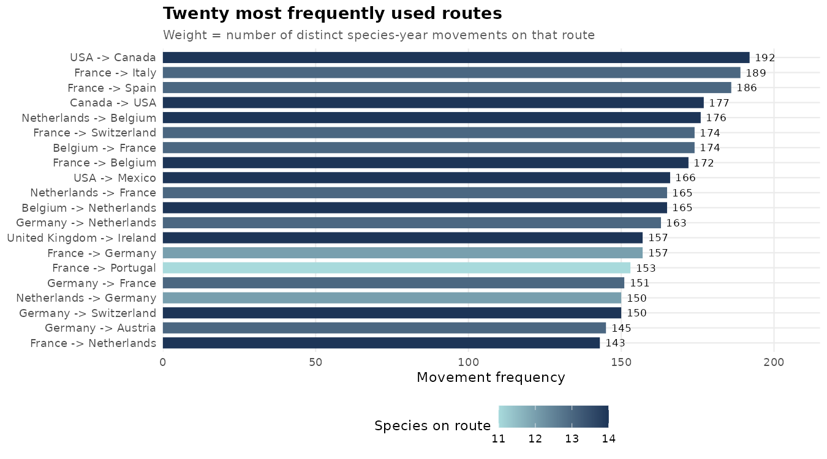
total_head | n_species | n_years | first_year | last_year
884811901 | 14 | 16 | 2005 | 2021
127059738 | 13 | 16 | 2005 | 2021
284194128 | 13 | 16 | 2005 | 2021
386023634 | 14 | 16 | 2005 | 2021
1531463259 | 14 | 16 | 2005 | 2021
456724375 | 13 | 16 | 2005 | 2021
10480767 | 13 | 16 | 2005 | 2021
918116933 | 14 | 16 | 2005 | 2021
116171932 | 14 | 16 | 2005 | 2021
1097723831 | 14 | 16 | 2005 | 2021
40013645 | 13 | 16 | 2005 | 2021
3686357085 | 13 | 16 | 2005 | 2021
91155201 | 12 | 16 | 2005 | 2021
156516675 | 14 | 16 | 2005 | 2021
96584795 | 11 | 16 | 2005 | 2021
24145361 | 13 | 16 | 2005 | 2021
1509540 | 14 | 16 | 2005 | 2021
2860914262 | 12 | 16 | 2005 | 2021
169935409 | 13 | 16 | 2005 | 2021
112042670 | 14 | 16 | 2005 | 2021
22701896 | 13 | 16 | 2005 | 2021
26276746 | 11 | 16 | 2005 | 2021
8374750 | 13 | 16 | 2005 | 2021
23421383 | 11 | 16 | 2005 | 2021
14511831 | 14 | 14 | 2007 | 2021
54177524 | 13 | 16 | 2005 | 2021
228356146 | 11 | 16 | 2005 | 2021
701133177 | 11 | 16 | 2005 | 2021
67853700 | 13 | 16 | 2005 | 2021
39545599 | 14 | 16 | 2005 | 2021
142917265 | 10 | 16 | 2005 | 2021
3107112 | 12 | 16 | 2005 | 2021
12019280 | 11 | 16 | 2005 | 2021
153622518 | 11 | 16 | 2005 | 2021
12433377 | 14 | 16 | 2005 | 2021
...

