Plan1
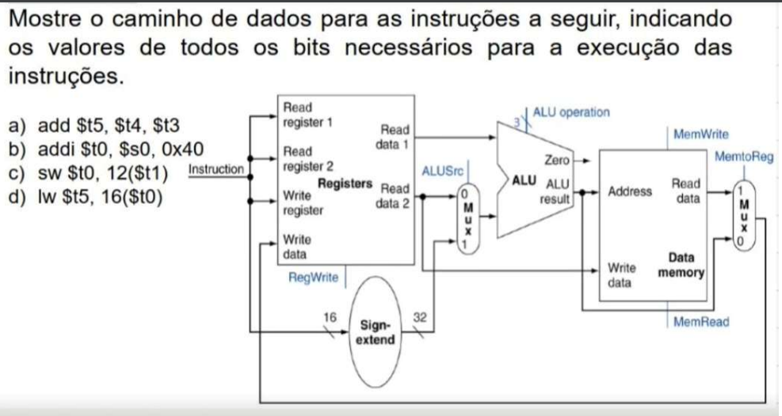
Questão 1
 | a) add | b) addi | c) sw | d) lw
RegWrite | 1 | 1 | 0 | 1
AluSrc | 0 | 1 | 1 | 1
AluOP | 010 | 010 | 010 | 010
MemWrite | 0 | 0 | 1 | 0
MemRead | 0 | 0 | 0 | 1
MemtoReg | 0 | 0 | * | 1

ReadRegister1 | $t4 | $s0 | $t1 | $t0
ReadRegister2 | $t3 |  | $t0
WriteRegister | $t5 | $t0 |  | $t5
WriteData | $t4+$t5 | $s0+0x40 |  | 16($t0)
ReadData1 | $t4 | $s0 | $t1 | $t0
ReadData2 | $t5 |  | $t0
Address |  |  | 12($t1) | 16($t0)
WriteData |  |  | $t0
ReadData |  |  |  | 16($t0)

Questão 2
 | a) add | b) and | c) addi | d) addi | e) addi | f) sw | g) beq | h) j 350
RegWrite | 1 | 1 | 0 | 0 | 0 | 0 | 0 | 0
AluSrc | 0 | 0 | 1 | 1 | 1 | 1 | 0 | *
AluOP | 010 |  | 010 | 010 | 010 | 010 | 110 | *
MemWrite | 0 | 0 | 0 | 0 | 0 | 1 | 0 | 0
MemRead | 0 | 0 | 0 | 0 | 1 | 0 | 0 | 0
MemtoReg | 0 | 0 | 0 | 0 | 1 | * | * | *

