Requirements Phase Defects
do not print this form |  |  |  | Echipa
Review Form. Requirements Defects |  |  |  |  | Numele si prenumele | Grupa
 |  |  |  | Student 1: | Horvati Andrei | 234
 | Document Title: | Requirements Document |  | Student 2: | Iordan Dragos | 234
 | Author Name: | Firicescu George |  | Student 3: | Ispas Vlad | 234
 | Reviewer Name: | Horvati Andrei, Iordan Dragos, Ispas Vlad
 | Review date: | 2023-03-20

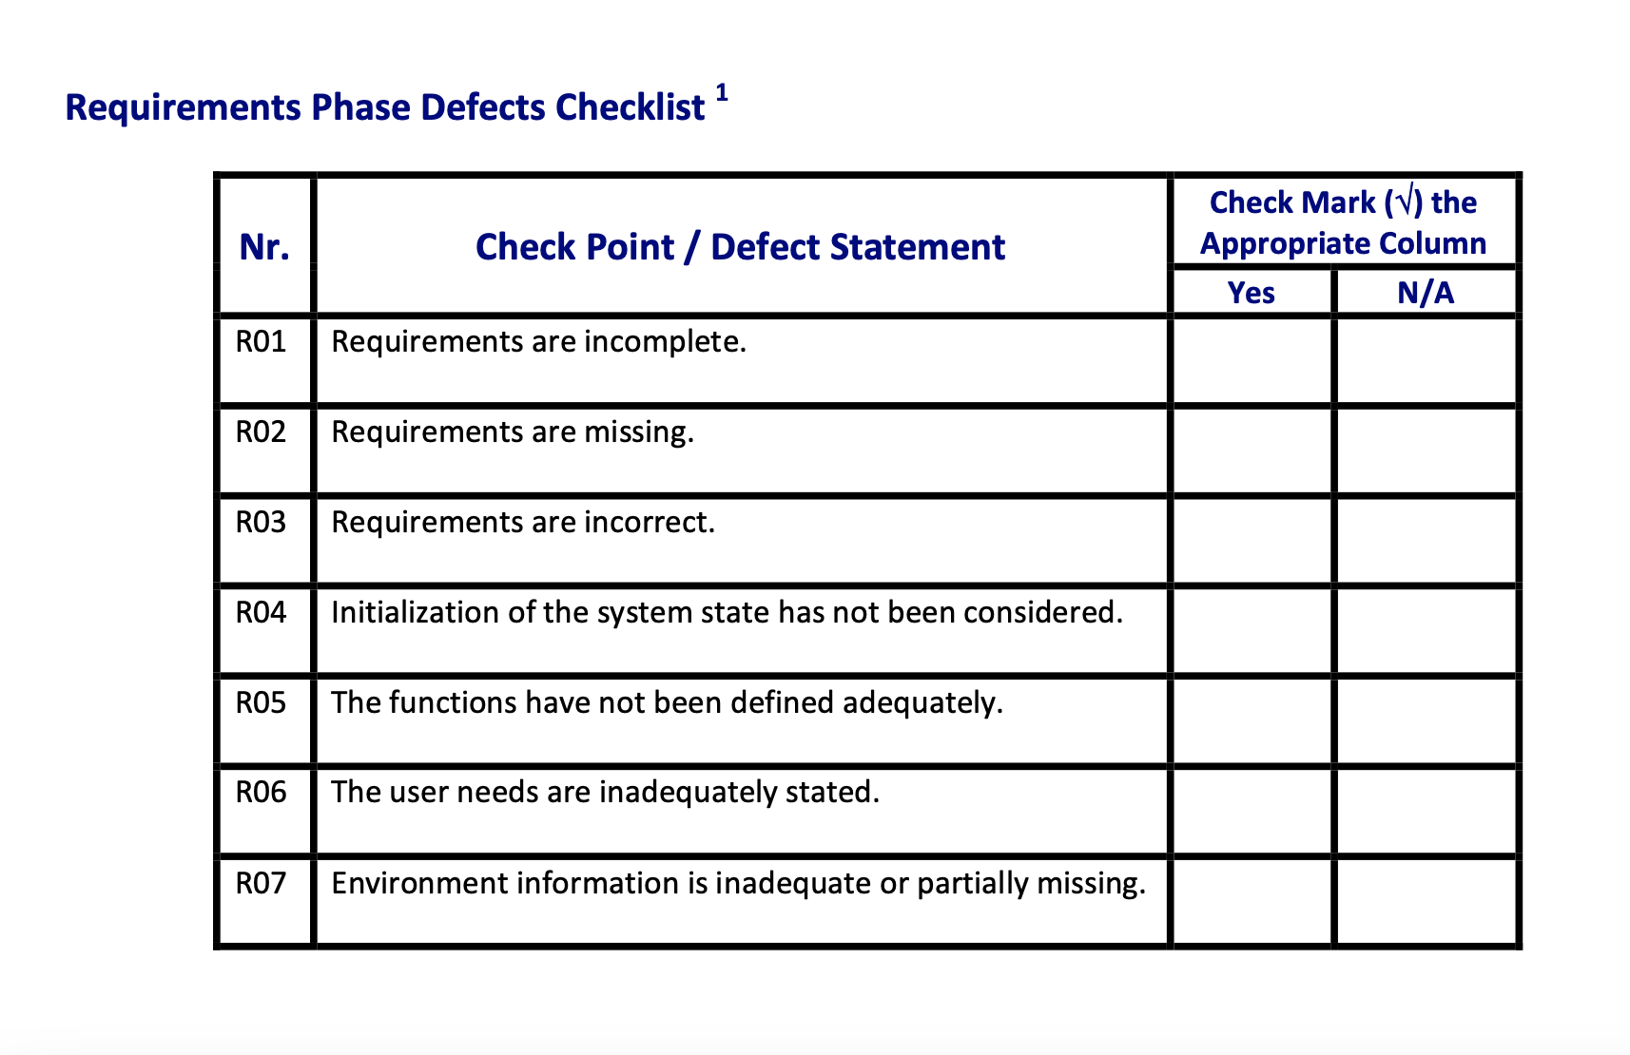
Crt. No. | Checked Item | Doc. page/line | Comments/ improvements
1 | R05 | F01 | Cerinta ca restaurantul sa poata fi inchis numai daca nu sunt clienti este redundanta deoarece si bucataria trebuie inchisa, iar acest fapt implica deja faptul ca nu mai sunt clienti.
2 | R07 | F01 | Nu este specificat destul de clar cum se poate ajunge la a nu mai avea clienti.
3 | R02 | PizzaShop | Tip si architectura aplicatiei nu sunt bine definite. (se specifica numai ca vrem o aplicatie, nu si ce fel de aplicatie).
4
5
6
7
8
9
10
11
12
13
14
15
16

 | Effort to review document (hours): |  | 1 ore

Architect. Design Phase Defects
do not print this form |  |  |  | Echipa
Review Form. Architectural Design Defects |  |  |  |  | Numele si prenumele | Grupa
 |  |  |  | Student 1: | Horvati Andrei | 234
 | Document Title: | Architectural Design Document |  | Student 2: | Iordan Dragos | 234
 | Author Name: | Georgescu Anca |  | Student 3: | Ispas Vlad | 234
 | Reviewer Name: | Horvati Andrei, Iordan Dragos, Ispas Vlad
 | Review date: | 2023-03-20

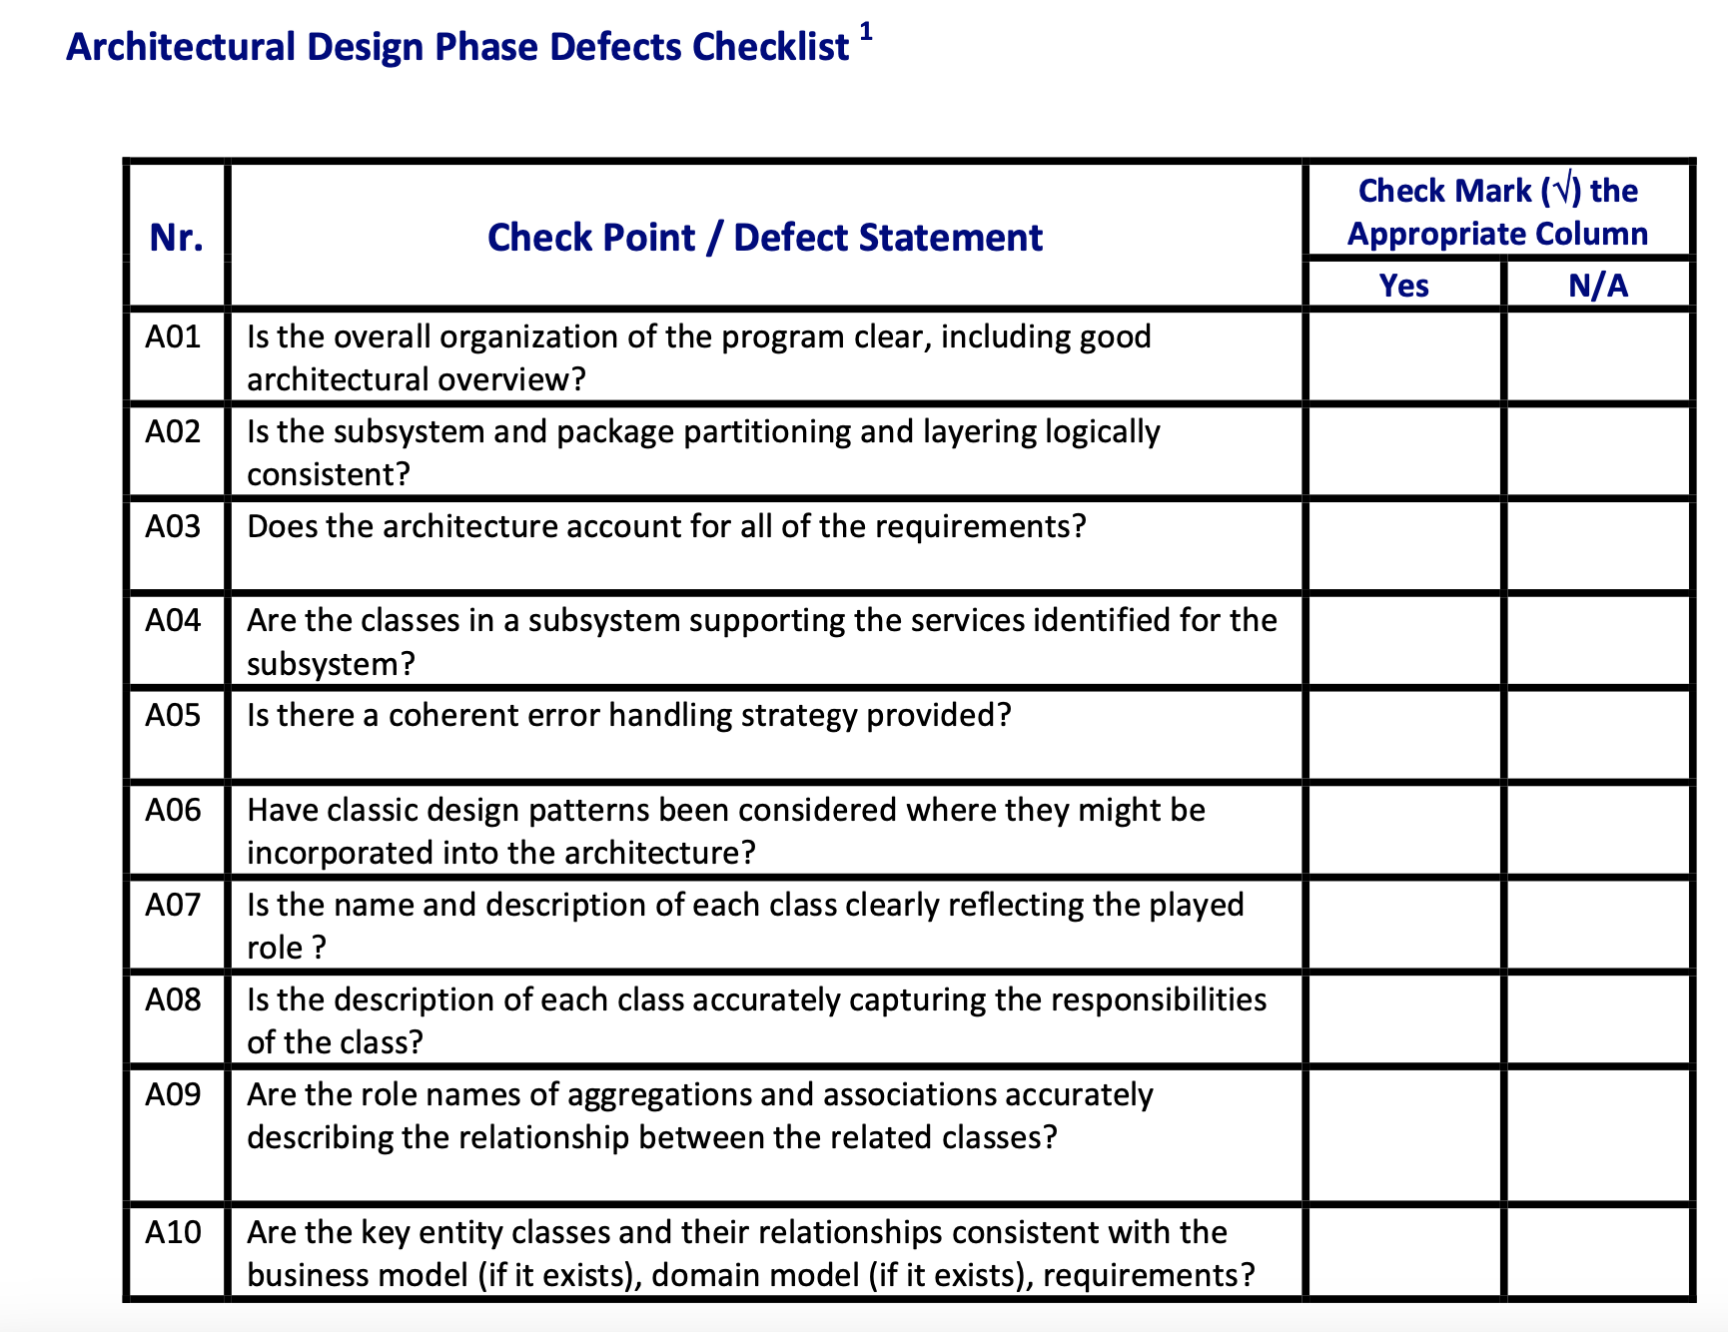
Crt. No. | Checked Item | Doc. page/line | Comments/ improvements
1 | A01 | Class Diagram | Nu ar trebui date fisierele de input ca parametru la repository, o solutie mai buna ar fi crearea unui fisier de configurari de unde sa fie extrase
2 | A10 | Class Diagram | Clasa Payment nu are gettere/settere
3 | A01 | Class Diagram | Interfata PaymentOperation este redundanta deoarece e implementata de o singur clasa (in general, interfetele sunt folosite daca avem metode comune in mai multe clase).
4
5
6
7
8
9
10
11
12
13
14
15
16
17

 | Effort to review document (hours): |  | 1 ora

Coding Phase Defects
do not print this form |  |  |  | Echipa
Review Form. Coding Defects |  |  |  |  | Numele si prenumele | Grupa
 |  |  |  | Student 1: | Horvati Andrei | 234
 | Document Title: | Coding Document |  | Student 2: | Iordan Dragos | 234
 | Author Name: | Popescu Ionel |  | Student 3: | Ispas Vlad | 234
 | Reviewer Name: | Horvati Andrei, Iordan Dragos, Ispas Vlad
 | Review date: | 2023-03-20

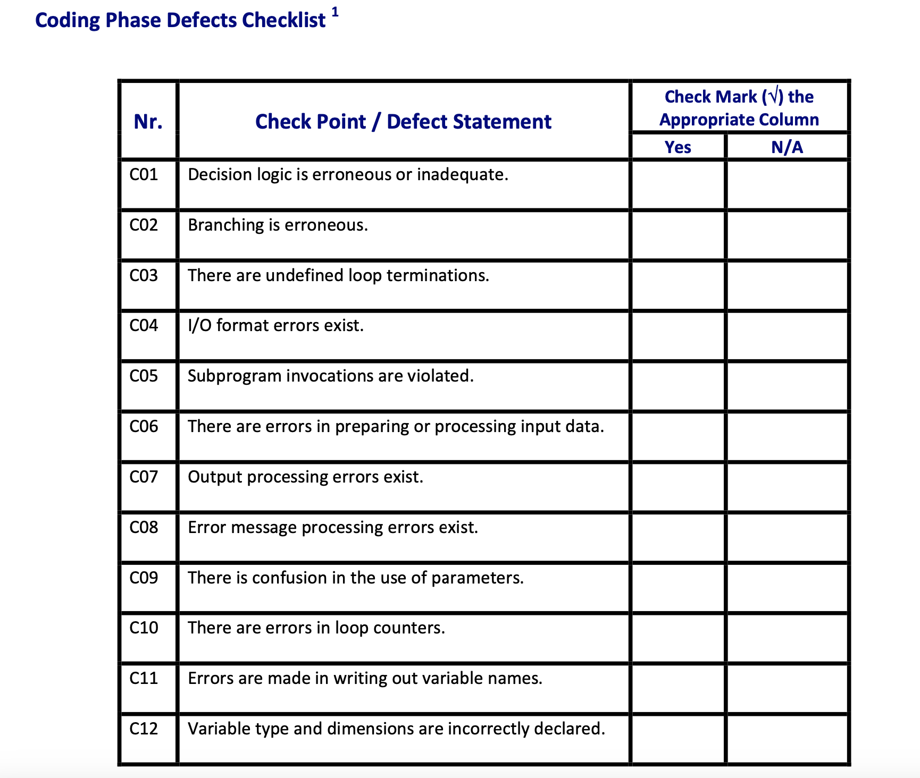
Crt. No. | Checked Item | Doc. page/line | Comments/ improvements
1 | C08 | KitchenGUIController - 53 | Nu este verificat daca exista elemente selectate pentru a le putea da cook.
2 | C08 | KitchenGUIController - 62 | Inainte de a da ready la o comanda, ar trebui verificat ca este si selectata o comanda, altfel va pusca programul.
3 | C01 | OrdersGUIController - 131 | Cand se alege cantitatea unui produs nu ar trebui sa poti alege si 0 (nu are sens sa adaugi la comanda "nimic")
4
5
6
7
8
9
10
11
12
13
14
15
16
17
18
19
20
21

 | Effort to review document (hours): |  | 2 ore

