2
genotype | guide | system | CFUdonnor
A | sacB | cas9psim5 | 0.0000000001
A | sacB | cas9psim5 | 4.58333354340279E-08
A | sacB | cas9psim5 | 4.87804880428316E-09
A | sacB | cas9psim5 | 0.0000000001 | Position dependent variability Hfr
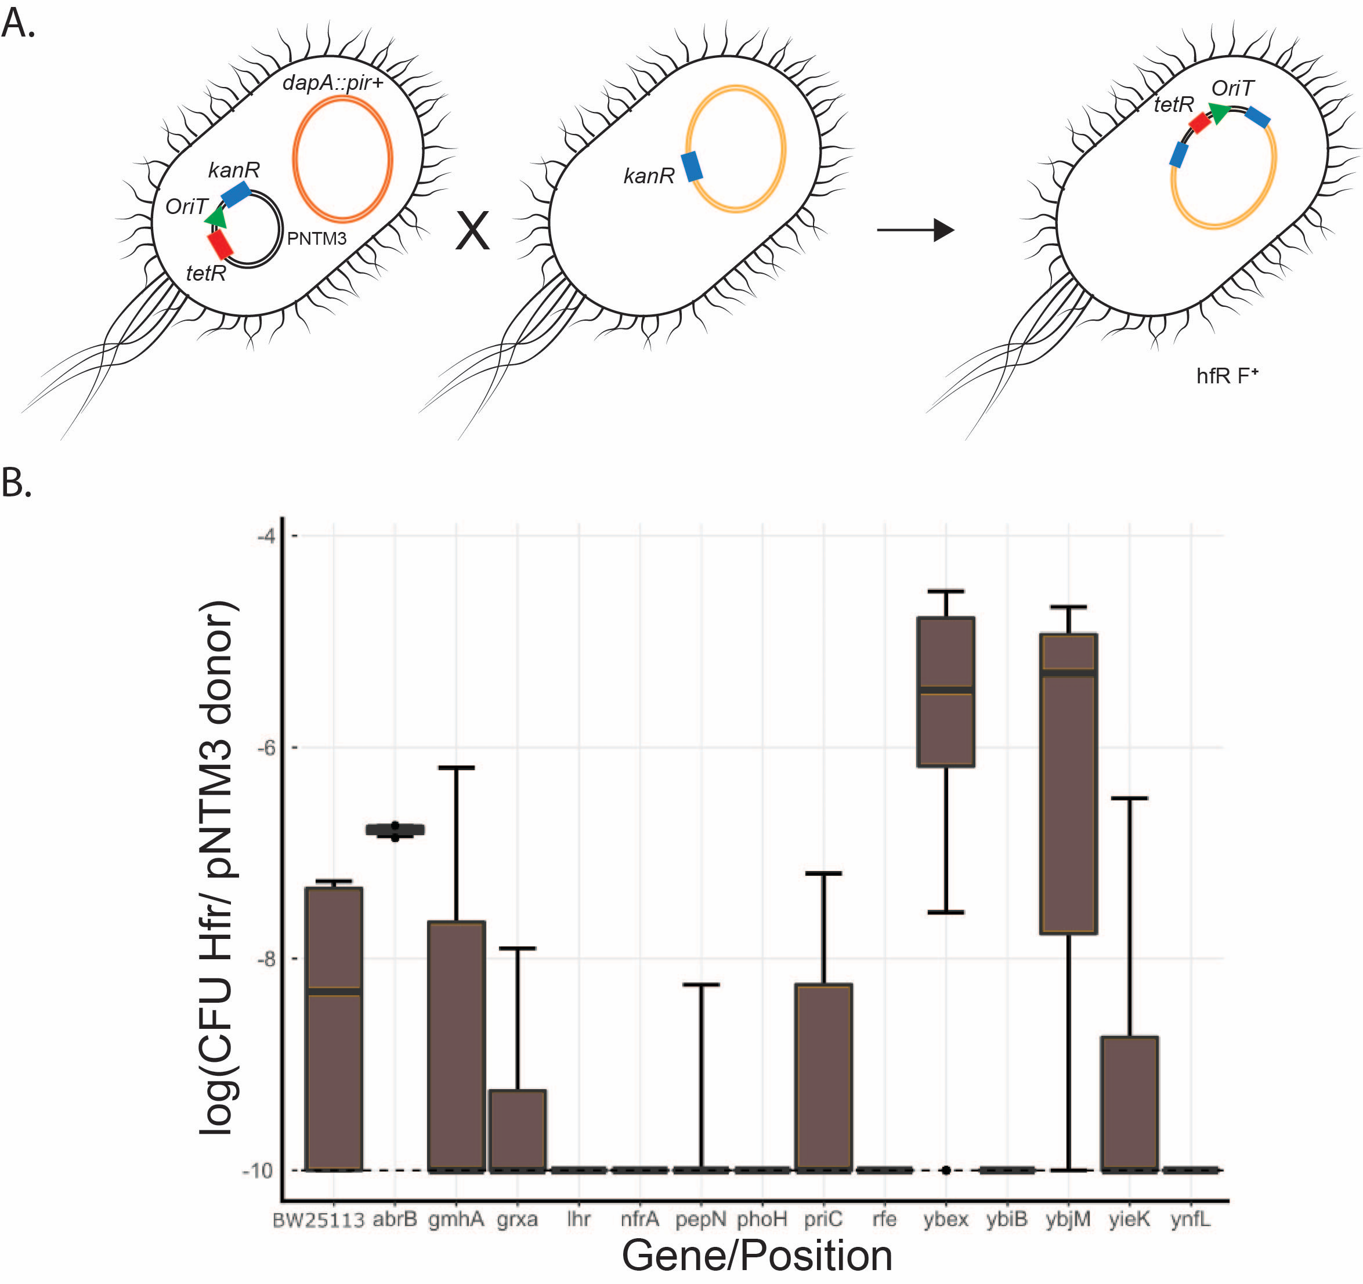
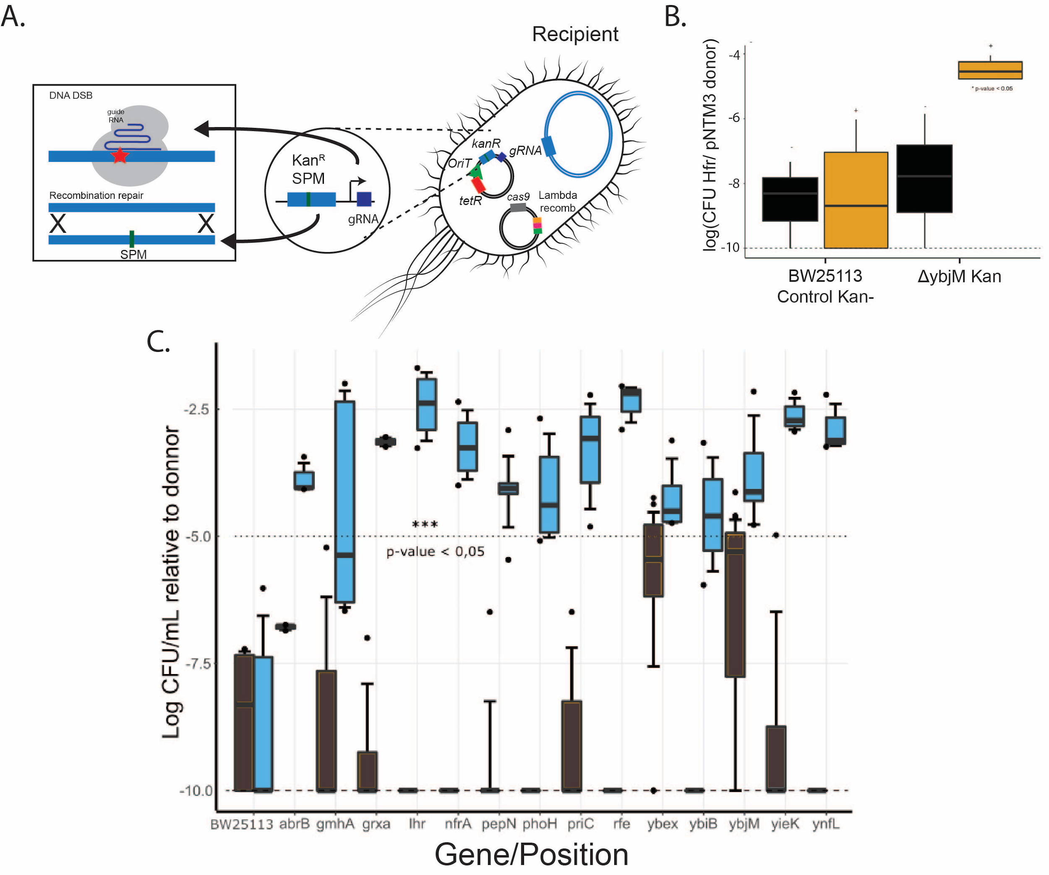
A | sgrna | cas9psim5 | 0.0000000001
A | sgrna | cas9psim5 | 0.0000000001
A | sacB | cas9psim5 | 6.06060642791554E-08
A | sgrna | cas9psim5 | 4.20000017640001E-08
A | sgrna | cas9psim5 | 0.0000000001
A | sgrna | cas9psim5 | 9.50000902500857E-07
abrB | sacB | cas9psim5 | 1.71052660837955E-07
abrB | sacB | cas9psim5 | 1.81818214876039E-07
abrB | sacB | cas9psim5 | 1.38461557633139E-07
abrB | sgrna | cas9psim5 | 0.0000833402783565297
abrB | sgrna | cas9psim5 | 0.0000900081007290656
abrB | sgrna | cas9psim5 | 0.00036276891620038
gmhA | sgrna | cas9psim5 | 0.0101010101010101
gmhA | sgrna | cas9psim5 | 0.00441944556046605
gmhA | sgrna | cas9psim5 | 4.23078713025324E-06
gmhA | sgrna | cas9psim5 | 5.00000250000125E-07
gmhA | sgrna | cas9psim5 | 3.40425647804476E-07
gmhA | sacB | cas9psim5 | 0.0000000001
gmhA | sacB | cas9psim5 | 0.000006000036000216
gmhA | sacB | cas9psim5 | 2.22222227160494E-08
gmhA | sacB | cas9psim5 | 0.0000000001
gmhA | sacB | cas9psim5 | 0.0000000001
grxa | sacB | cas9psim5 | 0.0000001
grxa | sacB | cas9psim5 | 0.0000000001
grxa | sacB | cas9psim5 | 0.0000000001
grxa | sacB | cas9psim5 | 0.0000000001
grxa | sgrna | cas9psim5 | 0.000897356
grxa | sgrna | cas9psim5 | 0.000575331
lhr | sgrna | cas9psim5 | 0.0104102878138396
lhr | sgrna | cas9psim5 | 0.0204081632653061
lhr | sacB | cas9psim5 | 0.0000000001
lhr | sacB | cas9psim5 | 0.0000000001
lhr | sacB | cas9psim5 | 0.0000000001
lhr | sgrna | cas9psim5 | 0.001645561
lhr | sgrna | cas9psim5 | 0.00054196
nfrA | sacB | cas9psim5 | 0.0000000001
nfrA | sacB | cas9psim5 | 0.0000000001
nfrA | sacB | cas9psim5 | 0.0000000001
nfrA | sgrna | cas9psim5 | 0.004394225
nfrA | sgrna | cas9psim5 | 0.00124154
nfrA | sgrna | cas9psim5 | 0.000243962
nfrA | sgrna | cas9psim5 | 0.00010001
pepN | sacB | cas9psim5 | 0.000000323
pepN | sacB | cas9psim5 | 0.0000000001
pepN | sacB | cas9psim5 | 0.0000000001
pepN | sacB | cas9psim5 | 0.0000000001
pepN | sacB | cas9psim5 | 0.0000000001
pepN | sacB | cas9psim5 | 0.0000000001
pepN | sgrna | cas9psim5 | 0.001223718
pepN | sgrna | cas9psim5 | 0.0000650042
pepN | sgrna | cas9psim5 | 0.00000346
pepN | sgrna | cas9psim5 | 0.0000940088368306621
pepN | sgrna | cas9psim5 | 0.000115613364904983
pepN | sgrna | cas9psim5 | 0.0000812065939754308
phoH | sacB | cas9psim5 | 0.0000000001
phoH | sacB | cas9psim5 | 0.0000000001
phoH | sacB | cas9psim5 | 0.0000000001
phoH | sacB | cas9psim5 | 0.0000000001
phoH | sacB | cas9psim5 | 0.0000000001
phoH | sgrna | cas9psim5 | 0.002073255
phoH | sgrna | cas9psim5 | 0.000363769
phoH | sgrna | cas9psim5 | 0.0000409108
phoH | sgrna | cas9psim5 | 0.0000118334733627681
phoH | sgrna | cas9psim5 | 8.16673336165579E-06
priC | sacB | cas9psim5 | 0.000000323
priC | sacB | cas9psim5 | 0.0000000001
priC | sacB | cas9psim5 | 0.0000000001
priC | sgrna | cas9psim5 | 0.005988024
priC | sgrna | cas9psim5 | 0.000834028
priC | sgrna | cas9psim5 | 0.0000153849
rfe | sacB | cas9psim5 | 0.0000000001
rfe | sacB | cas9psim5 | 0.0000000001
rfe | sacB | cas9psim5 | 0.0000000001
rfe | sgrna | cas9psim5 | 0.008950366
rfe | sgrna | cas9psim5 | 0.006451613
rfe | sgrna | cas9psim5 | 0.001251564
ybex | sacB | cas9psim5 | 6.4516170655594E-07
ybex | sacB | cas9psim5 | 1.73913073724013E-07
ybex | sacB | cas9psim5 | 6.66667111111407E-07
ybex | sacB | cas9psim5 | 5.1229510821184E-08
ybex | sacB | cas9psim5 | 0.0000166669444490742
ybex | sacB | cas9psim5 | 0.0000428589796705573
ybex | sacB | cas9psim5 | 0.0000000001
ybex | sacB | cas9psim5 | 0.0000285722449212835
ybex | sacB | cas9psim5 | 0.0000250006250156254
ybex | sacB | cas9psim5 | 0.0000000001
ybex | sacB | cas9psim5 | 0.000010000100001
ybex | sacB | cas9psim5 | 0.0000571461226355792
ybex | sacB | cas9psim5 | 0.0000125001562519531
ybex | sacB | cas9psim5 | 0.0000166669444490742
ybex | sacB | cas9psim5 | 1.42857346939067E-06
ybex | sacB | cas9psim5 | 3.33334444448148E-06
ybex | sacB | cas9psim5 | 3.66668011116041E-06
ybex | sacB | cas9psim5 | 2.83334136113386E-06
ybex | sacB | cas9psim5 | 3.66668011116041E-06
ybex | sacB | cas9psim5 | 2.83334136113386E-06
ybex | sgrna | cas9psim5 | 0.0000181821487663412
ybex | sgrna | cas9psim5 | 0.0000195656001965256
ybex | sgrna | cas9psim5 | 0.0000500025001250062
ybex | sgrna | cas9psim5 | 0.000763801338032705
ybiB | sacB | cas9psim5 | 0.0000000001
ybiB | sacB | cas9psim5 | 0.0000000001
ybiB | sacB | cas9psim5 | 0.0000000001
ybiB | sgrna | cas9psim5 | 0.000687973
ybiB | sgrna | cas9psim5 | 0.0000250006
ybiB | sgrna | cas9psim5 | 0.0000011
ybjM | sacB | cas9psim5 | 0.000000811
ybjM | sacB | cas9psim5 | 0.0000000001
ybjM | sacB | cas9psim5 | 0.0000000001
ybjM | sacB | cas9psim5 | 0.0000000001
ybjM | sacB | cas9psim5 | 0.0000000001
ybjM | sacB | cas9psim5 | 0.0000000001
ybjM | sacB | cas9psim5 | 1.66666669444444E-08
ybjM | sacB | cas9psim5 | 1.40000196000274E-06
ybjM | sacB | cas9psim5 | 0.0000000001
ybjM | sacB | cas9psim5 | 0.0000109092099186537
ybjM | sacB | cas9psim5 | 0.0000124139472076205
ybjM | sacB | cas9psim5 | 1.81818185123967E-08
ybjM | sacB | cas9psim5 | 0.0000200004000080002
ybjM | sacB | cas9psim5 | 0.000006000036000216
ybjM | sacB | cas9psim5 | 0.0000230774556335915
ybjM | sacB | cas9psim5 | 0.0000733387115055104
ybjM | sacB | cas9psim5 | 0.000004000016000064
ybjM | sacB | cas9psim5 | 7.50005625042188E-06
ybjM | sacB | cas9psim5 | 0.0000108334506957159
ybjM | sacB | cas9psim5 | 0.0000133335111134815
ybjM | sacB | cas9psim5 | 0.0000125001562519531
ybjM | sacB | cas9psim5 | 8.75007656316993E-06
ybjM | sacB | cas9psim5 | 0.000004000016000064
ybjM | sacB | cas9psim5 | 2.72728016530954E-06
ybjM | sacB | cas9psim5 | 0.000005000025000125
ybjM | sacB | cas9psim5 | 0.0000253339751273699
ybjM | sacB | cas9psim5 | 0.000005000025000125
ybjM | sgrna | cas9psim5 | 0.007049345
ybjM | sgrna | cas9psim5 | 0.002087683
ybjM | sgrna | cas9psim5 | 0.000238152
ybjM | sgrna | cas9psim5 | 0.0000615422
ybjM | sgrna | cas9psim5 | 0.0000542887
ybjM | sgrna | cas9psim5 | 0.0000167472684181097
ybjM | sgrna | cas9psim5 | 0.0000482023233519856
ybjM | sgrna | cas9psim5 | 0.0000904843771579381
ybjM | sgrna | cas9psim5 | 0.0000170002890049131
ybjM | sgrna | cas9psim5 | 0.000522011484252654
yieK | sacB | cas9psim5 | 0.0000000001
yieK | sacB | cas9psim5 | 0.0000105883474060314
yieK | sacB | cas9psim5 | 0.0000000001
yieK | sacB | cas9psim5 | 0.0000000001
yieK | sgrna | cas9psim5 | 0.001892464
yieK | sgrna | cas9psim5 | 0.00671140939597315
yieK | sgrna | cas9psim5 | 0.001144165
ynfL | sacB | cas9psim5 | 0.0000000001
ynfL | sacB | cas9psim5 | 0.0000000001
ynfL | sacB | cas9psim5 | 0.0000000001
ynfL | sacB | cas9psim5 | 0.0000000001
ynfL | sgrna | cas9psim5 | 0.006089489
ynfL | sgrna | cas9psim5 | 0.000760578
ynfL | sgrna | cas9psim5 | 0.000576089

5.3
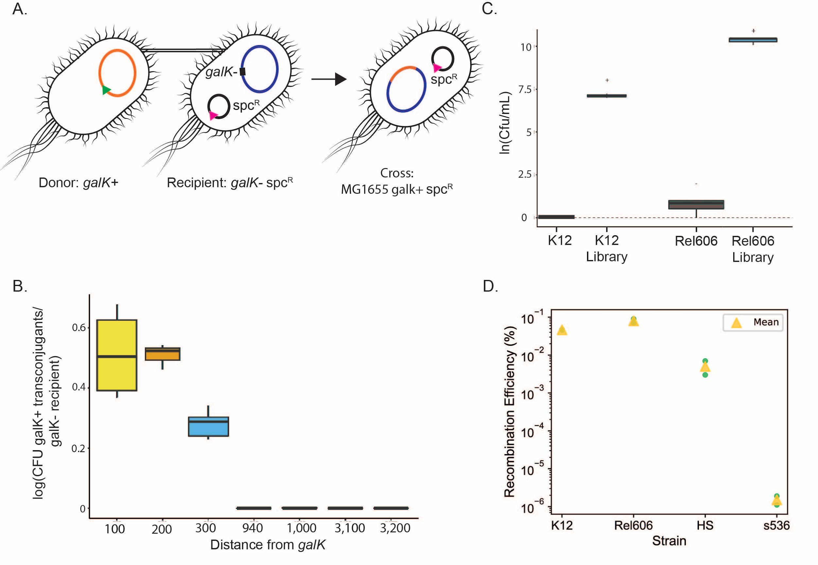
genotype | distance | disfac | way | transconjugant
lhr | 939 | Tus |  | 0
lhr | 939 | Tus |  | 0
lhr | 939 | Tus |  | 0
pepN | 200 | 200 |  | 0.46218487394958
pepN | 200 | 200 |  | 0.523255813953488
pepN | 200 | 200 |  | 0.541984732824427
phoH | 300 | 300 | down | 0.229166666666667 | Distance to galK for the Hfr
phoH | 300 | 300 |  | 0.341614906832298
phoH | 300 | 300 |  | 0.297397769516729
phoH | 300 | 300 |  | 0.305
phoH | 300 | 300 |  | 0.0025
phoH | 300 | 300 |  | 0.278145695364238
rfe | 3177 | oriC |  | 0
rfe | 3177 | oriC |  | 0
rfe | 3177 | 3177 |  | 0
ybjM | 100 | 100 | down | 0.368421052631579
ybjM | 100 | 100 | down | 0.4
ybjM | 100 | 100 | down | 0.609065155807365
ybjM | 100 | 100 | down | 0.67741935483871
yiek | 3108 | oriC |  | 0
yiek | 3108 | oriC |  | 0
yiek | 3108 | oriC |  | 0
ynfL | 1000 | Tus |  | 0
ynfL | 1000 | 1000 |  | 0.003
ynfL | 1000 | 1000 |  | 0

