Pivot Chart
Annual Sales

 | Total Sales
2016 | $9,258
2017 | $10,370
Grand Total | $19,628

 | Total Sales
2016 | $9,258.34
2017 | $10,369.54

1 - Simple Text
Annual Sales

 | Total Sales | 12%
2016 | $9,258
2017 | $10,370
Grand Total | $19,628

 |  | Increase in sales versus previous year

 | Total Sales
2016 | $9,258.34
2017 | $10,369.54
 | 12%

4 - Scatterplot
Unit Cost | Total
$1.99 | $189.05 | Order size by Product Cost
$19.99 | $999.50
$4.99 | $179.64
$19.99 | $539.73
$2.99 | $167.44
$4.99 | $299.40
$1.99 | $149.25
$4.99 | $449.10
$1.99 | $63.68
$8.99 | $539.40
$4.99 | $449.10
$1.99 | $57.71
$19.99 | $1,619.19
$4.99 | $174.65
$125.00 | $250.00
$15.99 | $255.84
$8.99 | $251.72
$8.99 | $575.36
$19.99 | $299.85
$4.99 | $479.04
$1.29 | $86.43
$15.99 | $1,183.26
$8.99 | $413.54
$15.00 | $1,305.00
$4.99 | $19.96
$19.99 | $139.93
$4.99 | $249.50
$1.99 | $131.34
$4.99 | $479.04
$1.29 | $68.37
$8.99 | $719.20
$125.00 | $625.00
$4.99 | $309.38
$12.49 | $686.95
$23.95 | $1,005.90
$275.00 | $825.00
$1.29 | $9.03
$1.99 | $151.24
$19.99 | $1,139.43
$1.29 | $18.06
$4.99 | $54.89
$19.99 | $1,879.06
$4.99 | $139.72
$1.99 | $99.50

5 - Line Graph
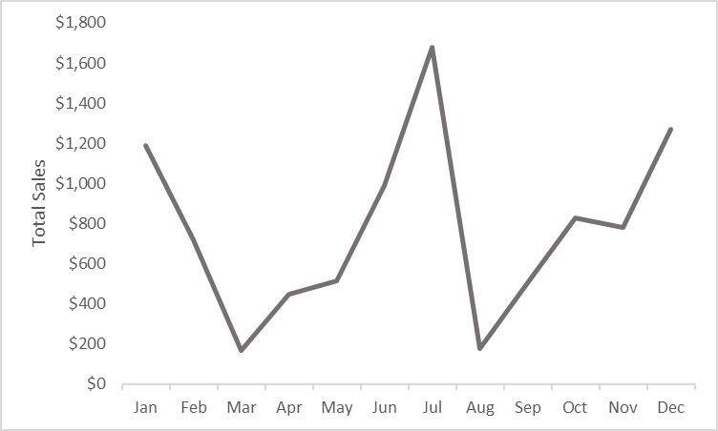
 | Max | Avg | Min | Order Size over 2016
Jan | 999.5 | 594.275 | $189
Feb | 539.73 | 359.685 | $180
Mar | 167.44 | 167.44 | $167
Apr | 299.4 | 224.325 | $149
May | 449.1 | 256.39 | $64
Jun | 539.4 | 494.25 | $449
Jul | 1619.19 | 838.45 | $58
Aug | 174.65 | 174.65 | $175
Sep | 255.84 | 252.92 | $250
Oct | 575.36 | 413.54 | $252
Nov | 479.04 | 389.445 | $300
Dec | 1183.26 | 634.845 | $86
Grand Total | 1619.19 | 420.83363636 | $58

