Res Iteración 1
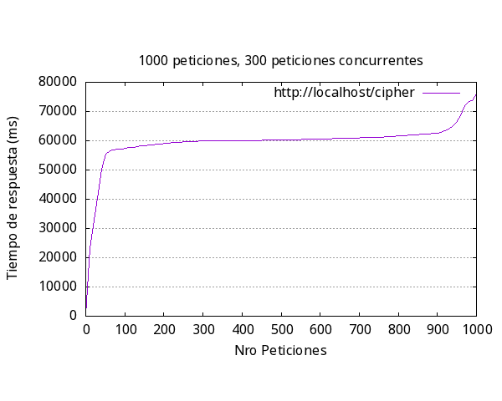
Media por solicitud | 63169ms
Solicitud mas rápida | 698ms
Solicitud mas lenta | 75915ms
Request fallidas | 405
Request por segundo | 1.58

Res Iteración 2
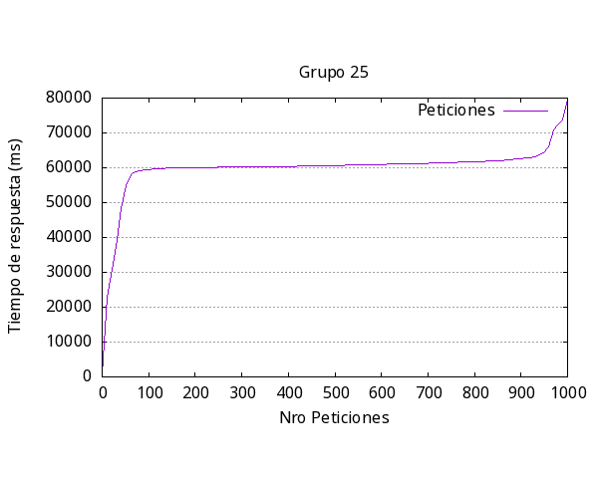
Media por solicitud | 63203ms
Solicitud mas rápida | 664ms
Solicitud mas lenta | 79232ms
Request fallidas | 600
Request por segundo | 1.58

Res Iteración 4
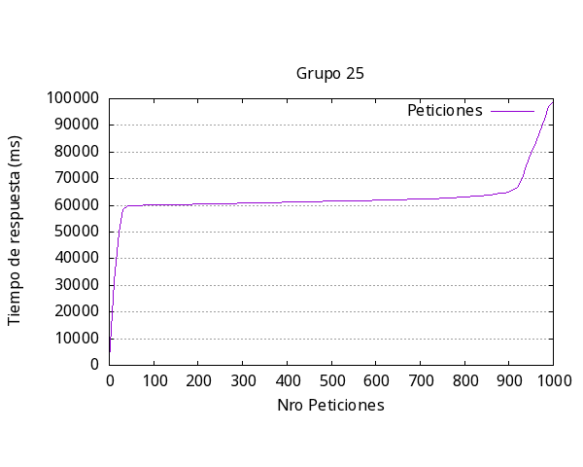
Media por solicitud | 65891ms
Solicitud mas rápida | 1941ms
Solicitud mas lenta | 98642ms
Request fallidas | 718
Request por segundo | 1.52

