Res Iteración 1
Número de request | 100
Concurrencia | 10

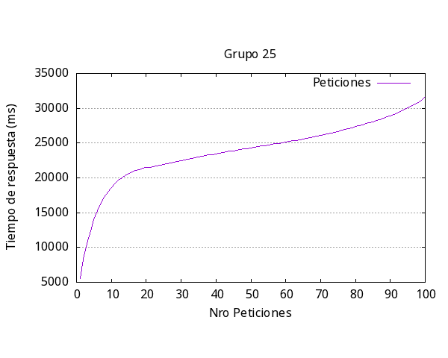
 |  | Media por solicitud | 2547ms
 |  | Solicitud mas rápida | 722ms
 |  | Solicitud mas lenta | 11207ms
 |  | Request fallidas | 3
 |  | Request por segundo | 0.39

Res Iteración 2
Número de request | 200
Concurrencia | 20

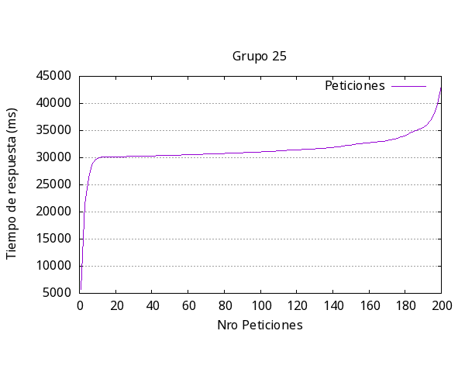
 |  | Media por solicitud | 1672ms
 |  | Solicitud mas rápida | 1494ms
 |  | Solicitud mas lenta | 13906ms
 |  | Request fallidas | 22
 |  | Request por segundo | 0.60

Res Iteración 3
Número de request | 200
Concurrencia | 30

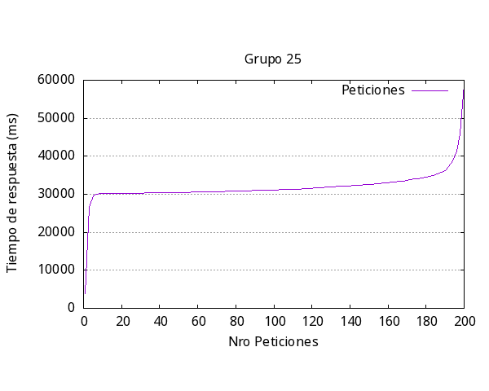
 |  | Media por solicitud | 1146ms
 |  | Solicitud mas rápida | 1583ms
 |  | Solicitud mas lenta | 31858ms
 |  | Request fallidas | 181
 |  | Request por segundo | 0.87

Res Iteración 4
Número de request | 150
Concurrencia | 15

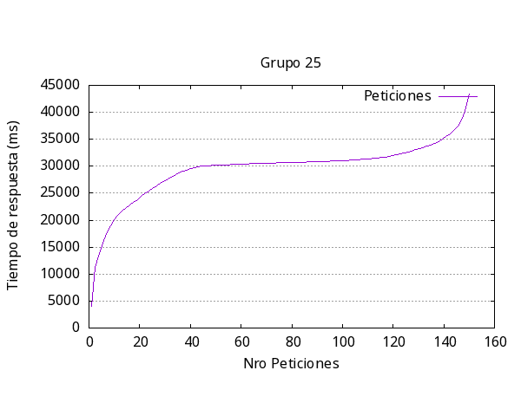
 |  | Media por solicitud | 31168ms
 |  | Solicitud mas rápida | 1226ms
 |  | Solicitud mas lenta | 17296ms
 |  | Request fallidas | 87
 |  | Request por segundo | 0.48

Res Iteración 5
Número de request | 150
Concurrencia | 10

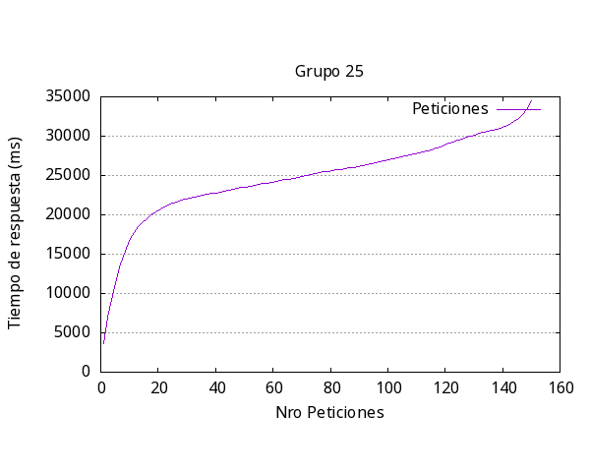
 |  | Media por solicitud | 2586ms
 |  | Solicitud mas rápida | 724ms
 |  | Solicitud mas lenta | 9740ms
 |  | Request fallidas | 6
 |  | Request por segundo | 0.39

