analisis_1
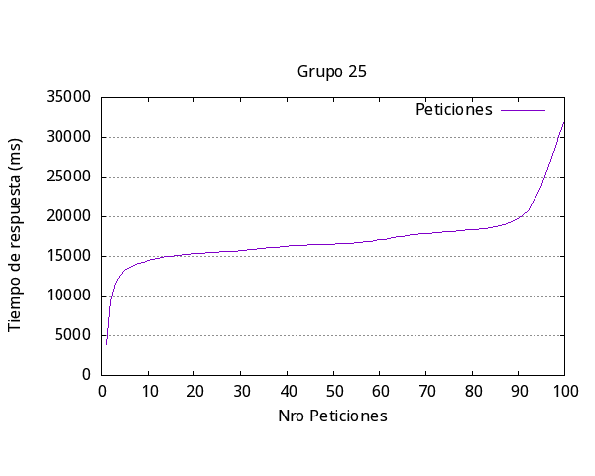

Media | 18240
Rápida | 3800
Lenta | 32041
Fallidos | 0
request/seg | 0.55
request | 100
concurrencia | 10

analisis_2
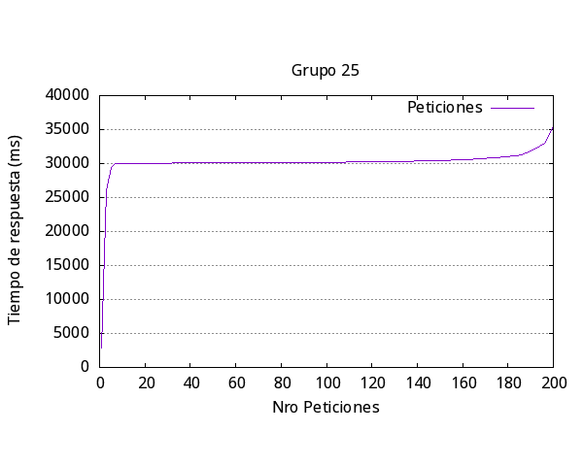
Media | 31104
Rápida | 2828
Lenta | 35532
Fallidos | 12
request/seg | 0.64
request | 200
concurrencia | 20

analisis_3
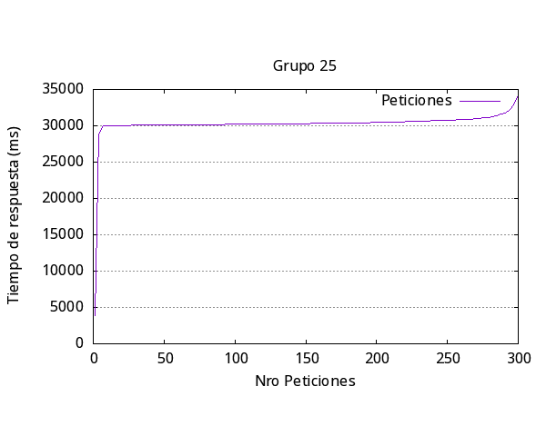
Media | 31132
Rápida | 3814
Lenta | 34172
Fallidos | 0
request/seg | 0.96
request | 300
concurrencia | 30

analisis_4
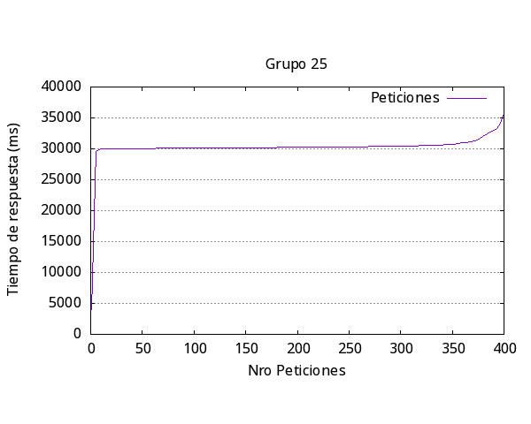
Media | 30905
Rápida | 4038
Lenta | 35639
Fallidos | 30
request/seg | 0.65
request | 400
concurrencia | 20

analisis_5
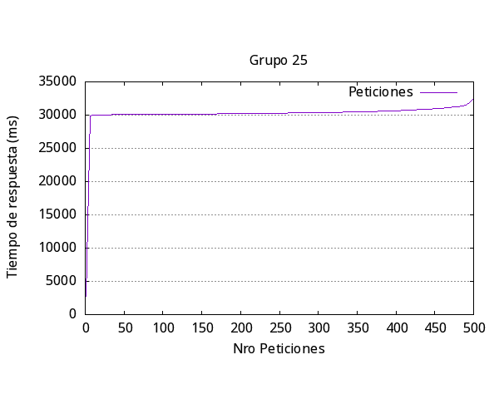
Media | 30723
Rápida | 2712
Lenta | 32454
Fallidos | 0
request/seg | 0.81
request | 500
concurrencia | 25

general
Iteración | Media respuesta (ms) | Más Rápida (ms) | Más Lenta (ms) | Request Fallidas | Request por segundo | Número request | Concurrencia
1 | 18024 | 3800 | 3204 | 0 | 0.55 | 100 | 10
2 | 31104 | 2828 | 35532 | 12 | 0.64 | 200 | 20
3 | 31132 | 3814 | 34172 | 0 | 0.96 | 300 | 30
4 | 30905 | 4038 | 35639 | 30 | 0.65 | 400 | 20
5 | 30723 | 2712 | 32454 | 0 | 0.81 | 50 | 25
Promedio | 28377.6 | 3438.4 | 28200.2 | 8.4 | 0.722

Respuesta más lenta por iteración Experimento 1

