analisis_1
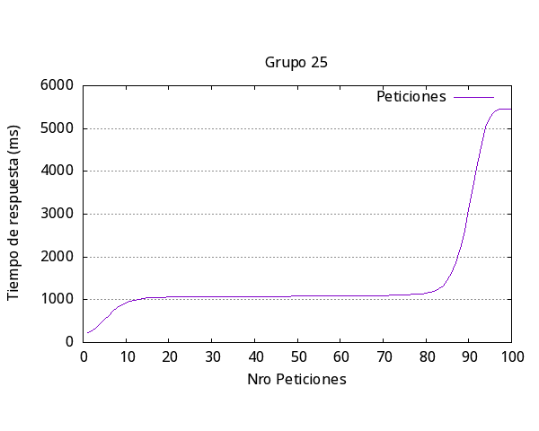
Media | 1545
Rápida | 212
Lenta | 5458
Fallidos | 0
request/seg | 6.47
request | 100
concurrencia | 10

analisis_3
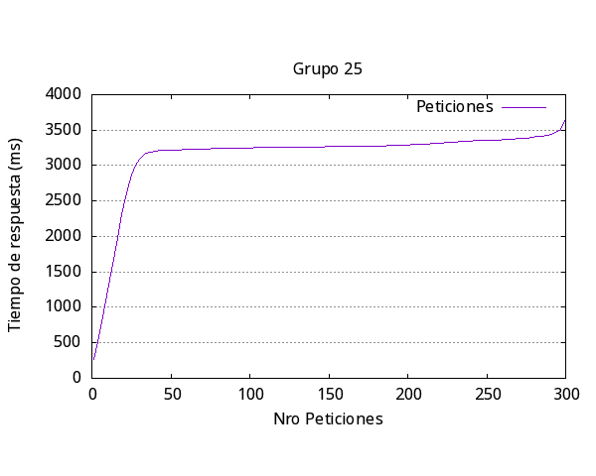

Media | 3346
Rápida | 261
Lenta | 3603
Fallidos | 0
request/seg | 8.96
request | 300
concurrencia | 30

analisis_4
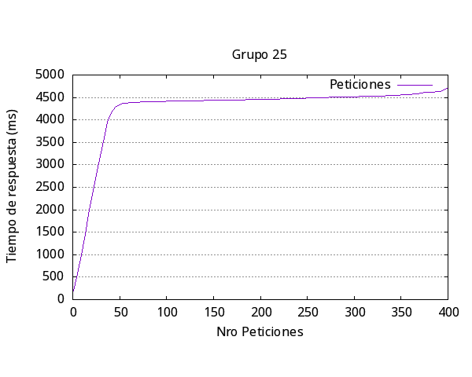

Media | 4503
Rápida | 193
Lenta | 4720
Fallidos | 0
request/seg | 8.88
request | 400
concurrencia | 40

analisis_5
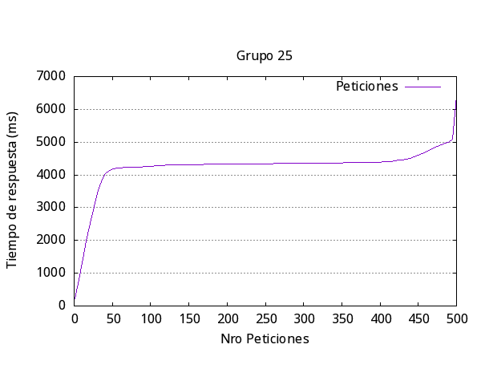
Media | 4433
Rápida | 222
Lenta | 5094
Fallidos | 0
request/seg | 9.02
request | 500
concurrencia | 40

general
Iteración | Media respuesta (ms) | Más Rápida (ms) | Más Lenta (ms) | Request Fallidas | Request por segundo | Número request | Concurrencia

1 | 1545 | 212 | 5458 | 0 | 6.47 | 100 | 10
2 | 2330 | 204 | 2989 | 0 | 8.58 | 200 | 20
3 | 3346 | 261 | 3603 | 0 | 8.96 | 300 | 30
4 | 4503 | 193 | 4720 | 0 | 8.88 | 400 | 40
5 | 4433 | 222 | 5094 | 0 | 9.02 | 500 | 40
Promedio | 3231.4 | 218.4 | 4372.8 | 0 | 8.382
Respuesta más lenta por iteración Experimento 2

