own_dataset (state)
ID | Model | Label Mode | F1 Train (%) | F1 Eval (%) | F1 Drop (%) | Acc Train (%) | Acc Eval (%) | Acc Drop (%) | Prec Train (%) | Prec Eval (%) | Prec Drop (%) | Rec Train (%) | Rec Eval (%) | Rec Drop (%) | MCC Train | MCC Eval | MCC Drop | AUC Train | AUC Eval | AUC Drop | ms/img | Conf Correct (%) | Conf Wrong (%)
OWN-R18-C4-ST | mendeley_lemon_varieties_all_head_layer4_resnet18 | state | 98.5 | 91.7 | 6.8 | 98.5 | 91.7 | 6.8 | 98.5 | 92.3 | 6.2 | 98.5 | 92.3 | 6.2 | 0.97 | 0.846 | 0.124 | 0.9995 | 1 | -0.0005 | 315.67 | 91.8 | 82 | 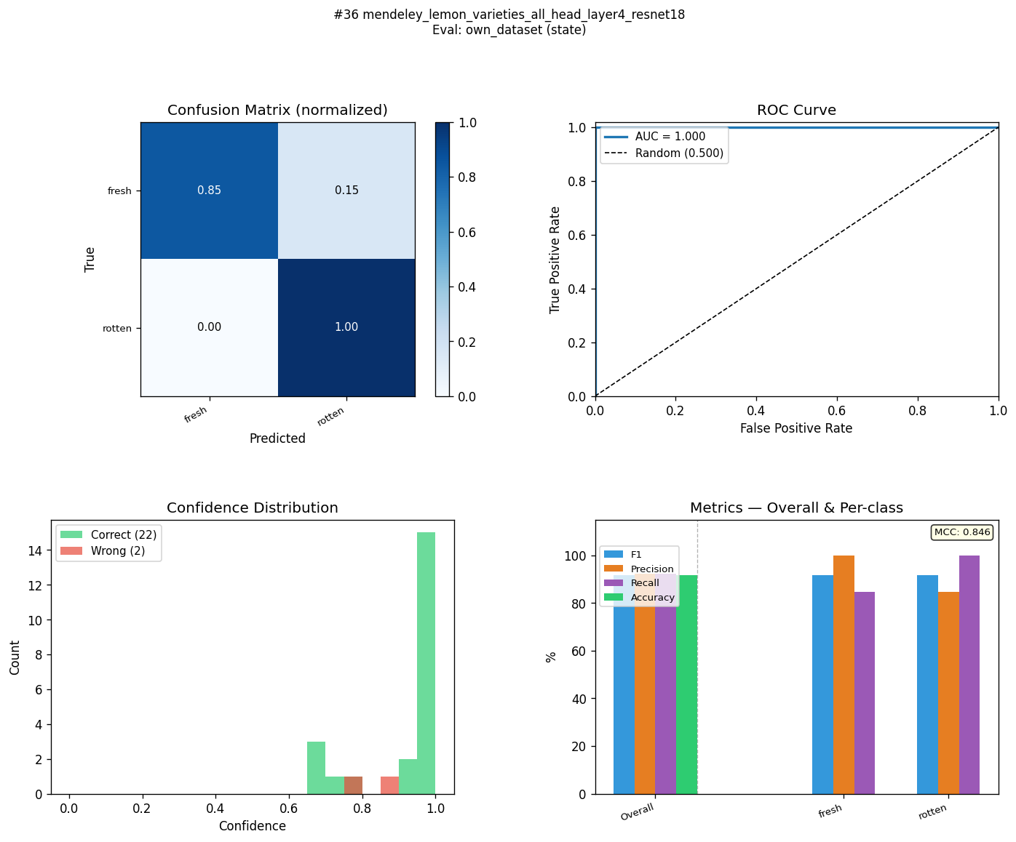
OWN-R18-C2-ST | mendeley_lemon_varieties_all_layer4_resnet18 | state | 98 | 87.5 | 10.5 | 98 | 87.5 | 10.5 | 98 | 89.3 | 8.7 | 98 | 88.5 | 9.5 | 0.96 | 0.777 | 0.183 | 0.9993 | 1 | -0.0007 | 301.44 | 88.5 | 65.6 | 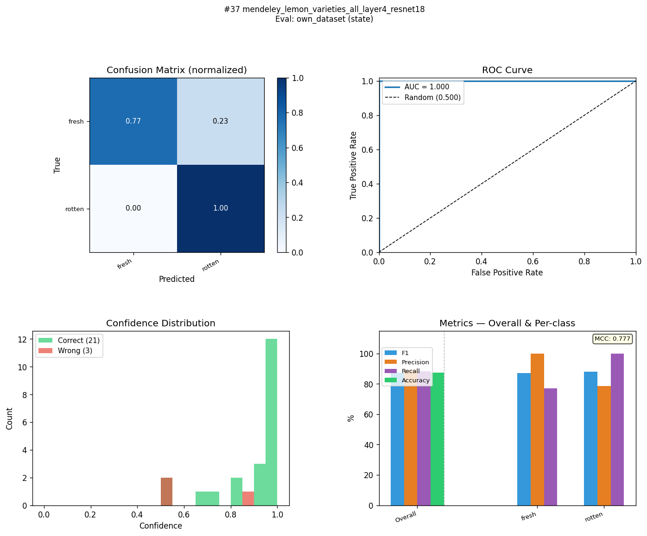
OWN-R18-C4-ST | kaggle_fresh_stale_all_head_layer4_resnet18 | state | 99 | 87.3 | 11.7 | 99 | 87.5 | 11.5 | 98.9 | 87.9 | 11 | 99 | 87.1 | 11.9 | 0.979 | 0.749 | 0.23 | 0.9997 | 0.8741 | 0.1256 | 226.62 | 96.6 | 99.4 | 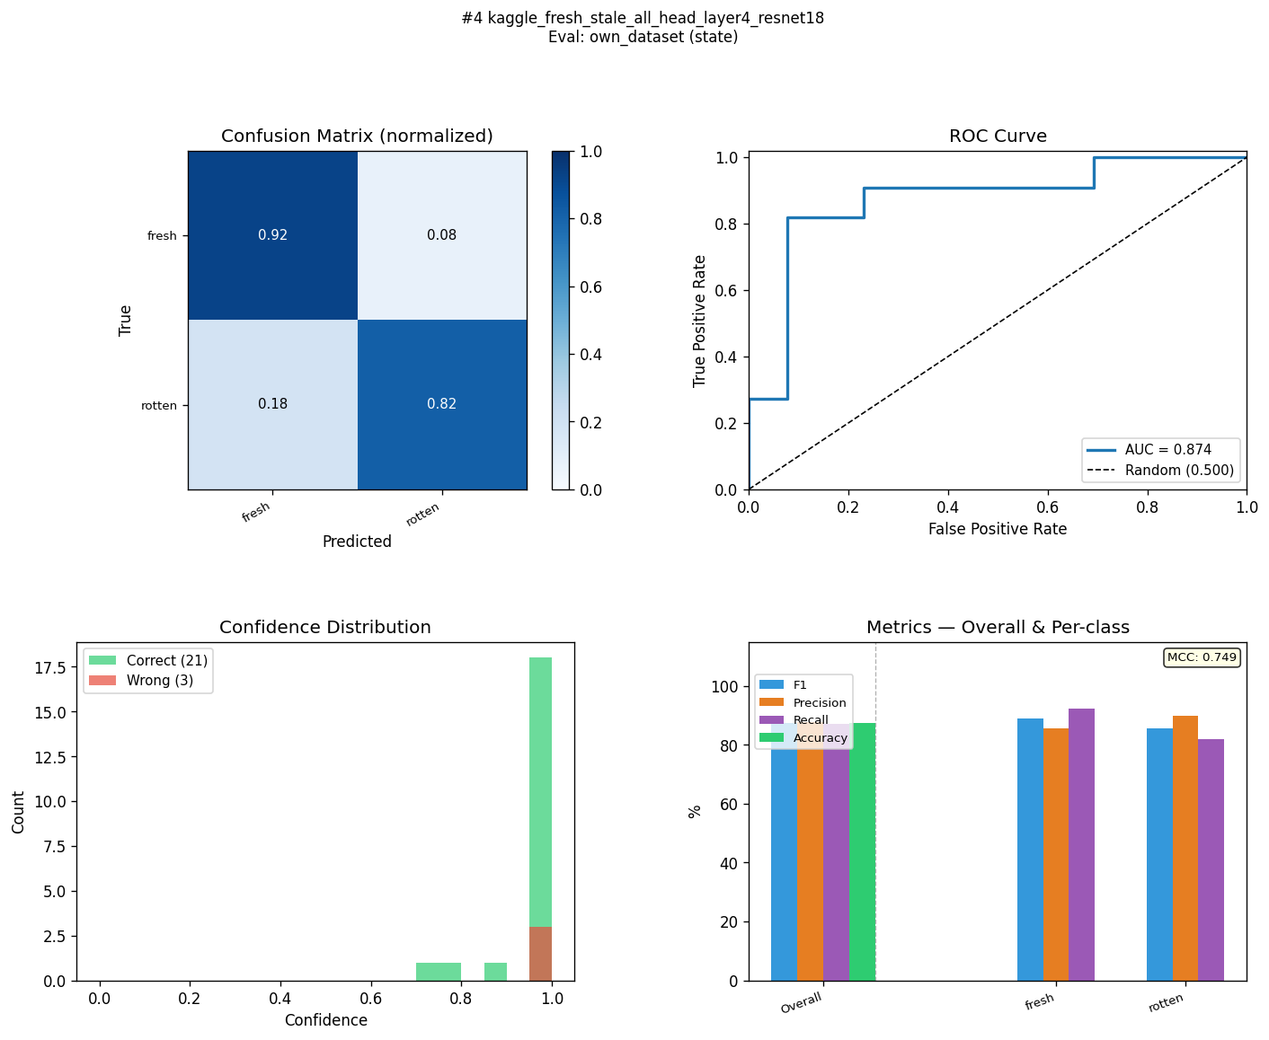
OWN-R18-C2-ST | kaggle_fruits_quality_all_layer4_resnet18 | state | 91.6 | 87.3 | 4.3 | 91.7 | 87.5 | 4.2 | 92.2 | 87.9 | 4.3 | 91.7 | 87.1 | 4.6 | 0.839 | 0.749 | 0.09 | 0.9468 | 0.9161 | 0.0307 | 232.98 | 86.3 | 77.1 | 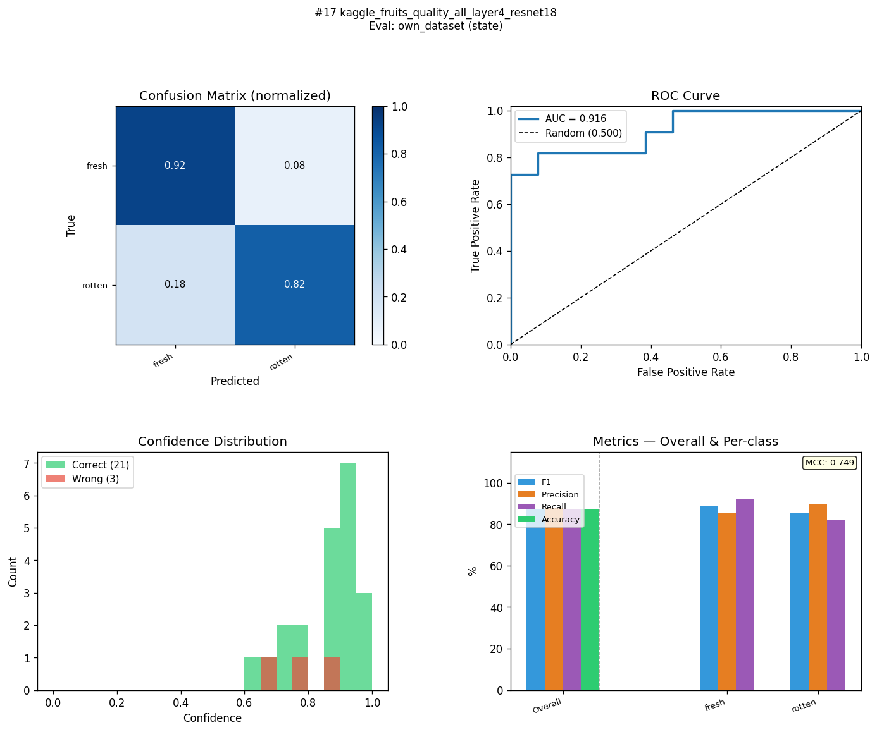
OWN-R18-C4-ST | mendeley_fruits_all_head_layer4_resnet18 | state | 96.4 | 87.3 | 9.1 | 96.4 | 87.5 | 8.9 | 96.5 | 87.9 | 8.6 | 96.4 | 87.1 | 9.3 | 0.929 | 0.749 | 0.18 | 0.9948 | 0.951 | 0.0438 | 235.32 | 95.3 | 91.9 | 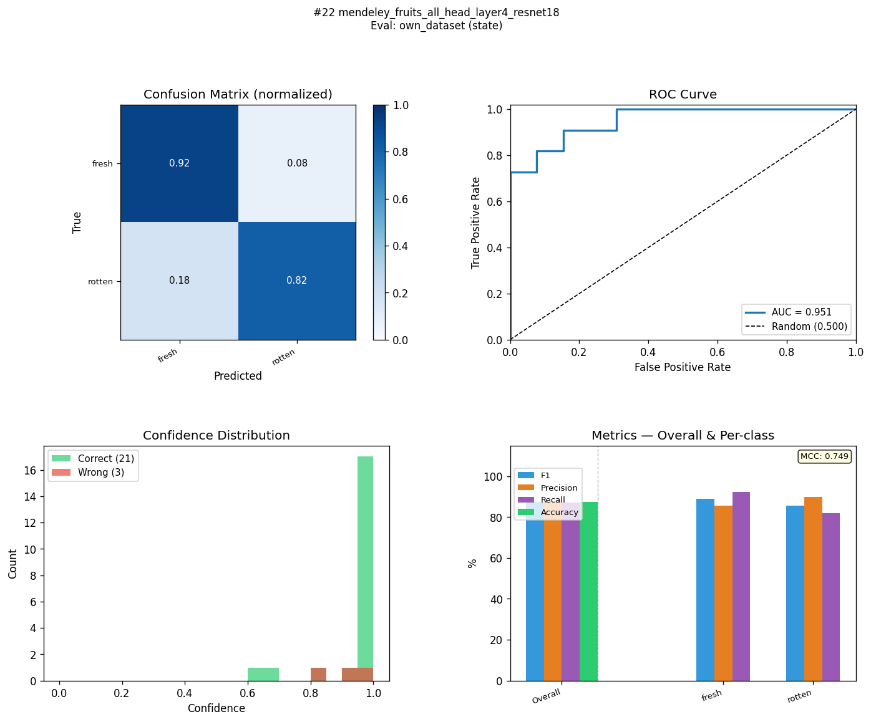
OWN-R18-C2-ST | mendeley_fruits_all_layer4_resnet18 | state | 95.5 | 87.3 | 8.2 | 95.5 | 87.5 | 8 | 95.7 | 87.9 | 7.8 | 95.5 | 87.1 | 8.4 | 0.912 | 0.749 | 0.163 | 0.9931 | 0.9441 | 0.049 | 230.34 | 94.9 | 89.5 | 
OWN-R18-C1-ST | kaggle_fresh_stale_all_frozen_resnet18 | state | 95 | 83.2 | 11.8 | 95 | 83.3 | 11.7 | 94.9 | 83.2 | 11.7 | 95 | 83.2 | 11.8 | 0.899 | 0.664 | 0.235 | 0.9862 | 0.8881 | 0.0981 | 229.98 | 93.9 | 87.9 | 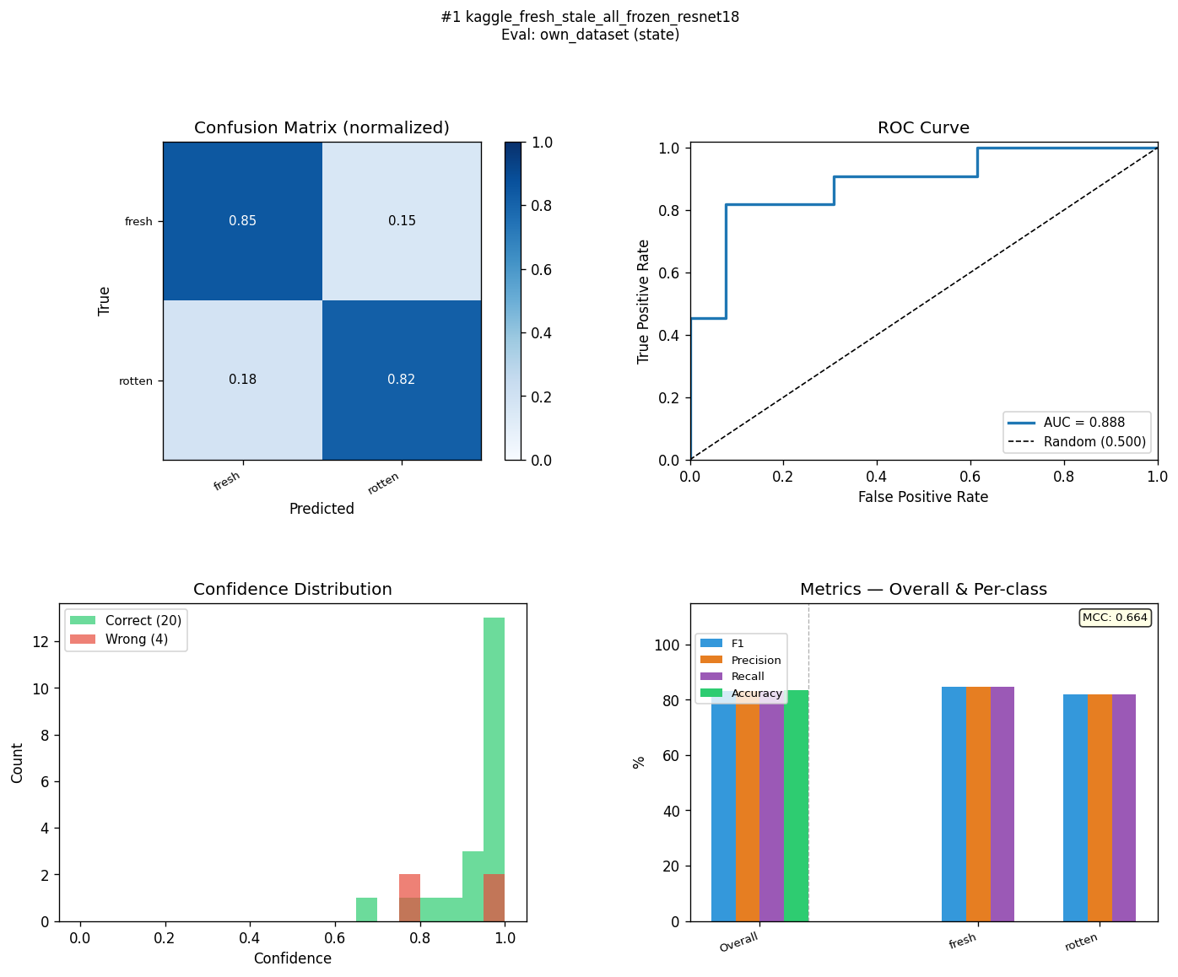
OWN-R18-C3-ST | kaggle_fresh_stale_all_head_frozen_resnet18 | state | 98 | 83.2 | 14.8 | 98 | 83.3 | 14.7 | 98 | 83.2 | 14.8 | 98 | 83.2 | 14.8 | 0.96 | 0.664 | 0.296 | 0.998 | 0.8951 | 0.1029 | 224.58 | 95.7 | 76.8 | 
OWN-R18-C4-ST | kaggle_fruits_quality_all_head_layer4_resnet18 | state | 88.9 | 83.2 | 5.7 | 88.9 | 83.3 | 5.6 | 89 | 83.2 | 5.8 | 88.9 | 83.2 | 5.7 | 0.789 | 0.664 | 0.125 | 0.9514 | 0.8741 | 0.0773 | 238.97 | 87.7 | 88.1 | 
OWN-R18-C3-ST | kaggle_fruits_quality_all_head_frozen_resnet18 | state | 86 | 82.9 | 3.1 | 86.1 | 83.3 | 2.8 | 87.1 | 84.4 | 2.7 | 86.1 | 82.5 | 3.6 | 0.732 | 0.669 | 0.063 | 0.9329 | 0.8322 | 0.1007 | 280.68 | 89.1 | 89.1 | 
OWN-R18-C1-ST | kaggle_fruits_fresh_rotten_all_frozen_resnet18 | state | 97.6 | 79.1 | 18.5 | 97.6 | 79.2 | 18.4 | 97.5 | 79.2 | 18.3 | 97.7 | 79.4 | 18.3 | 0.952 | 0.585 | 0.367 | 0.9969 | 0.8462 | 0.1507 | 283 | 96.2 | 85 | 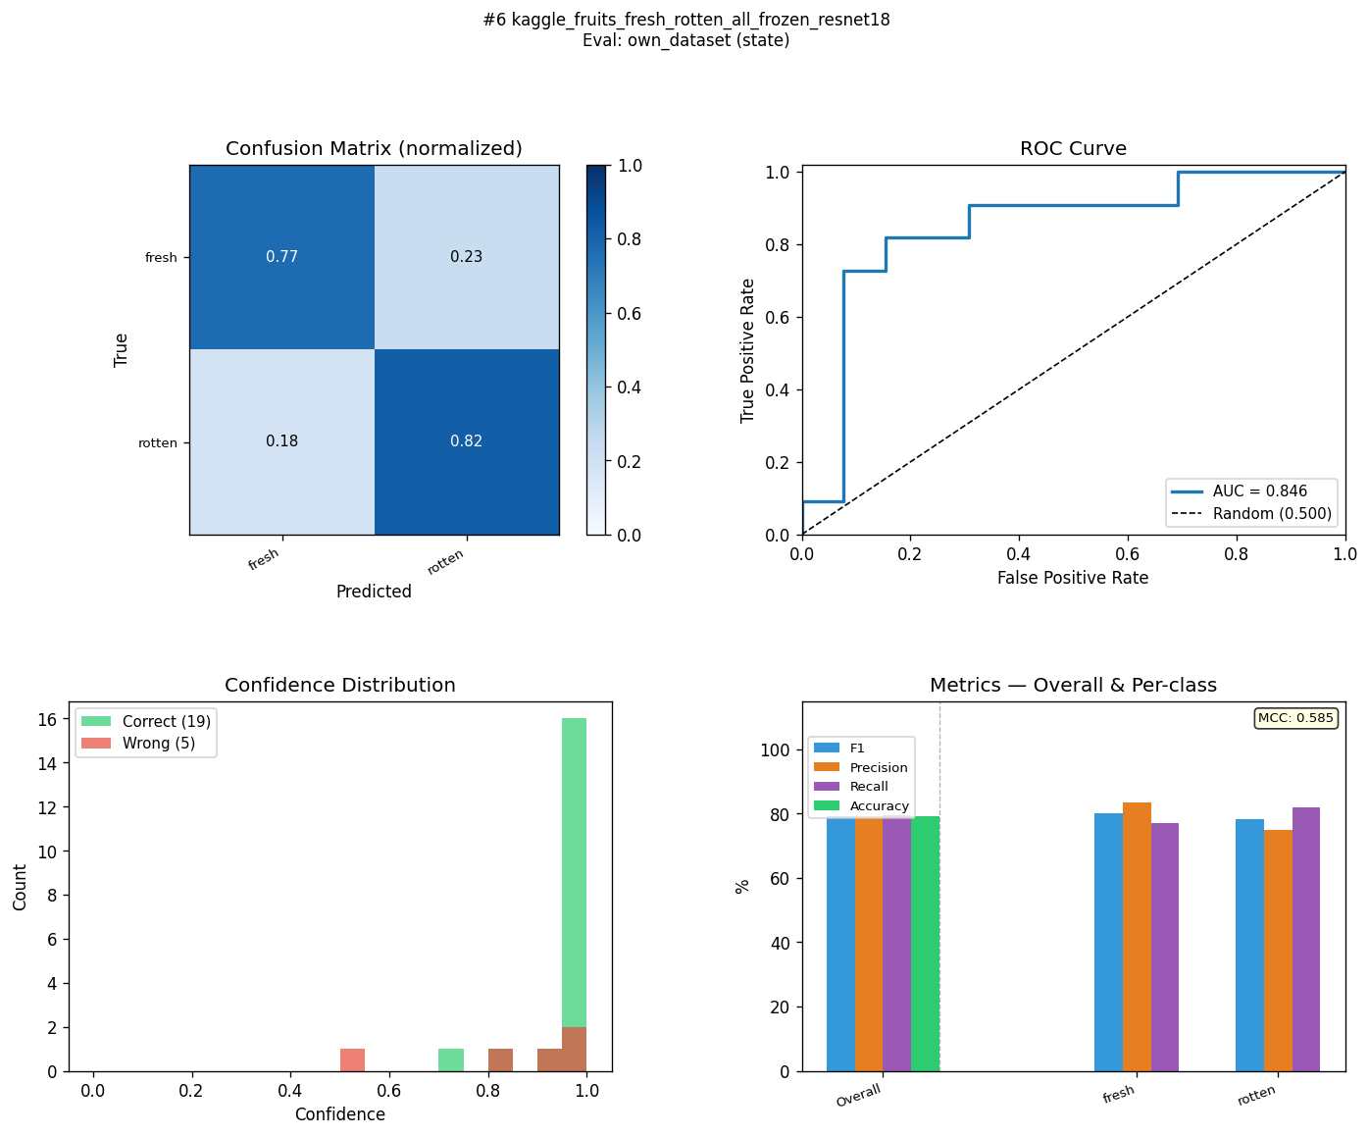
OWN-R18-C2-ST | kaggle_fresh_stale_all_layer4_resnet18 | state | 98.9 | 78.8 | 20.1 | 98.9 | 79.2 | 19.7 | 98.8 | 79.3 | 19.5 | 98.9 | 78.7 | 20.2 | 0.978 | 0.58 | 0.398 | 0.9994 | 0.8811 | 0.1183 | 288.6 | 96 | 81.2 | 
OWN-R18-C3-ST | kaggle_fruits_fresh_rotten_all_head_frozen_resnet18 | state | 99.4 | 78.8 | 20.6 | 99.4 | 79.2 | 20.2 | 99.3 | 79.3 | 20 | 99.4 | 78.7 | 20.7 | 0.987 | 0.58 | 0.407 | 0.9994 | 0.8322 | 0.1672 | 282.34 | 97.1 | 89.4 | 
OWN-R18-C3-ST | mendeley_fruits_all_head_frozen_resnet18 | state | 95.2 | 78.8 | 16.4 | 95.2 | 79.2 | 16 | 95.2 | 79.3 | 15.9 | 95.2 | 78.7 | 16.5 | 0.904 | 0.58 | 0.324 | 0.9901 | 0.8671 | 0.123 | 262.58 | 93.5 | 85.4 | 
OWN-R18-C1-ST | mendeley_fruits_all_frozen_resnet18 | state | 94.3 | 78.2 | 16.1 | 94.3 | 79.2 | 15.1 | 94.5 | 81.2 | 13.3 | 94.3 | 78 | 16.3 | 0.888 | 0.591 | 0.297 | 0.9816 | 0.8951 | 0.0865 | 256.96 | 92.9 | 75.5 | 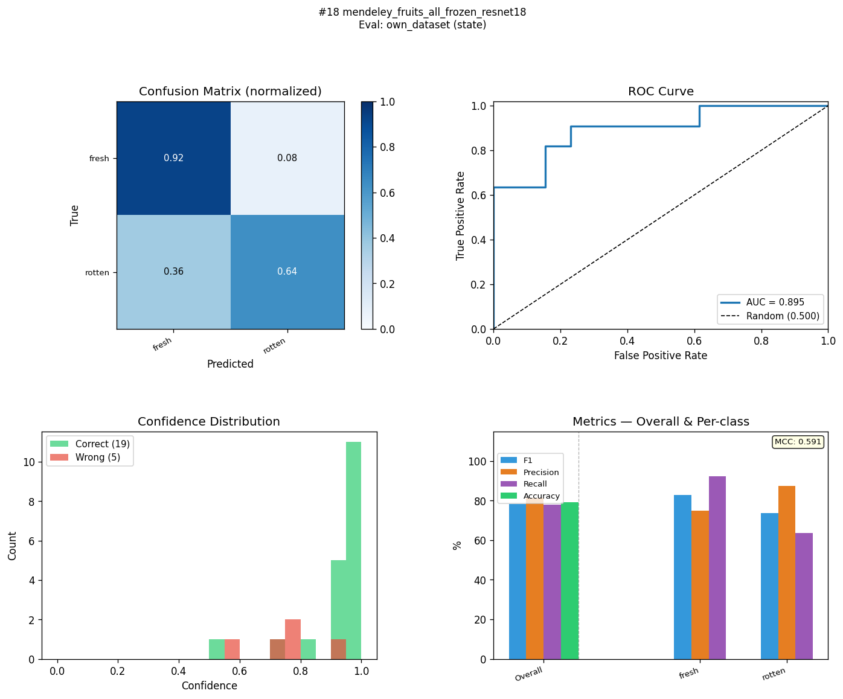
OWN-R18-C2-ST | kaggle_fruits_fresh_rotten_all_layer4_resnet18 | state | 99.8 | 75 | 24.8 | 99.8 | 75 | 24.8 | 99.8 | 75.5 | 24.3 | 99.8 | 75.5 | 24.3 | 0.996 | 0.51 | 0.486 | 1 | 0.8252 | 0.1748 | 279.93 | 96.7 | 90.2 | 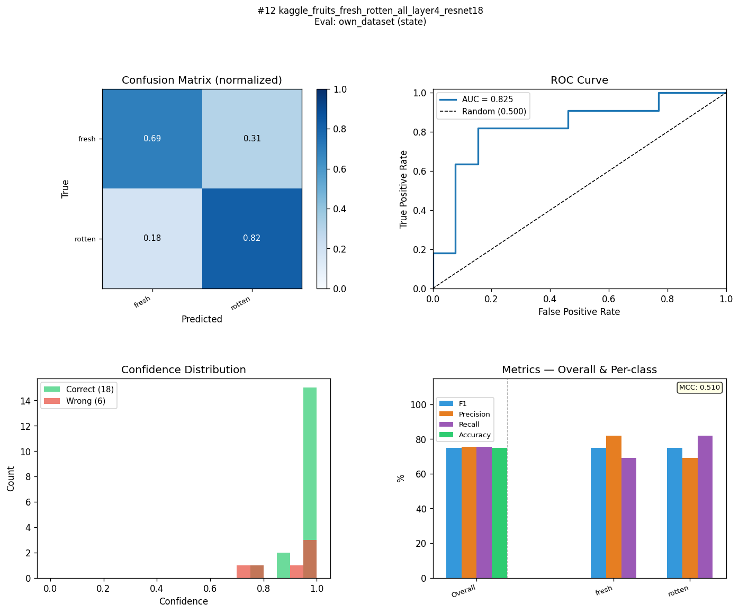
OWN-R18-C4-ST | kaggle_fruits_fresh_rotten_all_head_layer4_resnet18 | state | 99.8 | 70.8 | 29 | 99.8 | 70.8 | 29 | 99.8 | 70.8 | 29 | 99.8 | 71 | 28.8 | 0.996 | 0.418 | 0.578 | 1 | 0.7902 | 0.2098 | 279.12 | 92.3 | 83.8 | 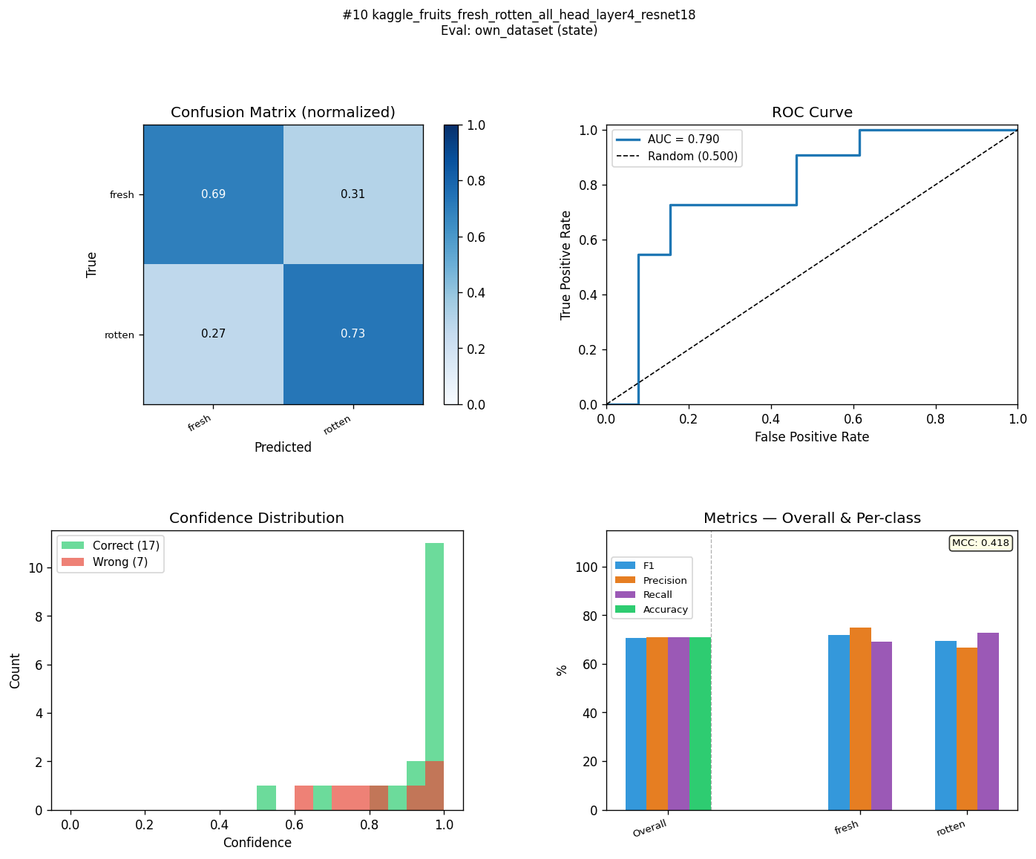
OWN-R18-C3-ST | mendeley_lemon_varieties_all_head_frozen_resnet18 | state | 96.2 | 70.8 | 25.4 | 96.2 | 70.8 | 25.4 | 96.3 | 70.8 | 25.5 | 96.2 | 71 | 25.2 | 0.925 | 0.418 | 0.507 | 0.9958 | 0.8392 | 0.1566 | 283.96 | 87.7 | 72.1 | 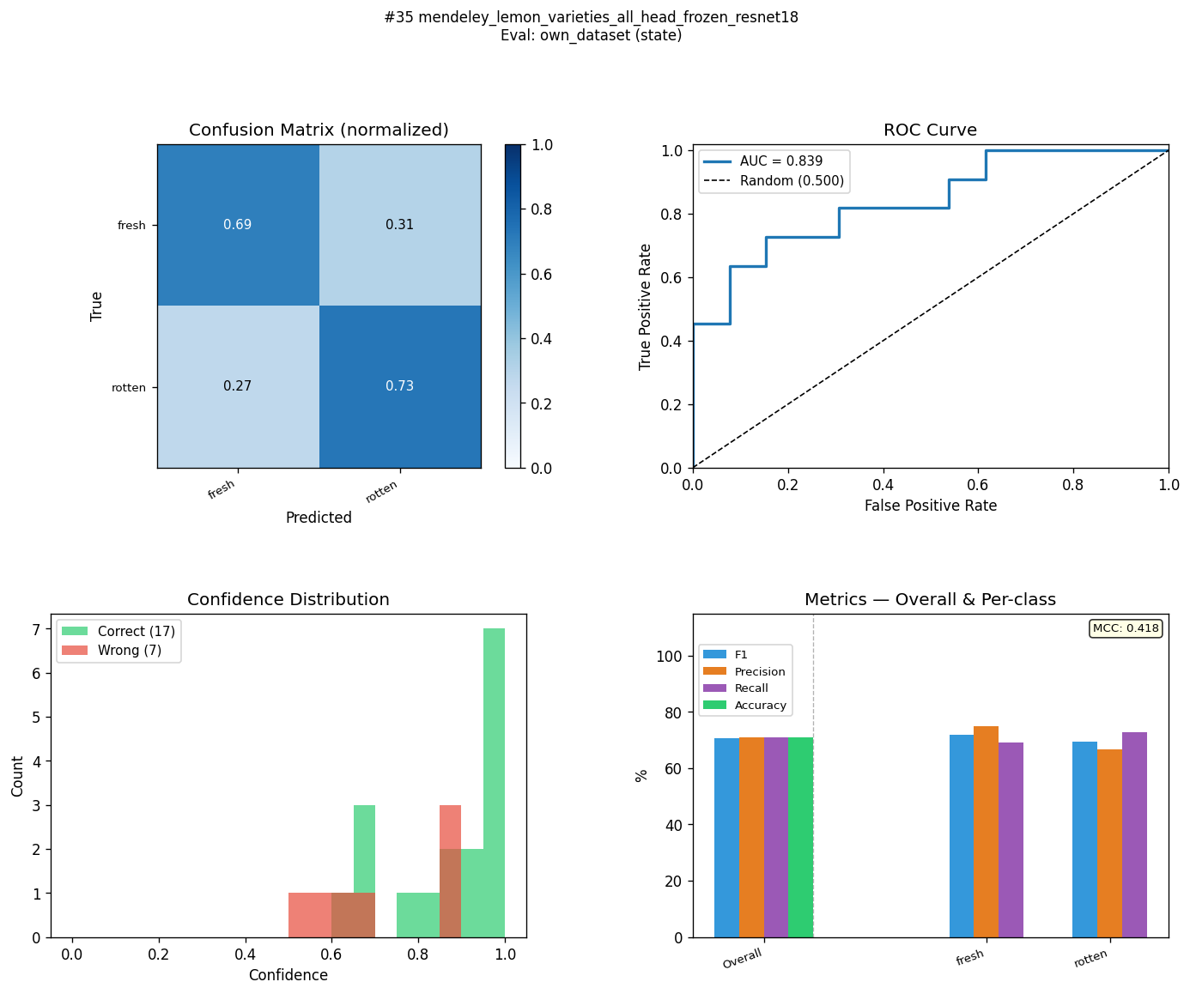
OWN-R18-C1-ST | mendeley_lemon_varieties_all_frozen_resnet18 | state | 96.2 | 59.7 | 36.5 | 96.2 | 66.7 | 29.5 | 96.3 | 81 | 15.3 | 96.2 | 63.6 | 32.6 | 0.925 | 0.411 | 0.514 | 0.9916 | 0.8671 | 0.1245 | 257.77 | 89.7 | 78.9 | 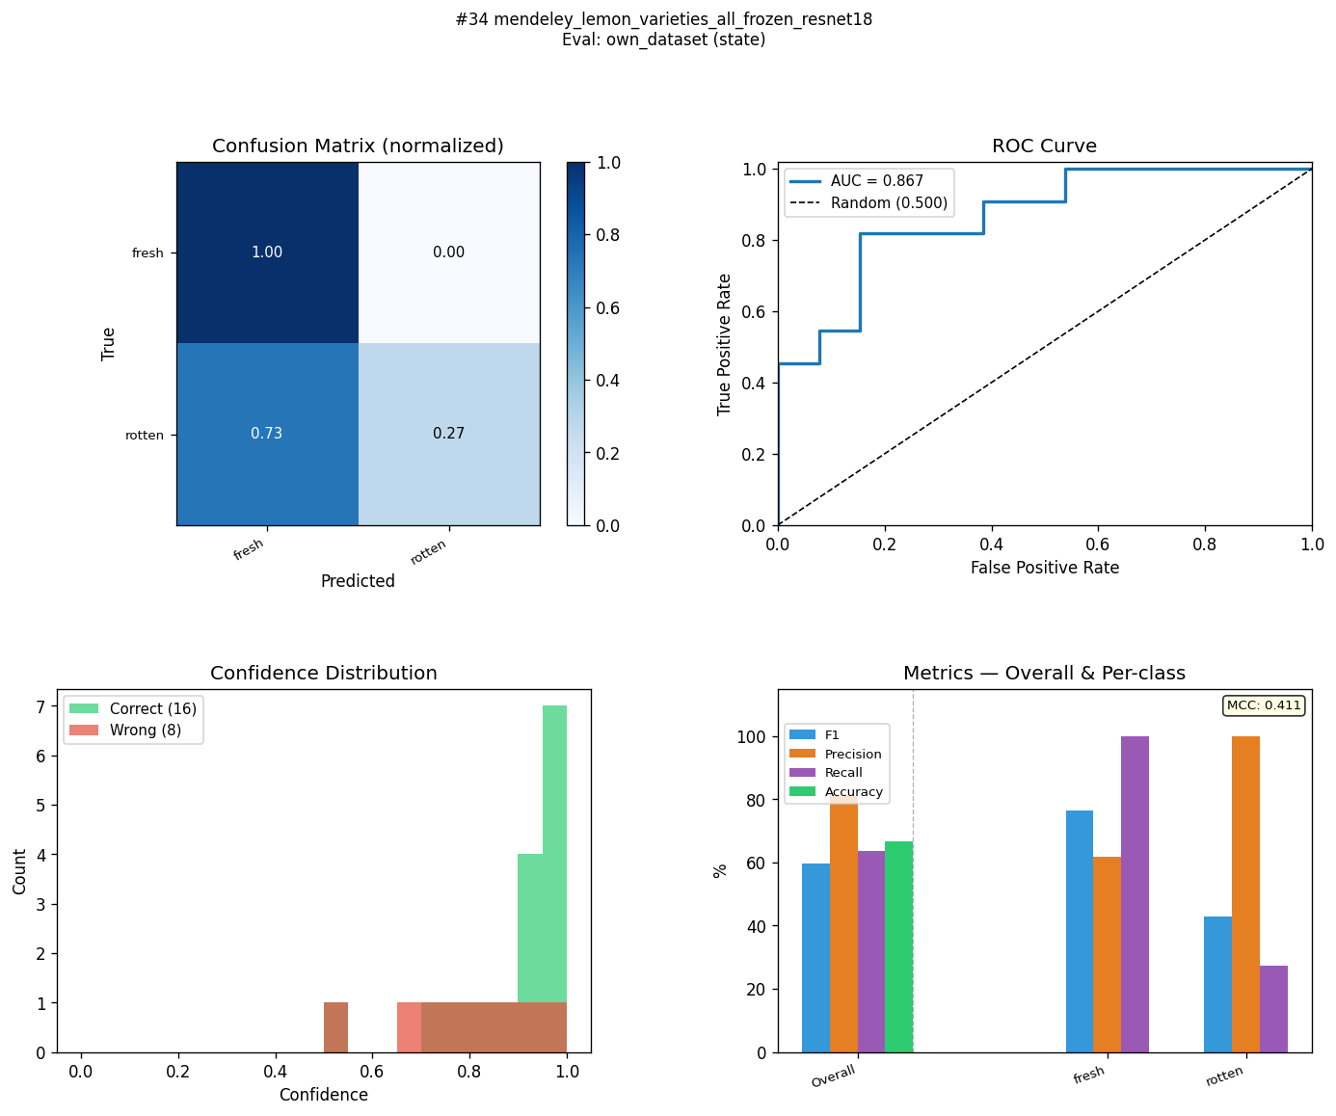
OWN-R18-C1-ST | kaggle_fruits_quality_all_frozen_resnet18 | state | 86.1 | 58 | 28.1 | 86.1 | 58.3 | 27.8 | 86.2 | 60 | 26.2 | 86.1 | 59.4 | 26.7 | 0.732 | 0.194 | 0.538 | 0.9136 | 0.8531 | 0.0605 | 283.42 | 77.1 | 57.6 | 