kaggle_fruits_fresh_rotten (fruit_state)
ID | Model | Label Mode | F1 Train (%) | F1 Eval (%) | F1 Drop (%) | Acc Train (%) | Acc Eval (%) | Acc Drop (%) | Prec Train (%) | Prec Eval (%) | Prec Drop (%) | Rec Train (%) | Rec Eval (%) | Rec Drop (%) | MCC Train | MCC Eval | MCC Drop | AUC Train | AUC Eval | AUC Drop | ms/img | Conf Correct (%) | Conf Wrong (%)
KFR-EB0-C3-FS | kaggle_fruits_fresh_rotten_all_head_frozen_efficientnet_b0_fs | fruit_state | 100 | 100 | 0 | 100 | 100 | 0 | 100 | 100 | 0 | 100 | 100 | 0 | 1 | 1 | 0 | 1 | 1 | 0 | 8.78 | 99.8 | n/a | 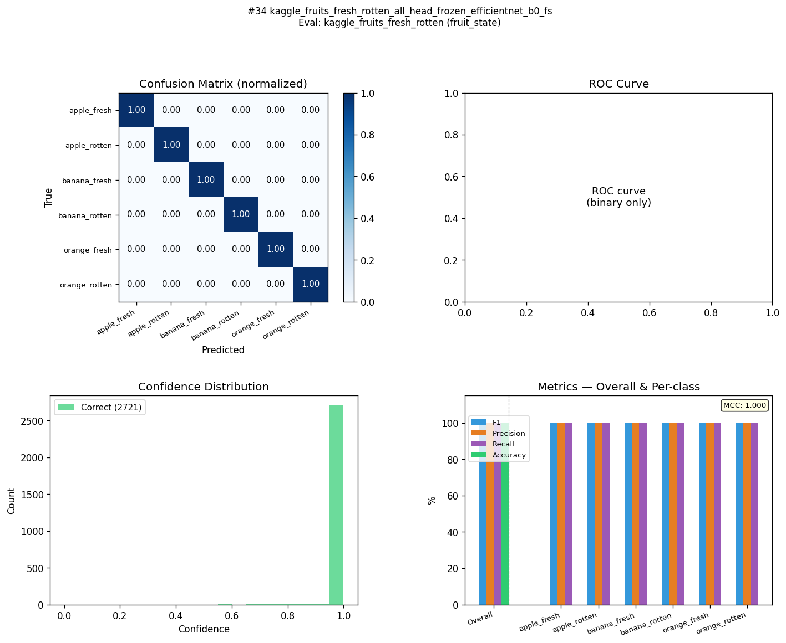
KFR-EB2-C3-FS | kaggle_fruits_fresh_rotten_all_head_frozen_efficientnet_b2_fs | fruit_state | 100 | 100 | 0 | 100 | 100 | 0 | 100 | 100 | 0 | 100 | 100 | 0 | 1 | 1 | 0 | 1 | 1 | 0 | 9.95 | 99.8 | 57.5 | 
KFR-MN3-C3-FS | kaggle_fruits_fresh_rotten_all_head_frozen_mobilenet_v3_small_fs | fruit_state | 100 | 100 | 0 | 100 | 100 | 0 | 100 | 100 | 0 | 100 | 100 | 0 | 1 | 1 | 0 | 1 | 1 | 0 | 8.34 | 99.9 | n/a | 
KFR-EB0-C1-FS | kaggle_fruits_fresh_rotten_all_frozen_efficientnet_b0_fs | fruit_state | 99.7 | 99.7 | 0 | 99.7 | 99.7 | 0 | 99.7 | 99.7 | 0 | 99.7 | 99.7 | 0 | 0.996 | 0.996 | 0 | 1 | 1 | 0 | 8.83 | 98.9 | 60 | 
KFR-R18-C4-FS | kaggle_fruits_fresh_rotten_all_head_layer4_resnet18_fs | fruit_state | 99.6 | 99.7 | -0.1 | 99.6 | 99.6 | 0 | 99.6 | 99.6 | 0 | 99.7 | 99.7 | 0 | 0.996 | 0.996 | 0 | 1 | 1 | 0 | 8.16 | 99.7 | 78 | 
KFR-EB2-C1-FS | kaggle_fruits_fresh_rotten_all_frozen_efficientnet_b2_fs | fruit_state | 99.5 | 99.5 | 0 | 99.5 | 99.5 | 0 | 99.5 | 99.5 | 0 | 99.5 | 99.5 | 0 | 0.994 | 0.994 | 0 | 1 | 1 | 0 | 14.96 | 98.8 | 76.5 | 
KFR-EB0-C4-FS | kaggle_fruits_fresh_rotten_all_head_layer4_efficientnet_b0_fs | fruit_state | 99.5 | 99.5 | 0 | 99.4 | 99.5 | -0.1 | 99.4 | 99.4 | 0 | 99.5 | 99.5 | 0 | 0.993 | 0.993 | 0 | 1 | 1 | 0 | 8.64 | 99.5 | 72 | 
KFR-R18-C2-FS | kaggle_fruits_fresh_rotten_all_layer4_resnet18_fs | fruit_state | 99.5 | 99.5 | 0 | 99.4 | 99.5 | -0.1 | 99.4 | 99.4 | 0 | 99.5 | 99.5 | 0 | 0.993 | 0.993 | 0 | 1 | 1 | 0 | 7.86 | 99.6 | 72.2 | 
KFR-R18-C3-FS | kaggle_fruits_fresh_rotten_all_head_frozen_resnet18_fs | fruit_state | 99.4 | 99.4 | 0 | 99.4 | 99.4 | 0 | 99.4 | 99.4 | 0 | 99.4 | 99.5 | -0.1 | 0.993 | 0.993 | 0 | 0.9999 | 0.9999 | 0 | 8.25 | 99.5 | 78.2 | 
KFR-EB2-C4-FS | kaggle_fruits_fresh_rotten_all_head_layer4_efficientnet_b2_fs | fruit_state | 99.4 | 99.4 | 0 | 99.4 | 99.4 | 0 | 99.3 | 99.3 | 0 | 99.4 | 99.4 | 0 | 0.992 | 0.993 | -0.001 | 1 | 1 | 0 | 9.24 | 99.4 | 71.5 | 
KFR-MN3-C4-FS | kaggle_fruits_fresh_rotten_all_head_layer4_mobilenet_v3_small_fs | fruit_state | 99.2 | 99.2 | 0 | 99.2 | 99.2 | 0 | 99.3 | 99.2 | 0.1 | 99.2 | 99.2 | 0 | 0.991 | 0.991 | 0 | 0.9999 | 0.9999 | 0 | 7.55 | 99.2 | 67.5 | 
KFR-EB0-C2-FS | kaggle_fruits_fresh_rotten_all_layer4_efficientnet_b0_fs | fruit_state | 98.7 | 98.8 | -0.1 | 98.8 | 98.8 | 0 | 98.7 | 98.7 | 0 | 98.8 | 98.9 | -0.1 | 0.985 | 0.985 | 0 | 0.9998 | 0.9998 | 0 | 8.4 | 98 | 71.3 | 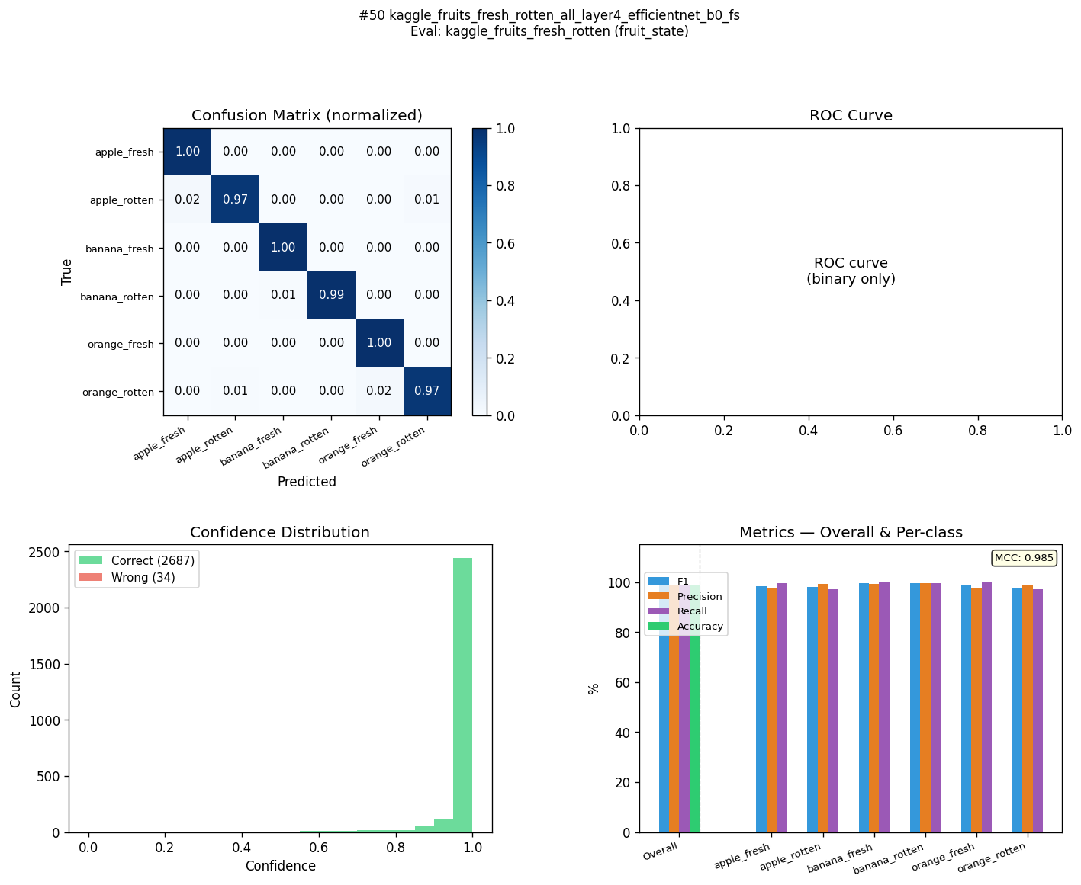
KFR-MN3-C1-FS | kaggle_fruits_fresh_rotten_all_frozen_mobilenet_v3_small_fs | fruit_state | 98.7 | 98.7 | 0 | 98.8 | 98.8 | 0 | 98.8 | 98.8 | 0 | 98.7 | 98.7 | 0 | 0.985 | 0.985 | 0 | 0.9999 | 0.9999 | 0 | 8.25 | 98.9 | 69.7 | 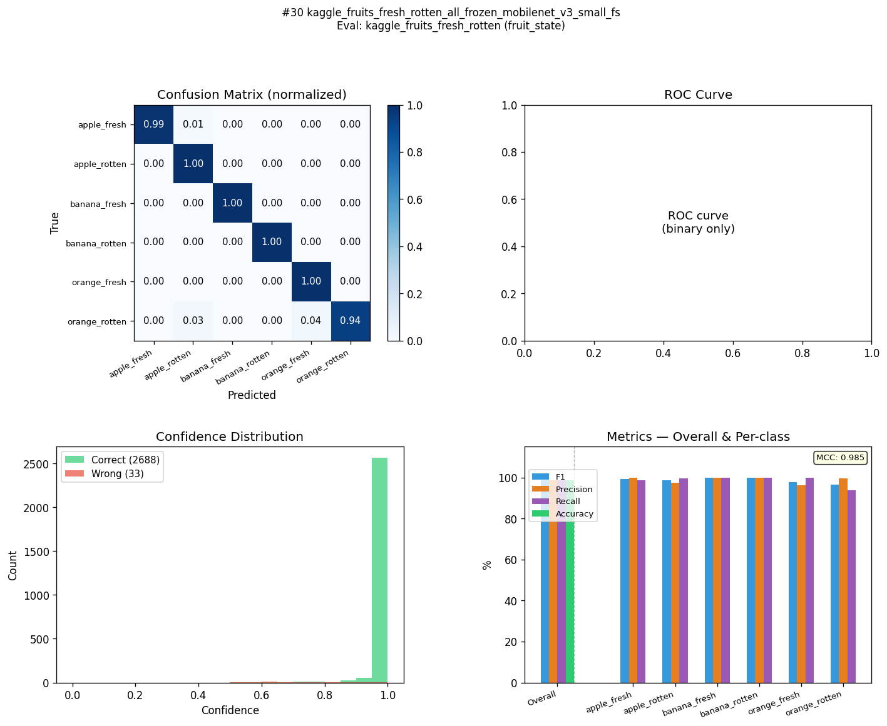
KFR-EB2-C2-FS | kaggle_fruits_fresh_rotten_all_layer4_efficientnet_b2_fs | fruit_state | 98.5 | 98.5 | 0 | 98.5 | 98.5 | 0 | 98.5 | 98.5 | 0 | 98.4 | 98.4 | 0 | 0.982 | 0.982 | 0 | 0.9998 | 0.9998 | 0 | 9.3 | 97.6 | 68.2 | 
KFR-R18-C1-FS | kaggle_fruits_fresh_rotten_all_frozen_resnet18_fs | fruit_state | 97.8 | 97.8 | 0 | 97.8 | 97.8 | 0 | 97.8 | 97.8 | 0 | 97.8 | 97.8 | 0 | 0.974 | 0.974 | 0 | 0.9995 | 0.9995 | 0 | 8.11 | 98 | 70.5 | 
KFR-MN3-C2-FS | kaggle_fruits_fresh_rotten_all_layer4_mobilenet_v3_small_fs | fruit_state | 97.3 | 97.2 | 0.1 | 97.3 | 97.3 | 0 | 97.4 | 97.4 | 0 | 97.2 | 97.2 | 0 | 0.968 | 0.968 | 0 | 0.9989 | 0.9988 | 0.0001 | 7.85 | 97.2 | 70.1 | 

mendeley_fruits (fruit_state)
ID | Model | Label Mode | F1 Train (%) | F1 Eval (%) | F1 Drop (%) | Acc Train (%) | Acc Eval (%) | Acc Drop (%) | Prec Train (%) | Prec Eval (%) | Prec Drop (%) | Rec Train (%) | Rec Eval (%) | Rec Drop (%) | MCC Train | MCC Eval | MCC Drop | AUC Train | AUC Eval | AUC Drop | ms/img | Conf Correct (%) | Conf Wrong (%)
MFR-EB0-C3-FS | mendeley_fruits_all_head_frozen_efficientnet_b0_fs | fruit_state | 95.7 | 95.7 | 0 | 95.8 | 95.8 | 0 | 96 | 96 | 0 | 95.6 | 95.6 | 0 | 0.949 | 0.949 | 0 | 0.9988 | 0.9983 | 0.0005 | 54.52 | 97 | 77.9 | 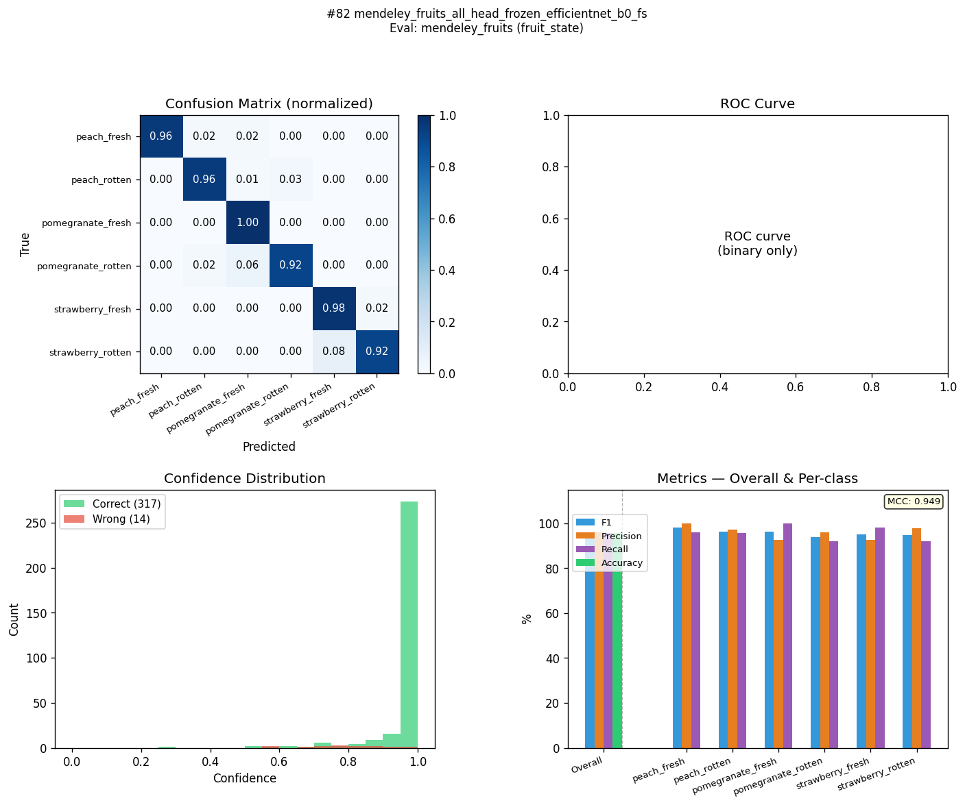
MFR-MN3-C3-FS | mendeley_fruits_all_head_frozen_mobilenet_v3_small_fs | fruit_state | 95.2 | 95.2 | 0 | 95.5 | 95.5 | 0 | 95.4 | 95.4 | 0 | 95.2 | 95.2 | 0 | 0.946 | 0.946 | 0 | 0.9978 | 0.9977 | 0.0001 | 54.73 | 97.9 | 74.4 | 
MFR-R18-C3-FS | mendeley_fruits_all_head_frozen_resnet18_fs | fruit_state | 94.1 | 94.1 | 0 | 94.3 | 94.3 | 0 | 94.1 | 94.1 | 0 | 94.2 | 94.2 | 0 | 0.931 | 0.931 | 0 | 0.9961 | 0.9961 | 0 | 54.21 | 92.9 | 76.3 | 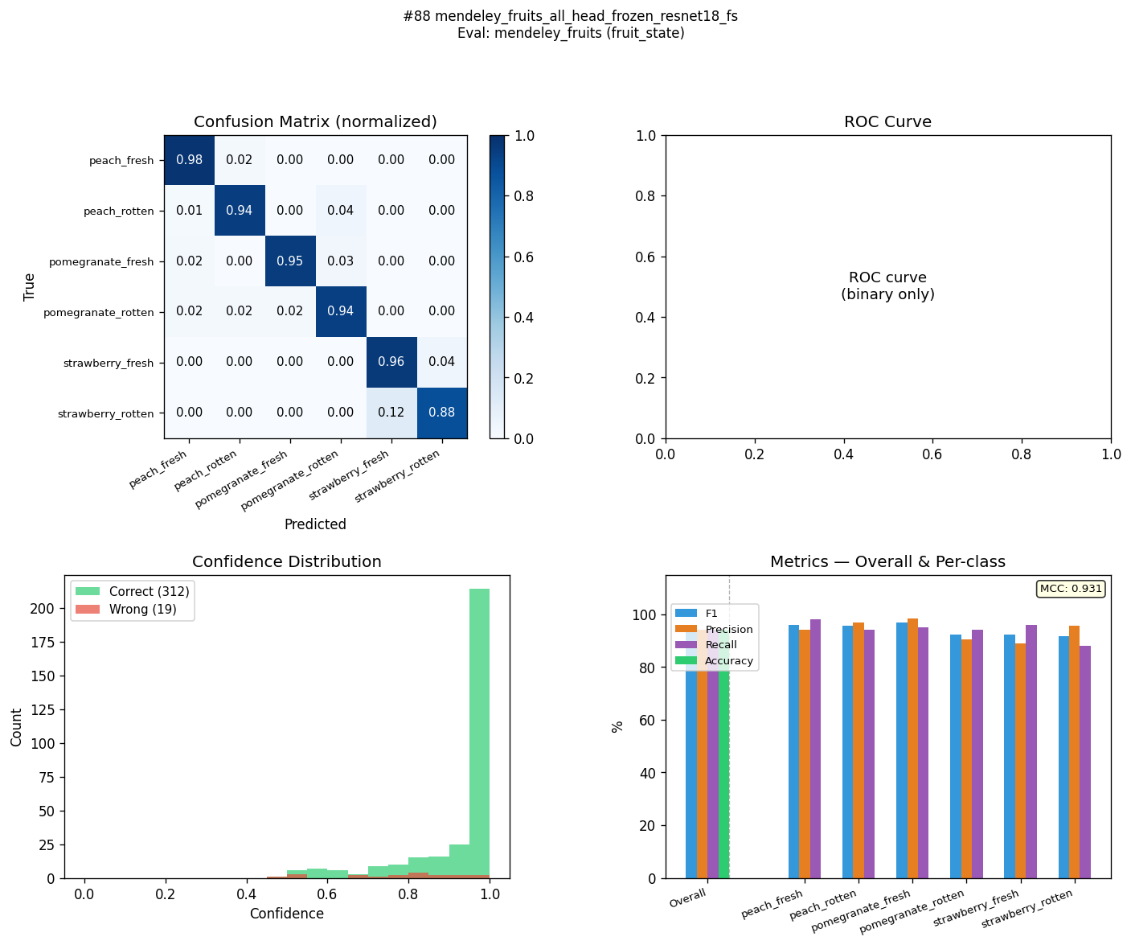
MFR-EB2-C3-FS | mendeley_fruits_all_head_frozen_efficientnet_b2_fs | fruit_state | 94 | 94 | 0 | 94 | 94 | 0 | 94.5 | 94.5 | 0 | 93.7 | 93.7 | 0 | 0.928 | 0.928 | 0 | 0.9979 | 0.9974 | 0.0005 | 56.66 | 96.4 | 72.2 | 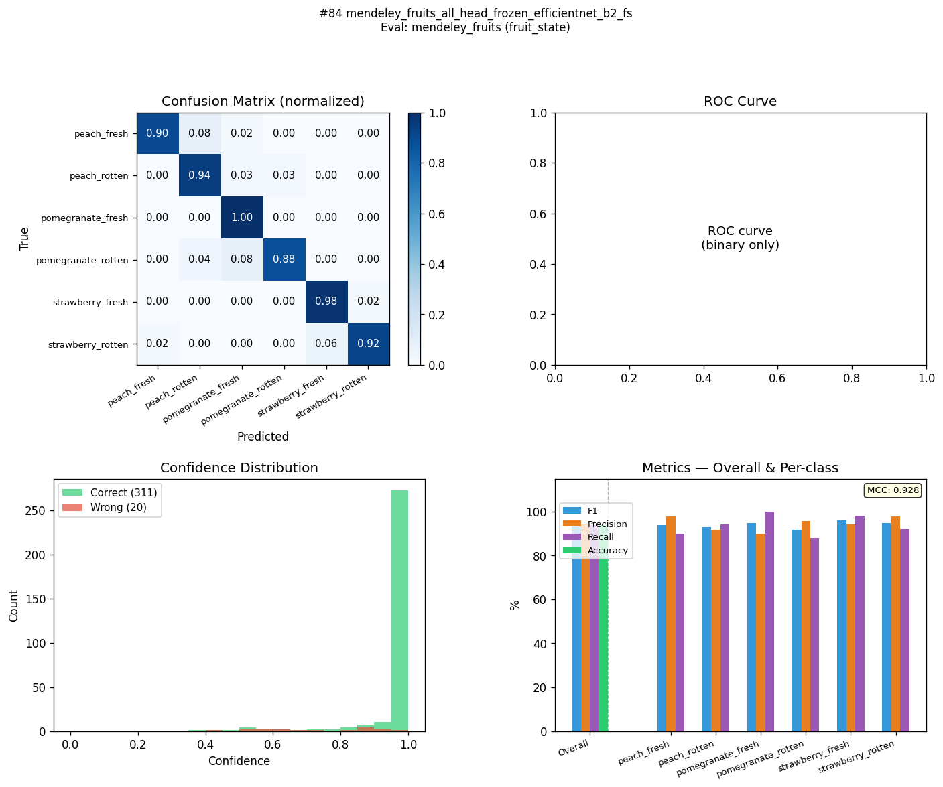
MFR-MN3-C4-FS | mendeley_fruits_all_head_layer4_mobilenet_v3_small_fs | fruit_state | 93.8 | 93.8 | 0 | 94 | 94 | 0 | 94.1 | 94.1 | 0 | 93.7 | 93.7 | 0 | 0.927 | 0.927 | 0 | 0.9947 | 0.9945 | 0.0002 | 52.99 | 92.5 | 74.5 | 
MFR-EB0-C1-FS | mendeley_fruits_all_frozen_efficientnet_b0_fs | fruit_state | 93.4 | 93.4 | 0 | 93.4 | 93.3 | 0.1 | 93.6 | 93.6 | 0 | 93.5 | 93.5 | 0 | 0.921 | 0.921 | 0 | 0.9969 | 0.9969 | 0 | 58.25 | 91.4 | 63.9 | 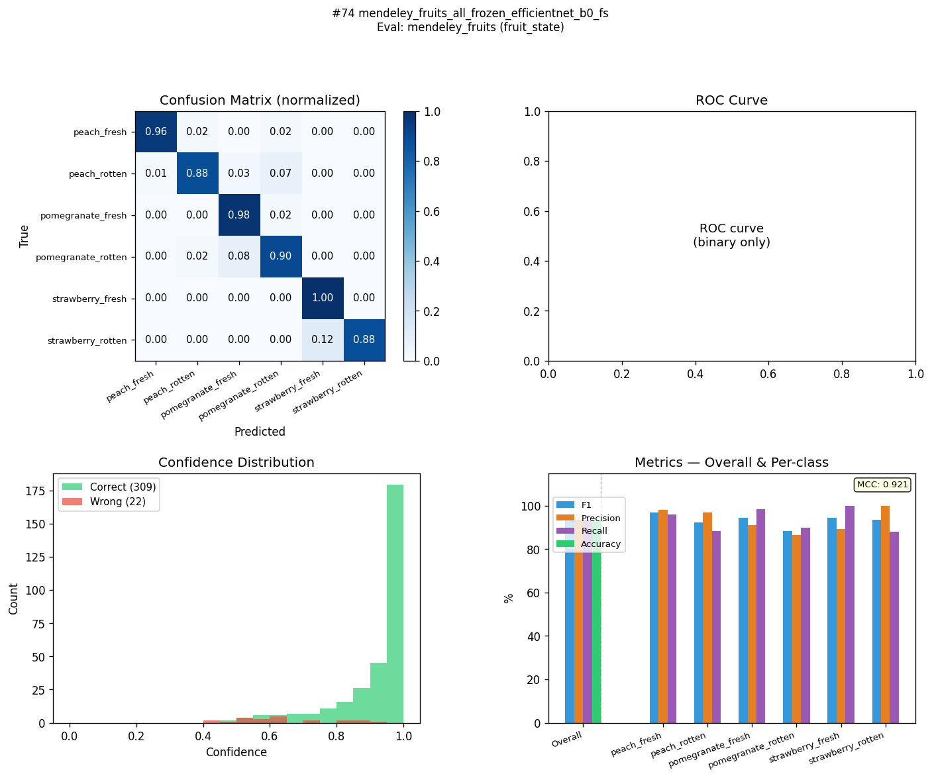
MFR-R18-C4-FS | mendeley_fruits_all_head_layer4_resnet18_fs | fruit_state | 93.4 | 93.3 | 0.1 | 93.4 | 93.3 | 0.1 | 93.4 | 93.4 | 0 | 93.5 | 93.5 | 0 | 0.921 | 0.92 | 0.001 | 0.9969 | 0.9969 | 0 | 55.82 | 95.8 | 71.3 | 
MFR-MN3-C1-FS | mendeley_fruits_all_frozen_mobilenet_v3_small_fs | fruit_state | 93.1 | 93.1 | 0 | 93.4 | 93.3 | 0.1 | 93.5 | 93.5 | 0 | 93 | 93 | 0 | 0.92 | 0.92 | 0 | 0.9938 | 0.9937 | 0.0001 | 55.36 | 91.8 | 67 | 
MFR-EB2-C1-FS | mendeley_fruits_all_frozen_efficientnet_b2_fs | fruit_state | 92.8 | 92.8 | 0 | 92.7 | 92.8 | -0.1 | 93 | 93 | 0 | 92.8 | 92.8 | 0 | 0.913 | 0.913 | 0 | 0.9945 | 0.9943 | 0.0002 | 59.25 | 88.6 | 65.4 | 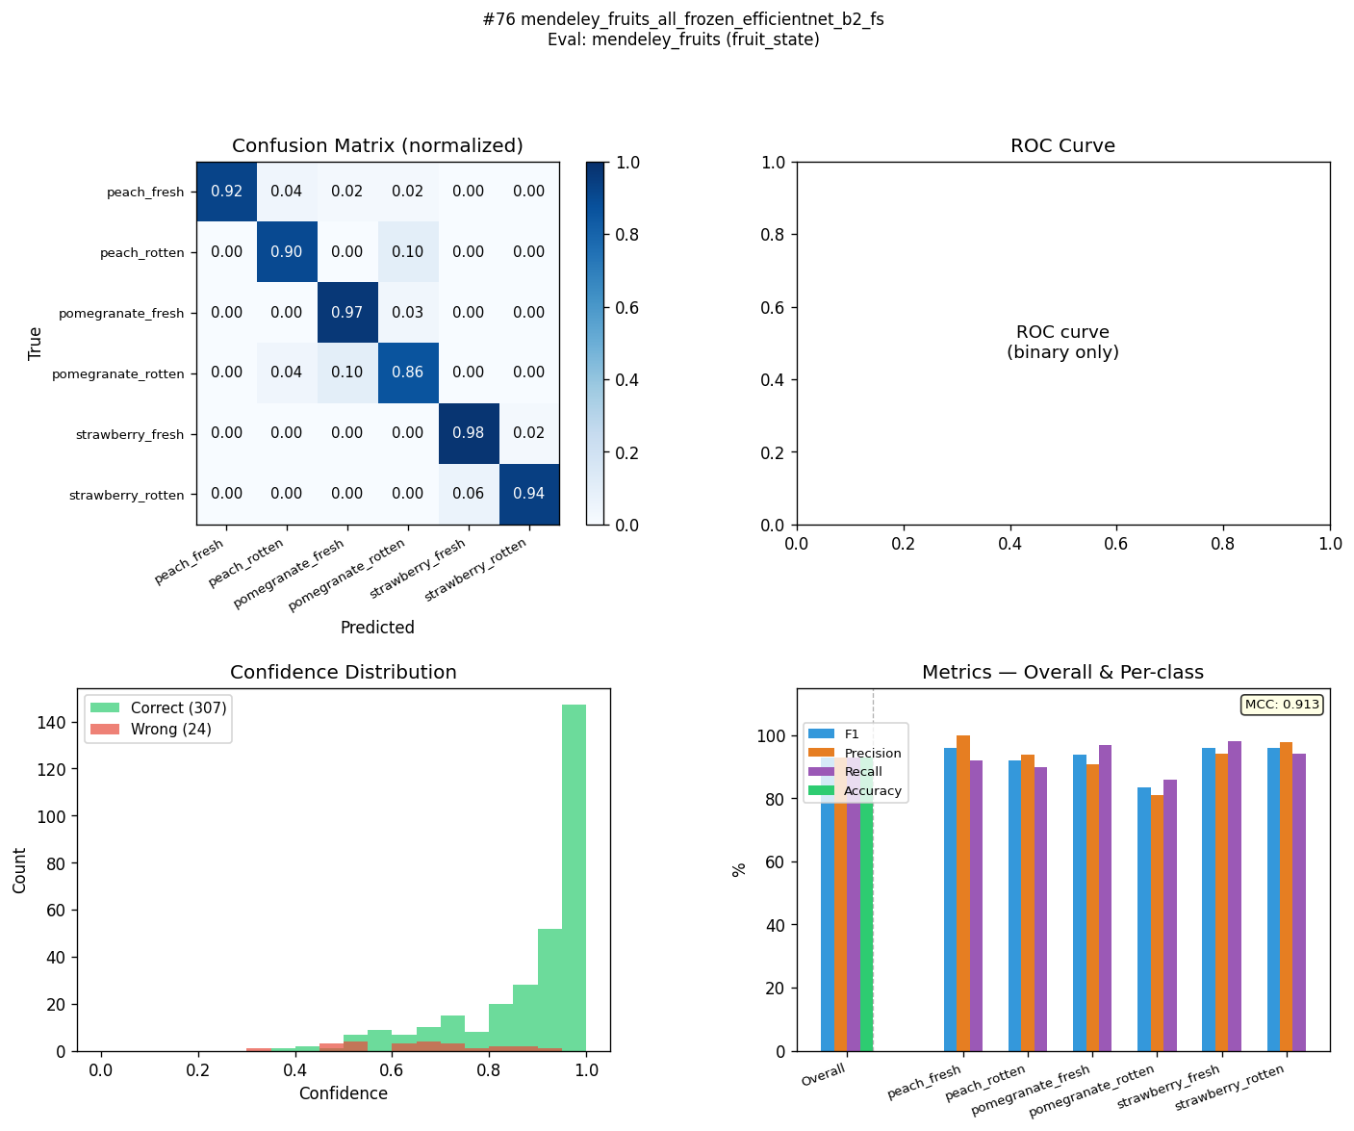
MFR-R18-C2-FS | mendeley_fruits_all_layer4_resnet18_fs | fruit_state | 92.7 | 92.7 | 0 | 92.7 | 92.8 | -0.1 | 92.8 | 92.8 | 0 | 92.9 | 92.9 | 0 | 0.913 | 0.913 | 0 | 0.9964 | 0.9963 | 0.0001 | 55.22 | 94.2 | 68.1 | 
MFR-R18-C1-FS | mendeley_fruits_all_frozen_resnet18_fs | fruit_state | 91 | 91 | 0 | 90.9 | 90.9 | 0 | 91.1 | 91.1 | 0 | 91.3 | 91.3 | 0 | 0.892 | 0.892 | 0 | 0.9924 | 0.9923 | 0.0001 | 54.1 | 89 | 67.7 | 
MFR-MN3-C2-FS | mendeley_fruits_all_layer4_mobilenet_v3_small_fs | fruit_state | 89.5 | 89.5 | 0 | 89.7 | 89.7 | 0 | 90.2 | 90.2 | 0 | 89.6 | 89.6 | 0 | 0.878 | 0.877 | 0.001 | 0.9896 | 0.9896 | 0 | 53.93 | 86.6 | 66.3 | 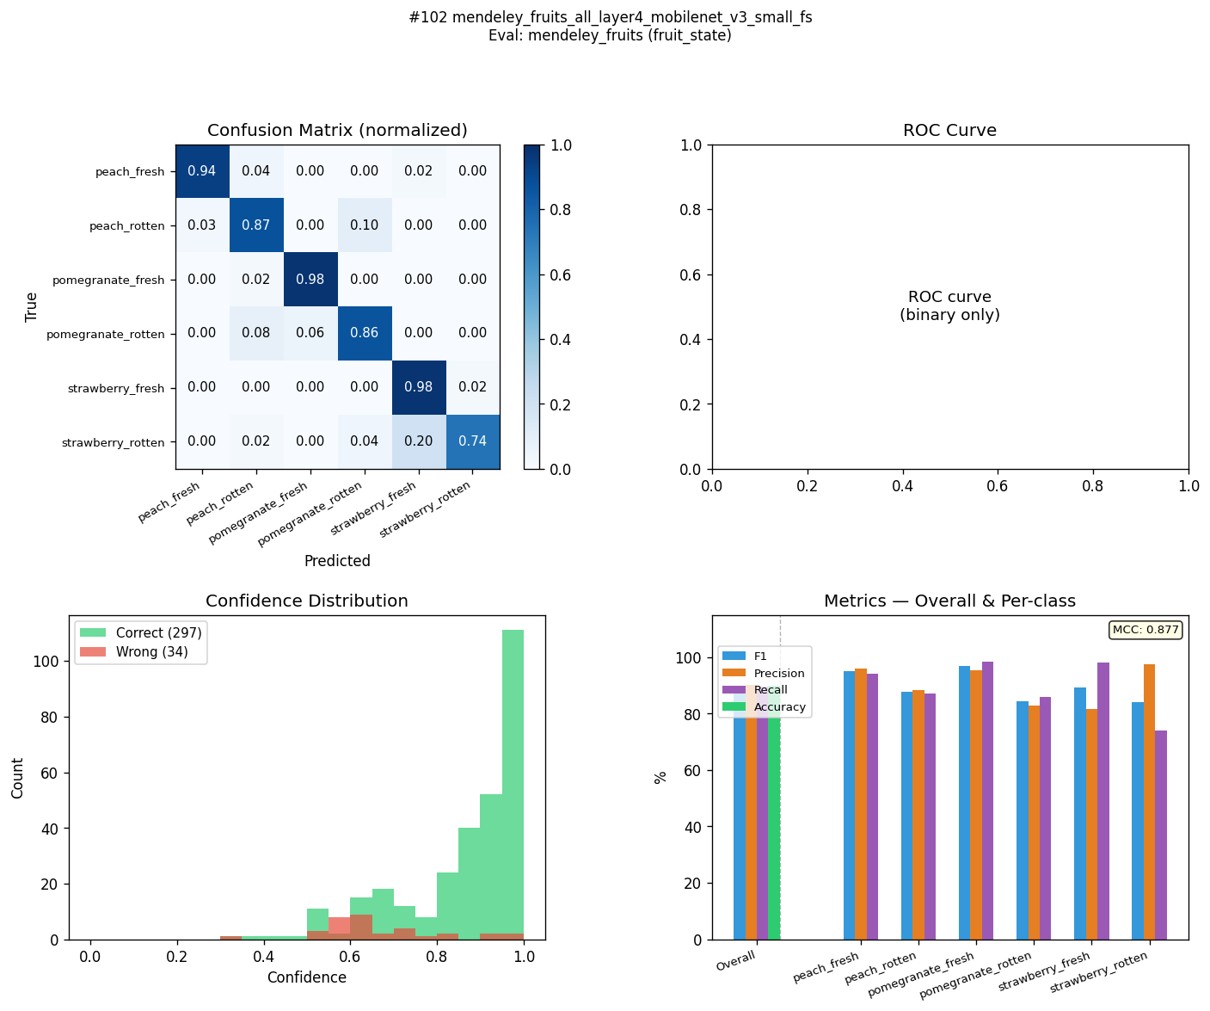
MFR-EB0-C4-FS | mendeley_fruits_all_head_layer4_efficientnet_b0_fs | fruit_state | 88.5 | 88.5 | 0 | 88.5 | 88.5 | 0 | 89.6 | 89.6 | 0 | 88.7 | 88.7 | 0 | 0.864 | 0.864 | 0 | 0.992 | 0.992 | 0 | 54.88 | 94.3 | 69.9 | 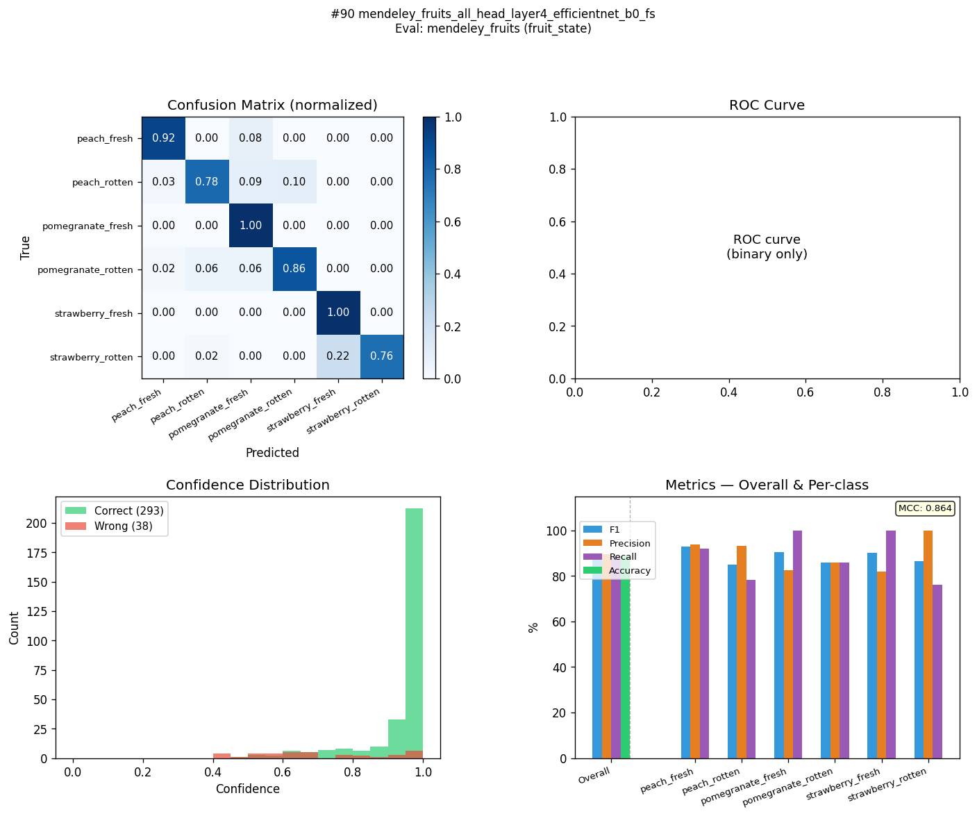
MFR-EB2-C4-FS | mendeley_fruits_all_head_layer4_efficientnet_b2_fs | fruit_state | 84.7 | 84.7 | 0 | 85.2 | 85.2 | 0 | 85.3 | 85.3 | 0 | 84.7 | 84.7 | 0 | 0.823 | 0.823 | 0 | 0.9808 | 0.9808 | 0 | 54.8 | 89.5 | 68.2 | 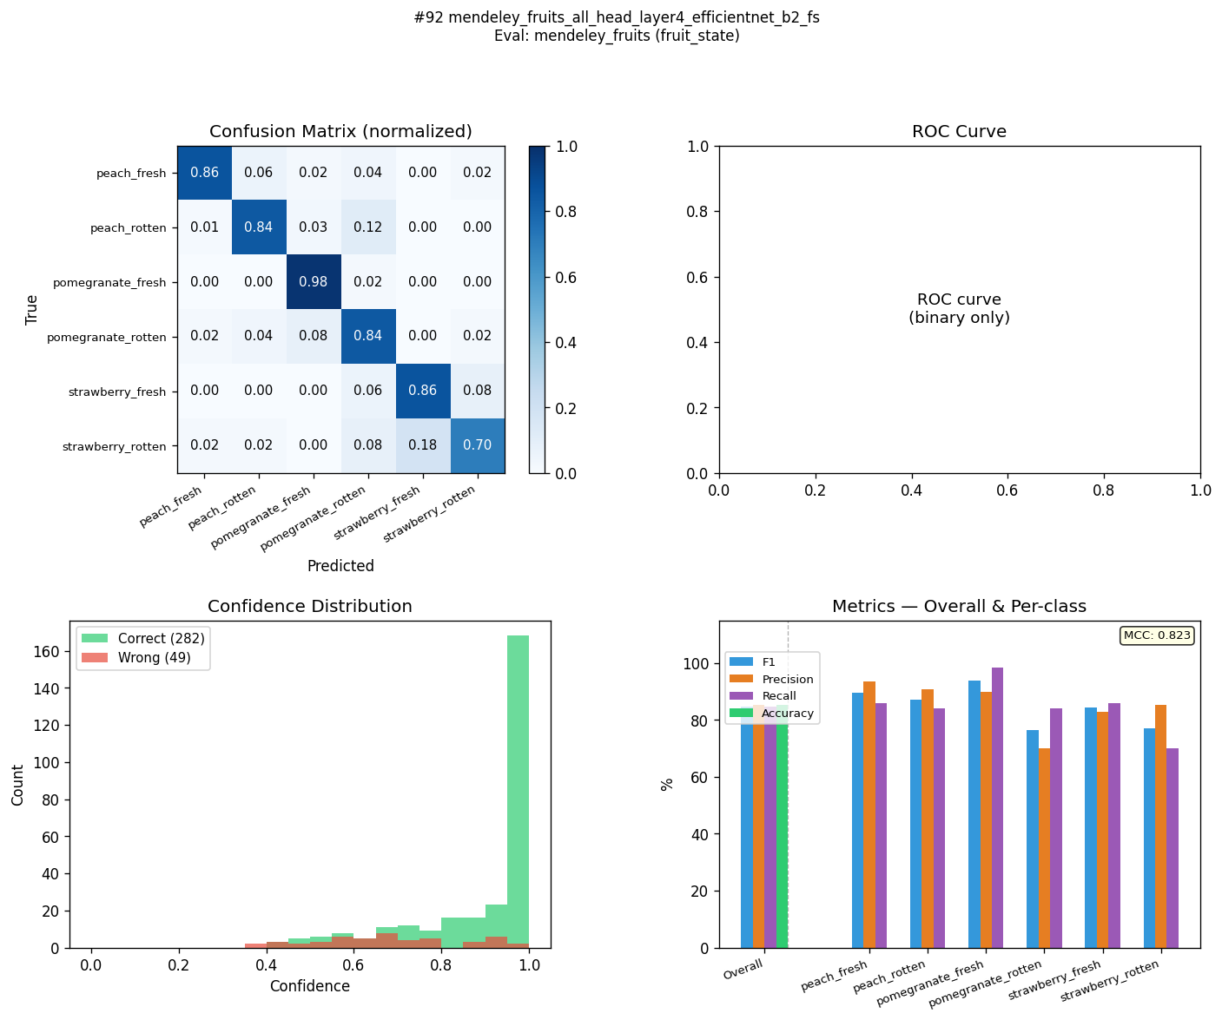
MFR-EB0-C2-FS | mendeley_fruits_all_layer4_efficientnet_b0_fs | fruit_state | 84.1 | 84 | 0.1 | 84.3 | 84 | 0.3 | 86 | 86 | 0 | 84.6 | 84.6 | 0 | 0.816 | 0.813 | 0.003 | 0.9855 | 0.984 | 0.0015 | 55.35 | 87.1 | 63.9 | 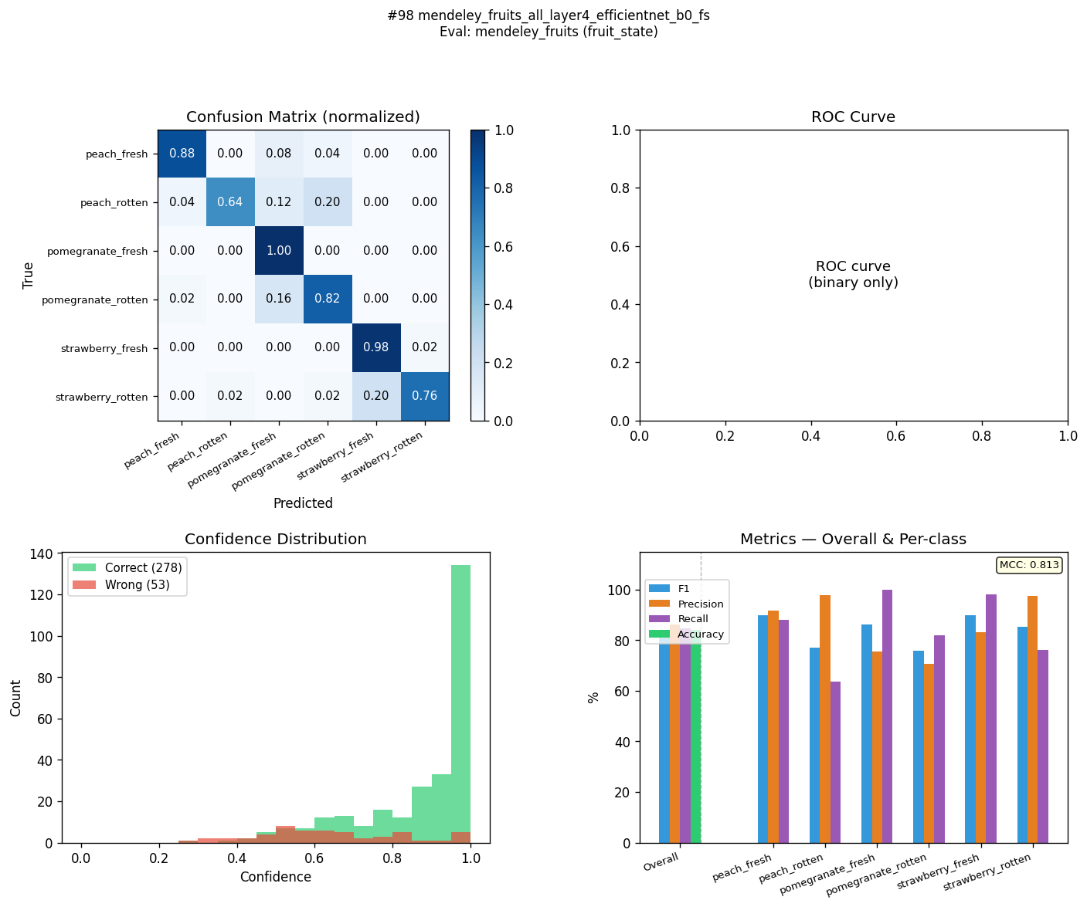
MFR-EB2-C2-FS | mendeley_fruits_all_layer4_efficientnet_b2_fs | fruit_state | 82.1 | 82.1 | 0 | 82.2 | 82.2 | 0 | 84.1 | 84 | 0.1 | 82.1 | 82.1 | 0 | 0.79 | 0.79 | 0 | 0.9764 | 0.9764 | 0 | 55.56 | 84.1 | 60.9 | 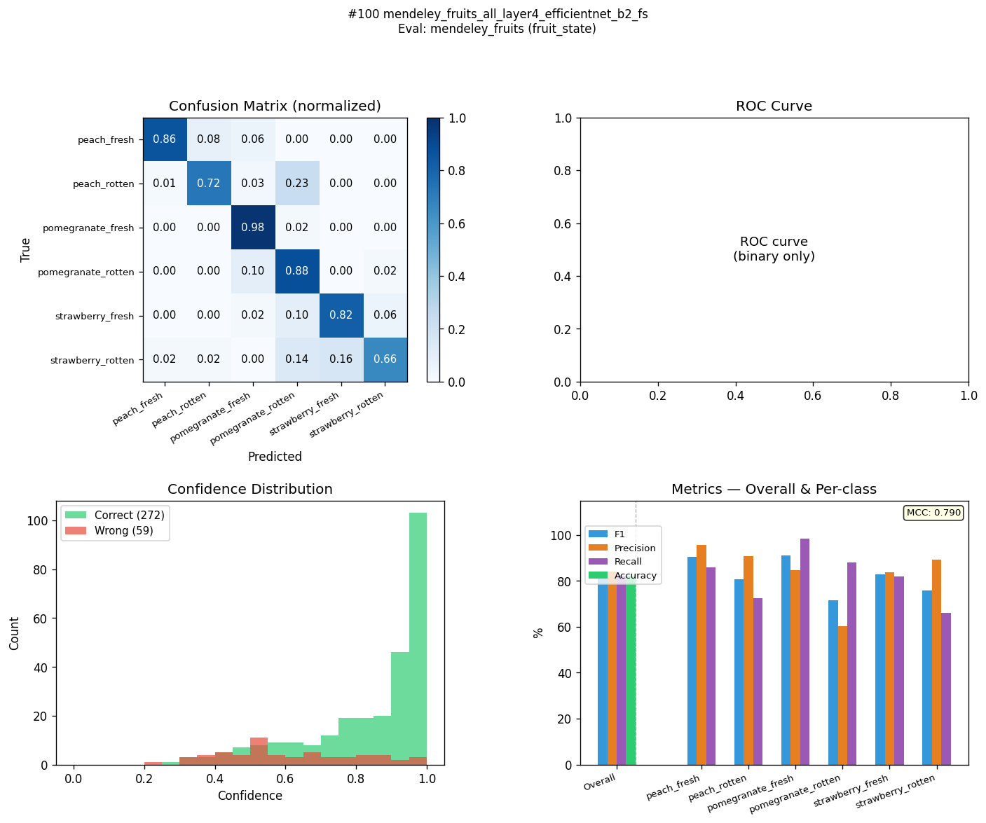

own_dataset (state)
ID | Model | Label Mode | F1 Train (%) | F1 Eval (%) | F1 Drop (%) | Acc Train (%) | Acc Eval (%) | Acc Drop (%) | Prec Train (%) | Prec Eval (%) | Prec Drop (%) | Rec Train (%) | Rec Eval (%) | Rec Drop (%) | MCC Train | MCC Eval | MCC Drop | AUC Train | AUC Eval | AUC Drop | ms/img | Conf Correct (%) | Conf Wrong (%)
KFS-EB0-C3-ST | kaggle_fresh_stale_all_head_frozen_efficientnet_b0 | state | 99.4 | 86.7 | 12.7 | 99.4 | 86.8 | 12.6 | 99.4 | 87.9 | 11.5 | 99.4 | 86.8 | 12.6 | 0.988 | 0.747 | 0.241 | 0.9997 | 0.9108 | 0.0889 | 80.64 | 97.8 | 93.2 | 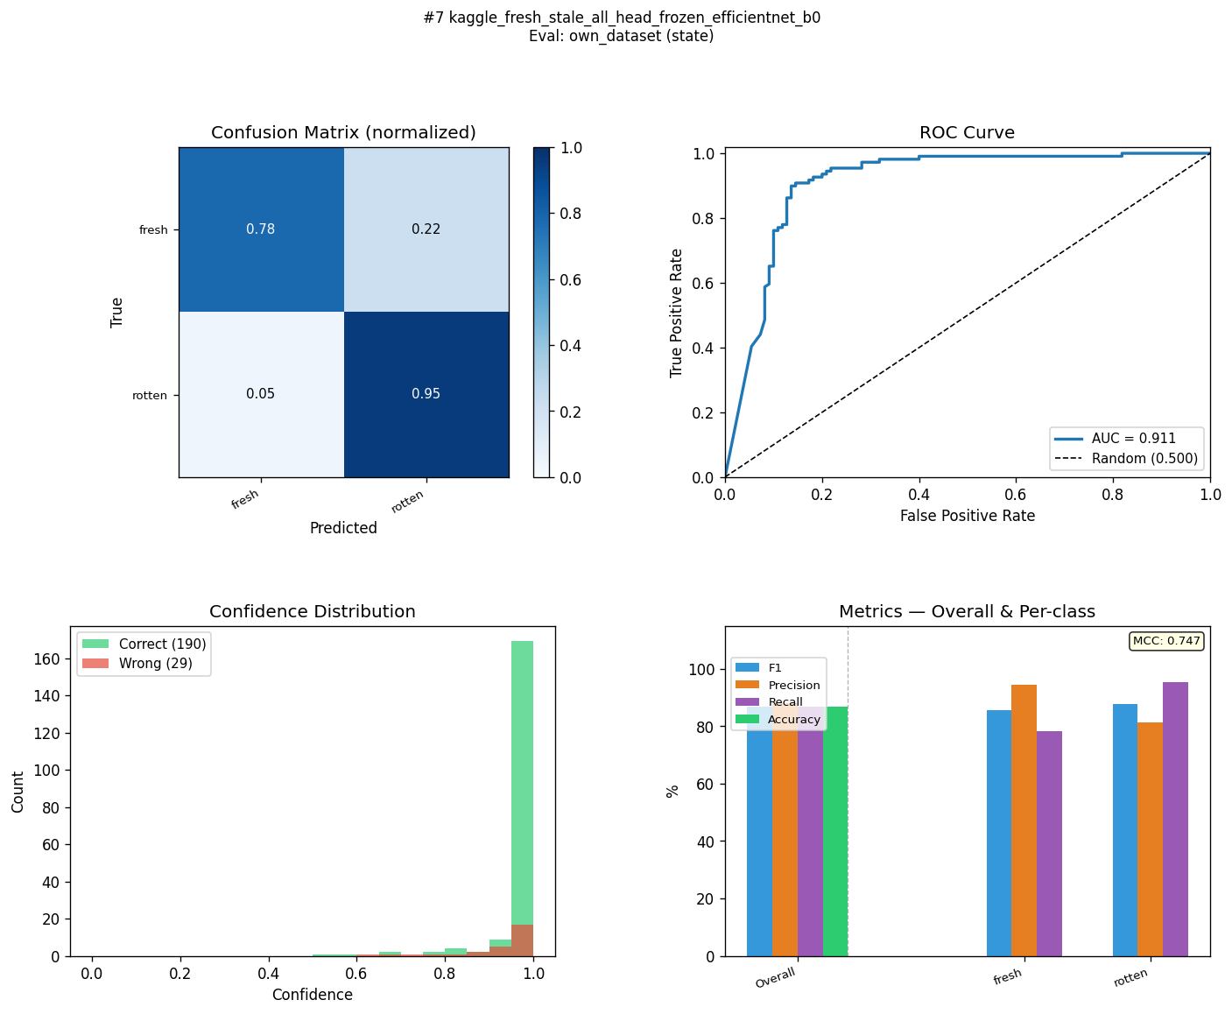
KFQ-EB0-C1-ST | kaggle_fruits_quality_all_frozen_efficientnet_b0 | state | 84.7 | 86.3 | -1.6 | 84.7 | 86.3 | -1.6 | 84.7 | 86.6 | -1.9 | 84.7 | 86.3 | -1.6 | 0.695 | 0.729 | -0.034 | 0.9182 | 0.9254 | -0.0072 | 81.4 | 85 | 75.5 | 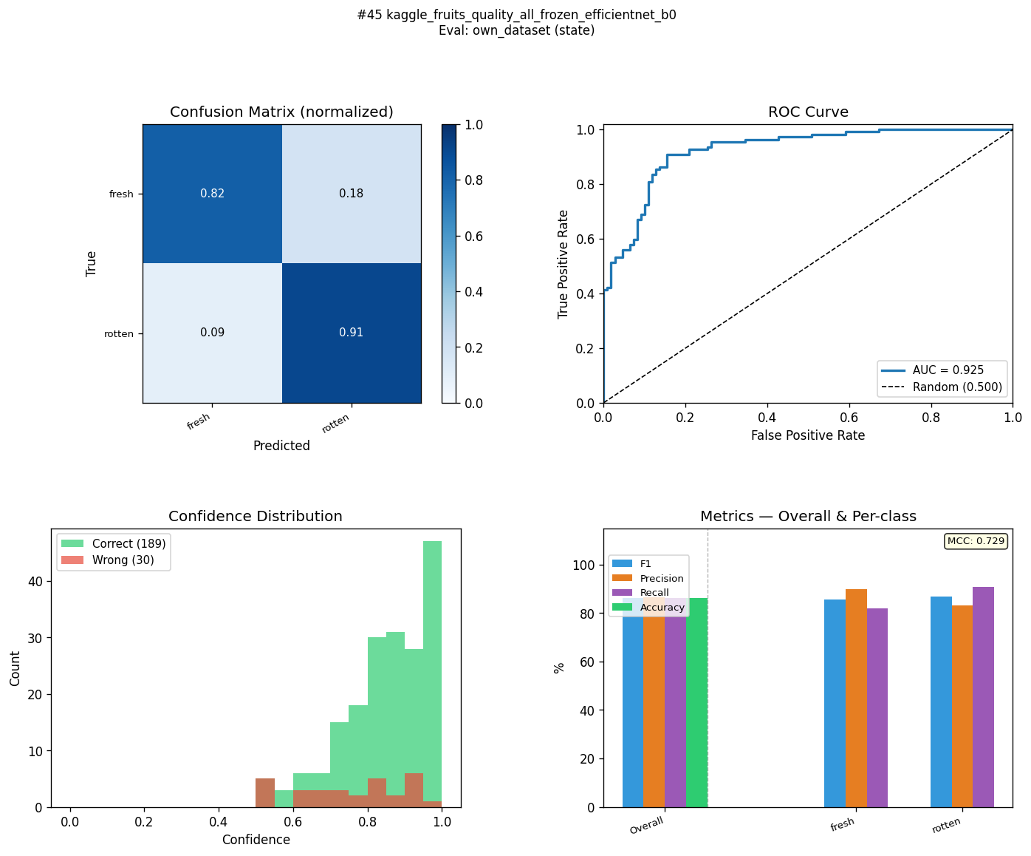
KFS-R18-C3-ST | kaggle_fresh_stale_all_head_frozen_resnet18 | state | 98 | 84.4 | 13.6 | 98 | 84.5 | 13.5 | 98 | 85.4 | 12.6 | 98 | 84.5 | 13.5 | 0.96 | 0.699 | 0.261 | 0.998 | 0.8618 | 0.1362 | 78.35 | 97.2 | 89.8 | 
KFQ-R18-C3-ST | kaggle_fruits_quality_all_head_frozen_resnet18 | state | 86 | 83.5 | 2.5 | 86.1 | 83.6 | 2.5 | 87.1 | 84.3 | 2.8 | 86.1 | 83.6 | 2.5 | 0.732 | 0.679 | 0.053 | 0.9329 | 0.8726 | 0.0603 | 92.19 | 89.8 | 86 | 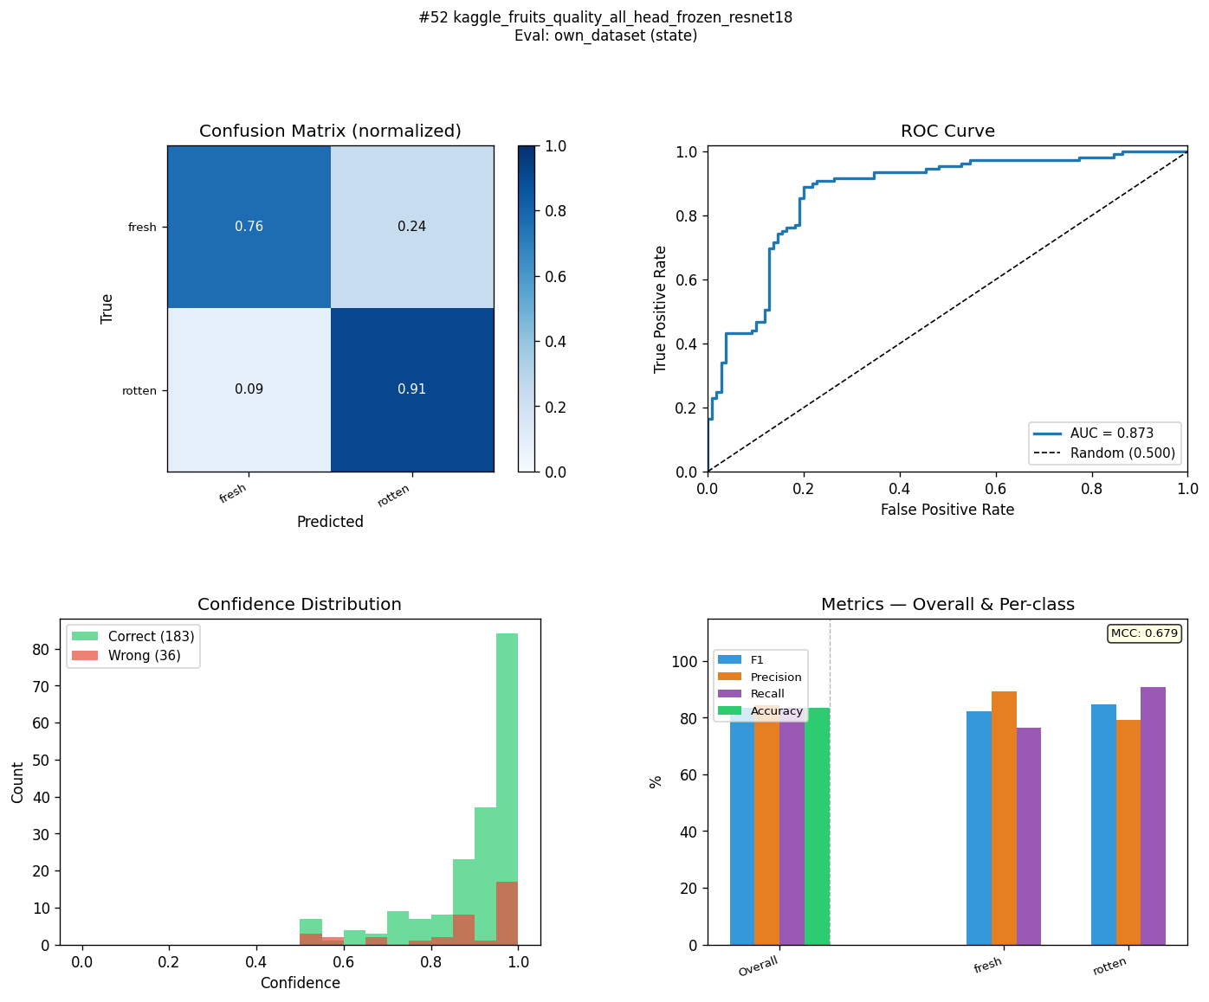
KFQ-EB0-C4-ST | kaggle_fruits_quality_all_head_layer4_efficientnet_b0 | state | 86.1 | 83.1 | 3 | 86.1 | 83.1 | 3 | 86.6 | 83.1 | 3.5 | 86.1 | 83.1 | 3 | 0.727 | 0.662 | 0.065 | 0.8827 | 0.8922 | -0.0095 | 143.46 | 86.8 | 77.1 | 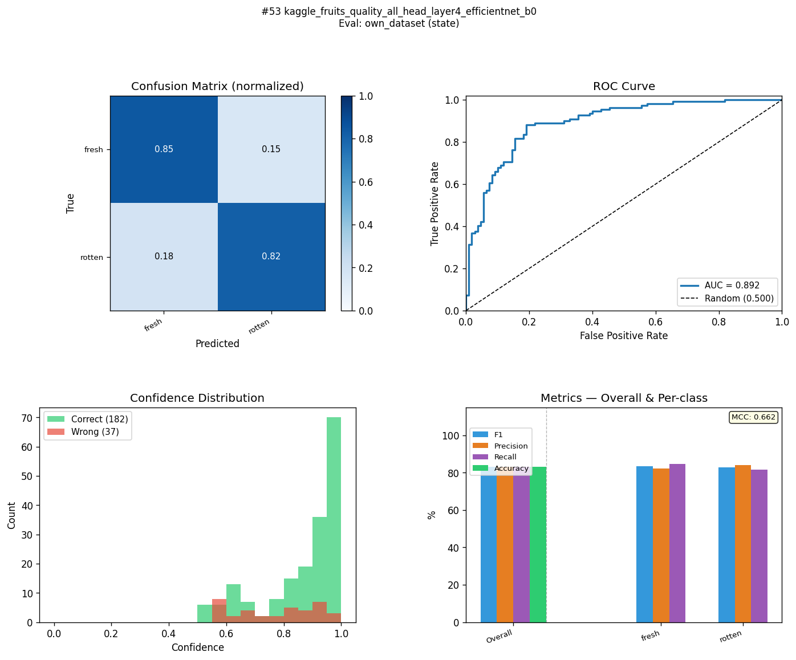
KFQ-EB0-C3-ST | kaggle_fruits_quality_all_head_frozen_efficientnet_b0 | state | 81.9 | 82.9 | -1 | 81.9 | 83.1 | -1.2 | 82.2 | 85.2 | -3 | 81.9 | 83.2 | -1.3 | 0.641 | 0.683 | -0.042 | 0.9275 | 0.9235 | 0.004 | 85.25 | 87.6 | 80.3 | 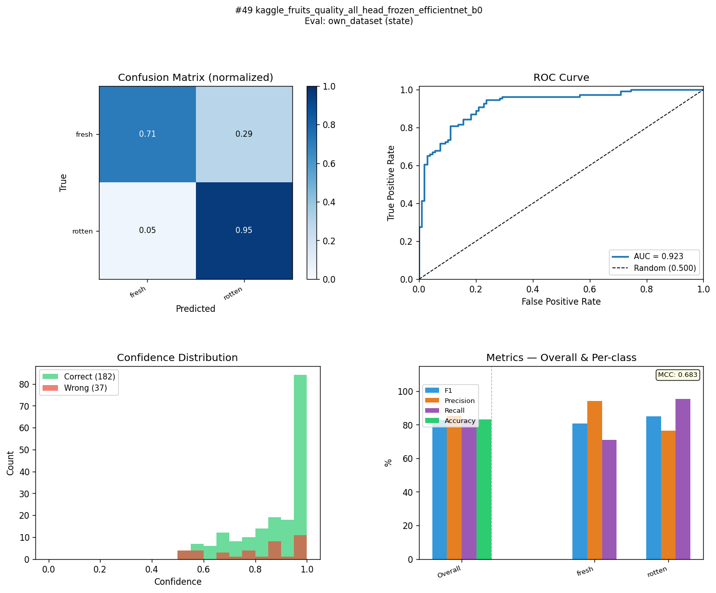
KFS-R18-C1-ST | kaggle_fresh_stale_all_frozen_resnet18 | state | 95 | 82.5 | 12.5 | 95 | 82.7 | 12.3 | 94.9 | 84 | 10.9 | 95 | 82.7 | 12.3 | 0.899 | 0.667 | 0.232 | 0.9862 | 0.8832 | 0.103 | 80.79 | 92.5 | 90.2 | 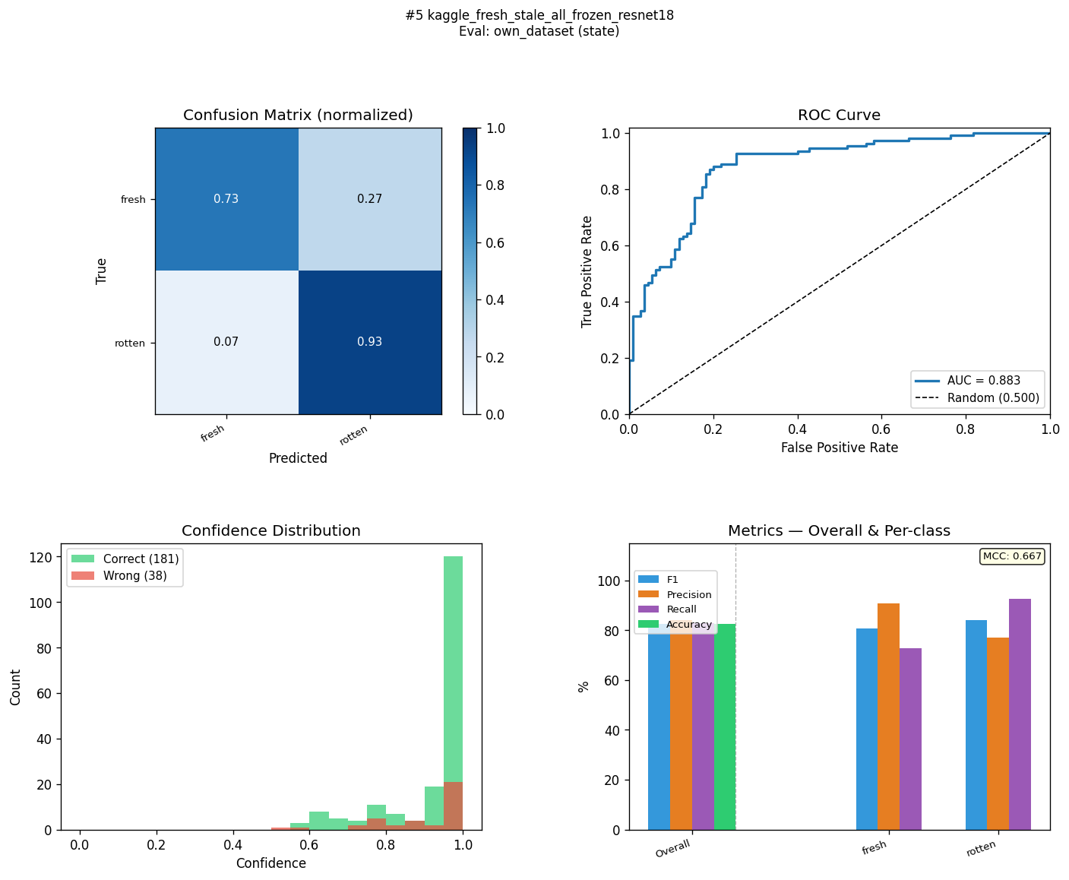
KFS-EB0-C2-ST | kaggle_fresh_stale_all_layer4_efficientnet_b0 | state | 96.3 | 82.1 | 14.2 | 96.3 | 82.2 | 14.1 | 96.3 | 83 | 13.3 | 96.4 | 82.2 | 14.2 | 0.927 | 0.652 | 0.275 | 0.9936 | 0.9073 | 0.0863 | 81.64 | 89.5 | 78.5 | 
KFR-R18-C3-ST | kaggle_fruits_fresh_rotten_all_head_frozen_resnet18 | state | 99.4 | 82.1 | 17.3 | 99.4 | 82.2 | 17.2 | 99.3 | 82.8 | 16.5 | 99.4 | 82.2 | 17.2 | 0.987 | 0.65 | 0.337 | 0.9994 | 0.8501 | 0.1493 | 81.28 | 97.3 | 94.8 | 
KFR-EB0-C1-ST | kaggle_fruits_fresh_rotten_all_frozen_efficientnet_b0 | state | 99 | 81.7 | 17.3 | 99 | 81.7 | 17.3 | 98.9 | 82.4 | 16.5 | 99 | 81.8 | 17.2 | 0.98 | 0.642 | 0.338 | 0.9996 | 0.8776 | 0.122 | 79.16 | 94 | 89.1 | 
KFQ-MN3-C3-ST | kaggle_fruits_quality_all_head_frozen_mobilenet_v3_small | state | 91.6 | 81.7 | 9.9 | 91.7 | 81.7 | 10 | 92.9 | 81.8 | 11.1 | 91.7 | 81.7 | 10 | 0.845 | 0.635 | 0.21 | 0.973 | 0.8728 | 0.1002 | 83.6 | 93.8 | 88.3 | 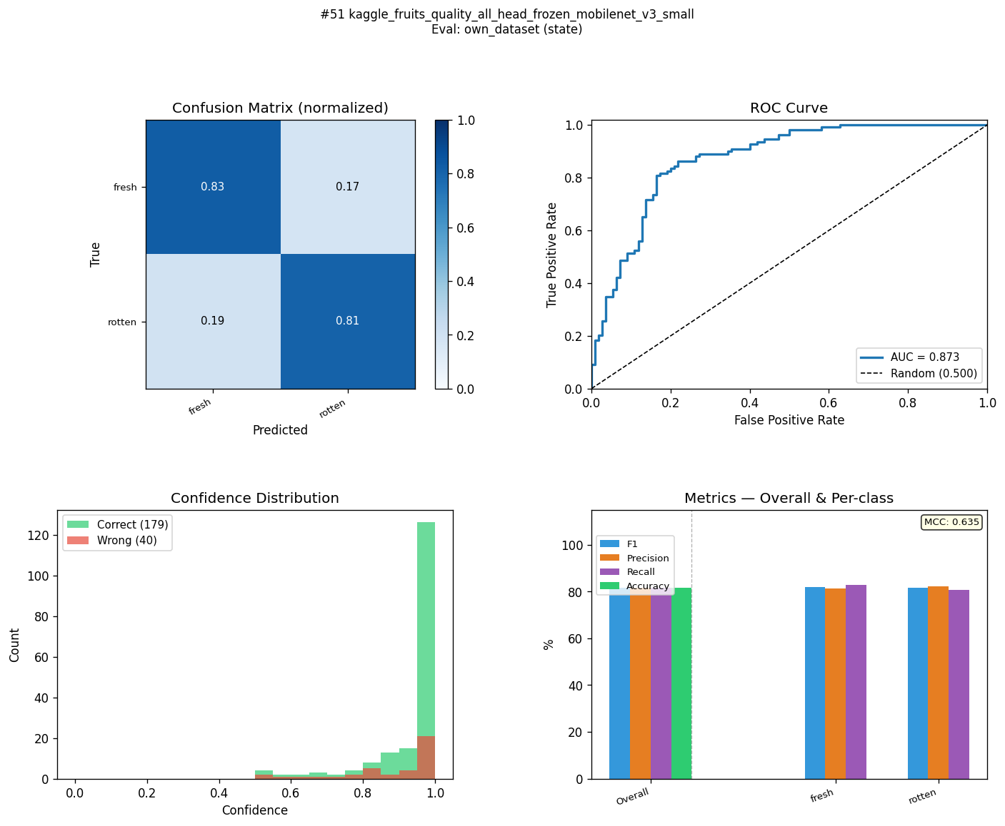
KFS-EB0-C1-ST | kaggle_fresh_stale_all_frozen_efficientnet_b0 | state | 97 | 81.6 | 15.4 | 97 | 81.7 | 15.3 | 97 | 83 | 14 | 97 | 81.8 | 15.2 | 0.941 | 0.648 | 0.293 | 0.9953 | 0.8947 | 0.1006 | 81.27 | 93.4 | 84.2 | 
KFR-EB0-C3-ST | kaggle_fruits_fresh_rotten_all_head_frozen_efficientnet_b0 | state | 100 | 81.5 | 18.5 | 100 | 81.7 | 18.3 | 100 | 83.6 | 16.4 | 100 | 81.8 | 18.2 | 1 | 0.654 | 0.346 | 1 | 0.888 | 0.112 | 80.08 | 95.9 | 90.9 | 
MLM-EB2-C3-ST | mendeley_lemon_varieties_all_head_frozen_efficientnet_b2 | state | 98 | 81.3 | 16.7 | 98 | 81.3 | 16.7 | 97.9 | 81.3 | 16.6 | 98 | 81.3 | 16.7 | 0.959 | 0.626 | 0.333 | 0.9989 | 0.8933 | 0.1056 | 81.19 | 91.6 | 78.8 | 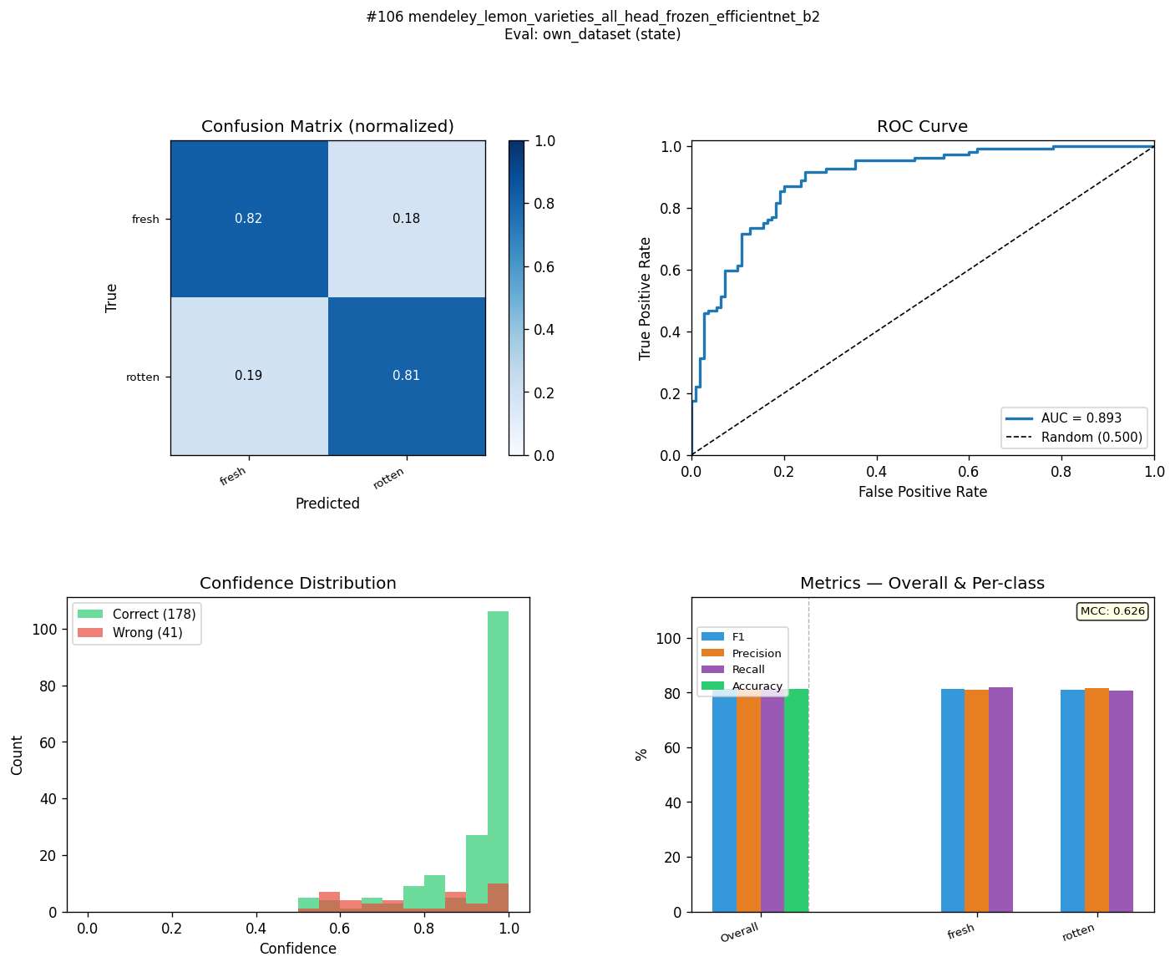
KFQ-MN3-C1-ST | kaggle_fruits_quality_all_frozen_mobilenet_v3_small | state | 91.6 | 81.2 | 10.4 | 91.7 | 81.3 | 10.4 | 92.2 | 81.6 | 10.6 | 91.7 | 81.3 | 10.4 | 0.839 | 0.629 | 0.21 | 0.9591 | 0.8748 | 0.0843 | 81.75 | 84.4 | 76.3 | 
KFS-MN3-C1-ST | kaggle_fresh_stale_all_frozen_mobilenet_v3_small | state | 95.9 | 80.9 | 15 | 96 | 81.3 | 14.7 | 95.9 | 84 | 11.9 | 96 | 81.3 | 14.7 | 0.919 | 0.653 | 0.266 | 0.9928 | 0.8807 | 0.1121 | 84.69 | 94 | 87.9 | 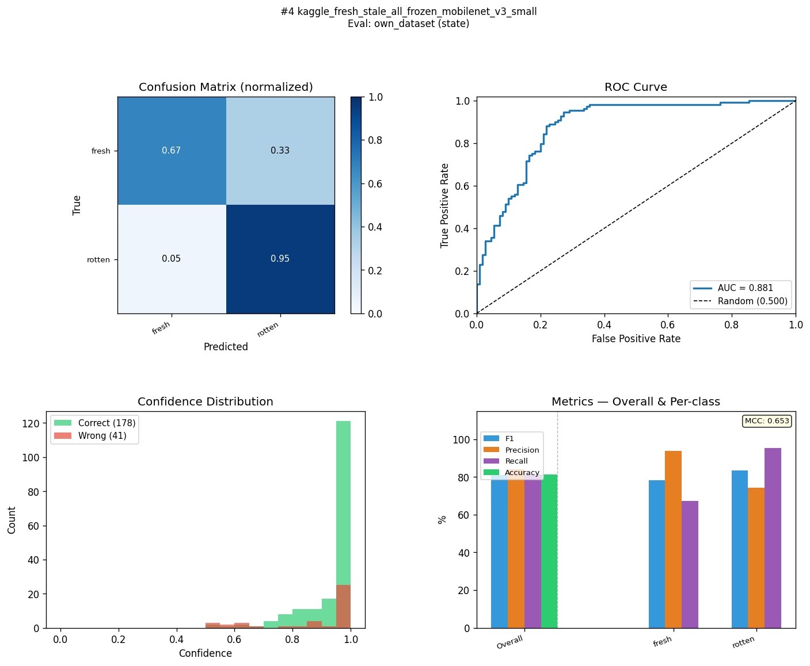
KFS-R18-C2-ST | kaggle_fresh_stale_all_layer4_resnet18 | state | 98.9 | 80.6 | 18.3 | 98.9 | 80.8 | 18.1 | 98.8 | 82.1 | 16.7 | 98.9 | 80.9 | 18 | 0.978 | 0.63 | 0.348 | 0.9994 | 0.8741 | 0.1253 | 78.7 | 97 | 90.2 | 
KFQ-EB2-C3-ST | kaggle_fruits_quality_all_head_frozen_efficientnet_b2 | state | 88.9 | 79.4 | 9.5 | 88.9 | 79.5 | 9.4 | 88.9 | 80 | 8.9 | 88.9 | 79.5 | 9.4 | 0.789 | 0.595 | 0.194 | 0.9699 | 0.9019 | 0.068 | 83.98 | 90.2 | 76.8 | 
KFQ-R18-C4-ST | kaggle_fruits_quality_all_head_layer4_resnet18 | state | 88.9 | 79.3 | 9.6 | 88.9 | 79.5 | 9.4 | 89 | 80.2 | 8.8 | 88.9 | 79.5 | 9.4 | 0.789 | 0.597 | 0.192 | 0.9514 | 0.8761 | 0.0753 | 83.51 | 90.4 | 79.3 | 
KFQ-EB0-C2-ST | kaggle_fruits_quality_all_layer4_efficientnet_b0 | state | 86.1 | 79.3 | 6.8 | 86.1 | 79.5 | 6.6 | 86.6 | 80.4 | 6.2 | 86.1 | 79.5 | 6.6 | 0.732 | 0.598 | 0.134 | 0.8889 | 0.8919 | -0.003 | 84.68 | 82.2 | 67.8 | 
KFQ-R18-C2-ST | kaggle_fruits_quality_all_layer4_resnet18 | state | 91.6 | 78.9 | 12.7 | 91.7 | 79 | 12.7 | 92.2 | 79.2 | 13 | 91.7 | 79 | 12.7 | 0.839 | 0.582 | 0.257 | 0.9468 | 0.8837 | 0.0631 | 79.71 | 82.9 | 69.8 | 
KFS-R18-C4-ST | kaggle_fresh_stale_all_head_layer4_resnet18 | state | 99 | 78.8 | 20.2 | 99 | 79 | 20 | 98.9 | 80.5 | 18.4 | 99 | 79 | 20 | 0.979 | 0.595 | 0.384 | 0.9997 | 0.8156 | 0.1841 | 80.14 | 98 | 96.1 | 
KFS-EB0-C4-ST | kaggle_fresh_stale_all_head_layer4_efficientnet_b0 | state | 98.5 | 78.7 | 19.8 | 98.5 | 79 | 19.5 | 98.5 | 80.7 | 17.8 | 98.5 | 79 | 19.5 | 0.97 | 0.597 | 0.373 | 0.999 | 0.8977 | 0.1013 | 83.23 | 93.3 | 84.3 | 
KFS-EB2-C3-ST | kaggle_fresh_stale_all_head_frozen_efficientnet_b2 | state | 99.3 | 78.4 | 20.9 | 99.3 | 78.5 | 20.8 | 99.3 | 79.4 | 19.9 | 99.3 | 78.6 | 20.7 | 0.987 | 0.58 | 0.407 | 0.9998 | 0.8456 | 0.1542 | 81.17 | 94.6 | 87.2 | 
KFR-R18-C1-ST | kaggle_fruits_fresh_rotten_all_frozen_resnet18 | state | 97.6 | 78.2 | 19.4 | 97.6 | 78.5 | 19.1 | 97.5 | 80.7 | 16.8 | 97.7 | 78.6 | 19.1 | 0.952 | 0.592 | 0.36 | 0.9969 | 0.8564 | 0.1405 | 78.77 | 94.7 | 89.1 | 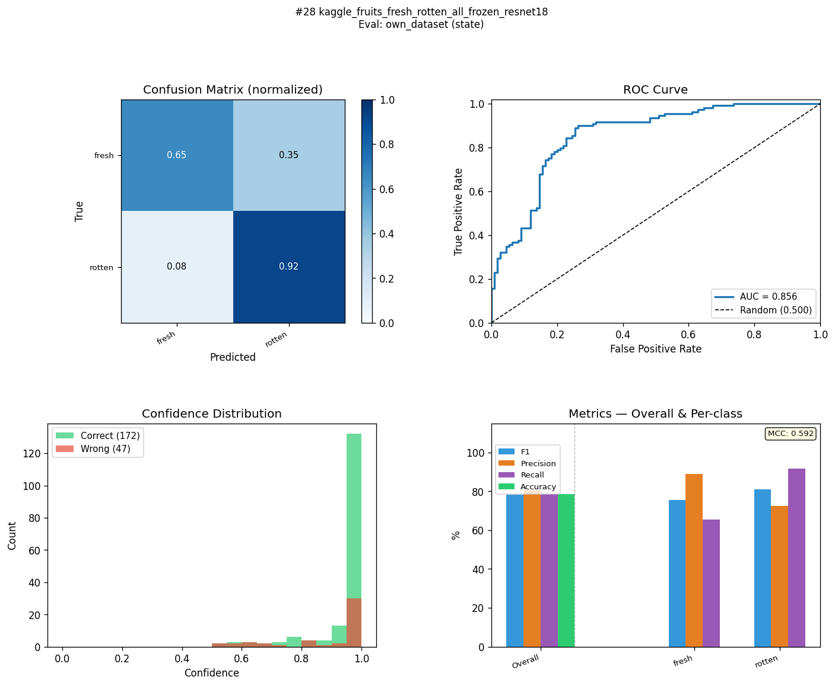
KFR-EB0-C2-ST | kaggle_fruits_fresh_rotten_all_layer4_efficientnet_b0 | state | 98.6 | 78 | 20.6 | 98.6 | 78.1 | 20.5 | 98.5 | 78.4 | 20.1 | 98.8 | 78.1 | 20.7 | 0.973 | 0.565 | 0.408 | 0.9994 | 0.8747 | 0.1247 | 81.1 | 89.8 | 78.1 | 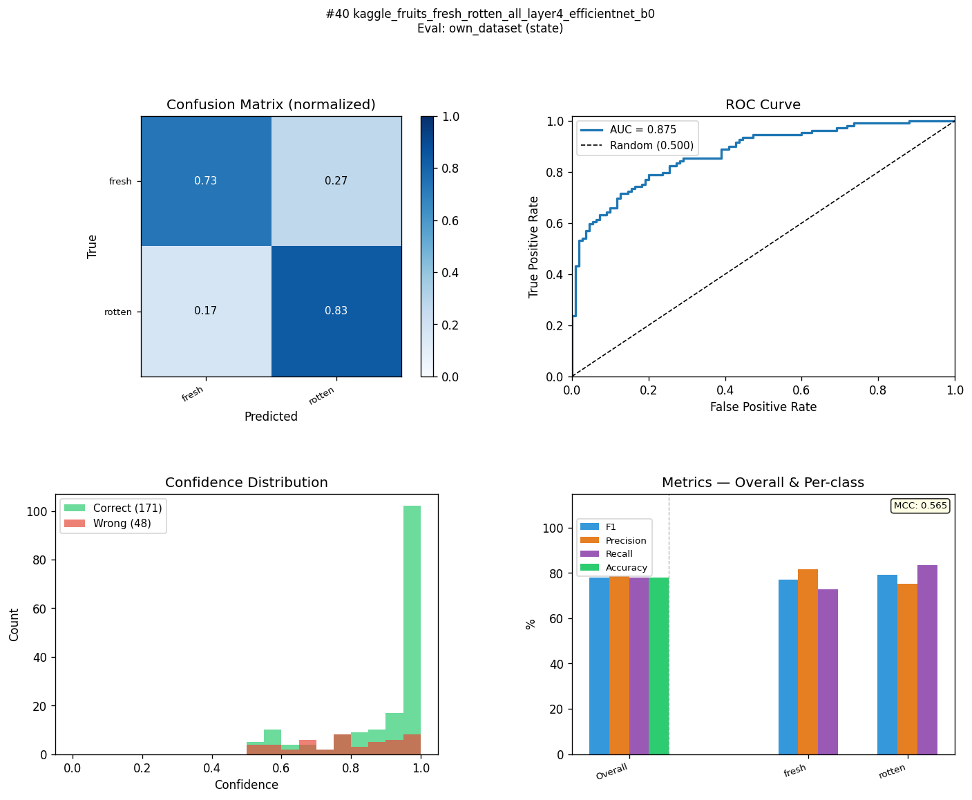
KFQ-EB2-C1-ST | kaggle_fruits_quality_all_frozen_efficientnet_b2 | state | 88.9 | 77.5 | 11.4 | 88.9 | 78.1 | 10.8 | 88.9 | 81.1 | 7.8 | 88.9 | 78 | 10.9 | 0.779 | 0.59 | 0.189 | 0.9406 | 0.908 | 0.0326 | 80.58 | 80.6 | 65.8 | 
KFS-MN3-C4-ST | kaggle_fresh_stale_all_head_layer4_mobilenet_v3_small | state | 97.8 | 77.3 | 20.5 | 97.8 | 77.6 | 20.2 | 97.8 | 79.1 | 18.7 | 97.7 | 77.7 | 20 | 0.955 | 0.568 | 0.387 | 0.9983 | 0.8634 | 0.1349 | 78.02 | 94.5 | 85.2 | 
KFS-MN3-C2-ST | kaggle_fresh_stale_all_layer4_mobilenet_v3_small | state | 93.4 | 77.3 | 16.1 | 93.5 | 78.1 | 15.4 | 93.5 | 82.9 | 10.6 | 93.4 | 78.2 | 15.2 | 0.869 | 0.609 | 0.26 | 0.9828 | 0.9179 | 0.0649 | 82.39 | 90.8 | 79.2 | 
KFQ-MN3-C2-ST | kaggle_fruits_quality_all_layer4_mobilenet_v3_small | state | 87.4 | 77.2 | 10.2 | 87.5 | 77.2 | 10.3 | 88.2 | 77.2 | 11 | 87.5 | 77.2 | 10.3 | 0.757 | 0.544 | 0.213 | 0.9491 | 0.8252 | 0.1239 | 81.93 | 74.3 | 67.7 | 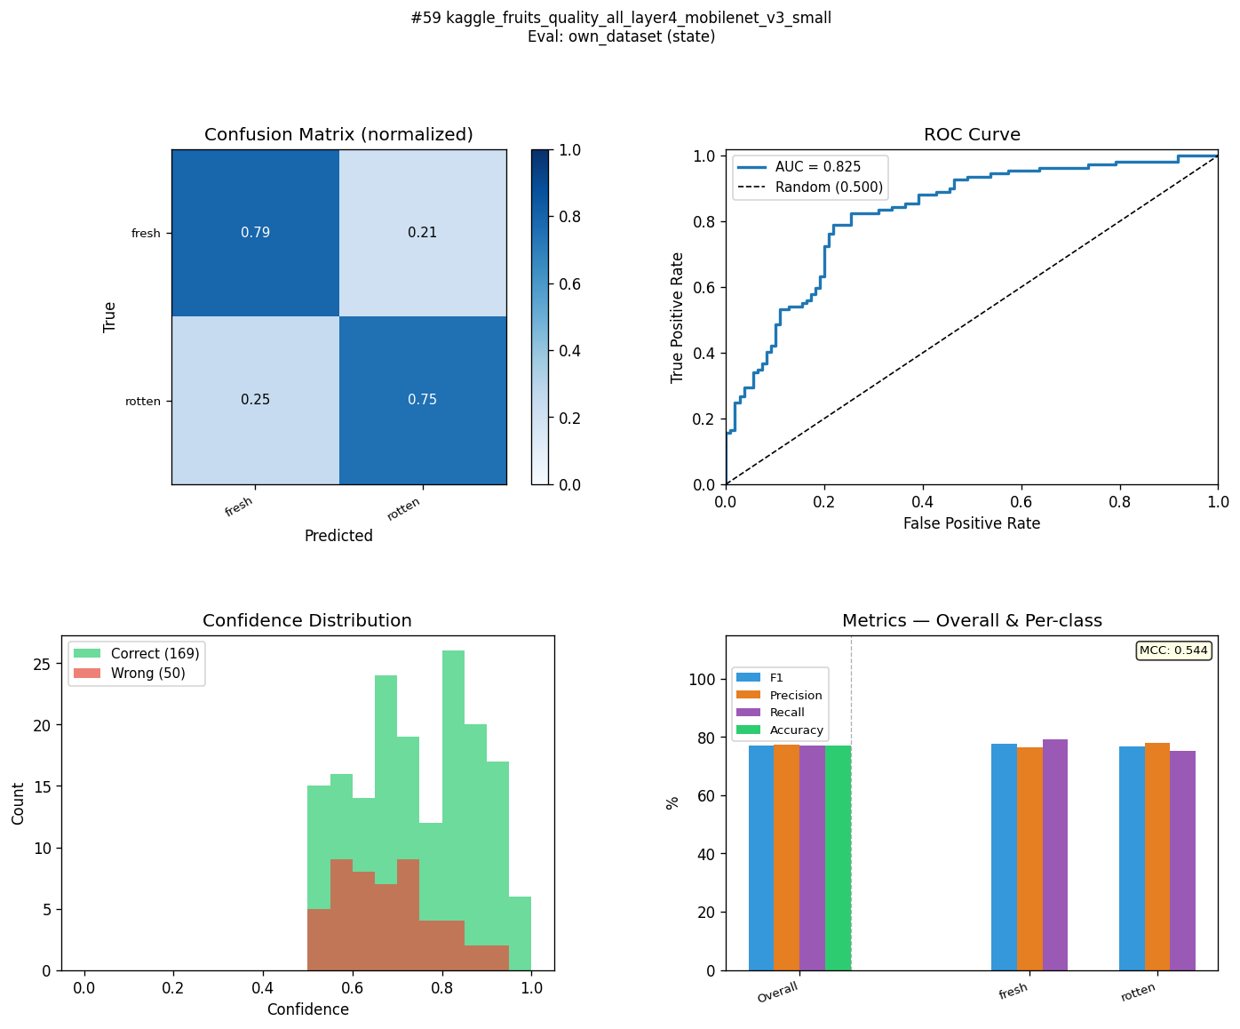
KFS-MN3-C3-ST | kaggle_fresh_stale_all_head_frozen_mobilenet_v3_small | state | 99.2 | 76.8 | 22.4 | 99.2 | 77.6 | 21.6 | 99.2 | 82.1 | 17.1 | 99.2 | 77.7 | 21.5 | 0.984 | 0.597 | 0.387 | 0.9996 | 0.887 | 0.1126 | 78.96 | 96.8 | 92.8 | 
KFS-EB2-C1-ST | kaggle_fresh_stale_all_frozen_efficientnet_b2 | state | 97 | 76.7 | 20.3 | 97 | 76.7 | 20.3 | 96.9 | 76.8 | 20.1 | 97 | 76.7 | 20.3 | 0.939 | 0.535 | 0.404 | 0.9962 | 0.8322 | 0.164 | 81.63 | 89.8 | 81.6 | 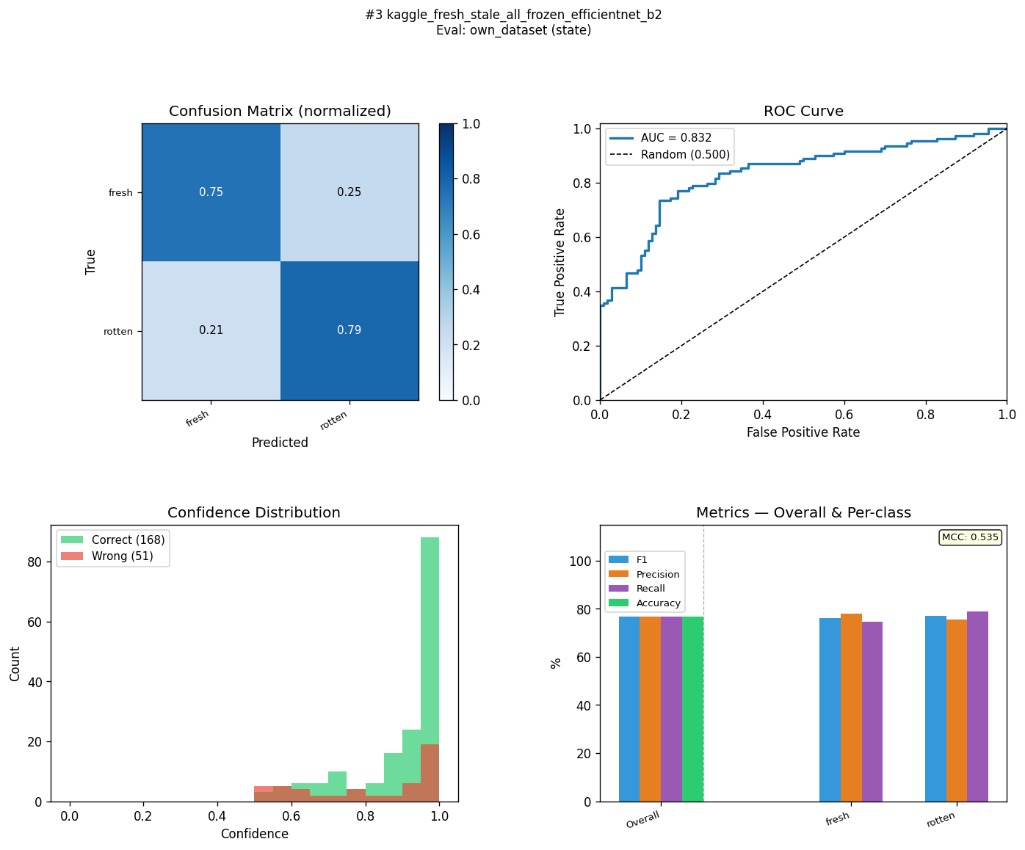
KFQ-MN3-C4-ST | kaggle_fruits_quality_all_head_layer4_mobilenet_v3_small | state | 86.1 | 76.7 | 9.4 | 86.1 | 76.7 | 9.4 | 86.2 | 76.7 | 9.5 | 86.1 | 76.7 | 9.4 | 0.741 | 0.534 | 0.207 | 0.9529 | 0.8173 | 0.1356 | 83.75 | 88.1 | 82.9 | 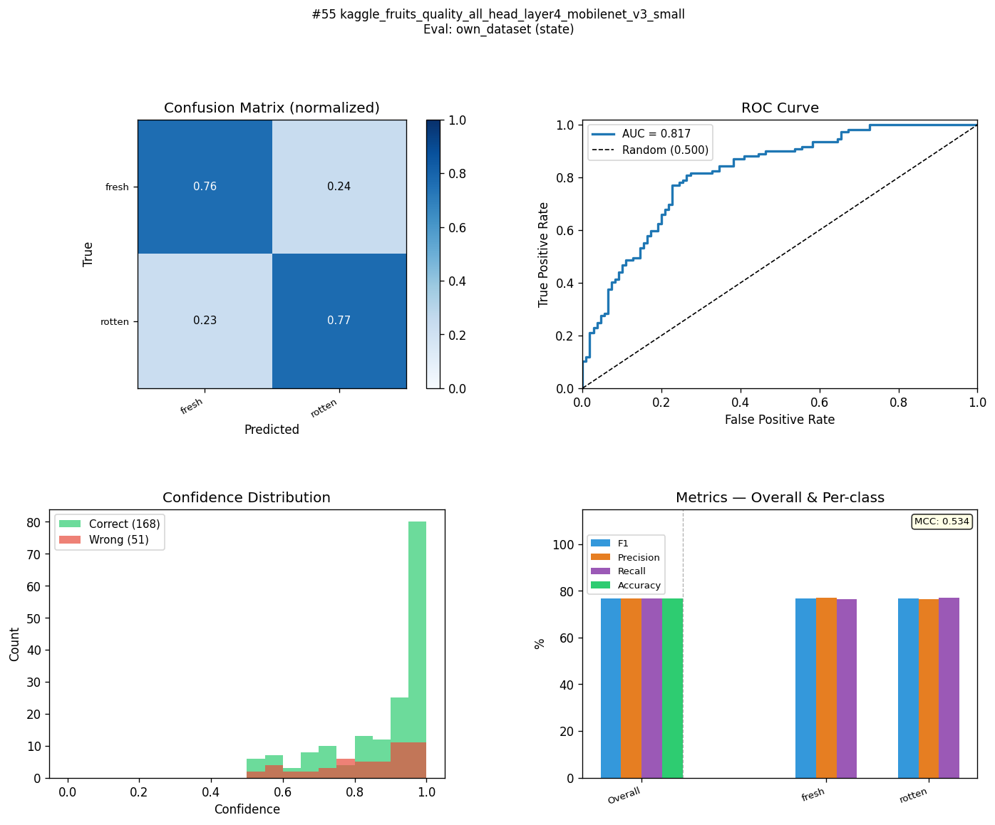
KFR-R18-C2-ST | kaggle_fruits_fresh_rotten_all_layer4_resnet18 | state | 99.8 | 76.2 | 23.6 | 99.8 | 76.7 | 23.1 | 99.8 | 79.4 | 20.4 | 99.8 | 76.8 | 23 | 0.996 | 0.561 | 0.435 | 1 | 0.8347 | 0.1653 | 80.62 | 96.1 | 91.1 | 
MLM-EB2-C1-ST | mendeley_lemon_varieties_all_frozen_efficientnet_b2 | state | 96.2 | 75.9 | 20.3 | 96.2 | 76.7 | 19.5 | 96.2 | 80.6 | 15.6 | 96.2 | 76.6 | 19.6 | 0.924 | 0.571 | 0.353 | 0.9964 | 0.8937 | 0.1027 | 81.09 | 83.2 | 73.5 | 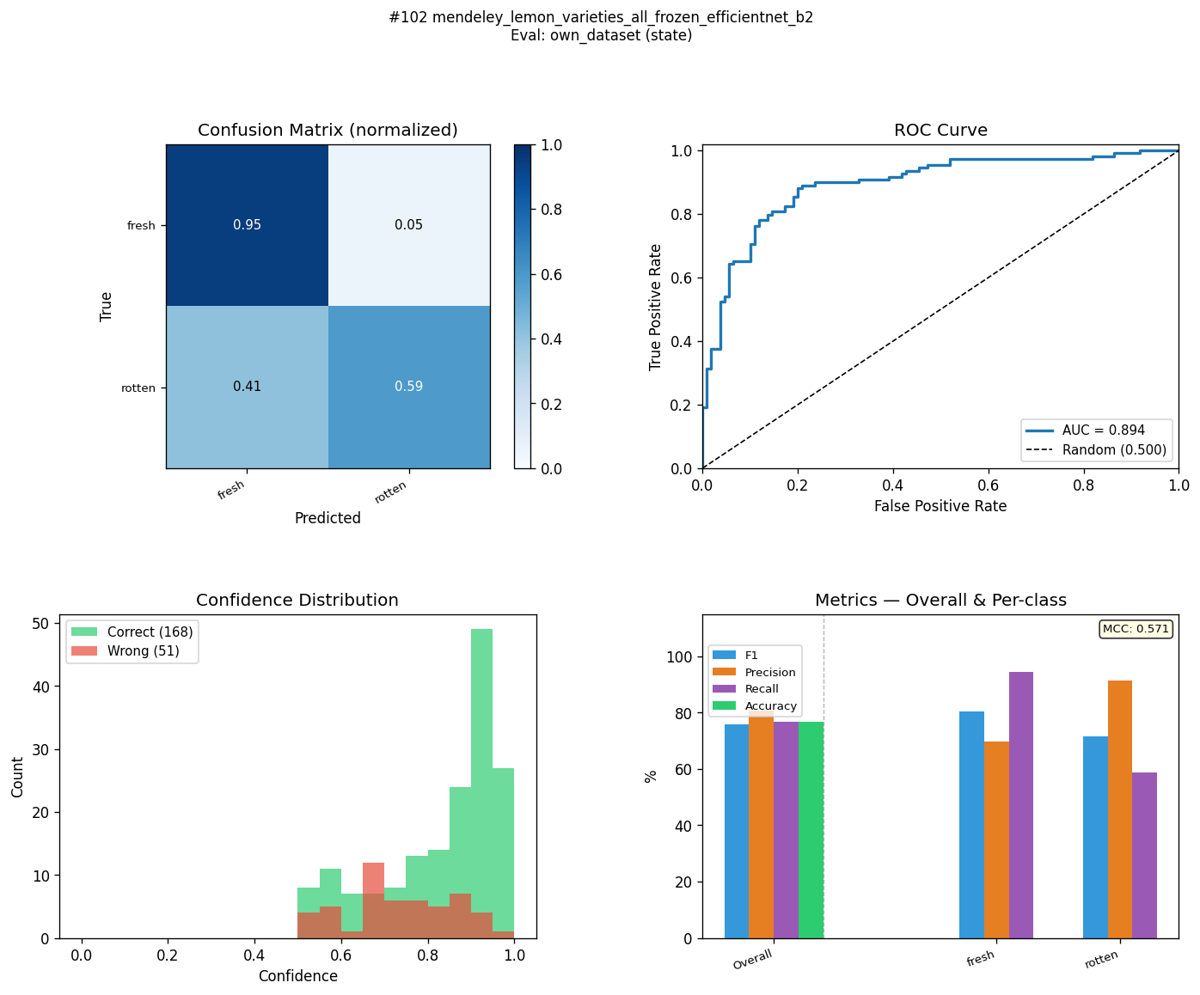
KFR-MN3-C1-ST | kaggle_fruits_fresh_rotten_all_frozen_mobilenet_v3_small | state | 99.1 | 75.5 | 23.6 | 99.1 | 76.3 | 22.8 | 99.1 | 80.3 | 18.8 | 99.1 | 76.3 | 22.8 | 0.982 | 0.565 | 0.417 | 0.9995 | 0.87 | 0.1295 | 78.27 | 94.5 | 85.3 | 
MLM-EB0-C3-ST | mendeley_lemon_varieties_all_head_frozen_efficientnet_b0 | state | 98.7 | 75.5 | 23.2 | 98.7 | 75.8 | 22.9 | 98.7 | 77.2 | 21.5 | 98.7 | 75.8 | 22.9 | 0.975 | 0.53 | 0.445 | 0.9989 | 0.8362 | 0.1627 | 80.92 | 96.6 | 87.3 | 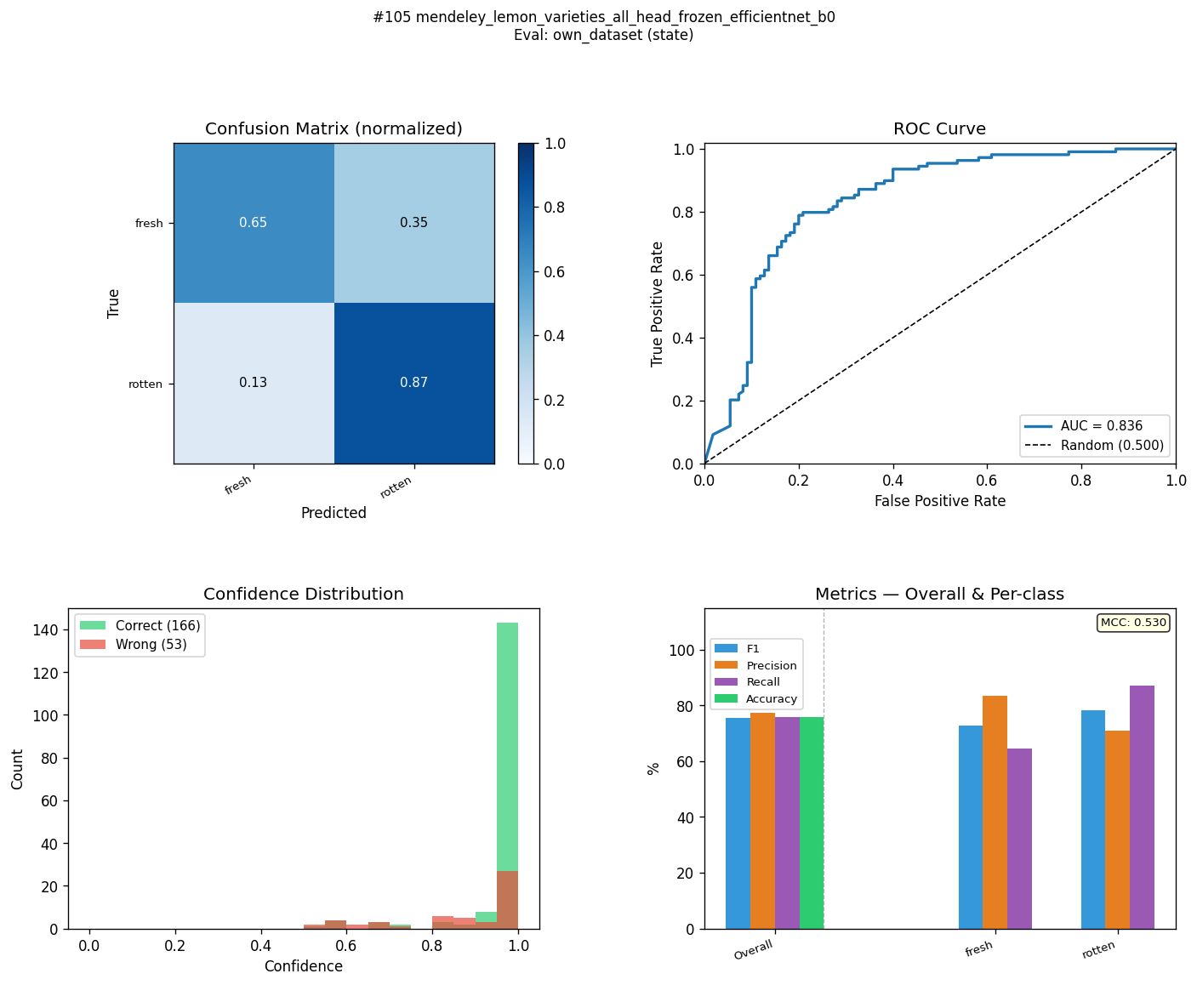
KFR-EB0-C4-ST | kaggle_fruits_fresh_rotten_all_head_layer4_efficientnet_b0 | state | 99.7 | 74.8 | 24.9 | 99.7 | 74.9 | 24.8 | 99.6 | 75.5 | 24.1 | 99.7 | 74.9 | 24.8 | 0.993 | 0.504 | 0.489 | 1 | 0.8658 | 0.1342 | 79.89 | 94.6 | 85.2 | 
KFR-R18-C4-ST | kaggle_fruits_fresh_rotten_all_head_layer4_resnet18 | state | 99.8 | 74.2 | 25.6 | 99.8 | 74.9 | 24.9 | 99.8 | 78.1 | 21.7 | 99.8 | 75 | 24.8 | 0.996 | 0.529 | 0.467 | 1 | 0.8287 | 0.1713 | 80.36 | 96 | 87.2 | 
KFR-EB2-C4-ST | kaggle_fruits_fresh_rotten_all_head_layer4_efficientnet_b2 | state | 99.6 | 73.8 | 25.8 | 99.6 | 74 | 25.6 | 99.5 | 74.6 | 24.9 | 99.6 | 74 | 25.6 | 0.991 | 0.486 | 0.505 | 1 | 0.8227 | 0.1773 | 87.1 | 92.1 | 83.6 | 
MFR-EB0-C1-ST | mendeley_fruits_all_frozen_efficientnet_b0 | state | 94.6 | 73.6 | 21 | 94.6 | 74.4 | 20.2 | 94.9 | 78.2 | 16.7 | 94.7 | 74.5 | 20.2 | 0.896 | 0.526 | 0.37 | 0.9924 | 0.7989 | 0.1935 | 78.44 | 92.5 | 91.1 | 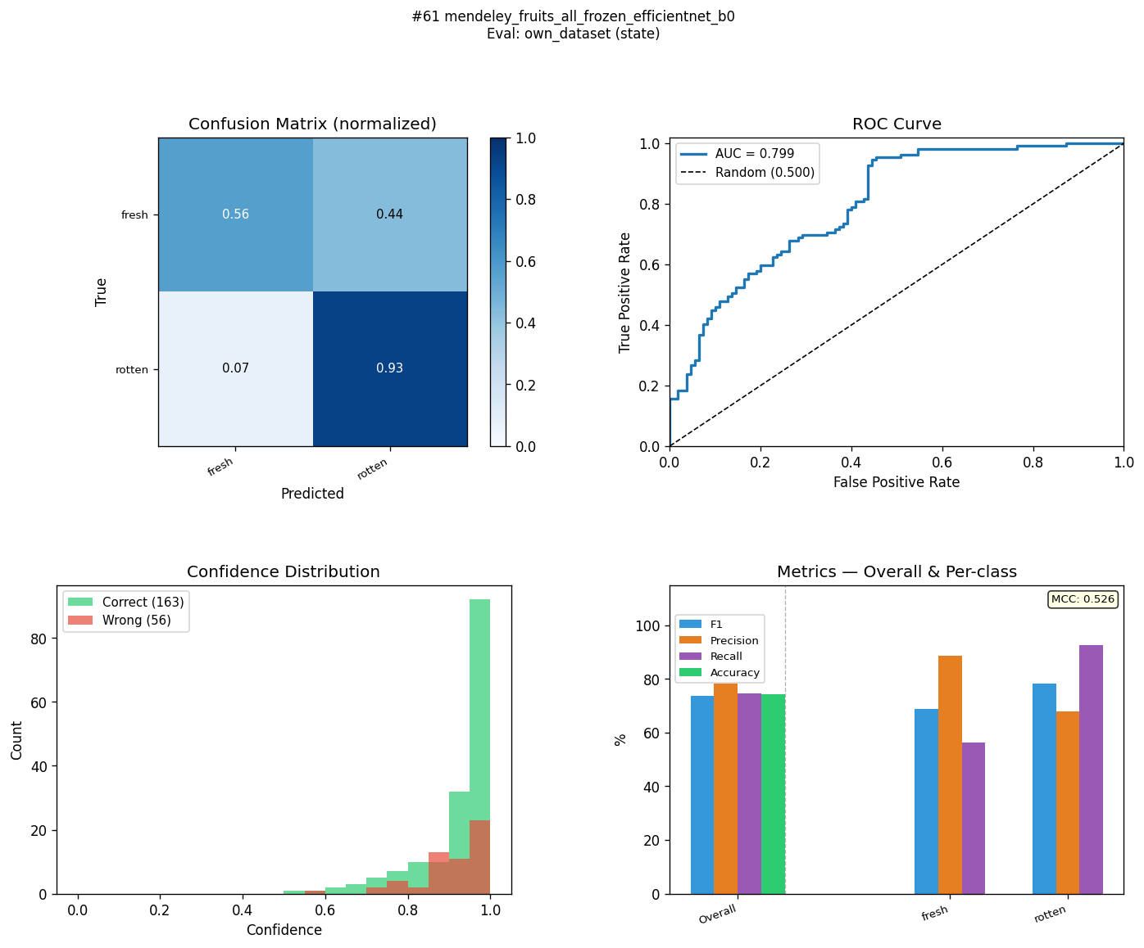
MFR-EB2-C1-ST | mendeley_fruits_all_frozen_efficientnet_b2 | state | 95.2 | 73.5 | 21.7 | 95.2 | 74.4 | 20.8 | 95.2 | 78.6 | 16.6 | 95.2 | 74.5 | 20.7 | 0.906 | 0.53 | 0.376 | 0.9893 | 0.8498 | 0.1395 | 80.51 | 85.5 | 75.4 | 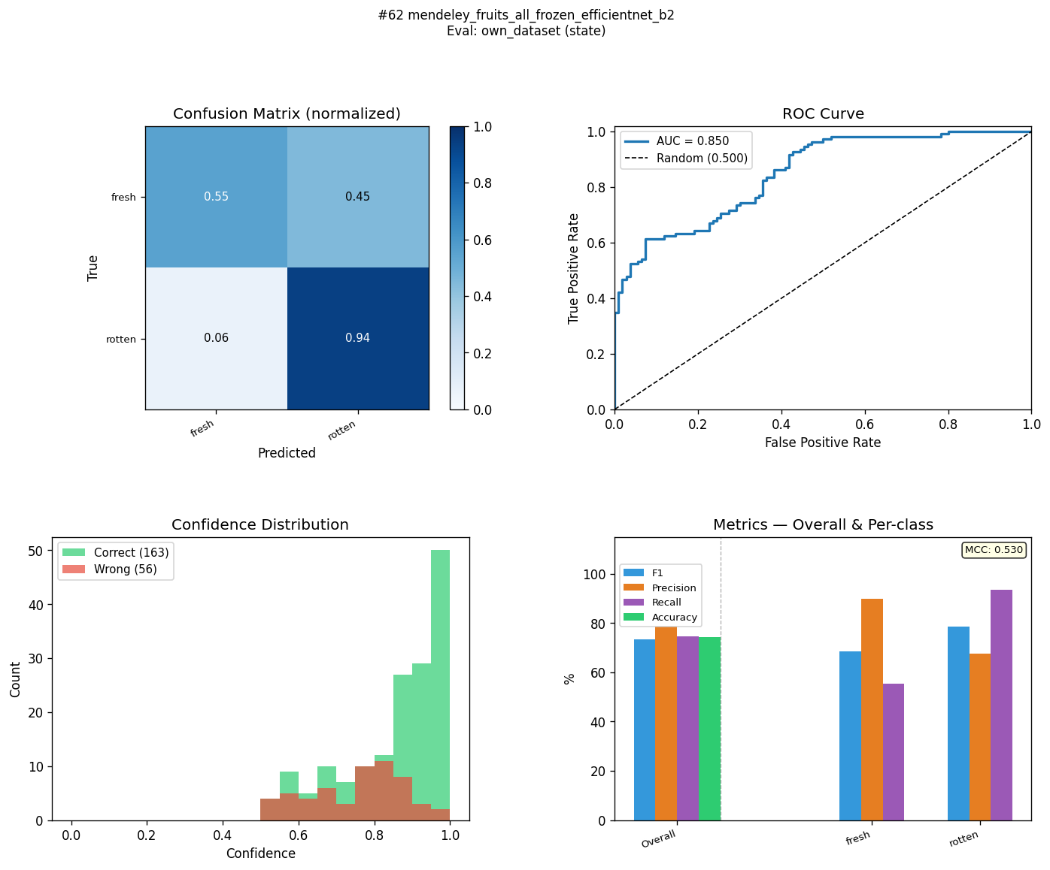
MFR-EB0-C3-ST | mendeley_fruits_all_head_frozen_efficientnet_b0 | state | 97 | 73.4 | 23.6 | 97 | 74.4 | 22.6 | 97 | 79.1 | 17.9 | 97 | 74.5 | 22.5 | 0.94 | 0.534 | 0.406 | 0.9963 | 0.7884 | 0.2079 | 80.63 | 96.2 | 96.9 | 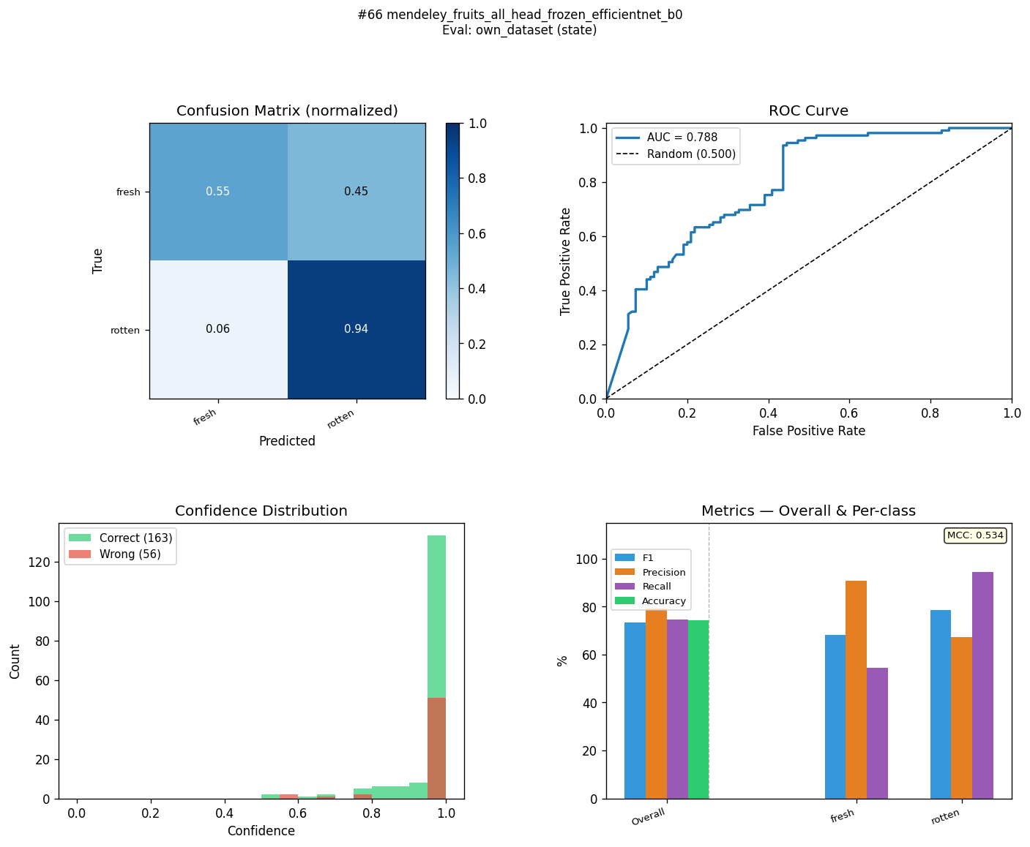
MFR-R18-C2-ST | mendeley_fruits_all_layer4_resnet18 | state | 95.5 | 73.1 | 22.4 | 95.5 | 74 | 21.5 | 95.7 | 77.9 | 17.8 | 95.5 | 74.1 | 21.4 | 0.912 | 0.518 | 0.394 | 0.9931 | 0.7781 | 0.215 | 80.26 | 92.4 | 93.2 | 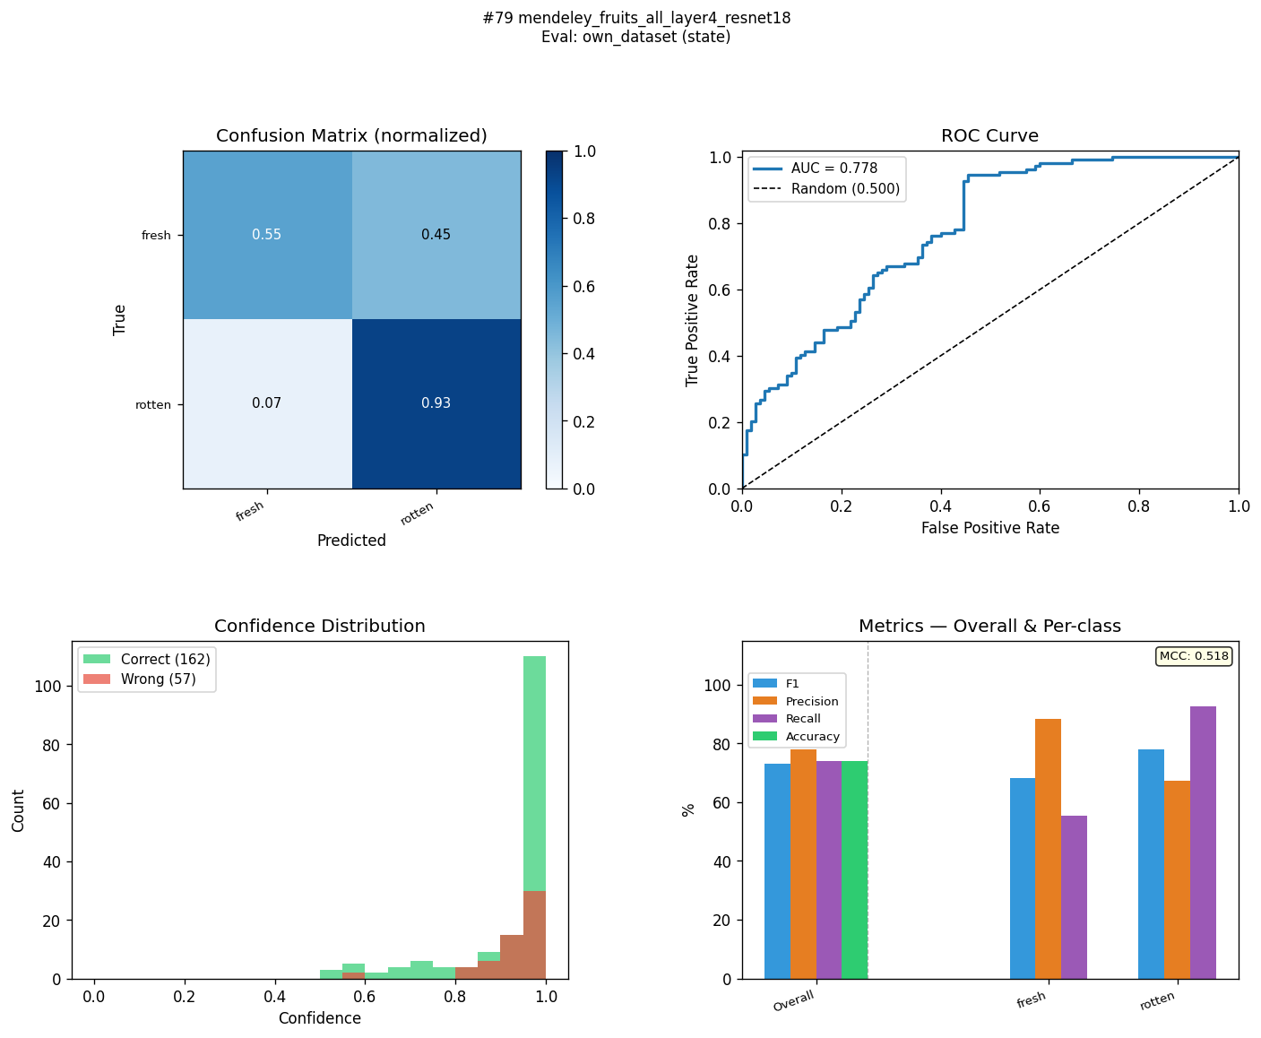
MFR-R18-C4-ST | mendeley_fruits_all_head_layer4_resnet18 | state | 96.4 | 73 | 23.4 | 96.4 | 74 | 22.4 | 96.5 | 78.3 | 18.2 | 96.4 | 74.1 | 22.3 | 0.929 | 0.522 | 0.407 | 0.9948 | 0.7908 | 0.204 | 81 | 95.5 | 95.7 | 
KFR-MN3-C3-ST | kaggle_fruits_fresh_rotten_all_head_frozen_mobilenet_v3_small | state | 100 | 72.8 | 27.2 | 100 | 74 | 26 | 100 | 79.4 | 20.6 | 100 | 74.1 | 25.9 | 1 | 0.532 | 0.468 | 1 | 0.8779 | 0.1221 | 80.1 | 97.6 | 95 | 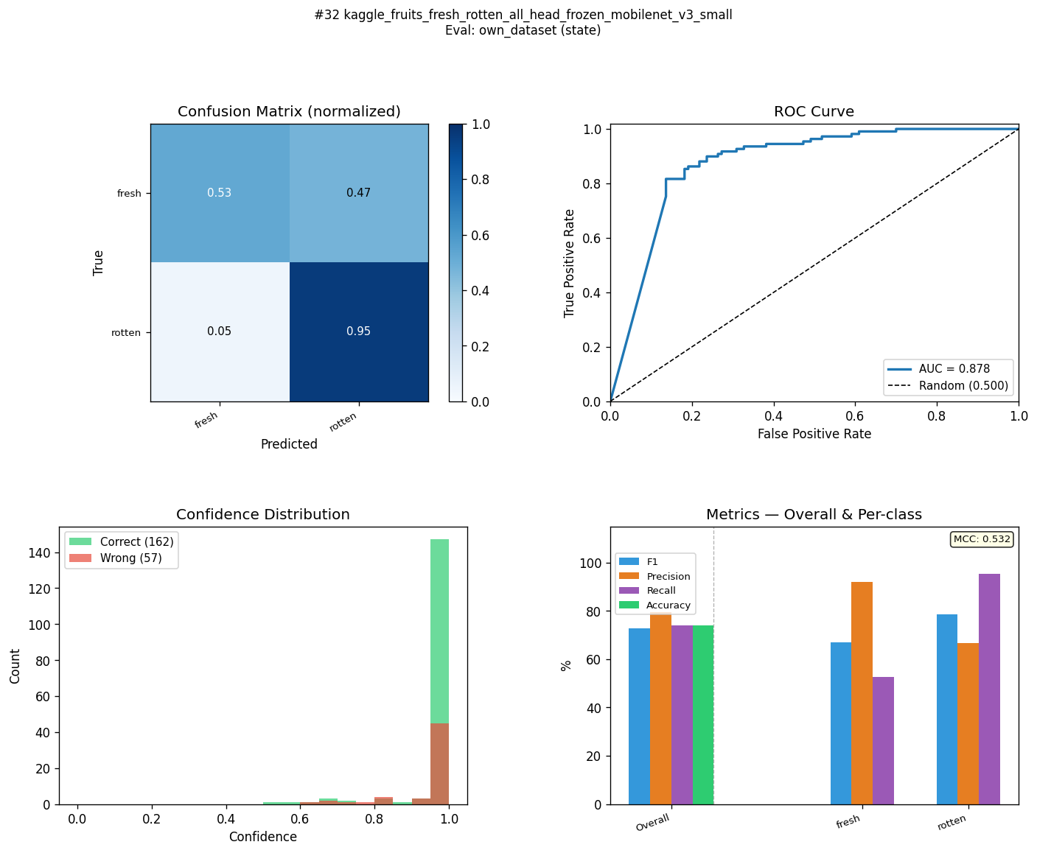
MFR-MN3-C1-ST | mendeley_fruits_all_frozen_mobilenet_v3_small | state | 94.6 | 72.8 | 21.8 | 94.6 | 74 | 20.6 | 94.8 | 79.4 | 15.4 | 94.6 | 74.1 | 20.5 | 0.895 | 0.532 | 0.363 | 0.9856 | 0.7811 | 0.2045 | 79.22 | 92.3 | 91.4 | 
MLM-EB0-C1-ST | mendeley_lemon_varieties_all_frozen_efficientnet_b0 | state | 96.7 | 72.8 | 23.9 | 96.7 | 73.1 | 23.6 | 96.7 | 73.9 | 22.8 | 96.7 | 73.1 | 23.6 | 0.934 | 0.47 | 0.464 | 0.9959 | 0.839 | 0.1569 | 78.59 | 93 | 78.3 | 
MFR-R18-C1-ST | mendeley_fruits_all_frozen_resnet18 | state | 94.3 | 72.7 | 21.6 | 94.3 | 73.5 | 20.8 | 94.5 | 77.1 | 17.4 | 94.3 | 73.6 | 20.7 | 0.888 | 0.506 | 0.382 | 0.9816 | 0.7389 | 0.2427 | 79.45 | 93.7 | 92.8 | 
KFR-EB2-C1-ST | kaggle_fruits_fresh_rotten_all_frozen_efficientnet_b2 | state | 99.1 | 72.6 | 26.5 | 99.2 | 72.6 | 26.6 | 99.1 | 72.6 | 26.5 | 99.2 | 72.6 | 26.6 | 0.983 | 0.452 | 0.531 | 0.9998 | 0.7517 | 0.2481 | 80.11 | 87.6 | 84.7 | 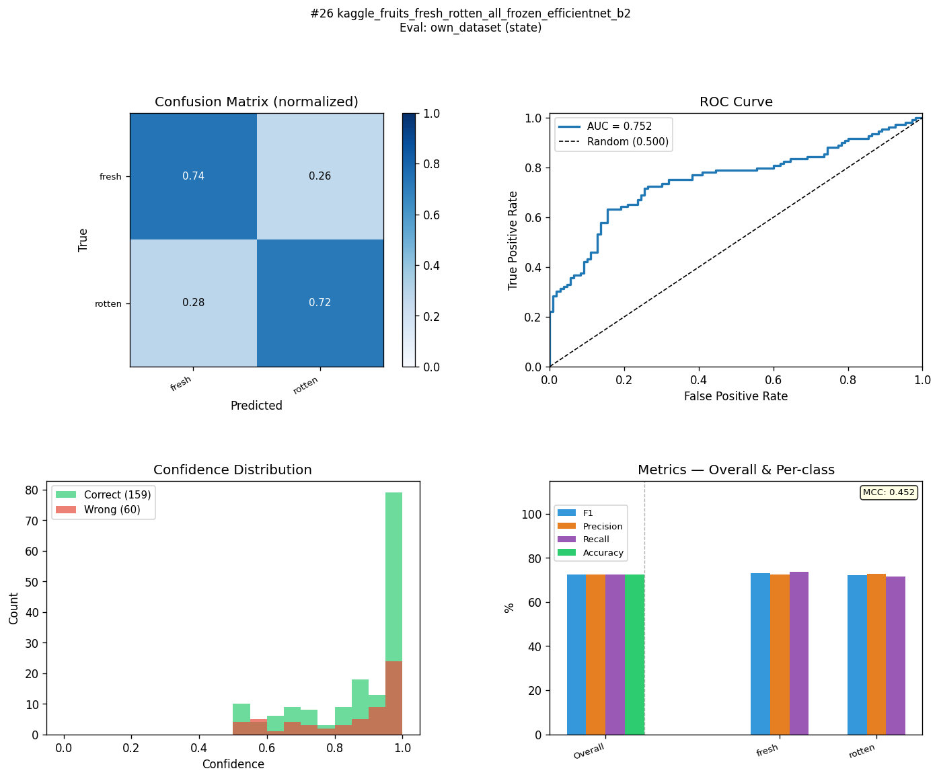
MLM-R18-C3-ST | mendeley_lemon_varieties_all_head_frozen_resnet18 | state | 96.2 | 72.6 | 23.6 | 96.2 | 72.6 | 23.6 | 96.3 | 72.7 | 23.6 | 96.2 | 72.6 | 23.6 | 0.925 | 0.453 | 0.472 | 0.9958 | 0.7883 | 0.2075 | 81.05 | 92.9 | 85.6 | 
KFQ-R18-C1-ST | kaggle_fruits_quality_all_frozen_resnet18 | state | 86.1 | 72.4 | 13.7 | 86.1 | 73.5 | 12.6 | 86.2 | 78.5 | 7.7 | 86.1 | 73.6 | 12.5 | 0.732 | 0.519 | 0.213 | 0.9136 | 0.893 | 0.0206 | 81.54 | 77.5 | 66.8 | 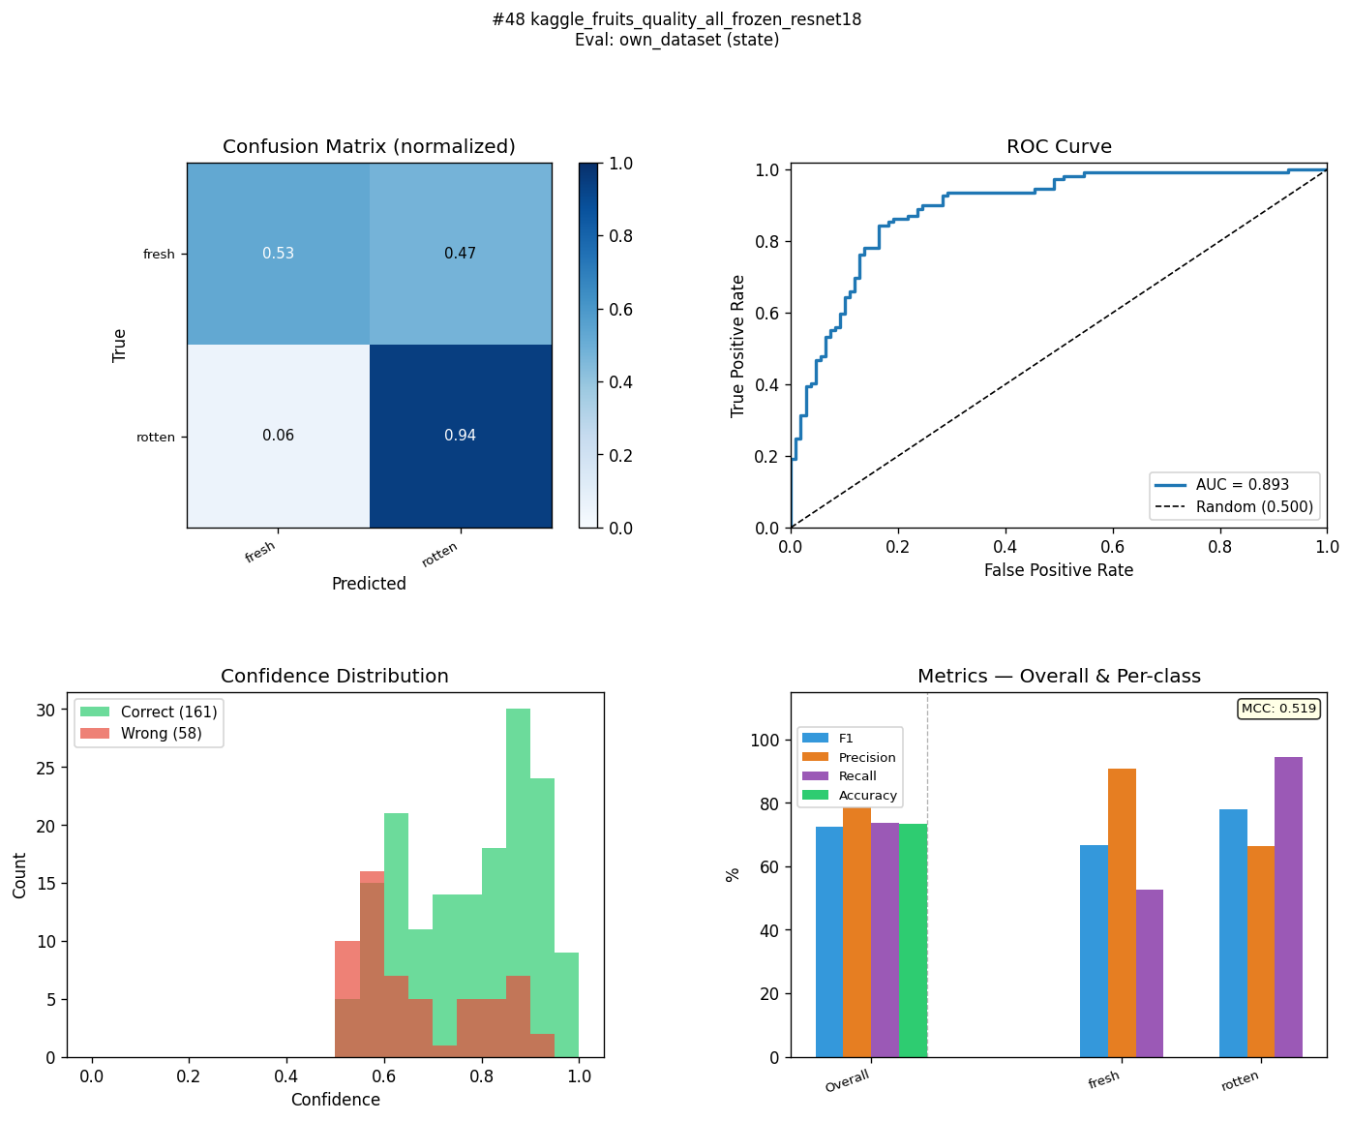
MFR-EB2-C3-ST | mendeley_fruits_all_head_frozen_efficientnet_b2 | state | 96.4 | 72.4 | 24 | 96.4 | 73.1 | 23.3 | 96.4 | 75.7 | 20.7 | 96.4 | 73.1 | 23.3 | 0.928 | 0.487 | 0.441 | 0.9947 | 0.7927 | 0.202 | 80.06 | 94.6 | 93 | 
KFR-EB2-C2-ST | kaggle_fruits_fresh_rotten_all_layer4_efficientnet_b2 | state | 98.6 | 71.8 | 26.8 | 98.6 | 72.2 | 26.4 | 98.5 | 73.6 | 24.9 | 98.6 | 72.2 | 26.4 | 0.972 | 0.458 | 0.514 | 0.9991 | 0.8037 | 0.1954 | 80.25 | 86.1 | 80.5 | 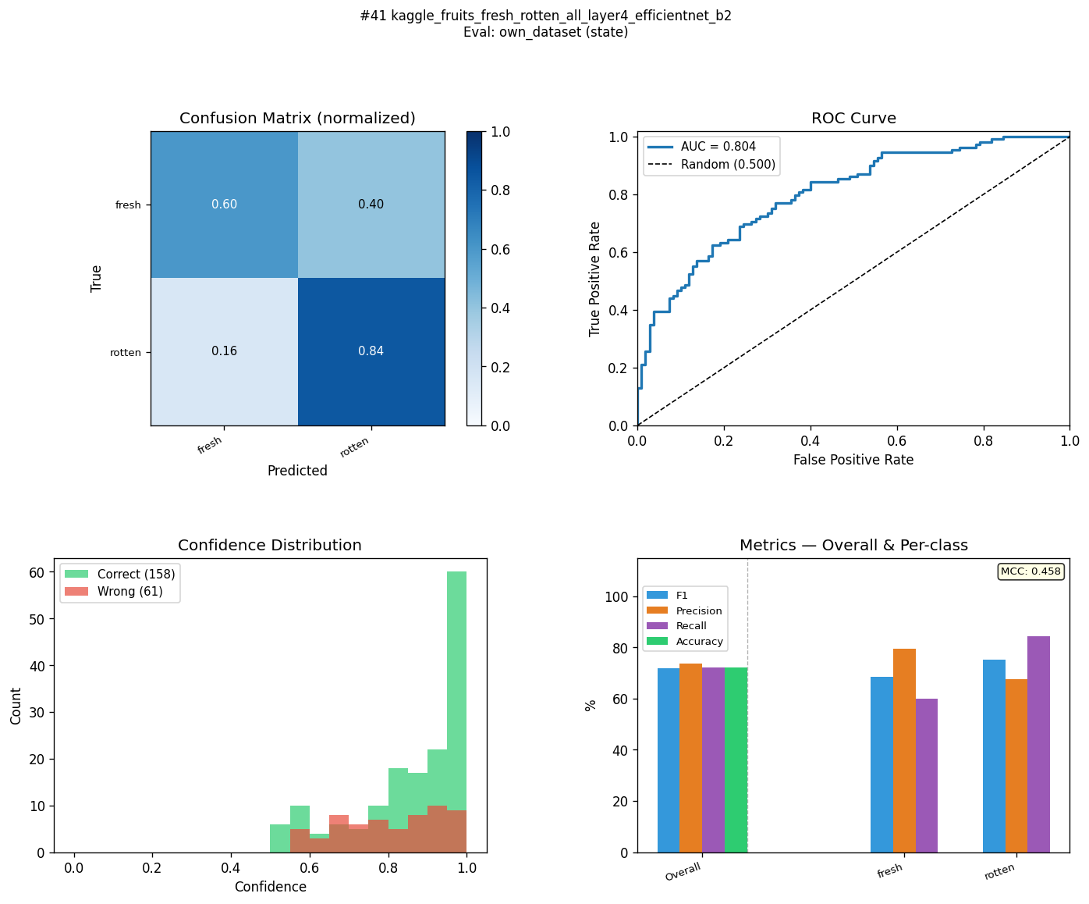
MFR-R18-C3-ST | mendeley_fruits_all_head_frozen_resnet18 | state | 95.2 | 71.8 | 23.4 | 95.2 | 73.1 | 22.1 | 95.2 | 78.2 | 17 | 95.2 | 73.2 | 22 | 0.904 | 0.511 | 0.393 | 0.9901 | 0.7828 | 0.2073 | 80.88 | 95.9 | 93.2 | 
KFS-EB2-C4-ST | kaggle_fresh_stale_all_head_layer4_efficientnet_b2 | state | 97.9 | 70.9 | 27 | 97.9 | 71.7 | 26.2 | 97.9 | 74.7 | 23.2 | 97.9 | 71.8 | 26.1 | 0.958 | 0.463 | 0.495 | 0.9981 | 0.8133 | 0.1848 | 81.19 | 89.8 | 82.3 | 
MFR-MN3-C3-ST | mendeley_fruits_all_head_frozen_mobilenet_v3_small | state | 96.7 | 70.6 | 26.1 | 96.7 | 71.2 | 25.5 | 96.7 | 73.4 | 23.3 | 96.7 | 71.3 | 25.4 | 0.934 | 0.446 | 0.488 | 0.9969 | 0.8377 | 0.1592 | 80.82 | 98.1 | 90.8 | 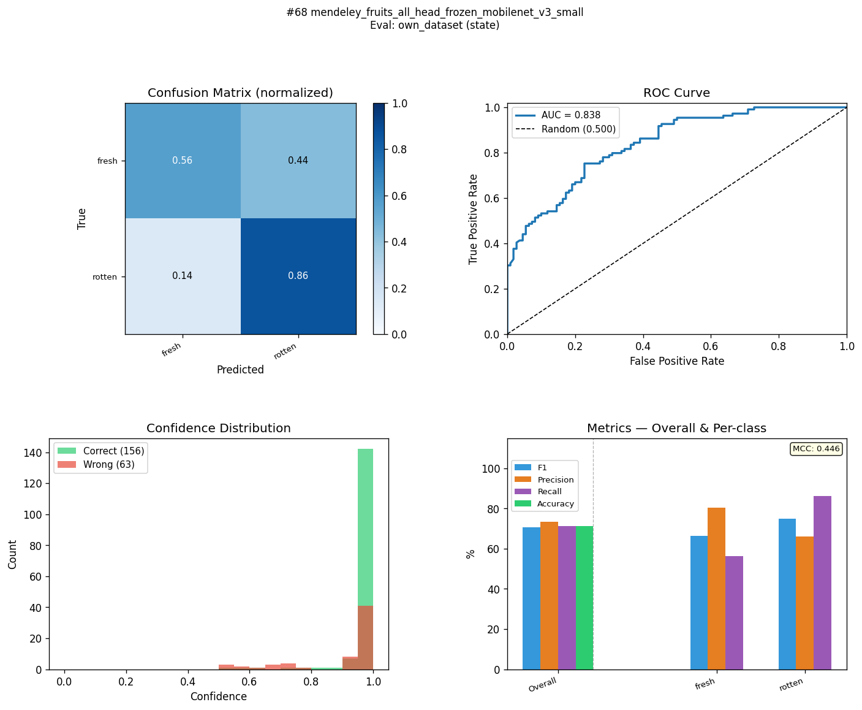
MFR-EB0-C2-ST | mendeley_fruits_all_layer4_efficientnet_b0 | state | 91.5 | 70.5 | 21 | 91.5 | 70.8 | 20.7 | 92.6 | 71.7 | 20.9 | 91.7 | 70.8 | 20.9 | 0.843 | 0.425 | 0.418 | 0.973 | 0.8036 | 0.1694 | 79.34 | 85.6 | 73.2 | 
KFR-MN3-C4-ST | kaggle_fruits_fresh_rotten_all_head_layer4_mobilenet_v3_small | state | 99.4 | 70.1 | 29.3 | 99.4 | 71.7 | 27.7 | 99.4 | 78 | 21.4 | 99.5 | 71.8 | 27.7 | 0.989 | 0.494 | 0.495 | 0.9998 | 0.8352 | 0.1646 | 84.04 | 95.8 | 91.5 | 
MFR-EB2-C4-ST | mendeley_fruits_all_head_layer4_efficientnet_b2 | state | 92.1 | 69.9 | 22.2 | 92.1 | 70.8 | 21.3 | 92.1 | 73.6 | 18.5 | 92.2 | 70.9 | 21.3 | 0.843 | 0.444 | 0.399 | 0.9723 | 0.8314 | 0.1409 | 80.48 | 89.9 | 80.4 | 
KFS-EB2-C2-ST | kaggle_fresh_stale_all_layer4_efficientnet_b2 | state | 96.1 | 68.5 | 27.6 | 96.1 | 70.3 | 25.8 | 96.1 | 76.5 | 19.6 | 96.1 | 70.4 | 25.7 | 0.921 | 0.466 | 0.455 | 0.9931 | 0.8209 | 0.1722 | 81.46 | 85.1 | 77.8 | 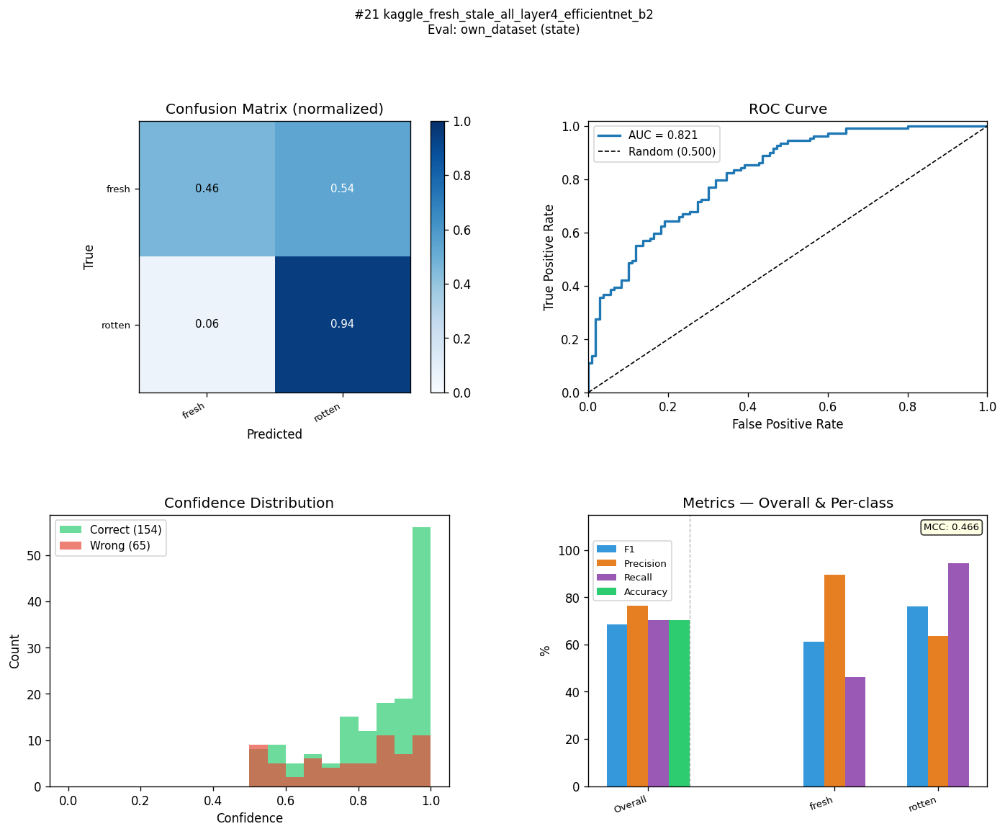
KFR-EB2-C3-ST | kaggle_fruits_fresh_rotten_all_head_frozen_efficientnet_b2 | state | 99.9 | 68.4 | 31.5 | 99.9 | 68.5 | 31.4 | 99.9 | 68.7 | 31.2 | 99.9 | 68.5 | 31.4 | 0.999 | 0.372 | 0.627 | 1 | 0.763 | 0.237 | 80.94 | 94 | 88.6 | 
MFR-EB2-C2-ST | mendeley_fruits_all_layer4_efficientnet_b2 | state | 87 | 68.4 | 18.6 | 87 | 69.9 | 17.1 | 87.1 | 74.6 | 12.5 | 87.1 | 70 | 17.1 | 0.741 | 0.443 | 0.298 | 0.9549 | 0.8359 | 0.119 | 82.18 | 86.5 | 75.3 | 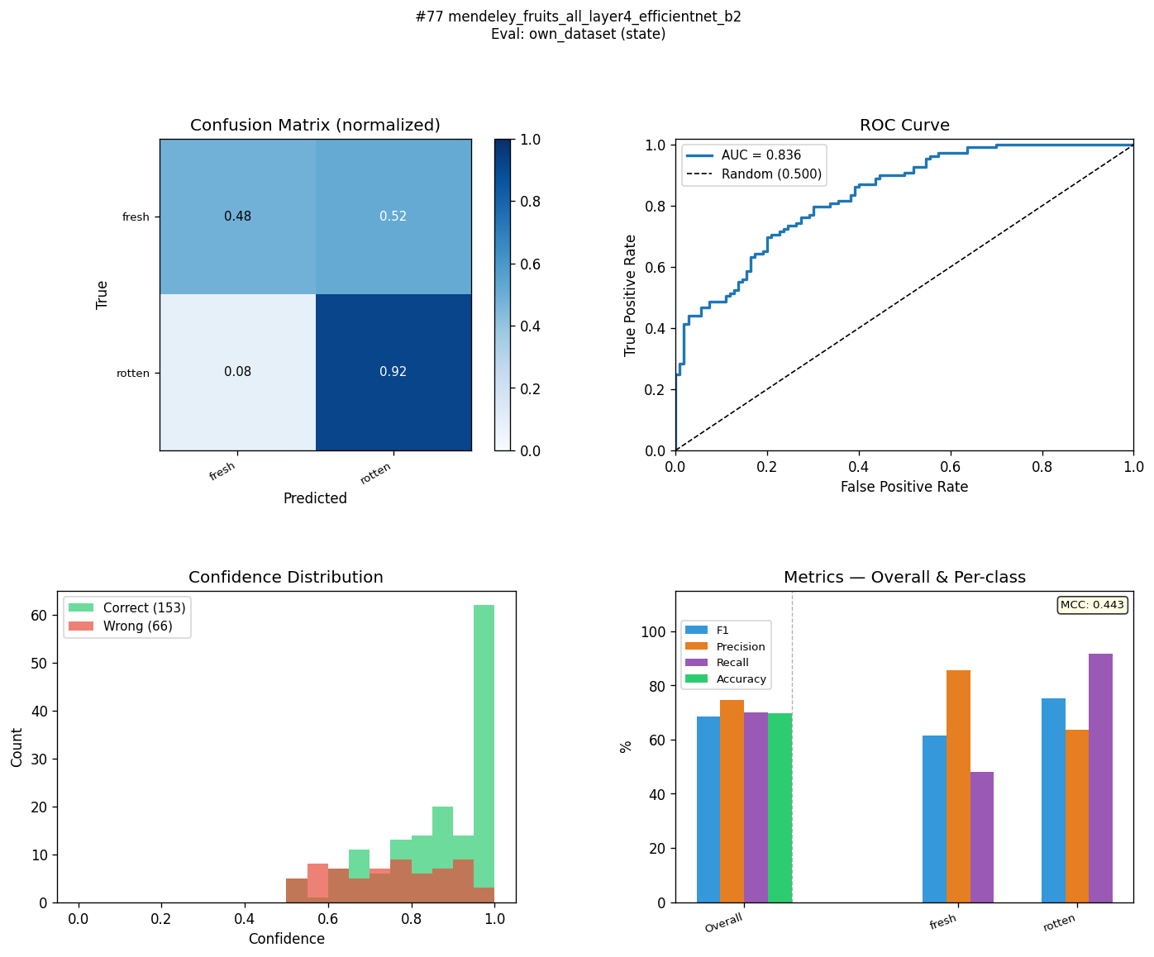
KFR-MN3-C2-ST | kaggle_fruits_fresh_rotten_all_layer4_mobilenet_v3_small | state | 97.8 | 67.9 | 29.9 | 97.9 | 70.3 | 27.6 | 97.8 | 79.4 | 18.4 | 97.8 | 70.5 | 27.3 | 0.957 | 0.491 | 0.466 | 0.9973 | 0.8716 | 0.1257 | 79.99 | 93.2 | 84.1 | 
MFR-MN3-C4-ST | mendeley_fruits_all_head_layer4_mobilenet_v3_small | state | 95.8 | 67.6 | 28.2 | 95.8 | 69 | 26.8 | 95.8 | 73 | 22.8 | 95.8 | 69 | 26.8 | 0.917 | 0.419 | 0.498 | 0.9852 | 0.7325 | 0.2527 | 78.09 | 92.1 | 88.5 | 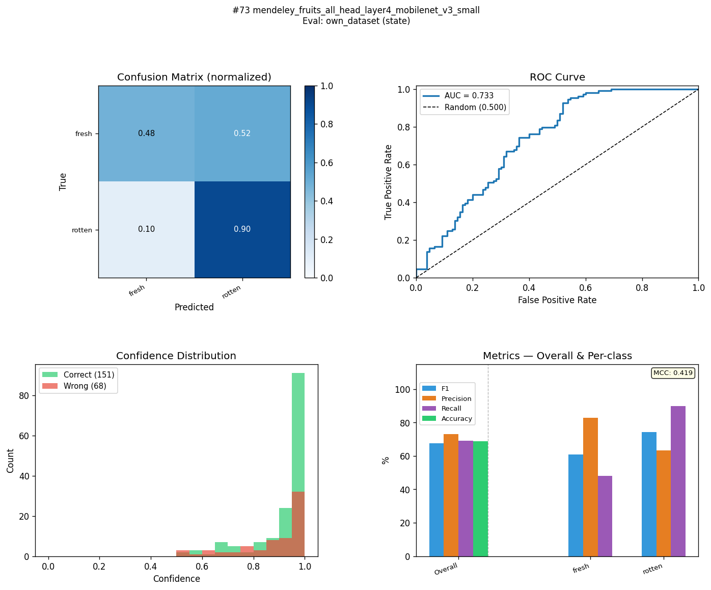
MFR-MN3-C2-ST | mendeley_fruits_all_layer4_mobilenet_v3_small | state | 92.7 | 66.9 | 25.8 | 92.7 | 69 | 23.7 | 92.9 | 75.7 | 17.2 | 92.8 | 69.1 | 23.7 | 0.858 | 0.442 | 0.416 | 0.9774 | 0.7824 | 0.195 | 77.82 | 89.6 | 83.9 | 
MLM-MN3-C1-ST | mendeley_lemon_varieties_all_frozen_mobilenet_v3_small | state | 94.4 | 66.9 | 27.5 | 94.4 | 69.4 | 25 | 94.7 | 78.1 | 16.6 | 94.5 | 69.5 | 25 | 0.892 | 0.469 | 0.423 | 0.9936 | 0.748 | 0.2456 | 79.81 | 89.2 | 85.6 | 
MLM-EB0-C4-ST | mendeley_lemon_varieties_all_head_layer4_efficientnet_b0 | state | 95.4 | 66.5 | 28.9 | 95.4 | 67.1 | 28.3 | 95.4 | 68.7 | 26.7 | 95.4 | 67.2 | 28.2 | 0.908 | 0.359 | 0.549 | 0.9916 | 0.7074 | 0.2842 | 79.31 | 85.8 | 81.4 | 
MLM-MN3-C3-ST | mendeley_lemon_varieties_all_head_frozen_mobilenet_v3_small | state | 98.2 | 66.1 | 32.1 | 98.2 | 69 | 29.2 | 98.2 | 78.8 | 19.4 | 98.2 | 69.1 | 29.1 | 0.964 | 0.469 | 0.495 | 0.9984 | 0.8352 | 0.1632 | 79.03 | 95.3 | 93.9 | 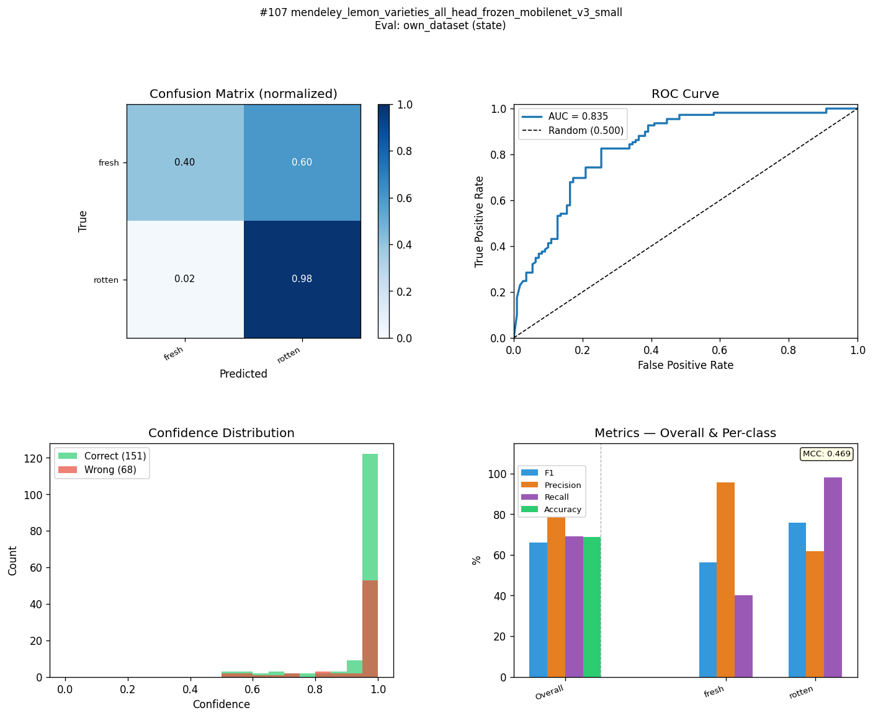
MFR-EB0-C4-ST | mendeley_fruits_all_head_layer4_efficientnet_b0 | state | 95.8 | 65.3 | 30.5 | 95.8 | 66.2 | 29.6 | 95.8 | 68.2 | 27.6 | 95.8 | 66.3 | 29.5 | 0.917 | 0.344 | 0.573 | 0.9855 | 0.6726 | 0.3129 | 80.33 | 90 | 84.6 | 
KFQ-EB2-C4-ST | kaggle_fruits_quality_all_head_layer4_efficientnet_b2 | state | 83.3 | 63.4 | 19.9 | 83.3 | 63.5 | 19.8 | 83.4 | 63.5 | 19.9 | 83.3 | 63.4 | 19.9 | 0.676 | 0.27 | 0.406 | 0.8873 | 0.6803 | 0.207 | 145.65 | 85.8 | 81.9 | 
KFQ-EB2-C2-ST | kaggle_fruits_quality_all_layer4_efficientnet_b2 | state | 86.1 | 62 | 24.1 | 86.1 | 62.1 | 24 | 86.2 | 62.2 | 24 | 86.1 | 62.1 | 24 | 0.723 | 0.242 | 0.481 | 0.8897 | 0.6819 | 0.2078 | 84.92 | 76.8 | 71 | 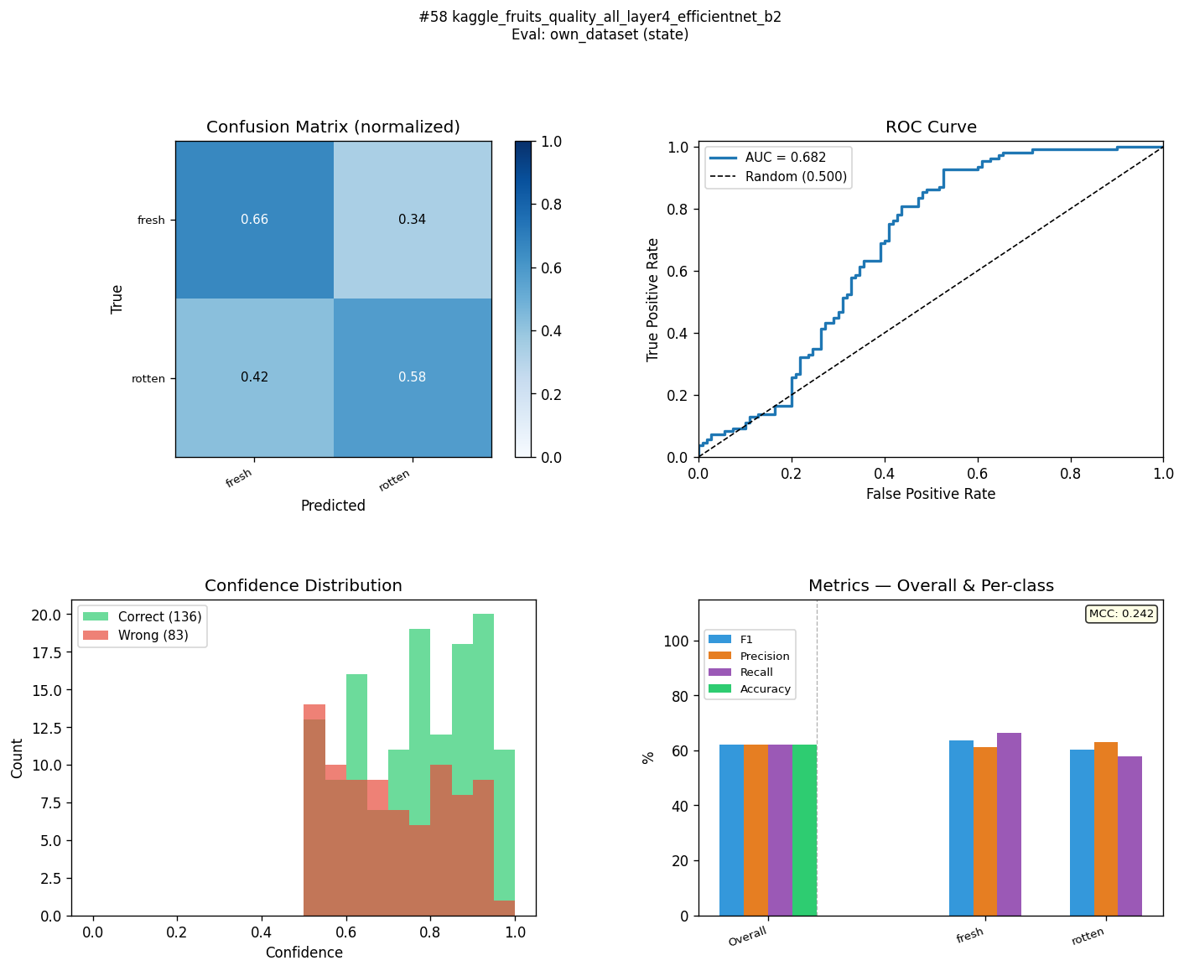
MLM-R18-C4-ST | mendeley_lemon_varieties_all_head_layer4_resnet18 | state | 98.5 | 60 | 38.5 | 98.5 | 61.6 | 36.9 | 98.5 | 64.2 | 34.3 | 98.5 | 61.7 | 36.8 | 0.97 | 0.258 | 0.712 | 0.9995 | 0.6047 | 0.3948 | 79.38 | 89.7 | 87.3 | 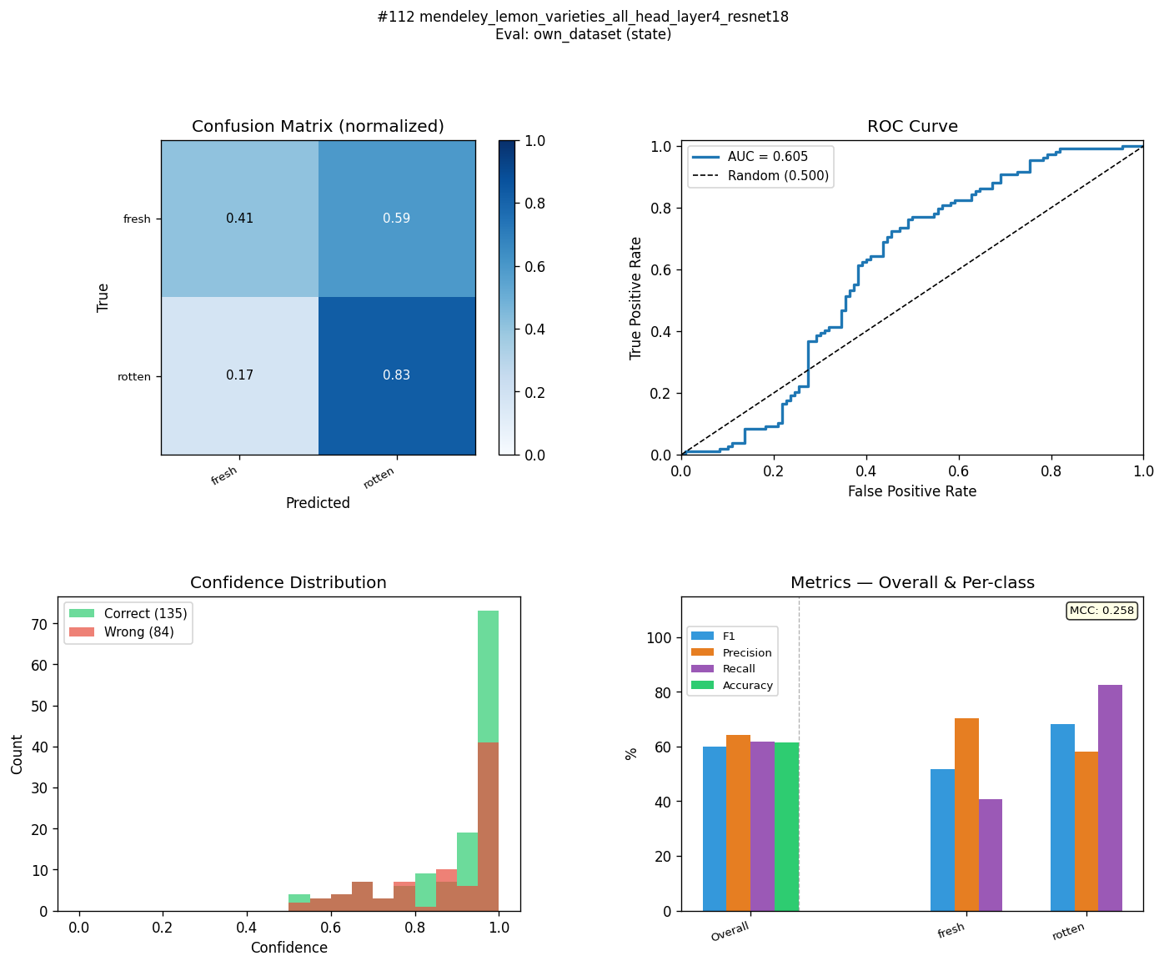
MLM-R18-C1-ST | mendeley_lemon_varieties_all_frozen_resnet18 | state | 96.2 | 59.8 | 36.4 | 96.2 | 60.3 | 35.9 | 96.3 | 60.7 | 35.6 | 96.2 | 60.2 | 36 | 0.925 | 0.209 | 0.716 | 0.9916 | 0.6896 | 0.302 | 82.25 | 85.9 | 79.7 | 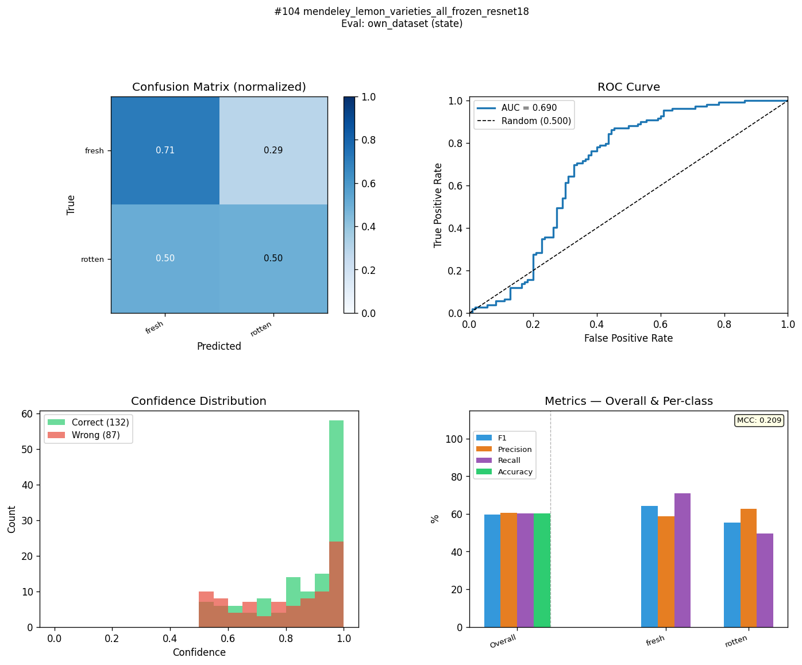
MLM-EB0-C2-ST | mendeley_lemon_varieties_all_layer4_efficientnet_b0 | state | 94.6 | 57.1 | 37.5 | 94.6 | 59.4 | 35.2 | 94.7 | 62 | 32.7 | 94.7 | 59.5 | 35.2 | 0.894 | 0.213 | 0.681 | 0.9912 | 0.6737 | 0.3175 | 79.72 | 79.7 | 74.7 | 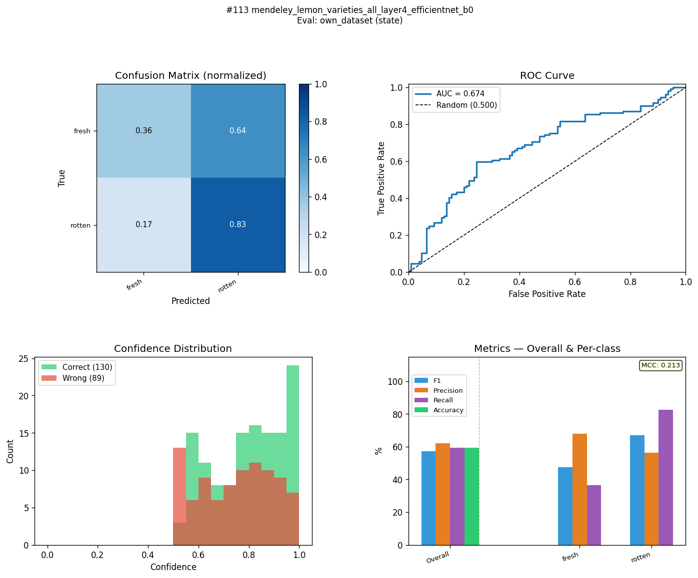
MLM-R18-C2-ST | mendeley_lemon_varieties_all_layer4_resnet18 | state | 98 | 56.6 | 41.4 | 98 | 57.5 | 40.5 | 98 | 58.3 | 39.7 | 98 | 57.6 | 40.4 | 0.96 | 0.159 | 0.801 | 0.9993 | 0.5958 | 0.4035 | 77.2 | 84 | 80.9 | 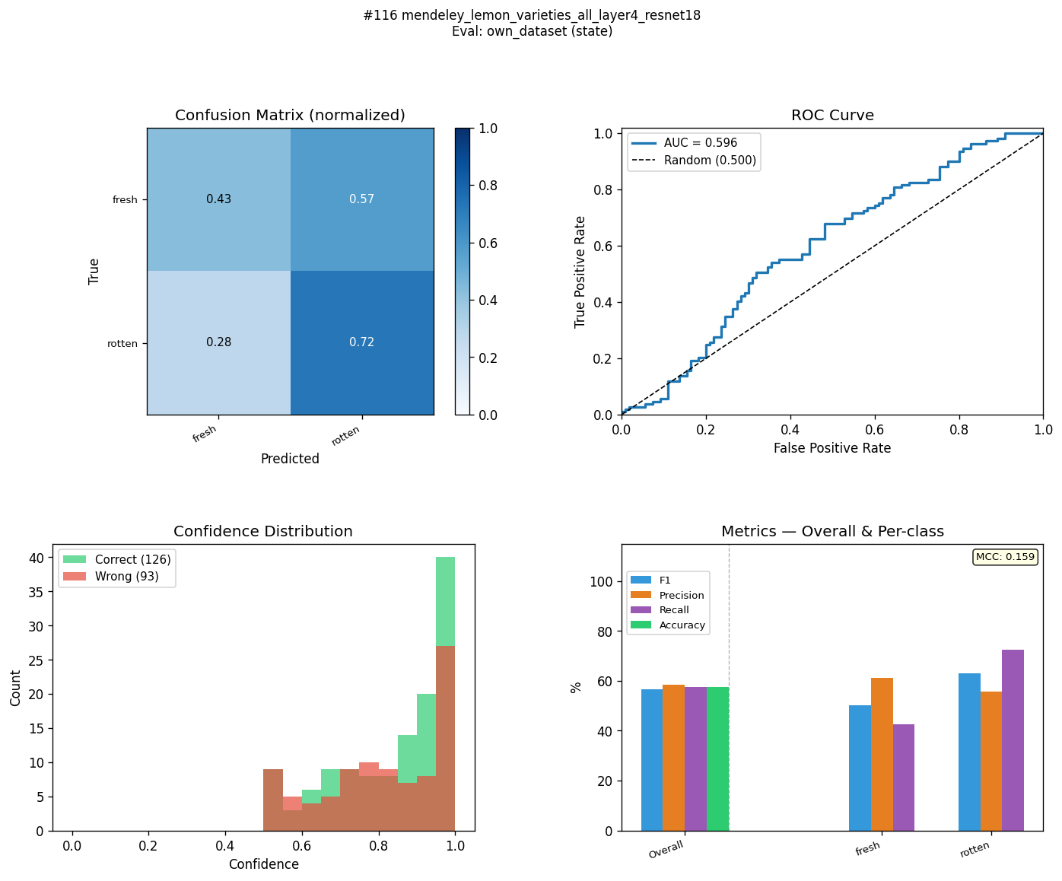
MLM-EB2-C2-ST | mendeley_lemon_varieties_all_layer4_efficientnet_b2 | state | 92.6 | 54.6 | 38 | 92.6 | 55.7 | 36.9 | 92.6 | 56.4 | 36.2 | 92.6 | 55.8 | 36.8 | 0.852 | 0.122 | 0.73 | 0.9803 | 0.5863 | 0.394 | 77.92 | 74.4 | 72.5 | 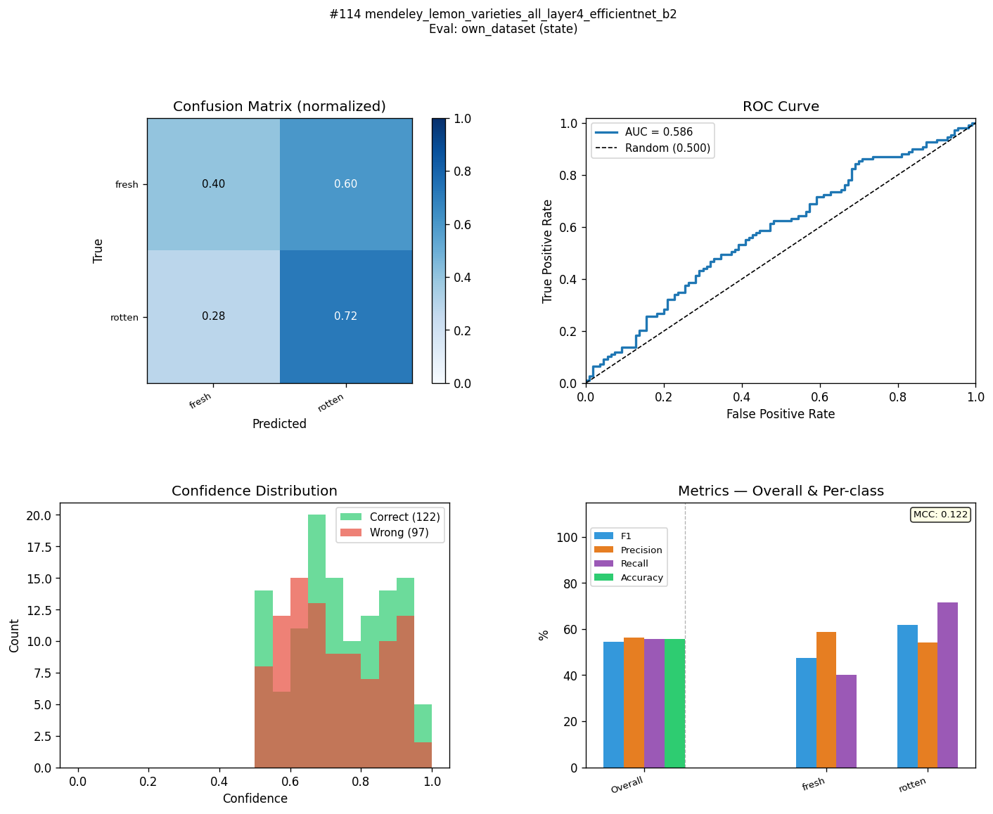
MLM-EB2-C4-ST | mendeley_lemon_varieties_all_head_layer4_efficientnet_b2 | state | 94.1 | 52 | 42.1 | 94.1 | 55.2 | 38.9 | 94.1 | 57.4 | 36.7 | 94.2 | 55.4 | 38.8 | 0.883 | 0.126 | 0.757 | 0.9882 | 0.6274 | 0.3608 | 80.18 | 84.5 | 80.9 | 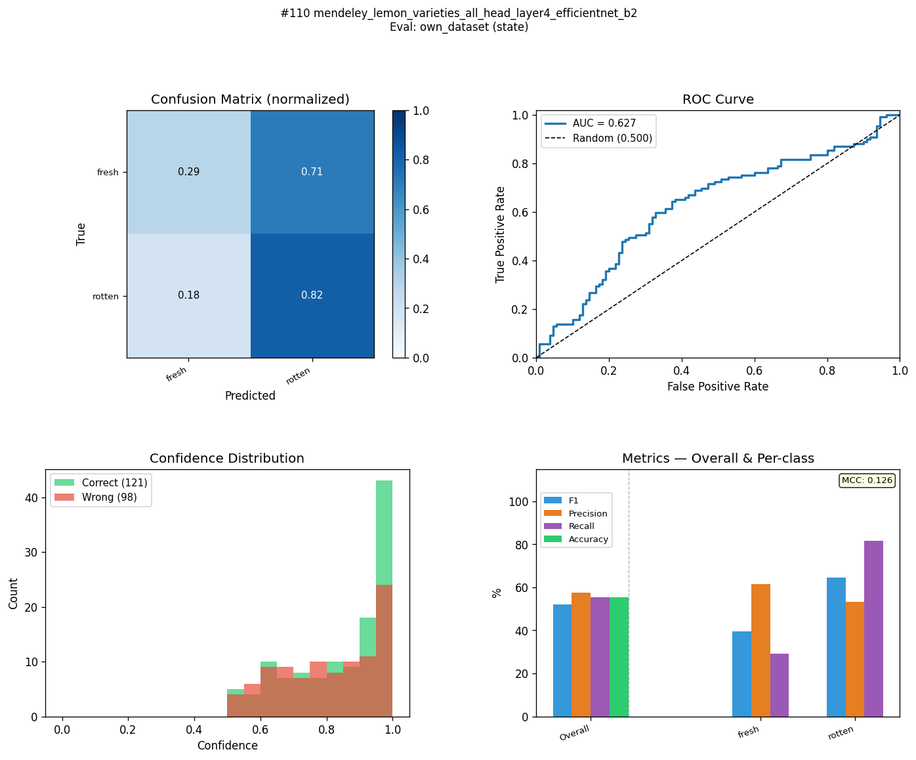
MLM-MN3-C4-ST | mendeley_lemon_varieties_all_head_layer4_mobilenet_v3_small | state | 92.8 | 41.6 | 51.2 | 92.8 | 45.7 | 47.1 | 93.1 | 44.1 | 49 | 92.9 | 45.8 | 47.1 | 0.863 | -0.1 | 0.963 | 0.9866 | 0.4434 | 0.5432 | 79.31 | 85.7 | 86.4 | 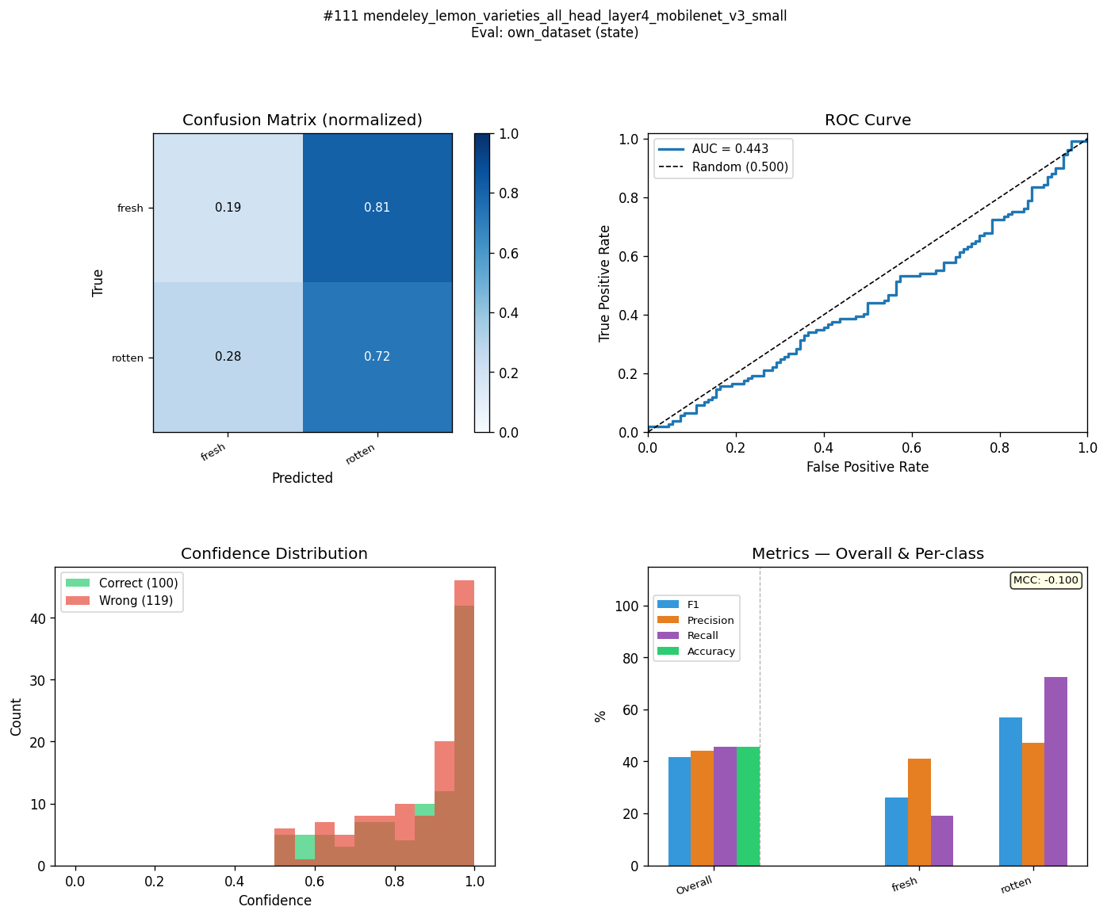
MLM-MN3-C2-ST | mendeley_lemon_varieties_all_layer4_mobilenet_v3_small | state | 91 | 39.6 | 51.4 | 91 | 43.4 | 47.6 | 91.6 | 41.2 | 50.4 | 91.2 | 43.5 | 47.7 | 0.828 | -0.151 | 0.979 | 0.9722 | 0.3342 | 0.638 | 77.06 | 75.8 | 80.7 | 

