Fine-tuning
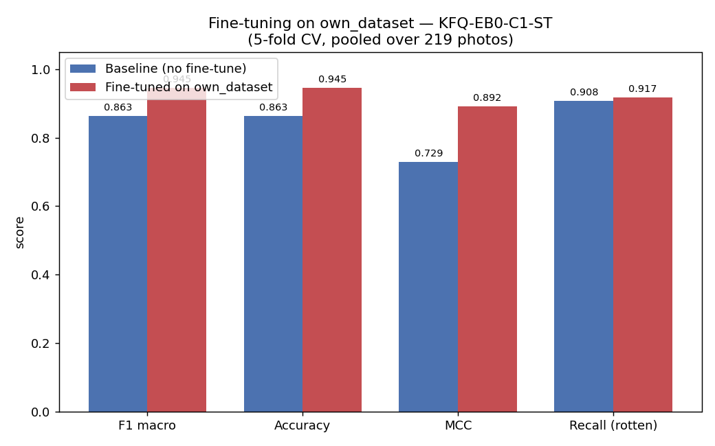
Source model | Config | Metric | Baseline | Fine-tuned | Δ
KFQ-EB0-C1-ST | freeze, 30 ep, lr 0.0005 | F1 macro | 86.3 | 94.5 | +8.2
 | folds: [98, 95, 88, 93, 98] | Accuracy | 86.3 | 94.5 | +8.2
 |  | MCC | 0.729 | 0.892 | +0.163
 |  | Recall rotten | 90.8 | 91.7 | +0.9

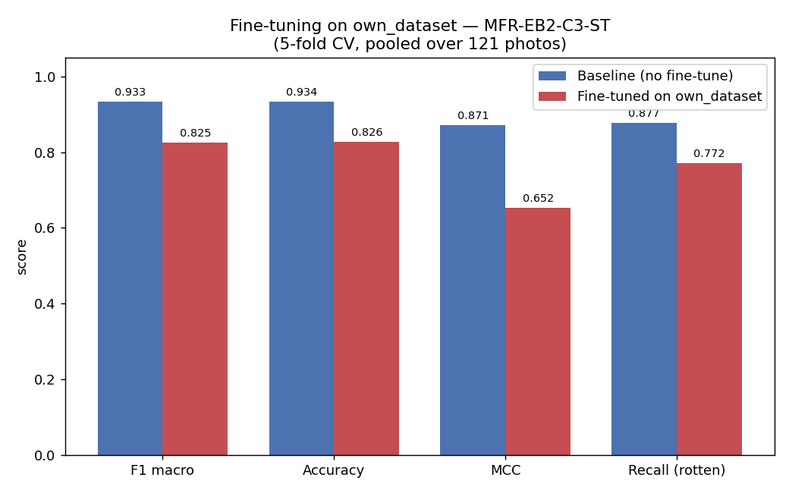
MFR-EB2-C3-ST | unfreeze, 5 ep, lr 2e-05 | F1 macro | 93.3 | 80.1 | -13.2
 | folds: [76, 70, 92, 79, 83] | Accuracy | 93.4 | 80.2 | -13.2
 |  | MCC | 0.871 | 0.619 | -0.252
 |  | Recall rotten | 87.7 | 89.5 | +1.8

Per-fruit
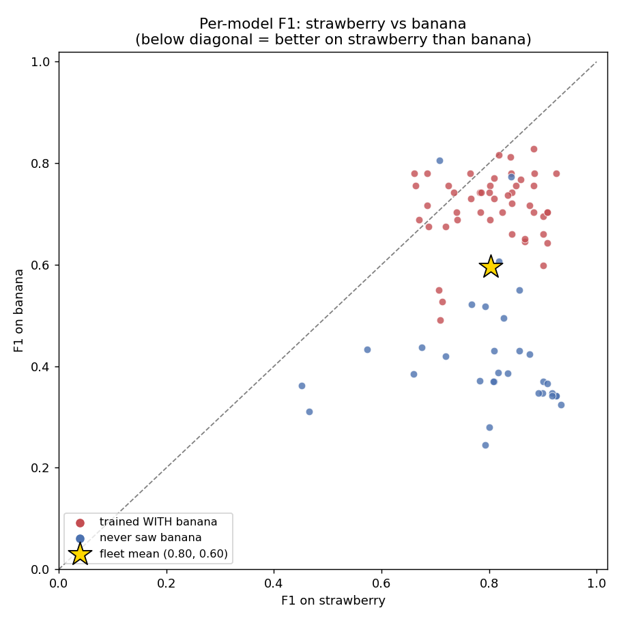
ID | Trained on | Saw banana | F1 banana | F1 strawberry | F1 overall
KFS-EB0-C3-ST | kaggle_fresh_stale | yes | 78 | 92.5 | 86.7
KFQ-EB0-C1-ST | kaggle_fruits_quality | yes | 82.8 | 88.3 | 86.3
KFS-R18-C3-ST | kaggle_fresh_stale | yes | 78 | 88.4 | 84.4
KFQ-R18-C3-ST | kaggle_fruits_quality | yes | 75.6 | 88.3 | 83.5
KFQ-EB0-C4-ST | kaggle_fruits_quality | yes | 81.2 | 83.9 | 83.1
KFQ-EB0-C3-ST | kaggle_fruits_quality | yes | 70.3 | 90.9 | 82.9
KFS-R18-C1-ST | kaggle_fresh_stale | yes | 76.8 | 85.9 | 82.5
KFR-R18-C3-ST | kaggle_fruits_fresh_rotten | yes | 78 | 84.1 | 82.1
KFS-EB0-C2-ST | kaggle_fresh_stale | yes | 81.6 | 81.8 | 82.1
KFQ-MN3-C3-ST | kaggle_fruits_quality | yes | 70.3 | 90.9 | 81.7
KFR-EB0-C1-ST | kaggle_fruits_fresh_rotten | yes | 75.6 | 85 | 81.7
KFS-EB0-C1-ST | kaggle_fresh_stale | yes | 70.3 | 88.3 | 81.6
KFR-EB0-C3-ST | kaggle_fruits_fresh_rotten | yes | 71.7 | 87.6 | 81.5
MLM-EB2-C3-ST | mendeley_lemon_varieties | no | 77.3 | 84.1 | 81.3
KFQ-MN3-C1-ST | kaggle_fruits_quality | yes | 69.5 | 90 | 81.2
KFS-MN3-C1-ST | kaggle_fresh_stale | yes | 66.1 | 90.1 | 80.9
KFS-R18-C2-ST | kaggle_fresh_stale | yes | 74.3 | 84.2 | 80.6
KFQ-EB2-C3-ST | kaggle_fruits_quality | yes | 77.1 | 81 | 79.4
KFQ-R18-C4-ST | kaggle_fruits_quality | yes | 73.7 | 83.5 | 79.3
KFQ-EB0-C2-ST | kaggle_fruits_quality | yes | 72.1 | 84.3 | 79.3
KFQ-R18-C2-ST | kaggle_fruits_quality | yes | 64.2 | 90.8 | 78.9
KFS-R18-C4-ST | kaggle_fresh_stale | yes | 64.6 | 86.6 | 78.8
KFS-EB0-C4-ST | kaggle_fresh_stale | yes | 75.6 | 80.2 | 78.7
KFS-EB2-C3-ST | kaggle_fresh_stale | yes | 70.3 | 82.4 | 78.4
KFR-R18-C1-ST | kaggle_fruits_fresh_rotten | yes | 73 | 81 | 78.2
KFR-EB0-C2-ST | kaggle_fruits_fresh_rotten | yes | 78 | 76.5 | 78
KFQ-EB2-C1-ST | kaggle_fruits_quality | yes | 74.3 | 80.1 | 77.5
KFS-MN3-C4-ST | kaggle_fresh_stale | yes | 74.3 | 78.5 | 77.3
KFS-MN3-C2-ST | kaggle_fresh_stale | yes | 66.1 | 84.3 | 77.3
KFQ-MN3-C2-ST | kaggle_fruits_quality | yes | 65.1 | 86.6 | 77.2
KFS-MN3-C3-ST | kaggle_fresh_stale | yes | 74.3 | 78.3 | 76.8
KFQ-MN3-C4-ST | kaggle_fruits_quality | yes | 59.9 | 90 | 76.7
KFS-EB2-C1-ST | kaggle_fresh_stale | yes | 73 | 76.6 | 76.7
KFR-R18-C2-ST | kaggle_fruits_fresh_rotten | yes | 68.9 | 80.2 | 76.2
MLM-EB2-C1-ST | mendeley_lemon_varieties | no | 80.6 | 70.8 | 75.9
MLM-EB0-C3-ST | mendeley_lemon_varieties | no | 55 | 85.6 | 75.5
KFR-MN3-C1-ST | kaggle_fruits_fresh_rotten | yes | 70.3 | 78.4 | 75.5
KFR-EB0-C4-ST | kaggle_fruits_fresh_rotten | yes | 75.6 | 72.5 | 74.8
KFR-R18-C4-ST | kaggle_fruits_fresh_rotten | yes | 74.3 | 73.5 | 74.2
KFR-EB2-C4-ST | kaggle_fruits_fresh_rotten | yes | 70.3 | 73.9 | 73.8
MFR-EB0-C1-ST | mendeley_fruits | no | 34.2 | 92.5 | 73.6
MFR-EB2-C1-ST | mendeley_fruits | no | 34.2 | 92.5 | 73.5
MFR-EB0-C3-ST | mendeley_fruits | no | 34.7 | 91.7 | 73.4
MFR-R18-C2-ST | mendeley_fruits | no | 36.5 | 90.8 | 73.1
MFR-R18-C4-ST | mendeley_fruits | no | 34.2 | 91.7 | 73
MLM-EB0-C1-ST | mendeley_lemon_varieties | no | 49.6 | 82.7 | 72.8
KFR-MN3-C3-ST | kaggle_fruits_fresh_rotten | yes | 78 | 68.6 | 72.8
MFR-MN3-C1-ST | mendeley_fruits | no | 37 | 90.1 | 72.8
MFR-R18-C1-ST | mendeley_fruits | no | 34.7 | 90 | 72.7
KFR-EB2-C1-ST | kaggle_fruits_fresh_rotten | yes | 75.6 | 66.4 | 72.6
MLM-R18-C3-ST | mendeley_lemon_varieties | no | 60.6 | 81.8 | 72.6
MFR-EB2-C3-ST | mendeley_fruits | no | 32.4 | 93.3 | 72.4
KFQ-R18-C1-ST | kaggle_fruits_quality | yes | 68.9 | 74.1 | 72.4
MFR-R18-C3-ST | mendeley_fruits | no | 34.7 | 89.2 | 71.8
KFR-EB2-C2-ST | kaggle_fruits_fresh_rotten | yes | 78 | 66.1 | 71.8
KFS-EB2-C4-ST | kaggle_fresh_stale | yes | 67.5 | 71.9 | 70.9
MFR-MN3-C3-ST | mendeley_fruits | no | 42.4 | 87.6 | 70.6
MFR-EB0-C2-ST | mendeley_fruits | no | 43 | 85.6 | 70.5
KFR-MN3-C4-ST | kaggle_fruits_fresh_rotten | yes | 71.7 | 68.6 | 70.1
MFR-EB2-C4-ST | mendeley_fruits | no | 51.8 | 79.3 | 69.9
KFS-EB2-C2-ST | kaggle_fresh_stale | yes | 67.5 | 68.7 | 68.5
KFR-EB2-C3-ST | kaggle_fruits_fresh_rotten | yes | 55 | 70.7 | 68.4
MFR-EB2-C2-ST | mendeley_fruits | no | 43 | 81 | 68.4
KFR-MN3-C2-ST | kaggle_fruits_fresh_rotten | yes | 68.9 | 67 | 67.9
MFR-MN3-C4-ST | mendeley_fruits | no | 38.6 | 83.5 | 67.6
MLM-MN3-C1-ST | mendeley_lemon_varieties | no | 38.8 | 81.7 | 66.9
MFR-MN3-C2-ST | mendeley_fruits | no | 37 | 81 | 66.9
MLM-EB0-C4-ST | mendeley_lemon_varieties | no | 52.2 | 76.8 | 66.5
MLM-MN3-C3-ST | mendeley_lemon_varieties | no | 37 | 80.8 | 66.1
MFR-EB0-C4-ST | mendeley_fruits | no | 37.2 | 78.3 | 65.3
KFQ-EB2-C4-ST | kaggle_fruits_quality | yes | 52.8 | 71.3 | 63.4
KFQ-EB2-C2-ST | kaggle_fruits_quality | yes | 49.1 | 70.9 | 62
MLM-R18-C4-ST | mendeley_lemon_varieties | no | 27.9 | 80.1 | 60
MLM-R18-C1-ST | mendeley_lemon_varieties | no | 42 | 71.9 | 59.8
MLM-EB0-C2-ST | mendeley_lemon_varieties | no | 43.7 | 67.4 | 57.1
MLM-R18-C2-ST | mendeley_lemon_varieties | no | 24.4 | 79.3 | 56.6
MLM-EB2-C2-ST | mendeley_lemon_varieties | no | 38.5 | 66 | 54.6
MLM-EB2-C4-ST | mendeley_lemon_varieties | no | 43.4 | 57.4 | 52
MLM-MN3-C4-ST | mendeley_lemon_varieties | no | 36.3 | 45.1 | 41.6
MLM-MN3-C2-ST | mendeley_lemon_varieties | no | 31.1 | 46.5 | 39.6

Hardest images
219 images × 80 models | accuracy ceiling 100.0% | images every model fails: 0

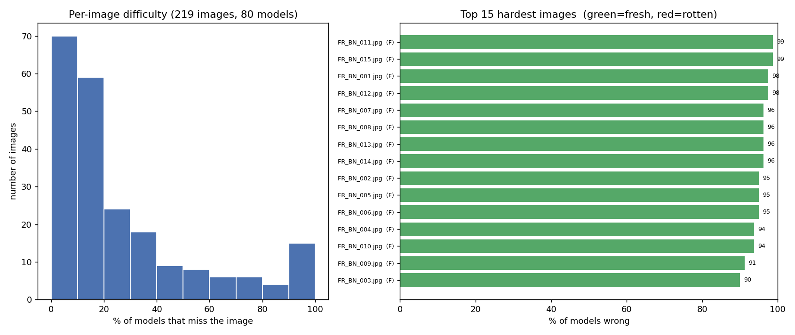
# | File | True label | Models wrong | Conf when wrong
1 | FR_BN_011.jpg | fresh | 79/80 | 94.1%
2 | FR_BN_015.jpg | fresh | 79/80 | 95.3%
3 | FR_BN_001.jpg | fresh | 78/80 | 95.7%
4 | FR_BN_012.jpg | fresh | 78/80 | 93.0%
5 | FR_BN_007.jpg | fresh | 77/80 | 94.8%
6 | FR_BN_008.jpg | fresh | 77/80 | 92.7%
7 | FR_BN_013.jpg | fresh | 77/80 | 92.6%
8 | FR_BN_014.jpg | fresh | 77/80 | 95.2%
9 | FR_BN_002.jpg | fresh | 76/80 | 94.0%
10 | FR_BN_005.jpg | fresh | 76/80 | 93.1%
11 | FR_BN_006.jpg | fresh | 76/80 | 91.5%
12 | FR_BN_004.jpg | fresh | 75/80 | 92.8%
13 | FR_BN_010.jpg | fresh | 75/80 | 91.0%
14 | FR_BN_009.jpg | fresh | 73/80 | 94.4%
15 | FR_BN_003.jpg | fresh | 72/80 | 94.2%
16 | FR_BN_021.jpg | fresh | 67/80 | 92.2%
17 | FR_SB_021.jpg | fresh | 67/80 | 90.0%
18 | FR_SB_004.jpg | fresh | 65/80 | 87.5%
19 | RT_SB_013.jpg | rotten | 64/80 | 88.0%
20 | FR_BN_019.jpg | fresh | 61/80 | 84.9%

Ensemble
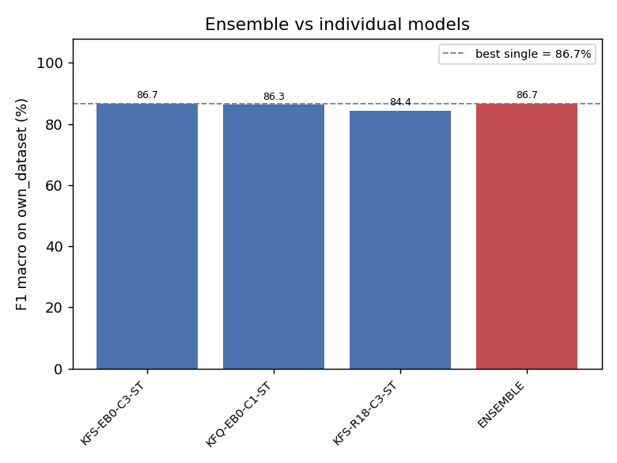
Selection | Method | Members | Best single | Ensemble F1 | Δ vs best | MCC | AUC
top3 | adaptive | 3 | MFR-EB2-C3-ST (93.3%) | 95 | +1.7 | 0.902 | 0.9726
top5 | adaptive | 5 | MFR-EB2-C3-ST (93.3%) | 93.3 | +0.0 | 0.869 | 0.9685
top10 | adaptive | 10 | MFR-EB2-C3-ST (93.3%) | 92.5 | -0.8 | 0.853 | 0.9742
top10 | mean | 10 | MFR-EB2-C3-ST (93.3%) | 92.5 | -0.8 | 0.853 | 0.9745
top5 | mean | 5 | MFR-EB2-C3-ST (93.3%) | 92.5 | -0.8 | 0.853 | 0.9677
top5 | weighted | 5 | MFR-EB2-C3-ST (93.3%) | 92.5 | -0.8 | 0.853 | 0.9677
top7 | adaptive | 7 | MFR-EB2-C3-ST (93.3%) | 92.5 | -0.8 | 0.853 | 0.9778
top7 | mean | 7 | MFR-EB2-C3-ST (93.3%) | 92.5 | -0.8 | 0.853 | 0.9811
all | mean | 80 | MFR-EB2-C3-ST (93.3%) | 91.7 | -1.6 | 0.835 | 0.9718
top3 | mean | 3 | KFS-EB0-C3-ST (86.7%) | 86.7 | +0.0 | 0.742 | 0.9316
top3 | mean | 3 | KFS-EB0-C3-ST (86.7%) | 86.7 | +0.0 | 0.742 | 0.9316

